TSP
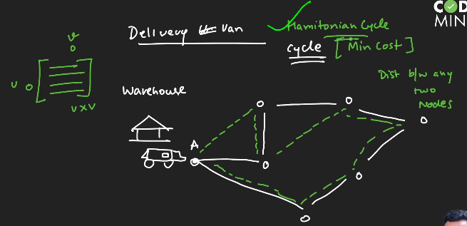





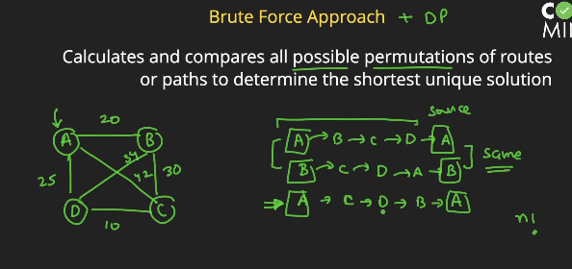

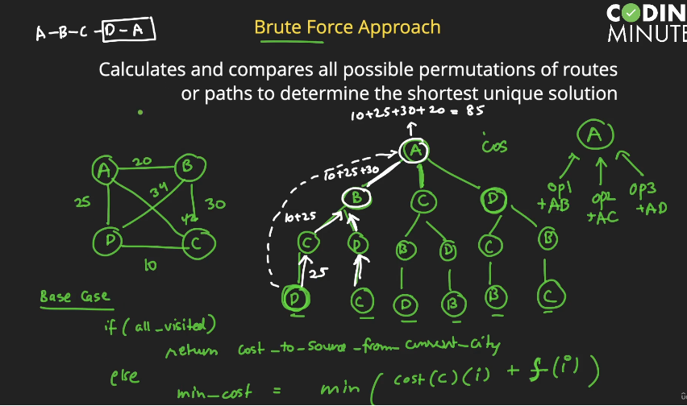

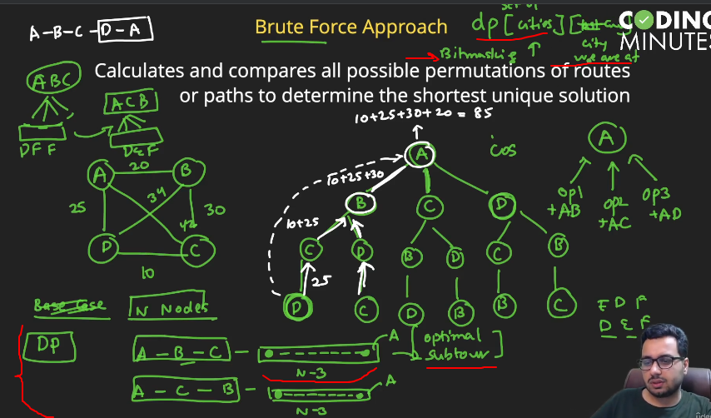

#include<iostream>
#include<climits>
#include<vector>
using namespace std;

int tsp(vector<vector<int> > dist, int setOfCities, int city,int n,vector<vector<int> > &dp){

//base case
if(setOfCities == (1<<n) - 1){
//return the cost from the city to the original
return dist[city][0];
}
if(dp[setOfCities][city]!=-1){
return dp[setOfCities][city];
}

//otherwise try all possible options
int ans = INT_MAX;

for(int choice=0;choice<n;choice++){
//need to check if city is visited or not
if((setOfCities & (1<<choice))==0){

int subProb = dist[city][choice] + tsp(dist, setOfCities|(1<<choice),choice,n,dp);
ans = min(ans,subProb);
}
}
dp[setOfCities][city] = ans;
return ans;
}

int main(){

vector< vector<int> > dist = {
{0,20,42,25},
{20,0,30,34},
{42,30,0,10},
{25,34,10,0}
};
int n = 4;

vector< vector<int> > dp(1<<n, vector<int>(n,-1));

cout << tsp(dist,1,0,n,dp)<<endl;

}

function tsp_with_set(dist,city,citySet,n){
if(citySet.size==n) return dist[city][0]
let ans=Number.MAX_VALUE
for(let choice=0;choice<n;choice++){
if(!citySet.has(choice)){
citySet.add(choice)
let sub=dist[city][choice] +tsp_with_set(dist,choice,citySet,n)
ans=Math.min(ans,sub)
citySet.delete(choice)
}
}
return ans
}

function tsp_with_bitmask(dist,city,setOfCity,n){
if((1<<n)-1==setOfCity) return dist[city][0]
let ans=Number.MAX_VALUE
for(let choice=0;choice<n;choice++){
if((setOfCity&(1<<choice))==0){
setOfCity=setOfCity|(1<<choice)
let sub=dist[city][choice] +tsp_with_bitmask(dist,choice,setOfCity,n)
setOfCity=setOfCity & (~(1<<choice))
ans=Math.min(ans,sub)
}
}
return ans
}

function tsp_with_dp(dist,city,setOfCity,n,dp){
if(dp[city][setOfCity]!=-1) return dp[city][setOfCity]
if((1<<n)-1==setOfCity) return dist[city][0]
let ans=Number.MAX_VALUE
for(let choice=0;choice<n;choice++){
if((setOfCity&(1<<choice))==0){
let sub=dist[city][choice] +tsp_with_dp(dist,choice,setOfCity|(1<<choice),n,dp)
ans=Math.min(ans,sub)
}
}
return dp[city][setOfCity]=ans
}

let dist=[
[0,20,42,25],
[20,0,30,34],
[42,30,0,10],
[25,34,10,0],
]

let citySet=new Set()
citySet.add(0)
console.log(tsp_with_set(dist,0,citySet,dist.length))

console.log(tsp_with_bitmask(dist,0,0,dist.length))

let dp=new Array(dist.length).fill(-1).map(()=>new Array((1<<dist.length)).fill(-1))
console.log(tsp_with_dp(dist,0,0,dist.length,dp))

FloodFill
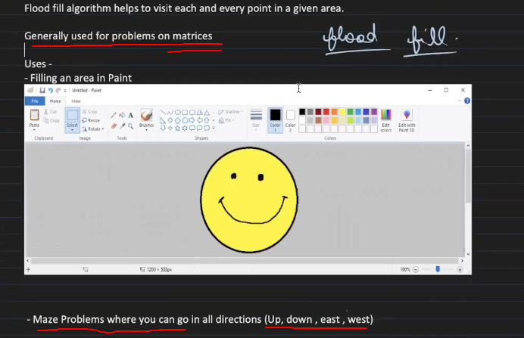

 |  |  |  | DFS or BFS can be applied

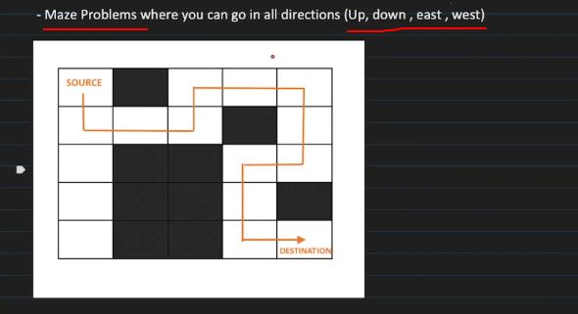

Number of island
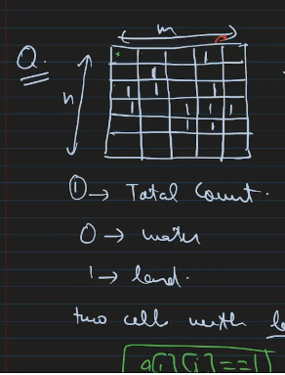
 | print total number of island
 | no visited required utilising same matrix (marking zero) to know it was visited

 | #include<bits/stdc++.h>
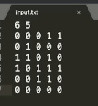
 | using namespace std;

 | const int N = 100;

 | int a[N][N];

 | int n, m;

 | int dx[4] = {0, 0, 1, -1};
 | int dy[4] = {1, -1, 0, 0};

 | void flood_fill(int x, int y) {
 | a[x][y] = 0;
 | for (int i = 0; i < 4; i++) {
 | int xx = x + dx[i];
 | int yy = y + dy[i];
 | if (xx >= 0 && xx < n && yy >= 0 && yy < m && a[xx][yy] == 1) {
 | flood_fill(xx, yy);
 | }
 | }
 | }

 | int main()
 | {
 | freopen("input.txt", "r", stdin);
 | freopen("output.txt", "w", stdout);

 | cin >> n >> m;
 | for (int i = 0; i < n; i++) {
 | for (int j = 0; j < m; j++) {
 | cin >> a[i][j];
 | }
 | }

 | int total_count = 0;

 | for (int i = 0; i < n; i++) {
 | for (int j = 0; j < m; j++) {
 | if (a[i][j] == 1) {
 | total_count++;
 | flood_fill(i, j);
 | }
 | }
 | }

 | cout << total_count;

 | return 0;
 | }

print matrix of island
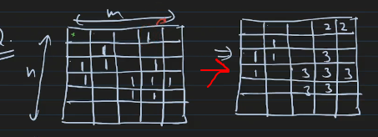
 |  |  | #include<bits/stdc++.h>

 |  |  | using namespace std;

 |  |  | const int N = 100;

 |  |  | int a[N][N], vis[N][N];
 |  |  | int col_cnt[N];

 | visited array required |  | int n, m;

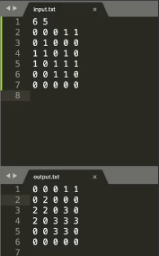
 |  |  | int dx[4] = {0, 0, 1, -1};
 |  |  | int dy[4] = {1, -1, 0, 0};

 |  |  | void flood_fill(int x, int y, int col) {
 |  |  | a[x][y] = col;
 |  |  | col_cnt[col]++;
 |  |  | vis[x][y] = 1;
 |  |  | for (int i = 0; i < 4; i++) {
 |  |  | int xx = x + dx[i];
 |  |  | int yy = y + dy[i];
 |  |  | if (xx >= 0 && xx < n && yy >= 0 && yy < m && vis[xx][yy] == 0 && a[xx][yy] == 1) {
 |  |  | flood_fill(xx, yy, col);
 |  |  | }
 |  |  | }
 |  |  | }
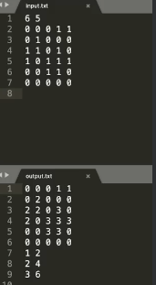
 |  |  | int main()
 |  |  | {
 |  |  | freopen("input.txt", "r", stdin);
 |  |  | freopen("output.txt", "w", stdout);

 |  |  | cin >> n >> m;
 |  |  | for (int i = 0; i < n; i++) {
 |  |  | for (int j = 0; j < m; j++) {
 |  |  | cin >> a[i][j];
 |  |  | }
 |  |  | }

 |  |  | int total_count = 0;

 |  |  | for (int i = 0; i < n; i++) {
 |  |  | for (int j = 0; j < m; j++) {
 |  |  | if (a[i][j] == 1 && vis[i][j] == 0) {
 |  |  | total_count++;
 |  |  | flood_fill(i, j, total_count);
 |  |  | }
 |  |  | }
 |  |  | }

 |  |  | for (int i = 0; i < n; i++) {
 |  |  | for (int j = 0; j < m; j++) {
 |  |  | cout << a[i][j] << " ";
 |  |  | } cout << '\n';
 |  |  | }

 |  |  | for (int i = 1; i <= total_count; i++) {
 |  |  | cout << i << " " << col_cnt[i] << '\n';
 |  |  | }

 |  |  | return 0;
 |  |  | }

make largest islang

 |  | #include<bits/stdc++.h>

 |  | using namespace std;

 |  | const int N = 100;

 |  | int a[N][N], vis[N][N];
 |  | int col_cnt[N];

 |  | int n, m;

 |  | int dx[4] = {0, 0, 1, -1};
 |  | int dy[4] = {1, -1, 0, 0};

 |  | void flood_fill(int x, int y, int col) {
 |  | a[x][y] = col;
 |  | col_cnt[col]++;
 |  | vis[x][y] = 1;
 |  | for (int i = 0; i < 4; i++) {
 |  | int xx = x + dx[i];
 |  | int yy = y + dy[i];
 |  | if (xx >= 0 && xx < n && yy >= 0 && yy < m && vis[xx][yy] == 0 && a[xx][yy] == 1) {
 |  | flood_fill(xx, yy, col);
 |  | }
 |  | }
 |  | }

 |  | int main()
 |  | {
 |  | freopen("input.txt", "r", stdin);
 |  | freopen("output.txt", "w", stdout);

 |  | cin >> n >> m;
 |  | for (int i = 0; i < n; i++) {
 |  | for (int j = 0; j < m; j++) {
 |  | cin >> a[i][j];
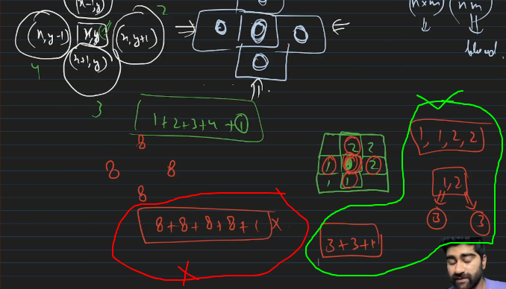
 |  | }
 |  | }

 |  | int total_count = 0;

 |  | for (int i = 0; i < n; i++) {
 |  | for (int j = 0; j < m; j++) {
 |  | if (a[i][j] == 1 && vis[i][j] == 0) {
 |  | total_count++;
 |  | flood_fill(i, j, total_count);
 |  | }
 |  | }
 |  | }

 |  | int largest_island = 0;

 |  | for (int i = 1; i <= total_count; i++) {
 |  | largest_island = max(largest_island, col_cnt[i]);
 |  | }

 |  | for (int i = 0; i < n; i++) {
 |  | for (int j = 0; j < m; j++) {
 |  | if (a[i][j] == 0) {
 |  | // can be converted
 |  | set<int> St;
 |  | for (int k = 0; k < 4; k++) {
 |  | int ii = i + dx[k];
 |  | int jj = j + dy[k];
 |  | if (ii >= 0 && ii < n && jj >= 0 && jj < m) {
 |  | St.insert(a[ii][jj]);
 |  | }
 |  | }
 |  | int ans = 1;
 |  | for (auto x : St) {
 |  | ans += col_cnt[x];
 |  | }
 |  | largest_island = max(largest_island, ans);
 |  | }
 |  | }
 |  | }

 |  | cout << largest_island;

 |  | return 0;
 |  | }

function floodFill(grid,row,col,nRow,nCol,noOfIsland){
grid[row][col]=noOfIsland
let cnt=1
for(let [x,y] of dirrection){
let [newRow,newCol]=[row+y,col+x]

if(newRow>=0 && newCol>=0 && newRow <nRow && newCol <nCol && grid[newRow][newCol]==-1){
cnt+=floodFill(grid,newRow,newCol,nRow,nCol,noOfIsland)
}
}
return cnt
}

function connectIsland(grid,row,col,nRow,nCol){
let cnt=1
let st=new Set()
for(let [x,y] of dirrection){
let [newRow,newCol]=[row+y,col+x]

if(newRow>=0 && newCol>=0 && newRow <nRow && newCol <nCol && !([0,'x'].includes(grid[newRow][newCol]))){
st.add(grid[newRow][newCol])
}
}

if(st.size>1){
for(let g of st){
cnt+=island[g]
}
}

// for(let g of st){

// island[g]
// }
return cnt
}

const grid=[
[1,0,0,1,0],
[1,0,1,0,0],
[0,0,1,0,1],
[1,0,1,1,1],
[1,0,1,1,0],
]

const dirrection=[
[0,1], //x,y
[0,-1],
[1,0],
[-1,0]
]
const nRow=grid.length
const nCol=grid[0].length
const island={}
let noOfIsland=0
let maxIsland=0

for(let r=0;r<nRow;r++){
for(let c=0;c<nCol;c++){
if(grid[r][c]) grid[r][c]*=-1
}
}

for(let r=0;r<nRow;r++){
for(let c=0;c<nCol;c++){
if(grid[r][c]==-1){
let noOf=floodFill(grid,r,c,nRow,nCol,++noOfIsland)
maxIsland=Math.max(maxIsland,noOf)
island[noOfIsland]=noOf
}
}
}

console.log("lenth of all island",island)
console.log("max lenth of island",maxIsland)
console.log("island view grid",grid)

for(let r=0;r<nRow;r++){
for(let c=0;c<nCol;c++){
if(grid[r][c]==0){
let noOf=connectIsland(grid,r,c,nRow,nCol)
if(noOf>maxIsland) {
grid[r][c]='x'+noOf
maxIsland=noOf
}
}
}
}

console.log('----after connect-------')
console.log("max lenth of island",maxIsland)
console.log("island view grid",grid)

 | lenth of all island { '1': 2, '2': 1, '3': 8, '4': 2 }
 | max lenth of island 8
 | island view grid [
 | [ 1, 0, 0, 2, 0 ],
 | [ 1, 0, 3, 0, 0 ],
 | [ 0, 0, 3, 0, 3 ],
 | [ 4, 0, 3, 3, 3 ],
 | [ 4, 0, 3, 3, 0 ]
 | ]
 | ----after connect-------
 | max lenth of island 11
 | island view grid [
 | [ 1, 0, 'x10', 2, 0 ],
 | [ 1, 'x11', 3, 0, 0 ],
 | [ 0, 0, 3, 0, 3 ],
 | [ 4, 0, 3, 3, 3 ],
 | [ 4, 0, 3, 3, 0 ]
 | ]

MultiSrcBFS
SuperSet of Flood-Fill(Flood fill start from one source but Multi-BFS start from multi source and implement using ONLY BFS)
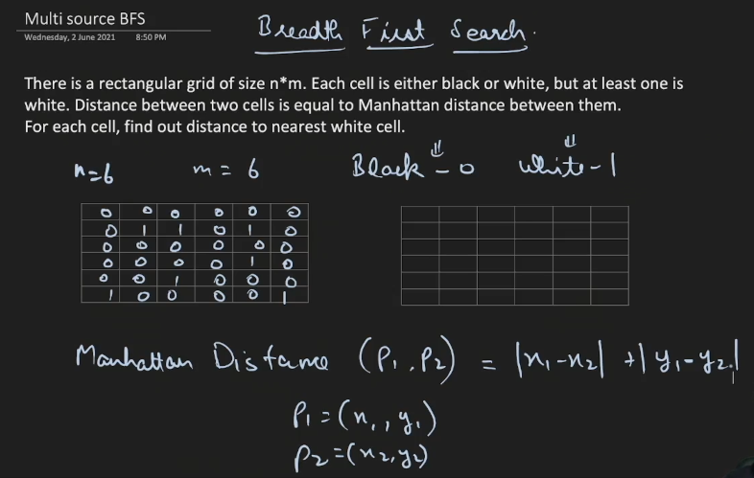

Brutforce | n*n*n*n
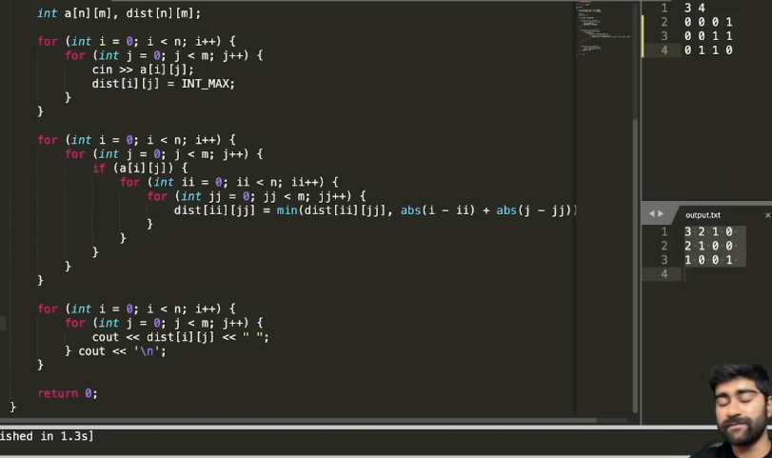

mulit BFS
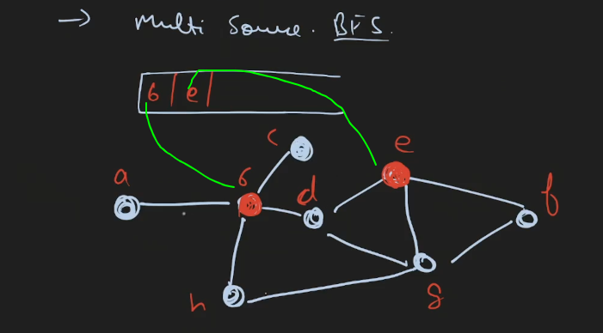

 |  | #include<bits/stdc++.h>

 |  | using namespace std;

 |  | int main()
 |  | {
 |  | freopen("input.txt", "r", stdin);
 |  | freopen("output.txt", "w", stdout);

 |  | int n, m;
 |  | cin >> n >> m;

 |  | int a[n][m], dist[n][m];
 |  | queue<pair<int, int>> Q;

 |  | int dx[4] = {1, -1, 0, 0};
 |  | int dy[4] = {0, 0, 1, -1};

 |  | for (int i = 0; i < n; i++) {
 |  | for (int j = 0; j < m; j++) {
 |  | cin >> a[i][j];
 |  | dist[i][j] = INT_MAX;
 |  | if (a[i][j]) {
 |  | Q.push({i, j});
 |  | dist[i][j] = 0;
 |  | }
 |  | }
 |  | }

 |  | while (!Q.empty()) {
 |  | int x = Q.front().first;
 |  | int y = Q.front().second;
 |  | Q.pop();

 |  | for (int i = 0; i < 4; i++) {
 |  | int xx = x + dx[i];
 |  | int yy = y + dy[i];

 |  | if (xx >= 0 && xx < n && yy >= 0 && yy < m && dist[xx][yy] == INT_MAX) {
 |  | Q.push({xx, yy});
 |  | dist[xx][yy] = dist[x][y] + 1;
 |  | }

 |  | }

 |  | for (int i = 0; i < n; i++) {
 |  | for (int j = 0; j < m; j++) {
 |  | if (dist[i][j] == INT_MAX) cout << "#" << " ";
 |  | else cout << dist[i][j] << " ";
 |  | } cout << '\n';
 |  | } cout << '\n';

 |  | }

 |  | for (int i = 0; i < n; i++) {
 |  | for (int j = 0; j < m; j++) {
 |  | cout << dist[i][j] << " ";
 |  | } cout << '\n';
 |  | }

 |  | return 0;
 |  | }

Multi source from first row
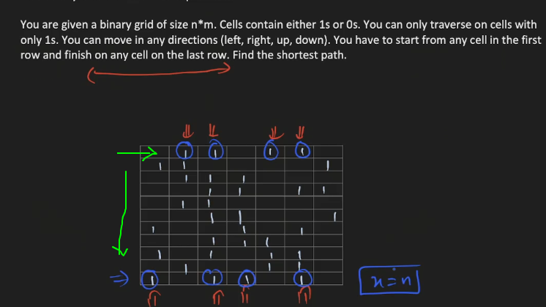

 |  |  | #include<bits/stdc++.h>

 |  |  | using namespace std;

 |  |  | int main()
 |  |  | {
 |  |  | freopen("input.txt", "r", stdin);
 |  |  | freopen("output.txt", "w", stdout);

 |  |  | int n, m;
 |  |  | cin >> n >> m;

 |  |  | int a[n][m], dist[n][m];
 |  |  | queue<pair<int, int>> Q;

 |  |  | int dx[4] = {1, -1, 0, 0};
 |  |  | int dy[4] = {0, 0, 1, -1};

 |  |  | for (int i = 0; i < n; i++) {
 |  |  | for (int j = 0; j < m; j++) {
 |  |  | cin >> a[i][j];
 |  |  | dist[i][j] = INT_MAX;
 |  |  | if (i == 0 && a[i][j]) {
 |  |  | Q.push({i, j});
 |  |  | dist[i][j] = 0;
 |  |  | }
 |  |  | }
 |  |  | }

 |  |  | while (!Q.empty()) {
 |  |  | int x = Q.front().first;
 |  |  | int y = Q.front().second;
 |  |  | Q.pop();

 |  |  | if (x == n - 1) {
 |  |  | break;
 |  |  | }

 |  |  | for (int i = 0; i < 4; i++) {
 |  |  | int xx = x + dx[i];
 |  |  | int yy = y + dy[i];

 |  |  | if (xx >= 0 && xx < n && yy >= 0 && yy < m && dist[xx][yy] == INT_MAX && a[xx][yy] == 1) {
 |  |  | Q.push({xx, yy});
 |  |  | dist[xx][yy] = dist[x][y] + 1;
 |  |  | }

 |  |  | }

 |  |  | // for (int i = 0; i < n; i++) {
 |  |  | // for (int j = 0; j < m; j++) {
 |  |  | // if (dist[i][j] == INT_MAX) cout << "#" << " ";
 |  |  | // else cout << dist[i][j] << " ";
 |  |  | // } cout << '\n';
 |  |  | // } cout << '\n';

 |  |  | }

 |  |  | for (int i = 0; i < n; i++) {
 |  |  | for (int j = 0; j < m; j++) {
 |  |  | cout << dist[i][j] << " ";
 |  |  | } cout << '\n';
 |  |  | }

 |  |  | int minimum_distance = INT_MAX;

 |  |  | for (int j = 0; j < m; j++) {
 |  |  | minimum_distance = min(minimum_distance, dist[n - 1][j]);
 |  |  | }

 |  |  | return 0;
 |  |  | }

DFSTreeBackedge
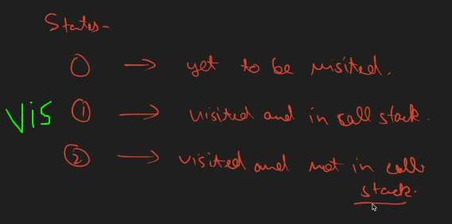
Back edge in Undirected Graph |  | Back edge in Directed Graph

 | #include<bits/stdc++.h> | #include<bits/stdc++.h>

 | using namespace std; | using namespace std;

 | const int N = 1e5 + 1; | const int N = 1e5 + 1;

 | vector<int> gr[N]; | vector<int> gr[N];
 | int vis[N]; | int vis[N];
 | bool cycle = false; | bool cycle = false;

 | void dfs(int cur, int par) { | void dfs(int cur, int par) {
 | vis[cur] = 1; | // visited and in call stack
 | for (auto x : gr[cur]) { | vis[cur] = 1;
 | if (!vis[x]) { | for (auto x : gr[cur]) {
 | dfs(x, cur); | if (vis[x] == 0) {
 | } | dfs(x, cur);
 | else if (x != par) { | }
 | cycle = true; | else if (x != par && vis[x] == 1) {
 | } | // backedge
 | } | cycle = true;
 | } | }
 |  | }
 | int main() | // visited and not in call stack
 | { | vis[cur] = 2;
 | freopen("input.txt", "r", stdin); | return;
 | freopen("output.txt", "w", stdout); | }

 | int n, m; | int main()
 | cin >> n >> m; | {
 |  | freopen("input.txt", "r", stdin);
 | for (int i = 0; i < m; i++) { | freopen("output.txt", "w", stdout);
 | int x, y;
 | cin >> x >> y; | int n, m;
 | gr[x].push_back(y); | cin >> n >> m;
 | gr[y].push_back(x);
 |  | for (int i = 0; i < m; i++) {
 | } | int x, y;
 |  | cin >> x >> y;
 | for (int i = 1; i <= n; i++) { | gr[x].push_back(y);
 | if (!vis[i]) { | gr[y].push_back(x);
 | dfs(i, 0); | }
 | }
 | } | for (int i = 1; i <= n; i++) {
 |  | if (vis[i] == 0) {
 | if (cycle) { | dfs(i, 0);
 | cout << "Yes cycle found"; | }
 | } | }
 | else {
 | cout << "Not found"; | if (cycle) {
 | } | cout << "Yes cycle found";
 |  | }
 |  | else {
 | return 0; | cout << "Not found";
 | } | }

 |  | return 0;
 |  | }

ArticulationBridges
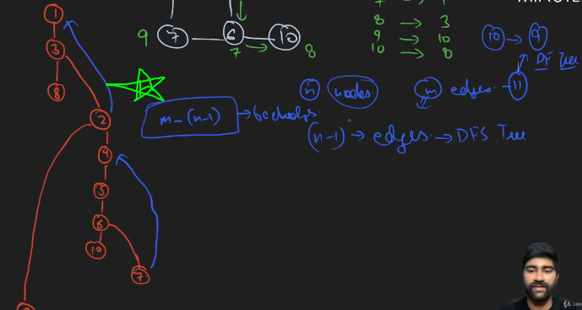
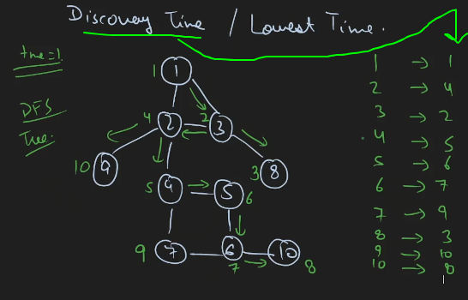

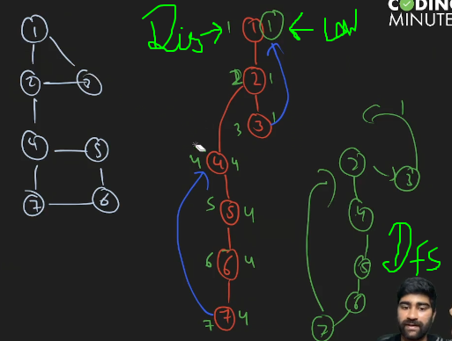
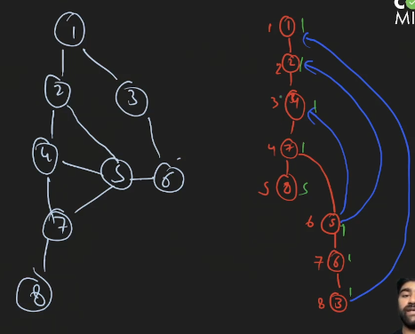

Algo to find attriculation point and Bridges |  | O(n)

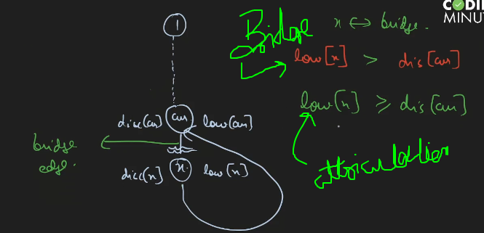

 | #include<bits/stdc++.h>

 | using namespace std;

 | const int N = 1e5;

 | vector<int> gr[N];

 | int vis[N], disc[N], low[N], tme = 1;

 | vector<pair<int, int>> bridges;
 | set<int> arti_points;

 | void dfs(int cur, int par) {
 | vis[cur] = 1;
 | disc[cur] = low[cur] = tme++;
 | int child = 0;
 | for (auto x : gr[cur]) {

 | if (!vis[x]) {
 | dfs(x, cur);
 | child++;
 | // we know low and disc of x
 | low[cur] = min(low[cur], low[x]);

 | // bridges
 | if (low[x] > disc[cur]) {
 | bridges.push_back({cur, x});
 | }

 | // articulation points
 | if (par != 0 && low[x] >= disc[cur]) {
 | arti_points.insert(cur);
 | }

 | }
 | else if (x != par) {
 | // backedge
 | low[cur] = min(low[cur], disc[x]);
 | }
 | }

 | // root is an arti or not
 | if (par == 0 && child > 1) {
 | arti_points.insert(cur);
 | }

 | return;
 | }

 | int main()
 | {
 | freopen("input.txt", "r", stdin);
 | freopen("output.txt", "w", stdout);

 | int n, m;
 | cin >> n >> m;

 | for (int i = 0; i < m; i++) {
 | int x, y;
 | cin >> x >> y;
 | gr[x].push_back(y);
 | gr[y].push_back(x);
 | }

 | dfs(1, 0);

 | for (auto x : arti_points) cout << x << '\n';

 | for (auto x : bridges) {
 | cout << x.first << " " << x.second << '\n';
 | }

 | return 0;
 | }

TopologyOrd_SCC
Only For DAG |  |  | dfsTopologyOrd(root,visited,order,par=-1){
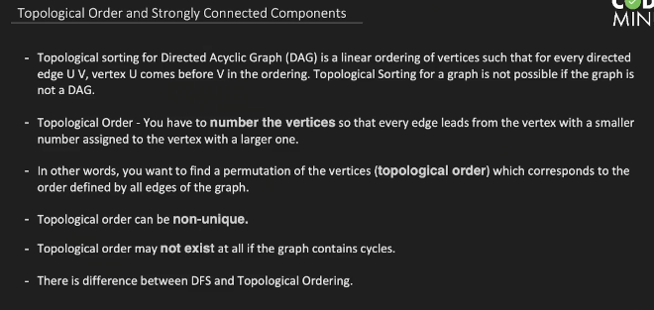
 |  |  | if(!this.directed) return (":Not For Undirected")

 |  |  | visited[root]=2
 |  |  | for(let nbr of this.adl[root]){
 |  |  | if(!visited[nbr]){
 |  |  | let ret=this.dfsTopologyOrd(nbr,visited,order,root)
 |  |  | if(!ret){visited[root]=1;return ret}
 |  |  | }
 |  |  | if(visited[nbr]==2 && par!=nbr){
 |  |  | console.log(`cycle detected: ${root}-${nbr}`)
 |  |  | visited[root]=1
 |  |  | return false
 |  |  | }
 |  |  | }


 |  |  | visited[root]=1
 |  |  | order.push(root)
 |  |  | return true

 |  |  | }

 |  |  | bfsTopology(){
 |  |  | if(!this.directed) return (":Not For Undirected")
 |  |  | const indegree={}
can be implemented using DFS but with little change( post oder then reverse all result) |  |  | const queue=[],topology=[]
 |  |  | for(let node of this.node){
 | #include<bits/stdc++.h> |  | for(let v of this.adl[node]){
 |  |  | if(indegree[v]) indegree[v]+=1
 | using namespace std; |  | else indegree[v]=1
 |  |  | }
 | const int N = 1e5 + 1; |  | }

 | vector<int> gr[N]; |  | for(let v of this.node){
 | vector<int> order; |  | if(!indegree[v]) {
 | int vis[N]; |  | queue.push(v)

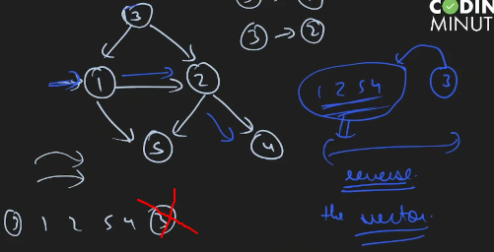
 | void dfs(int cur, int par) { |  | }
 | vis[cur] = 1; |  | }
 | for (auto x : gr[cur]) {
 | if (!vis[x]) {
 | dfs(x, cur); |  | while(queue.length){
 | } |  | const curr=queue.shift()
 | } |  | topology.push(curr)
 | // I am here because I came back from the subtree |  | for(let nbr of this.adl[curr]){
 | order.push_back(cur); |  | indegree[nbr]-=1
 | return; |  | if(indegree[nbr]==0){
 | } |  | queue.push(nbr)
 |  |  | }
 |  |  | }
 | int main()
 | { |  | }
 | freopen("input.txt", "r", stdin); |  | return topology.length==this.node.length?topology:"Cycle detected!"
 | freopen("output.txt", "w", stdout); |  | }

 | int n, m;
 | cin >> n >> m;
 | for (int i = 0; i < m; i++) {
 | int x, y;
 | cin >> x >> y;
 | gr[x].push_back(y);
 | }

 | for (int i = 1; i <= n; i++) { | need to run for all vertex bcz vertex could be only Source node
 | if (!vis[i]) dfs(i, 0);
 | }

 | reverse(order.begin(), order.end());

 | for (auto x : order) cout << x << " ";

 | return 0;
 | }

SCC

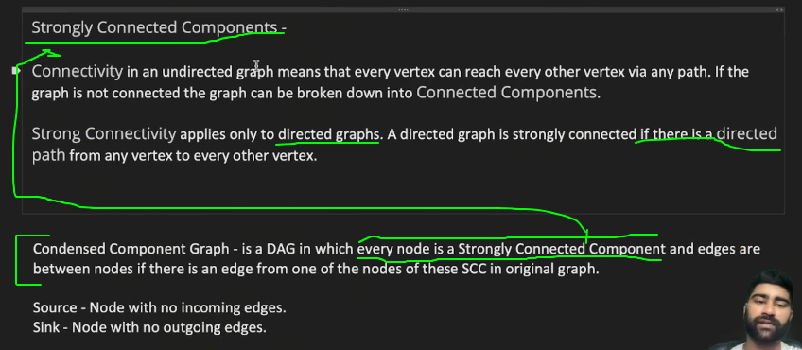

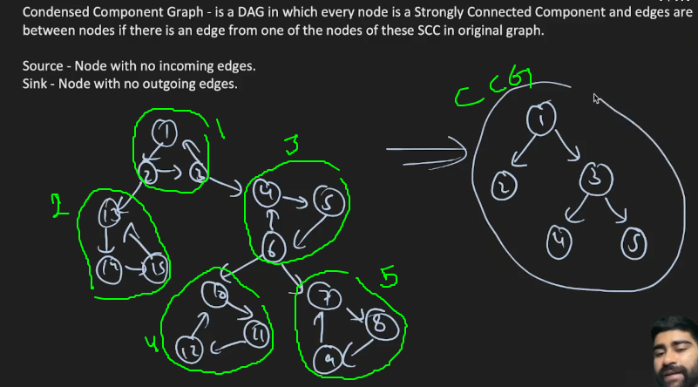
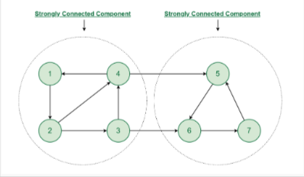

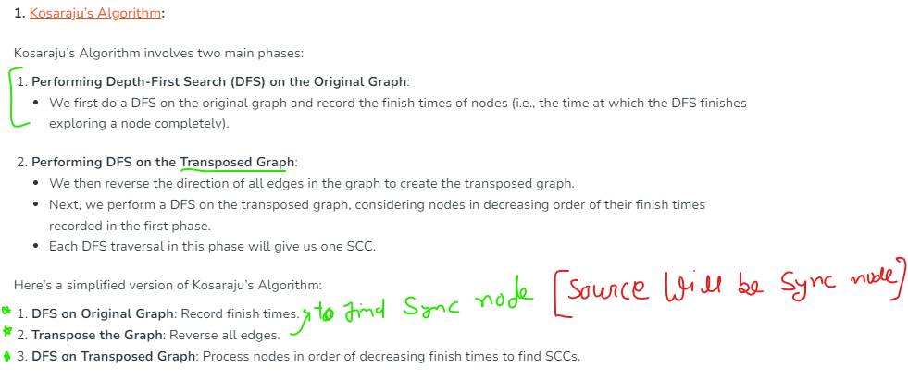

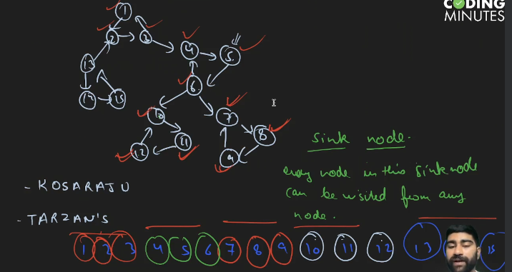

 | #include<bits/stdc++.h>

 | using namespace std;

 | const int N = 1e5;

 | vector<int> gr[N], grr[N];
 | int vis[N], col[N];
 | vector<int> order;

 | vector<int> components[N];

 | // topological sorting
 | void dfs1(int cur) {
 | vis[cur] = 1;
 | for (auto x : gr[cur]) {
 | if (!vis[x]) dfs1(x);
 | }
 | order.push_back(cur);
 | }

 | void dfs2(int cur, int comp) {
 | vis[cur] = 1;
 | col[cur] = comp;
 | components[comp].push_back(cur);
 | for (auto x : grr[cur]) {
 | if (!vis[x]) dfs2(x, comp);
 | }
 | }

 | int main()
 | {
 | freopen("input.txt", "r", stdin);
 | freopen("output.txt", "w", stdout);

 | int n, m;
 | cin >> n >> m;

 | for (int i = 0; i < m; i++) {
 | int x, y;
 | cin >> x >> y;
 | gr[x].push_back(y);
 | grr[y].push_back(x);
 | }

 | for (int i = 1; i <= n; i++) {
 | if (!vis[i]) dfs1(i);
 | }

 | reverse(order.begin(), order.end());
 | memset(vis, 0, sizeof(vis));

 | int comp = 1;
 | for (auto x : order) {
 | // cout << x << " ";
 | if (!vis[x]) dfs2(x, comp++);
 | }

 | for (int i = 1; i <= n; i++) {
 | cout << i << " " << col[i] << '\n';
 | }

 | cout << "Total strongly components are -> " << comp - 1 << '\n';

 | // complexity O(n+m)

 | return 0;
 | }

