SubSets
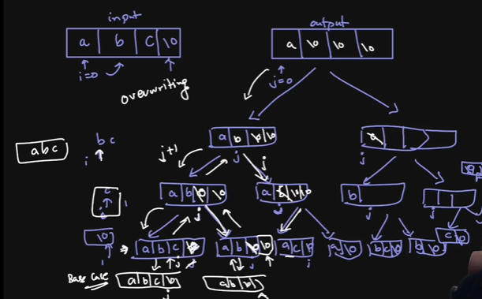
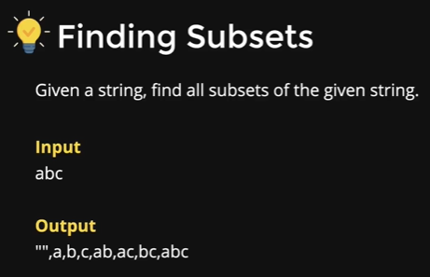

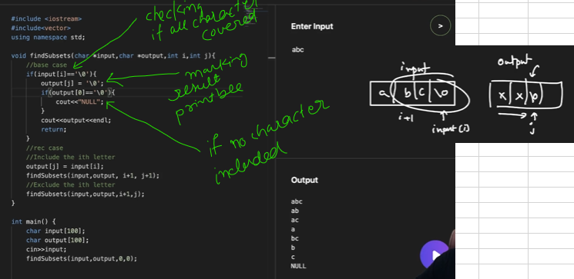

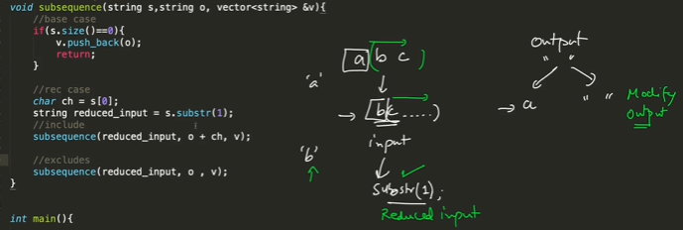

N-Queen
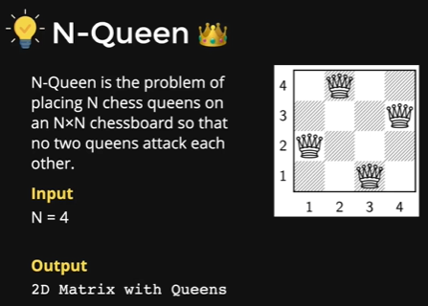
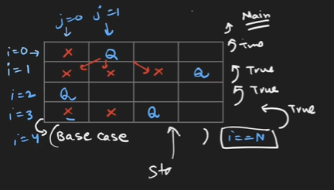

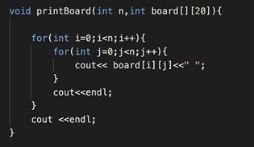
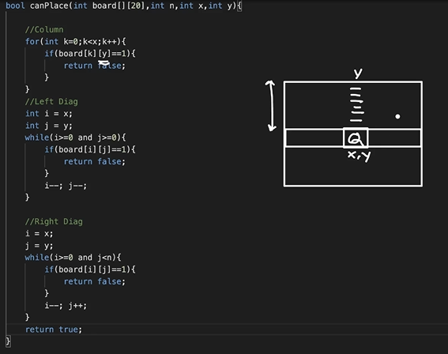

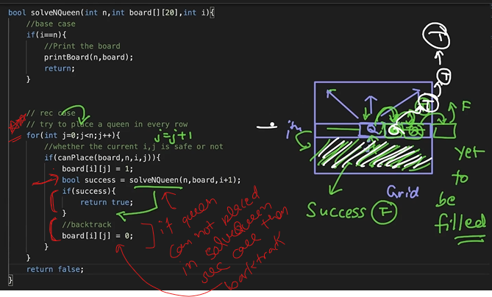

All Queen:Way
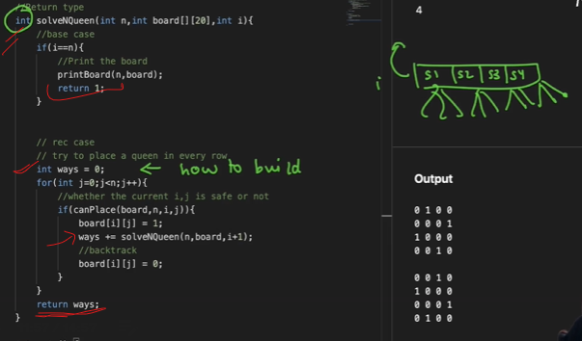
 | function printBoard(board){
 | console.log(`-------------`)
 | for(let row of board){
 | console.log(row)
 | }
 | }

 | function canPlance(board,x,y){

 | let row=board[x]

 | //row should be empty
 | for(let j=0;j<=y;j++){
 | if(row[j]===1) return false
 | }

 | //column should be empty
 | for(let i=0;i<x;i++){
 | if(board[i][y]===1) return false

 | }

 | //left diagnal
 | let i=x,j=y;
 | while(i>=0 && j>=0){
 | if(board[i][j]===1) return false;
 | i--;
 | j--;
 | }

 | //right diagnal
 | i=x,j=y;
 | while(i>=0 && j<cols){
 | if(board[i][j]===1) return false;
 | i--;
 | j++;
 | }

 | return true

 | }

 | function solve(row){
 | if(row>=rows){
 | printBoard(board)
 | return 1
 | }
 | let cnt=0
 | for(let col=0;col<cols;col++){
 | if(canPlance(board,row,col)){
 | board[row][col]=1
 | cnt +=solve(row+1)
 | // if(sucess) return true
 | board[row][col]=0
 | }
 | }
 | return cnt

 | }

 | let rows=5,cols=5
 | let board=Array(rows).fill(0).map(()=>Array(cols).fill(0))
 | console.log(solve(0))

