sortedArray
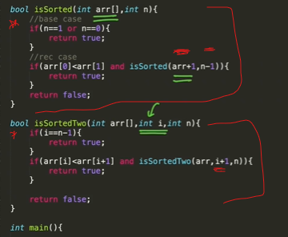

SubsetSum
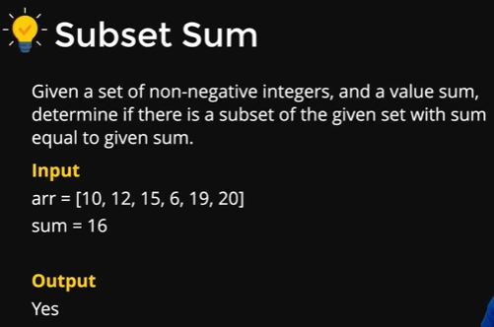
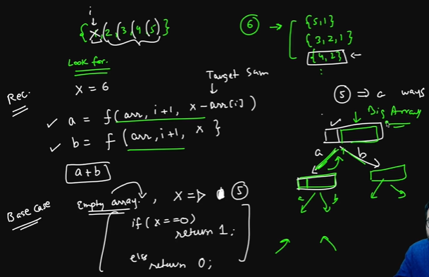

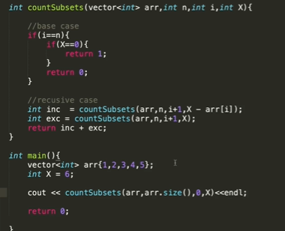

braceket
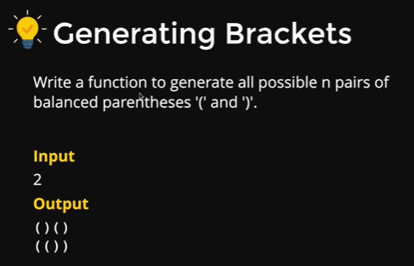
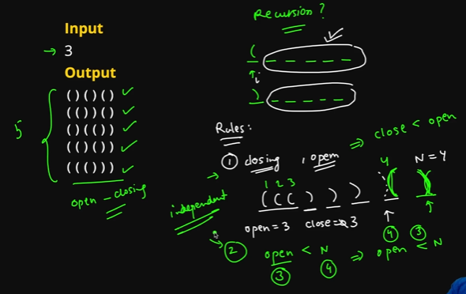

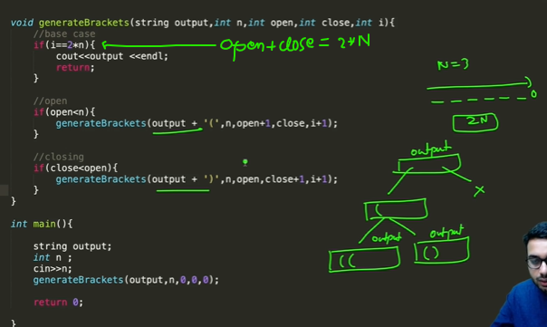
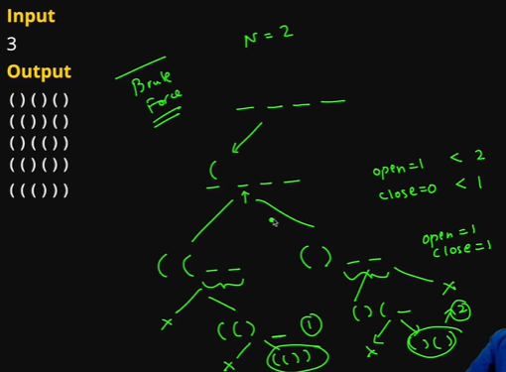

function isValid(i,stk){
if(i==l){ return stk.length?false:true}

let curr=str.charAt(i)
if(['{','[','('].includes(curr)){
stk.push(curr)
}else if(['}',']',')'].includes(curr)){
if(mp[stk.pop()]!=curr)
return false
}
return isValid(i+1,stk)
}

function isValid2(){
let st=[]

for(let curr of str){
if(['{','[','('].includes(curr)){
st.push(curr)
}else if(['}',']',')'].includes(curr)){
if(mp[st.pop()]!=curr)
return false
}
}

return st.length?false:true
}

const str='{}a[(c)r]'
const mp={
'{':'}','[':']','(':')'
}
const l=str.length

console.log(isValid(0,[]))
console.log(isValid2())

function generate(output,i,open,close){
// console.log(output,i,open,close)
if(close==open && i<=0){
par.push(output)
return
}

if(i>0) generate(output+'(',i-1,open+1,close)
if(open>close) generate(output+')',i,open,close+1)

return
}

function generate2(output,n,i,open,close){
// console.log(output,i,open,close)
if(i==2*n){
par.push(output)
return
}

if(open<n) generate2(output+'(',n,i+1,open+1,close)
if(open>close) generate2(output+')',n,i+1,open,close+1)

return
}

let par=[]
generate('',3,0,0)
console.log(par)
par=[]
generate2('',3,0,0,0)
console.log(par)

keyPad
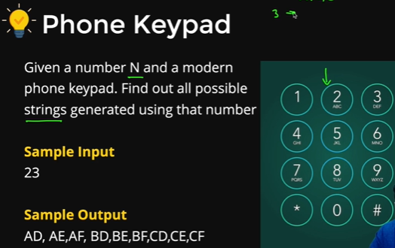
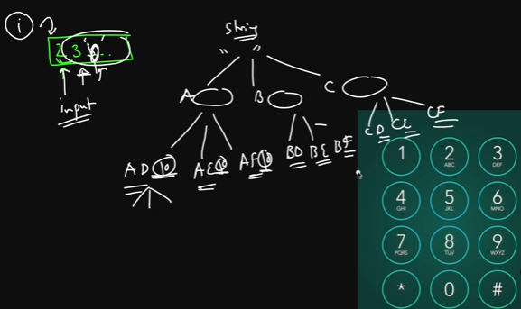

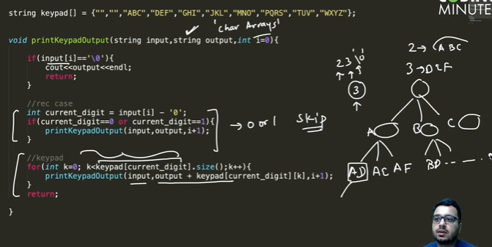

permutation
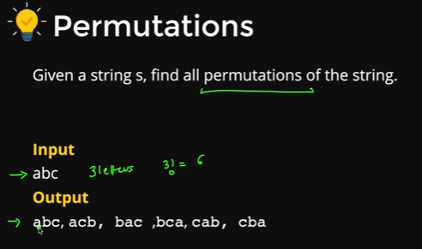
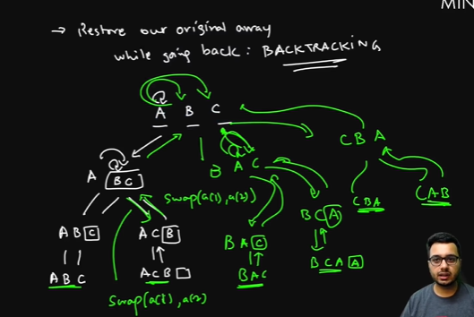

#include<bits/stdc++.h> | function swap(str,s_char,d_char){
using namespace std; | str=str.replace(s_char,'#')
vector<string> v; | str=str.replace(d_char,s_char)
 | str=str.replace('#',d_char)
void find_Permutations(char *inp, int i){ | return str
if(inp[i]=='\0'){ | }
string str(inp);
v.push_back(str); | function permutation(i){
return; | if(i==l){
} | per.push(str)
for(int j=i; inp[j]!=0; j++){ | }
swap(inp[i],inp[j]);
find_Permutations(inp,i+1); | for(let k=i;k<l;k++){
swap(inp[i],inp[j]); | let s_char=str.charAt(i)
} | let d_char=str.charAt(k)

} | str=swap(str,s_char,d_char)
 | permutation(i+1)
vector<string> findSortedPermutations(string s){
v.clear(); | str=swap(str,d_char,s_char)
int n=s.length(); | }
char inp[n+1]; | }
for(int i=0; i<n; i++){
inp[i]=s[i]; | let per=[],str='abc'
} | const l=str.length
inp[n]='\0'; | permutation(0)
find_Permutations(inp,0); | console.log(per)
set<string> st;
for(int i=0; i<v.size(); i++){
st.insert(v[i]);
}
v.clear();
for(auto x:st){
v.push_back(x);
}
return v;
}

N-Que
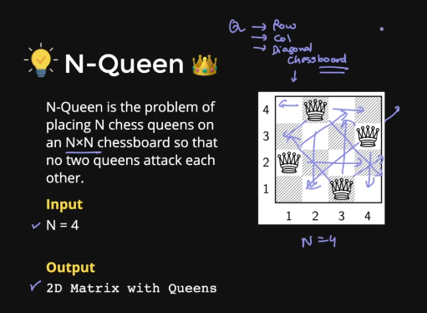

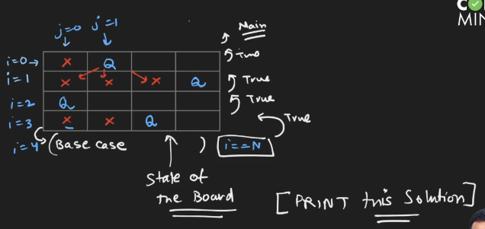
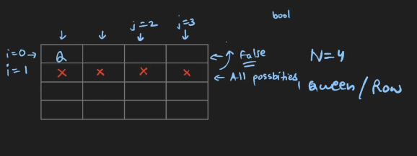

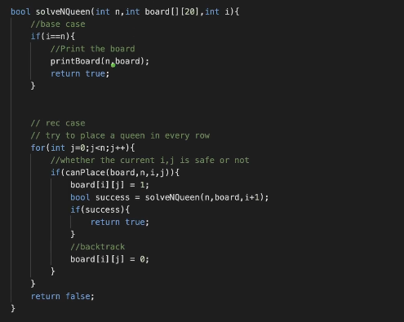
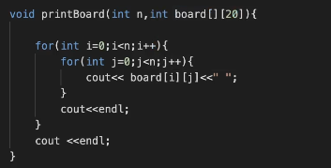
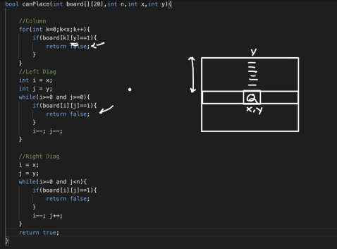

function printBoard(board){
console.log(`---------printing---------`)
for(let row of board){
console.log(row)
}
}

function canPlace(row,col){
let ans=true

//check col
let r=row
let c=col
while(--r>=0){
// console.log(r,c)
ans &= board[r][c]!=1
}

r=row
c=col
while(--r>=0 && --c>=0){
ans &= board[r][c]!=1
}

r=row
c=col
while(--r>=0 && ++c<sz){
ans &= board[r][c]!=1
}

return ans
}

function solve(r){
if(r==sz){
printBoard(board)
return true
}

for(let c=0;c<sz;c++){
board[r][c]=1
let success=canPlace(r,c)
if(success && solve(r+1)) return true
board[r][c]=0
}

return false

}

function solveAll(r){
if(r==sz){
printBoard(board)
return true
}
let ans=false
// console.log(r,ans)
for(let c=0;c<sz;c++){

board[r][c]=1
let success=canPlace(r,c)
if(success ) ans |= solveAll(r+1)
board[r][c]=0
}
// console.log(r,ans)
return ans?true:false

}

const sz=4
let board=Array(sz).fill(0).map(()=>new Array(sz).fill(0))
printBoard(board)

// console.log(solve(0))
console.log(solveAll(0))

