Intro
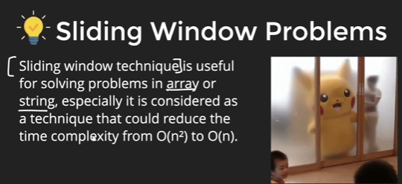

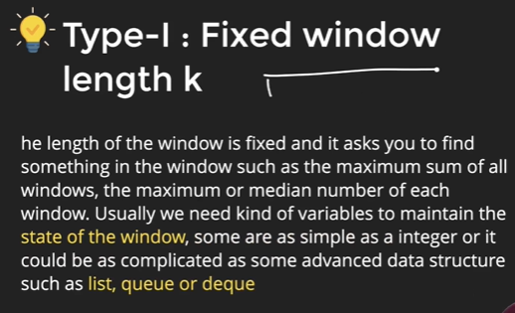
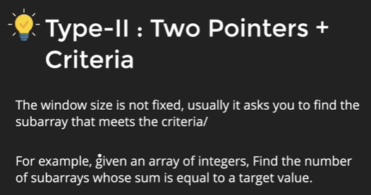

Prob1
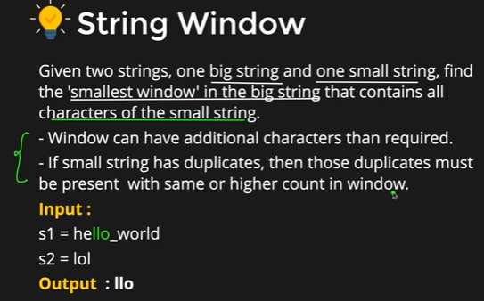
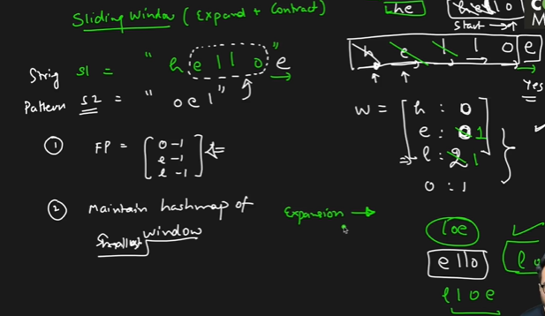
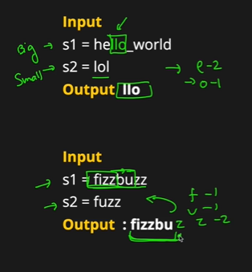
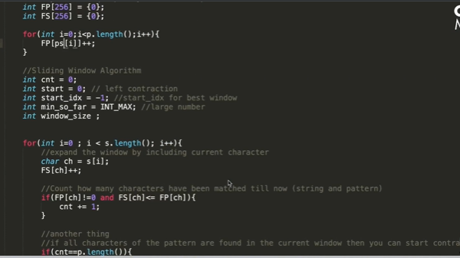
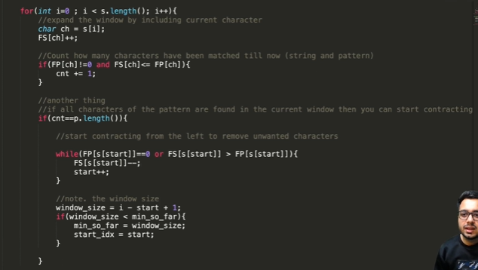
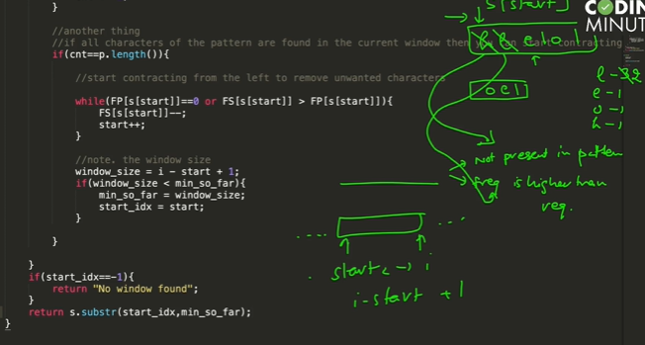
Housing
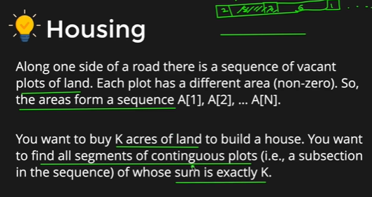
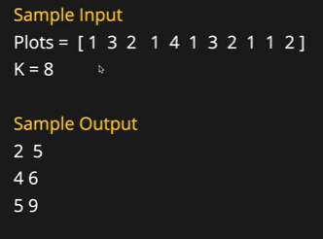
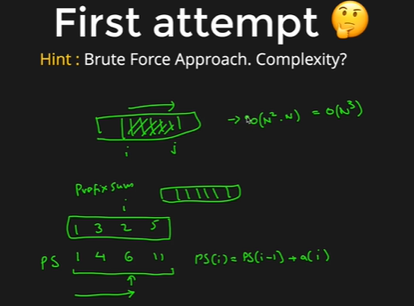

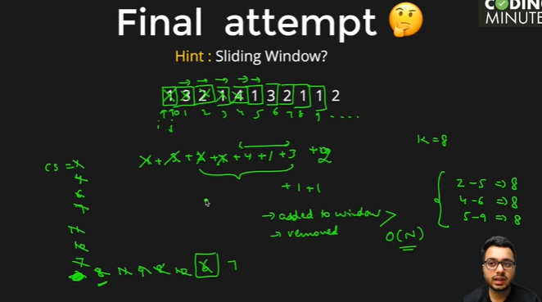
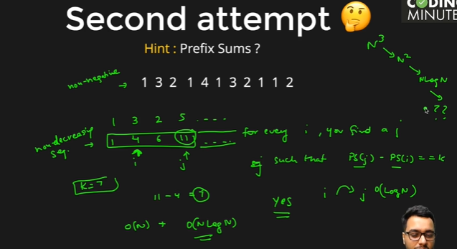

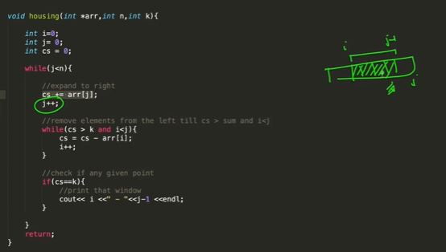

unique substring
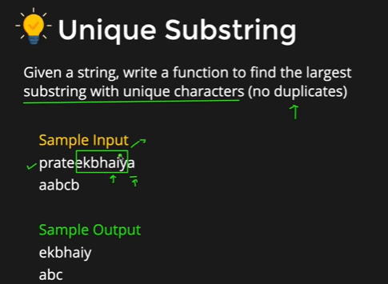
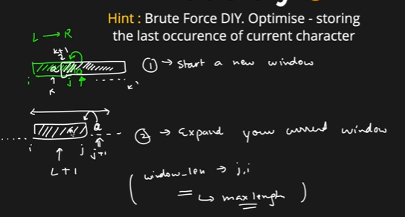

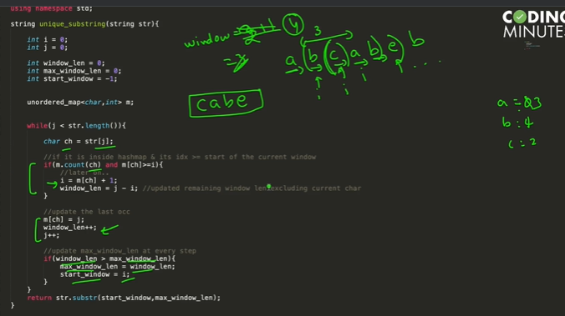

String Window

Pro2
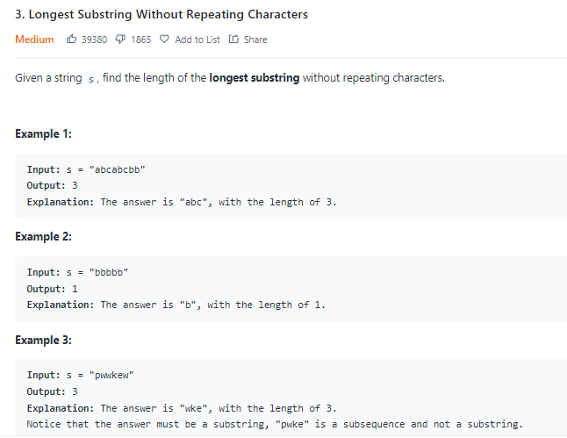

 |  | Sliding Window(O(n)
 | var lengthOfLongestSubstring = function(s) {
recursive(2^N) | let unset=new Set()
 | const l=s.length
var lengthOfLongestSubstring = function(s) { | let left=0
let dp=new Map()
const l=s.length | function LSG(){

function LSG(idx,count,ls){ | let maxCount=0
// console.log(idx,count)
if(idx>=l) return count | for(let right=0;right<l;right++){
if(dp.has(idx+"-"+count)) return dp.get(idx+"-"+count)
 | while(unset.has(s[right])){
let maxCount=0 | unset.delete(s[left])
if(!ls.has(s[idx])){ | left +=1
// console.log(ls,count,maxCount,Math.max(maxCount,count)) | }
ls.add(s[idx])
maxCount=LSG(idx+1,count+1,ls) | unset.add(s[right])
}else { | maxCount=Math.max(maxCount,right-left+1)
dp.set(idx+"-"+count,count)
return count | }
}
 | return maxCount
maxCount=Math.max(maxCount,LSG(idx+1,0,new Set())) | }

dp.set(idx+"-"+count,maxCount) | return LSG()
return maxCount
}
 | };
return LSG(0,0,new Set())

};

