mergeSort
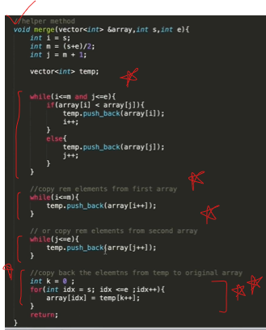
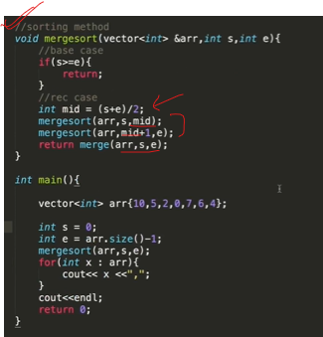
import math

ar= [64, 25, 12, 22, 11]

def merge(arr1,arr2):
i,j=0,0
result=[]
while i<len(arr1) and j<len(arr2):

if arr1[i]<=arr2[j]:
result.append(arr1[i])
i+=1
else:
result.append(arr2[j])
j+=1

while i<len(arr1):
result.append(arr1[i])
i+=1

while j<len(arr2):
result.append(arr2[j])
j+=1
return result

def mergeSort(arr):
if len(arr)<=1: return arr
mid=math.floor(len(arr)/2)
return merge(mergeSort(arr[:mid]),mergeSort(arr[mid:]))

print('before sort',ar)
ar=mergeSort(ar)
print('after sort',ar)

quickSort
def partition2(s,e):
p=arr[s]
k=s
for i in range(s+1,e+1):
if arr[i]<p:
k+=1
arr[k],arr[i]=arr[i],arr[k]
arr[k],arr[s]=arr[s],arr[k]
return k

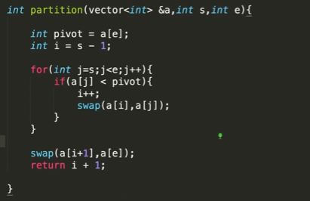
def partition3(i,j):
p=i
k=i
while k<=j:
if arr[p]>arr[k]:
arr[p],arr[k]=arr[k],arr[p]
p,k=p,k
else:
k+=1

return p

def quickSort(i,j):
if i>=j: return
p=partition(i,j)
# print(arr,arr[i:p],arr[p],arr[p+1:j+1])
quickSort(i,p-1)
quickSort(p+1,j)

print('before sort',arr)
quickSort(0,len(arr)-1)
print('after sort',arr)

