client-stream
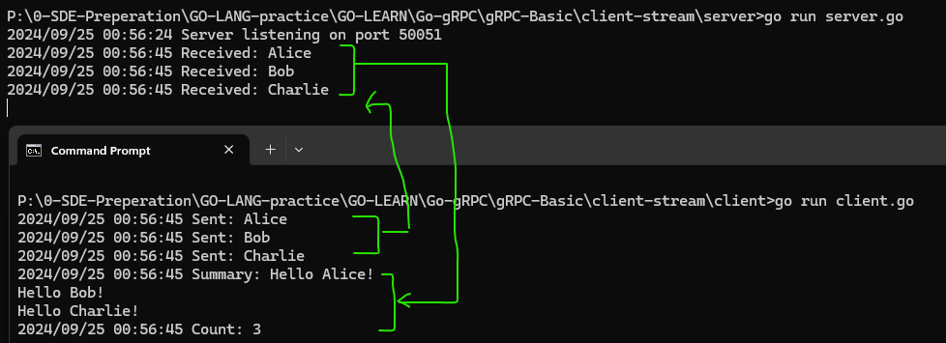
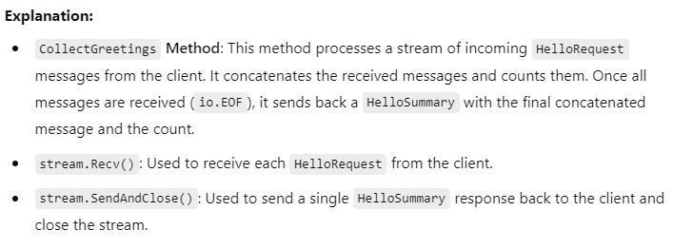
syntax = "proto3"; | server.go
 |  | package main
package proto;
 |  | import (
option go_package="./proto"; |  | "io"
 |  | "log"
// Define the service |  | "net"
service Greeter {
// Client-side streaming method |  | pb "client-stream/proto"
rpc CollectGreetings (stream HelloRequest) returns (HelloSummary) {}
} |  | "google.golang.org/grpc"
 |  | "google.golang.org/grpc/reflection"
// Define the message for request |  | )
message HelloRequest {
string name = 1; |  | // Server struct implementing the GreeterServer interface
} |  | type server struct {
 |  | pb.UnimplementedGreeterServer
// Define the message for response |  | }
message HelloSummary {
string message = 1; |  | // CollectGreetings implements the client-side streaming method
int32 count = 2; |  | func (s *server) CollectGreetings(stream pb.Greeter_CollectGreetingsServer) error {
} |  | var count int32
 |  | var message string
client.go
package main |  | for {
 |  | req, err := stream.Recv()
import ( |  | if err == io.EOF {
"context" |  | // All messages have been received
"log" |  | return stream.SendAndClose(&pb.HelloSummary{
"time" |  | Message: message,
 |  | Count: count,
pb "client-stream/proto" |  | })
 |  | }
"google.golang.org/grpc" |  | if err != nil {
) |  | return err
 |  | }
func main() { |  | log.Printf("Received: %v", req.GetName())
conn, err := grpc.Dial("localhost:50051", grpc.WithInsecure(), grpc.WithBlock()) |  | message += "Hello " + req.GetName() + "!\n"
if err != nil { |  | count++
log.Fatalf("did not connect: %v", err) |  | }
} |  | }
defer conn.Close()
 |  | func main() {
client := pb.NewGreeterClient(conn) |  | lis, err := net.Listen("tcp", ":50051")
 |  | if err != nil {
ctx, cancel := context.WithTimeout(context.Background(), 10*time.Second) |  | log.Fatalf("failed to listen: %v", err)
defer cancel() |  | }

// Initiate the CollectGreetings RPC |  | grpcServer := grpc.NewServer()
stream, err := client.CollectGreetings(ctx) |  | pb.RegisterGreeterServer(grpcServer, &server{})
if err != nil {
log.Fatalf("could not greet: %v", err) |  | // Enable reflection for debugging
} |  | reflection.Register(grpcServer)

// Send a series of requests |  | log.Printf("Server listening on port 50051")
names := []string{"Alice", "Bob", "Charlie"} |  | if err := grpcServer.Serve(lis); err != nil {
for _, name := range names { |  | log.Fatalf("failed to serve: %v", err)
if err := stream.Send(&pb.HelloRequest{Name: name}); err != nil { |  | }
log.Fatalf("failed to send: %v", err) |  | }
}
log.Printf("Sent: %v", name)
}

// Close the stream and receive the summary
summary, err := stream.CloseAndRecv()
if err != nil {
log.Fatalf("failed to receive summary: %v", err)
}
log.Printf("Summary: %s", summary.GetMessage())
log.Printf("Count: %d", summary.GetCount())
}

bi-stream
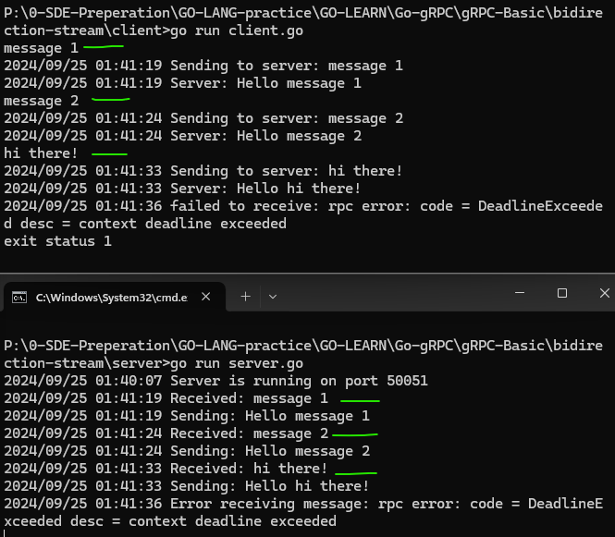
syntax = "proto3";

package proto;

option go_package="./proto";

// Define the service
service Greeter {
// Bidirectional streaming method
rpc Chat (stream HelloRequest) returns (stream HelloReply) {}
}

// Define the message for request and response
message HelloRequest {
string name = 1;
}

message HelloReply {
string message = 1;
}

server.go
package main

import (
"io"
"log"
"net"

pb "bidirection-stream/proto"

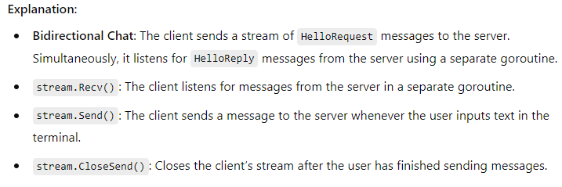
"google.golang.org/grpc"
"google.golang.org/grpc/reflection"
)

// Server struct implementing the GreeterServer interface
type server struct {
pb.UnimplementedGreeterServer | client.go
} | package main

// Chat implements the bidirectional streaming method | import (
func (s *server) Chat(stream pb.Greeter_ChatServer) error { | "bufio"
for { | "context"
// Receive message from the client | "log"
req, err := stream.Recv() | "os"
if err == io.EOF { | "time"
// Client has closed the stream
log.Println("Client has closed the stream.") | pb "bidirection-stream/proto"
return nil
} | "google.golang.org/grpc"
if err != nil { | )
log.Printf("Error receiving message: %v", err)
return err | func main() {
} | // Connect to the gRPC server
 | conn, err := grpc.Dial("localhost:50051", grpc.WithInsecure(), grpc.WithBlock())
log.Printf("Received: %v", req.GetName()) | if err != nil {
 | log.Fatalf("did not connect: %v", err)
// Simulate some delay (remove this if not required) | }
// time.Sleep(2 * time.Second) | defer conn.Close()

// Send a reply to the client | client := pb.NewGreeterClient(conn)
reply := &pb.HelloReply{
Message: "Hello " + req.GetName(), | // Create a context with a longer timeout
} | ctx, cancel := context.WithTimeout(context.Background(), 20*time.Second)
log.Printf("Sending: %v", reply.GetMessage()) | defer cancel()

if err := stream.Send(reply); err != nil { | // Initiate the Chat RPC
log.Printf("Error sending message: %v", err) | stream, err := client.Chat(ctx)
return err | if err != nil {
} | log.Fatalf("could not start chat: %v", err)
} | }
}
 | // Start a goroutine to receive messages from the server
func main() { | go func() {
// Create a TCP listener on port 50051 | for {
lis, err := net.Listen("tcp", ":50051") | reply, err := stream.Recv()
if err != nil { | if err != nil {
log.Fatalf("failed to listen: %v", err) | log.Fatalf("failed to receive: %v", err)
} | }
 | log.Printf("Server: %s", reply.GetMessage())
// Create a new gRPC server | }
grpcServer := grpc.NewServer() | }()
pb.RegisterGreeterServer(grpcServer, &server{})
 | // Read input from the user and send it to the server
// Enable server reflection | scanner := bufio.NewScanner(os.Stdin)
reflection.Register(grpcServer) | for scanner.Scan() {
 | message := scanner.Text()
log.Println("Server is running on port 50051") | log.Printf("Sending to server: %s", message) // Log the message being sent
if err := grpcServer.Serve(lis); err != nil { | if err := stream.Send(&pb.HelloRequest{Name: message}); err != nil {
log.Fatalf("failed to serve: %v", err) | log.Fatalf("failed to send: %v", err)
} | }
} | }

 | // Close the stream after user stops sending messages
 | if err := stream.CloseSend(); err != nil {
 | log.Fatalf("failed to close stream: %v", err)
 | }
 | }

