recover_logger
package main

import (
"github.com/gofiber/fiber/v2"
"github.com/gofiber/fiber/v2/middleware/logger"
"github.com/gofiber/fiber/v2/middleware/recover"
)
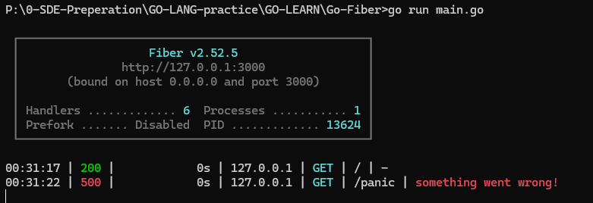
func main() {
app := fiber.New()

// Use Logger middleware
app.Use(logger.New())

// Use Recover middleware
app.Use(recover.New())

// Define routes
app.Get("/", func(c *fiber.Ctx) error {
return c.SendString("Hello, World!")
})

app.Get("/panic", func(c *fiber.Ctx) error {
panic("something went wrong!")
})

app.Listen(":3000")
}

package main | 1. Middleware for Modifying the Response After Endpoint Processing

import ( | // Middleware to append text to the response
"github.com/gofiber/fiber/v2" | func appendFooterMiddleware(c *fiber.Ctx) error {
"github.com/gofiber/fiber/v2/middleware/logger" | // Continue to the next handler
"github.com/gofiber/fiber/v2/middleware/recover" | err := c.Next()
)
 | // Append footer to the response body
// Custom middleware to add a header | if err == nil {
func customHeaderMiddleware(c *fiber.Ctx) error { | c.Response().AppendBody([]byte("\n---\nFooter: Powered by Go-Fiber"))
c.Set("X-Custom-Header", "Go-Fiber") | }
return c.Next() // Calls the next handler in the stack
} | return err
 | }
func main() {
app := fiber.New() | 2. Middleware for Logging After Endpoint Processing

// Use Logger middleware | // Middleware to log response status and size after processing
app.Use(logger.New()) | func responseLogMiddleware(c *fiber.Ctx) error {
 | // Continue to the next handler
// Use Recover middleware | err := c.Next()
app.Use(recover.New())
 | // Log response details after the handler has executed
// Use custom middleware | log.Printf("Status: %d | Response Size: %d bytes\n",
app.Use(customHeaderMiddleware) | c.Response().StatusCode(),
 | len(c.Response().Body()),
// Define routes | )
app.Get("/", func(c *fiber.Ctx) error {
return c.SendString("Hello, World!") | return err
}) | }

app.Listen(":3000")
}

