client-stream
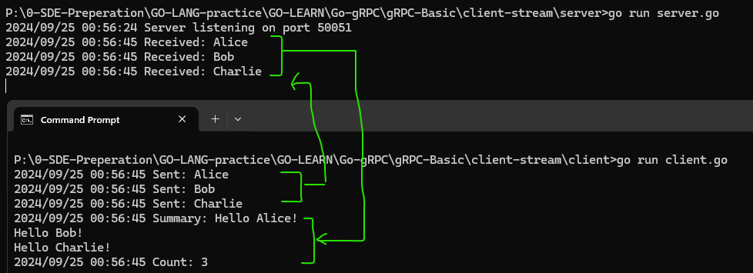
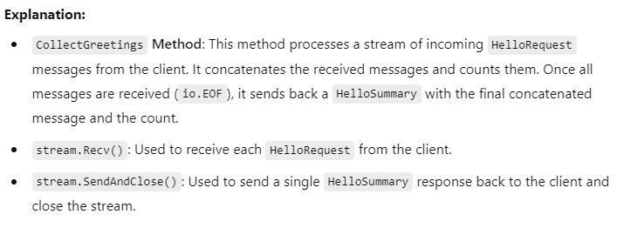
syntax = "proto3"; | server.go
 |  | package main
package proto;
 |  | import (
option go_package="./proto"; |  | "io"
 |  | "log"
// Define the service |  | "net"
service Greeter {
// Client-side streaming method |  | pb "client-stream/proto"
rpc CollectGreetings (stream HelloRequest) returns (HelloSummary) {}
} |  | "google.golang.org/grpc"
 |  | "google.golang.org/grpc/reflection"
// Define the message for request |  | )
message HelloRequest {
string name = 1; |  | // Server struct implementing the GreeterServer interface
} |  | type server struct {
 |  | pb.UnimplementedGreeterServer
// Define the message for response |  | }
message HelloSummary {
string message = 1; |  | // CollectGreetings implements the client-side streaming method
int32 count = 2; |  | func (s *server) CollectGreetings(stream pb.Greeter_CollectGreetingsServer) error {
} |  | var count int32
 |  | var message string
client.go
package main |  | for {
 |  | req, err := stream.Recv()
import ( |  | if err == io.EOF {
"context" |  | // All messages have been received
"log" |  | return stream.SendAndClose(&pb.HelloSummary{
"time" |  | Message: message,
 |  | Count: count,
pb "client-stream/proto" |  | })
 |  | }
"google.golang.org/grpc" |  | if err != nil {
) |  | return err
 |  | }
func main() { |  | log.Printf("Received: %v", req.GetName())
conn, err := grpc.Dial("localhost:50051", grpc.WithInsecure(), grpc.WithBlock()) |  | message += "Hello " + req.GetName() + "!\n"
if err != nil { |  | count++
log.Fatalf("did not connect: %v", err) |  | }
} |  | }
defer conn.Close()
 |  | func main() {
client := pb.NewGreeterClient(conn) |  | lis, err := net.Listen("tcp", ":50051")
 |  | if err != nil {
ctx, cancel := context.WithTimeout(context.Background(), 10*time.Second) |  | log.Fatalf("failed to listen: %v", err)
defer cancel() |  | }

// Initiate the CollectGreetings RPC |  | grpcServer := grpc.NewServer()
stream, err := client.CollectGreetings(ctx) |  | pb.RegisterGreeterServer(grpcServer, &server{})
if err != nil {
log.Fatalf("could not greet: %v", err) |  | // Enable reflection for debugging
} |  | reflection.Register(grpcServer)

// Send a series of requests |  | log.Printf("Server listening on port 50051")
names := []string{"Alice", "Bob", "Charlie"} |  | if err := grpcServer.Serve(lis); err != nil {
for _, name := range names { |  | log.Fatalf("failed to serve: %v", err)
if err := stream.Send(&pb.HelloRequest{Name: name}); err != nil { |  | }
log.Fatalf("failed to send: %v", err) |  | }
}
log.Printf("Sent: %v", name)
}

// Close the stream and receive the summary
summary, err := stream.CloseAndRecv()
if err != nil {
log.Fatalf("failed to receive summary: %v", err)
}
log.Printf("Summary: %s", summary.GetMessage())
log.Printf("Count: %d", summary.GetCount())
}

bi-stream
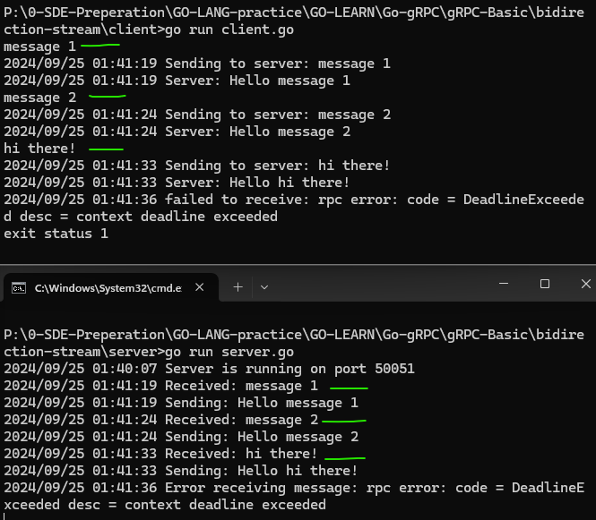
syntax = "proto3";

package proto;

option go_package="./proto";

// Define the service
service Greeter {
// Bidirectional streaming method
rpc Chat (stream HelloRequest) returns (stream HelloReply) {}
}

// Define the message for request and response
message HelloRequest {
string name = 1;
}

message HelloReply {
string message = 1;
}

server.go
package main

import (
"io"
"log"
"net"

pb "bidirection-stream/proto"

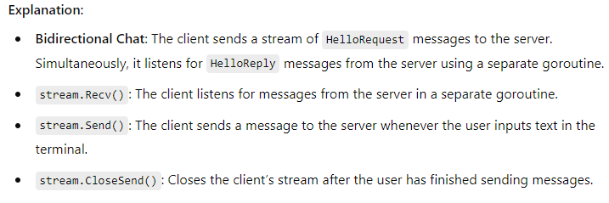
"google.golang.org/grpc"
"google.golang.org/grpc/reflection"
)

// Server struct implementing the GreeterServer interface
type server struct {
pb.UnimplementedGreeterServer | client.go
} | package main

// Chat implements the bidirectional streaming method | import (
func (s *server) Chat(stream pb.Greeter_ChatServer) error { | "bufio"
for { | "context"
// Receive message from the client | "log"
req, err := stream.Recv() | "os"
if err == io.EOF { | "time"
// Client has closed the stream
log.Println("Client has closed the stream.") | pb "bidirection-stream/proto"
return nil
} | "google.golang.org/grpc"
if err != nil { | )
log.Printf("Error receiving message: %v", err)
return err | func main() {
} | // Connect to the gRPC server
 | conn, err := grpc.Dial("localhost:50051", grpc.WithInsecure(), grpc.WithBlock())
log.Printf("Received: %v", req.GetName()) | if err != nil {
 | log.Fatalf("did not connect: %v", err)
// Simulate some delay (remove this if not required) | }
// time.Sleep(2 * time.Second) | defer conn.Close()

// Send a reply to the client | client := pb.NewGreeterClient(conn)
reply := &pb.HelloReply{
Message: "Hello " + req.GetName(), | // Create a context with a longer timeout
} | ctx, cancel := context.WithTimeout(context.Background(), 20*time.Second)
log.Printf("Sending: %v", reply.GetMessage()) | defer cancel()

if err := stream.Send(reply); err != nil { | // Initiate the Chat RPC
log.Printf("Error sending message: %v", err) | stream, err := client.Chat(ctx)
return err | if err != nil {
} | log.Fatalf("could not start chat: %v", err)
} | }
}
 | // Start a goroutine to receive messages from the server
func main() { | go func() {
// Create a TCP listener on port 50051 | for {
lis, err := net.Listen("tcp", ":50051") | reply, err := stream.Recv()
if err != nil { | if err != nil {
log.Fatalf("failed to listen: %v", err) | log.Fatalf("failed to receive: %v", err)
} | }
 | log.Printf("Server: %s", reply.GetMessage())
// Create a new gRPC server | }
grpcServer := grpc.NewServer() | }()
pb.RegisterGreeterServer(grpcServer, &server{})
 | // Read input from the user and send it to the server
// Enable server reflection | scanner := bufio.NewScanner(os.Stdin)
reflection.Register(grpcServer) | for scanner.Scan() {
 | message := scanner.Text()
log.Println("Server is running on port 50051") | log.Printf("Sending to server: %s", message) // Log the message being sent
if err := grpcServer.Serve(lis); err != nil { | if err := stream.Send(&pb.HelloRequest{Name: message}); err != nil {
log.Fatalf("failed to serve: %v", err) | log.Fatalf("failed to send: %v", err)
} | }
} | }

 | // Close the stream after user stops sending messages
 | if err := stream.CloseSend(); err != nil {
 | log.Fatalf("failed to close stream: %v", err)
 | }
 | }

Error Handling
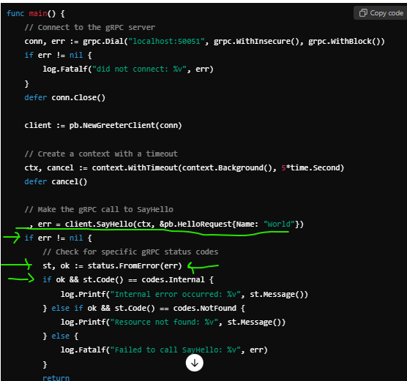
OK (0): | The operation completed successfully.

Canceled (1): | The operation was canceled (typically by the caller).

Unknown (2): | Unknown error; this is typically returned when an error status is received from another service.

InvalidArgument (3): | The client specified an invalid argument.

DeadlineExceeded (4): | The deadline expired before the operation could complete.

NotFound (5): | Some requested entity (e.g., a file or directory) was not found.

AlreadyExists (6): | The entity being created already exists.

PermissionDenied (7): | The caller does not have permission to execute the specified operation.

ResourceExhausted (8): | Some resource has been exhausted, perhaps a per-user quota or file system space.

FailedPrecondition (9): | The operation was rejected because the system is not in a state required for the operation’s execution.

Aborted (10): | The operation was aborted, typically due to a concurrency issue.

OutOfRange (11): | The operation was attempted past the valid range.

Unimplemented (12): | The operation is not implemented or is not supported.

Internal (13): | Internal errors that indicate some serious problem in the system.

Unavailable (14): | The service is currently unavailable.

DataLoss (15): | Unrecoverable data loss or corruption.

Unauthenticated (16): | The request does not have valid authentication credentials.

1 Using status and codes Packages
The status and codes packages in Go provide utilities for handling and creating gRPC errors. The status package allows you to create errors with specific codes, and the codes package provides predefined error codes.

1.2.2 Creating a gRPC Error
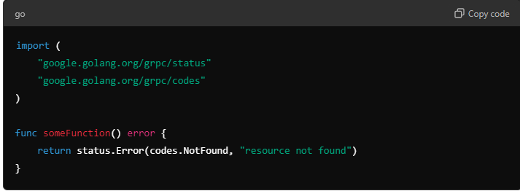

1.3 Handling Errors in gRPC Server
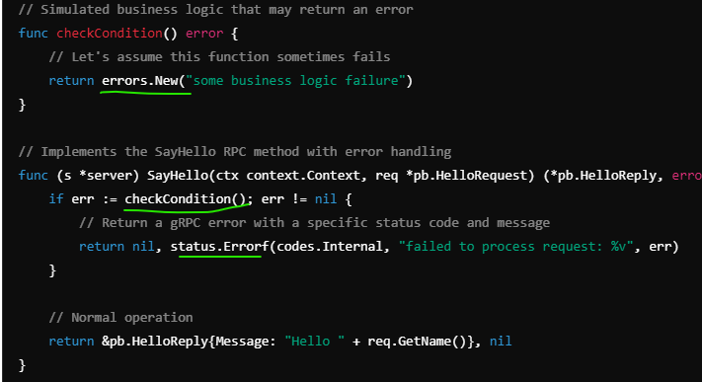

1.4 Handling Errors in gRPC Client

Interceptors
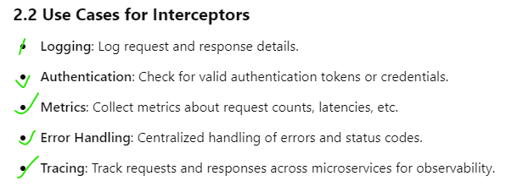

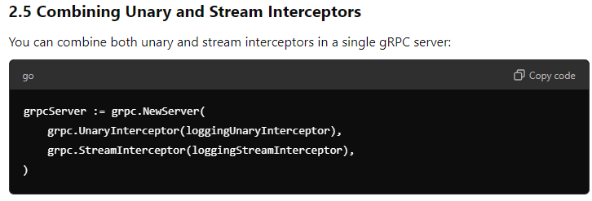

Logging Unary Interceptor |  | server.go
 | package main

 | import (
 | "context"
 | "fmt"
 | "log"
 | "net"
 | "time"

 | pb "grpc-example/proto" // Import the generated proto package

 | "google.golang.org/grpc"
 | )

 | const (
 | port = ":50051"
 | )

 | // Unary interceptor for logging and timing
 | func loggingUnaryInterceptor(
 | ctx context.Context,
 | req interface{},
 | info *grpc.UnaryServerInfo,
 | handler grpc.UnaryHandler,
 | ) (interface{}, error) {
 | // Log the details of the incoming request
 | fmt.Printf("Request - Method: %s; %v", info.FullMethod, req)

 | // Record the start time
 | start := time.Now()

 | // Call the handler to process the request
 | resp, err := handler(ctx, req)

 | // Log the details of the response and execution time
 | fmt.Printf("Response - Method: %s; Duration: %s; Error: %v", info.FullMethod, time.Since(start), err)

 | return resp, err
 | }

 | // server is used to implement proto.GreeterServer.
 | type server struct {
 | pb.UnimplementedGreeterServer
 | }

 | // SayHello implements proto.GreeterServer
 | func (s *server) SayHello(ctx context.Context, in *pb.HelloRequest) (*pb.HelloReply, error) {
 | log.Printf("Received: %v", in.GetName())
 | return &pb.HelloReply{Message: "Hello " + in.GetName()}, nil
 | }

 | func main() {
 | lis, err := net.Listen("tcp", port)
 | if err != nil {
 | log.Fatalf("failed to listen: %v", err)
 | }
 | s := grpc.NewServer(grpc.UnaryInterceptor(loggingUnaryInterceptor))
 | pb.RegisterGreeterServer(s, &server{})
 | log.Printf("Server is listening on %v", port)
 | if err := s.Serve(lis); err != nil {
 | log.Fatalf("failed to serve: %v", err)
 | }
 | }

Implementing Authentication and Authorization in gRPC using Interceptors
grpc-example/
├── auth/
│ ├── interceptor.go // Contains the authInterceptor code
│ └── token.go // Contains the token generation code
├── proto/
│ ├── hello.proto
│ ├── hello.pb.go
│ └── hello_grpc.pb.go
├── server/
│ └── server.go // gRPC server implementation
├── client/
│ └── client.go // gRPC client implementation
├── go.mod
└── go.sum

// auth/token.go |  |  | // auth/interceptor.go
package auth |  |  | package auth

import ( |  |  | import (
"time" |  |  | "context"
 |  |  | "strings"
"github.com/dgrijalva/jwt-go"
) |  |  | "github.com/dgrijalva/jwt-go"
 |  |  | "google.golang.org/grpc"
// JWT secret key |  |  | "google.golang.org/grpc/codes"
var jwtSecretKey = []byte("mysecretkey") |  |  | "google.golang.org/grpc/metadata"
 |  |  | "google.golang.org/grpc/status"
// GenerateToken creates a new JWT token for the specified role |  |  | )
func GenerateToken(role string) (string, error) {
claims := jwt.MapClaims{ |  |  | // Authentication Interceptor
"role": role, |  |  | func AuthInterceptor(
"exp": time.Now().Add(time.Hour * 72).Unix(), |  |  | ctx context.Context,
} |  |  | req interface{},
 |  |  | info *grpc.UnaryServerInfo,
token := jwt.NewWithClaims(jwt.SigningMethodHS256, claims) |  |  | handler grpc.UnaryHandler,
return token.SignedString(jwtSecretKey) |  |  | ) (interface{}, error) {
} |  |  | // Extract metadata (token) from context
 |  |  | md, ok := metadata.FromIncomingContext(ctx)
// client/client.go |  |  | if !ok {
package main |  |  | return nil, status.Errorf(codes.Unauthenticated, "Missing metadata")
 |  |  | }
import (
"context" |  |  | // Extract the token from metadata
"log" |  |  | token, err := getTokenFromMetadata(md)
 |  |  | if err != nil {
"grpc-example/auth" |  |  | return nil, status.Errorf(codes.Unauthenticated, "Invalid token: %v", err)
pb "grpc-example/proto" |  |  | }

"google.golang.org/grpc" |  |  | // Parse and validate the token
"google.golang.org/grpc/metadata" |  |  | _, err = parseJWT(token)
) |  |  | if err != nil {
 |  |  | return nil, status.Errorf(codes.Unauthenticated, "Invalid token: %v", err)
func main() { |  |  | }
conn, err := grpc.Dial("localhost:50051", grpc.WithInsecure())
if err != nil { |  |  | // Call the handler to complete the request
log.Fatalf("did not connect: %v", err) |  |  | return handler(ctx, req)
} |  |  | }
defer conn.Close()
 |  |  | // Extract the token from the metadata
// Generate a token for a user |  |  | func getTokenFromMetadata(md metadata.MD) (string, error) {
token, err := auth.GenerateToken("user") // or "admin" |  |  | if authHeader, ok := md["authorization"]; ok {
if err != nil { |  |  | parts := strings.Split(authHeader[0], " ")
log.Fatalf("could not generate token: %v", err) |  |  | if len(parts) == 2 && parts[0] == "Bearer" {
} |  |  | return parts[1], nil
 |  |  | }
// Prepare the metadata with the token |  |  | }
md := metadata.Pairs("authorization", "Bearer "+token) |  |  | return "", status.Errorf(codes.Unauthenticated, "Authorization token not provided")
ctx := metadata.NewOutgoingContext(context.Background(), md) |  |  | }

// Create a new client |  |  | // Parse and validate the JWT token
c := pb.NewGreeterClient(conn) |  |  | func parseJWT(token string) (jwt.MapClaims, error) {
 |  |  | parsedToken, err := jwt.Parse(token, func(token *jwt.Token) (interface{}, error) {
// Call SayHello with the context that contains the token |  |  | return jwtSecretKey, nil
resp, err := c.SayHello(ctx, &pb.HelloRequest{Name: "World"}) |  |  | })
if err != nil {
log.Fatalf("could not greet: %v", err) |  |  | if err != nil {
} |  |  | return nil, err
log.Printf("Greeting: %s", resp.GetMessage()) |  |  | }
} |  |  | if claims, ok := parsedToken.Claims.(jwt.MapClaims); ok && parsedToken.Valid {
 |  |  | return claims, nil
 |  |  | }
 |  |  | return nil, status.Errorf(codes.Unauthenticated, "Invalid token claims")
 |  |  | }

// server/server.go
package main

import (
"context"
"log"
"net"

"grpc-example/auth"
pb "grpc-example/proto"

"google.golang.org/grpc"
)

// Greeter service implementation
type server struct {
pb.UnimplementedGreeterServer
}

// SayHello is the implementation of the gRPC SayHello method
func (s *server) SayHello(ctx context.Context, req *pb.HelloRequest) (*pb.HelloReply, error) {
return &pb.HelloReply{Message: "Hello " + req.GetName()}, nil
}

func main() {
lis, err := net.Listen("tcp", ":50051")
if err != nil {
log.Fatalf("failed to listen: %v", err)
}

// Create a new gRPC server with the authentication unary interceptor
grpcServer := grpc.NewServer(grpc.UnaryInterceptor(auth.AuthInterceptor))
pb.RegisterGreeterServer(grpcServer, &server{})

log.Println("Server is running on port 50051")
if err := grpcServer.Serve(lis); err != nil {
log.Fatalf("failed to serve: %v", err)
}
}

