Intro
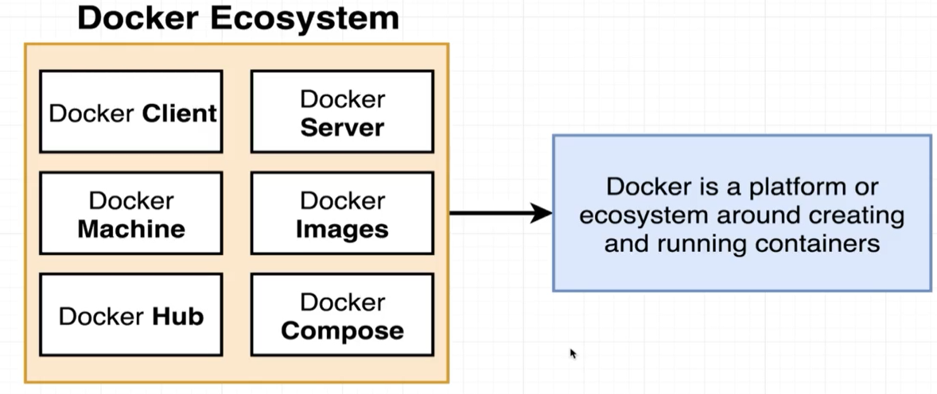
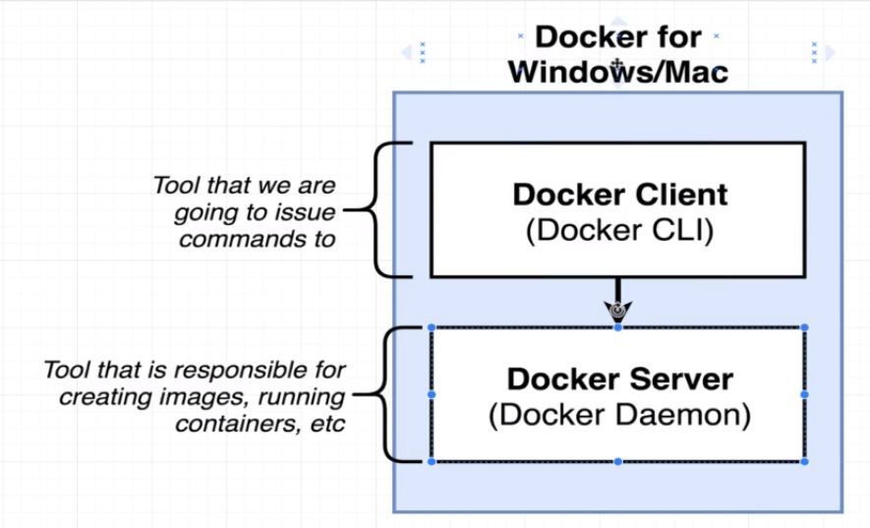

command
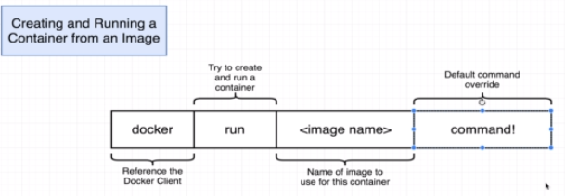
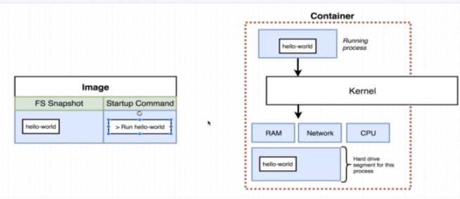

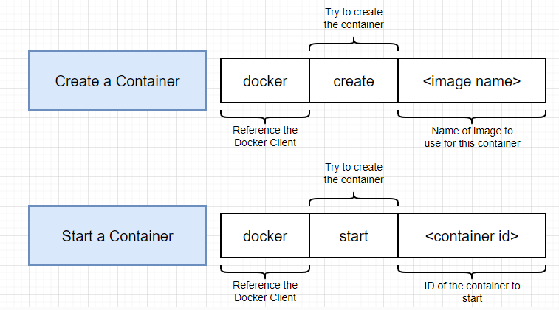

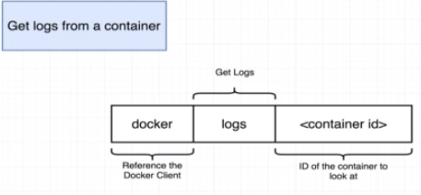

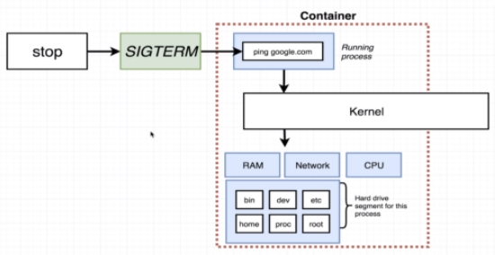

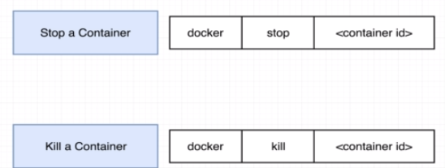

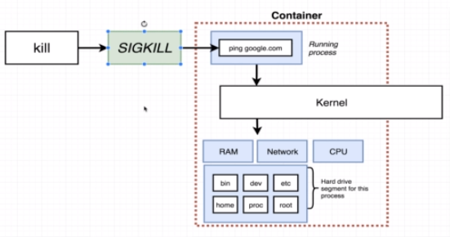

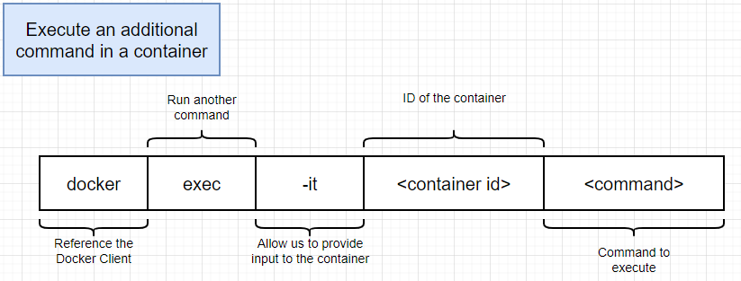

multi-command
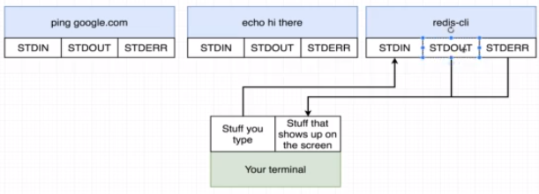
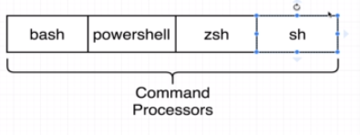
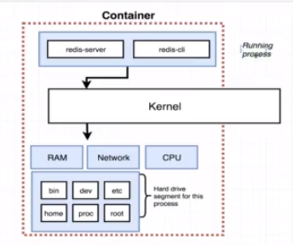

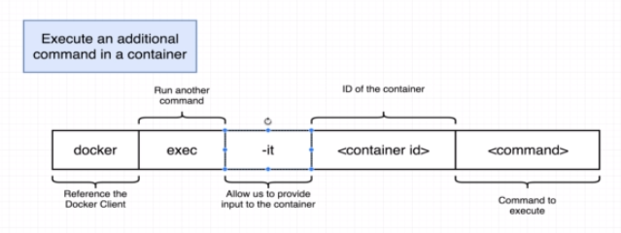

Processes in Docker

Dockerfile
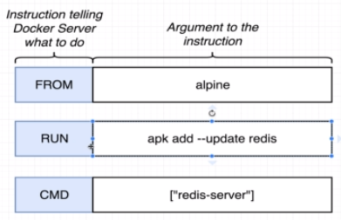
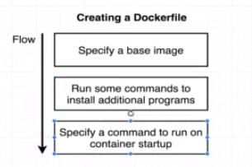

every instruction give different image | but in rebuild it uses cache
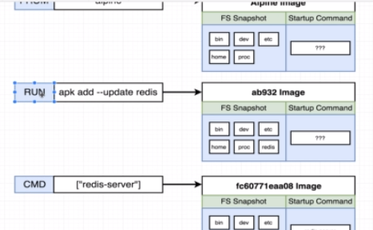
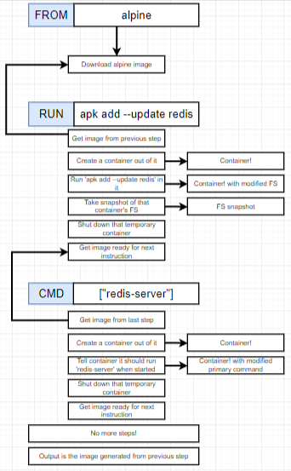
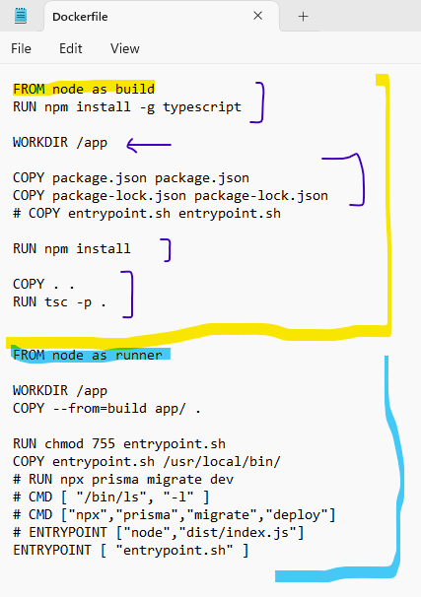

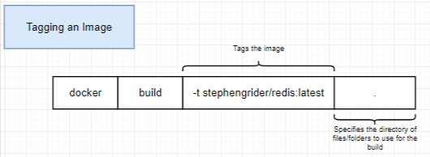
tagging
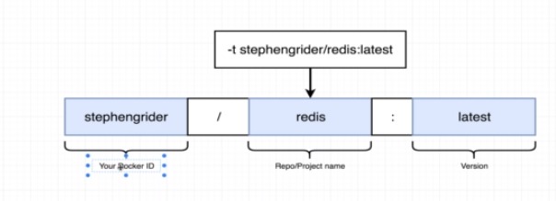

Custome Docker file name
if using only Dockerfile for Build |  | if using docker-compose for build and Deployment
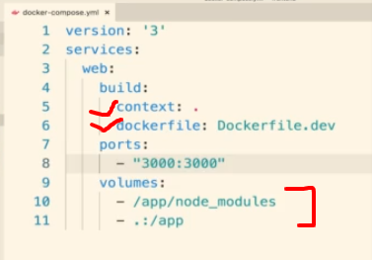

docker build -f Dockerfile.dev -t USERNAME:frontend .

instead of copy files from local to docker use Volume
docker run -it -p 3000:3000 -v /app/node_modules -v ${PWD}:/app USERNAME:frontend

Compose
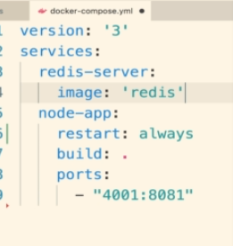
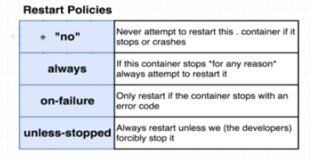
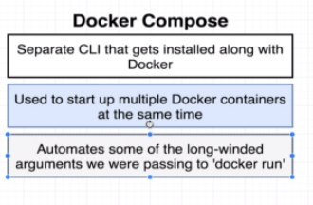
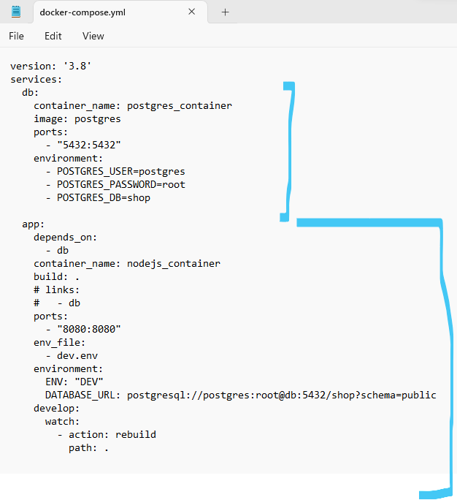

In Docker, services refer to the definition of how containers should behave in a particular application stack. They are typically defined in a Docker Compose file and can include attributes like the image to use, environment variables, ports to expose, and more. Services allow you to define and manage multiple containers that work together as a single application.
In Kubernetes, services play a similar but slightly different role compared to Docker. In Kubernetes, a service is an abstraction layer that defines a logical set of pods and a policy by which to access them.

Here's what it means:

Pods: Pods are the smallest deployable units in Kubernetes, and they typically consist of one or more containers that are tightly coupled and share resources. A service provides a consistent way to access a group of pods that perform the same function.
Policy: Kubernetes services define a policy for accessing the pods. This policy can include load balancing, service discovery, and routing traffic to the appropriate pods based on selectors.

Overall, Kubernetes services enable communication between different parts of an application or between different microservices within a larger application, providing a stable endpoint for accessing the functionality provided by the pods.

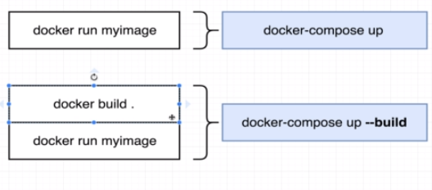

Automatic Restart Container

multi-stage
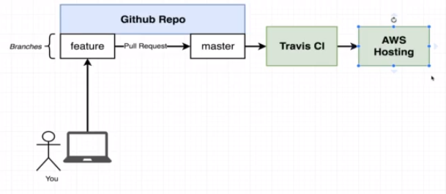
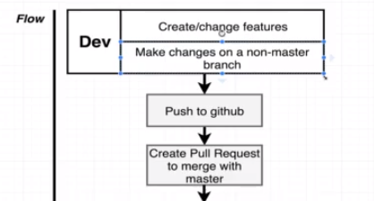
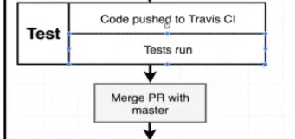
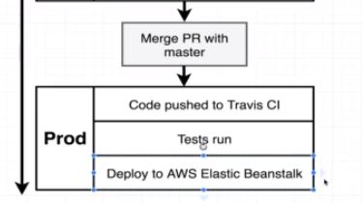

Docker Roll

Development Environment
if using only Dockerfile for Build |  | if using docker-compose for build and Deployment

docker build -f Dockerfile.dev -t USERNAME:frontend .

instead of copy files from local to docker use Volume
docker run -it -p 3000:3000 -v /app/node_modules -v ${PWD}:/app USERNAME:frontend

New Service for automatic Tests
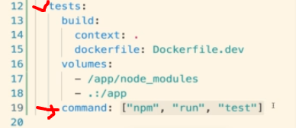
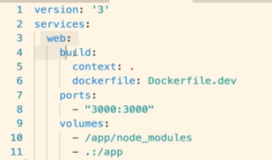
in docker-compose we can override start command(e.g command:["npm","run","test"])

Production Environment
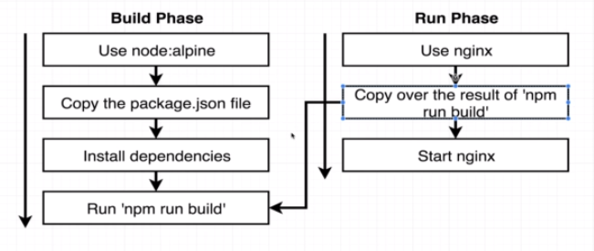
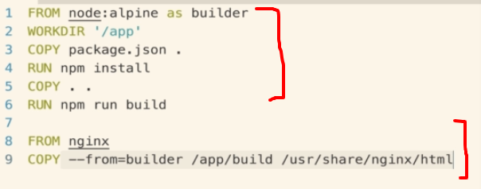

AWS-Beanstalk deployment using travis CI
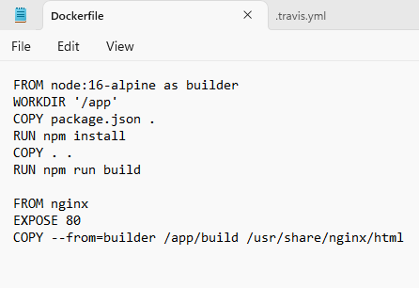
 | FROM node:16-alpine as builder
 | WORKDIR '/app'
 | COPY package.json .
 | RUN npm install
 | COPY . .
 | RUN npm run build

 | FROM nginx
 | EXPOSE 80
 | COPY --from=builder /app/build /usr/share/nginx/html

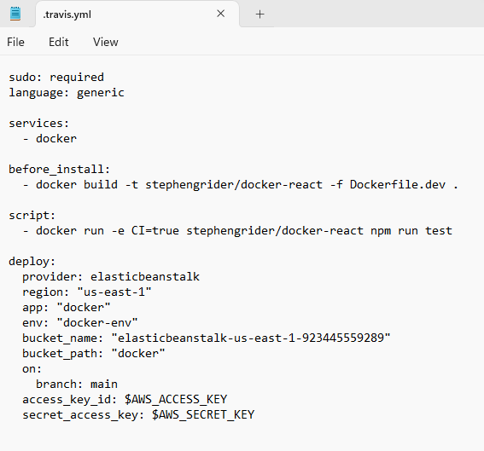
 | sudo: required
 | language: generic

 | services:
 | - docker

 | before_install:
 | - docker build -t stephengrider/docker-react -f Dockerfile.dev .

 | script:
 | - docker run -e CI=true stephengrider/docker-react npm run test

 | deploy:
 | provider: elasticbeanstalk
 | region: "us-east-1"
 | app: "docker"
 | env: "docker-env"
 | bucket_name: "elasticbeanstalk-us-east-1-923445559289"
 | bucket_path: "docker"
 | on:
 | branch: main
 | access_key_id: $AWS_ACCESS_KEY
 | secret_access_key: $AWS_SECRET_KEY

multi-container
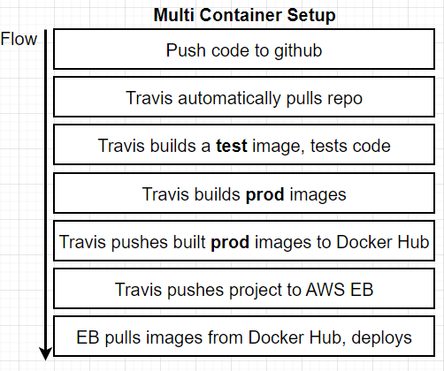
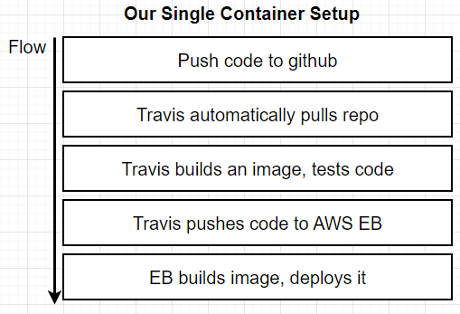
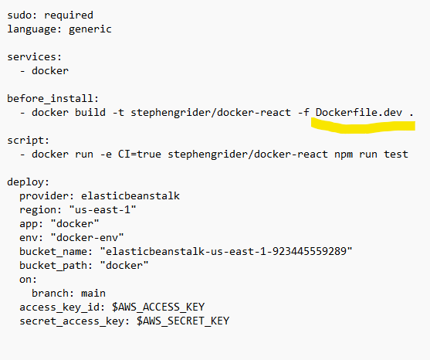
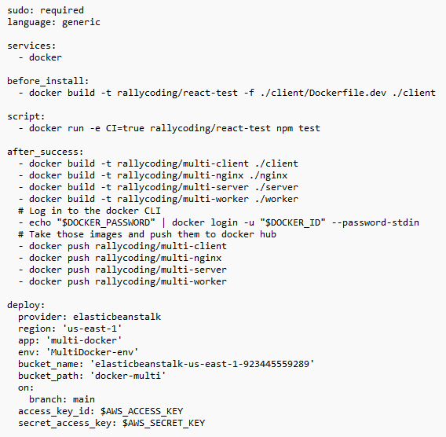
Architec
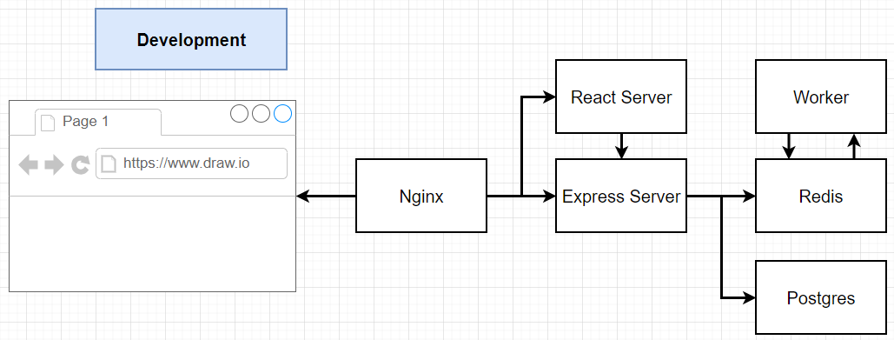
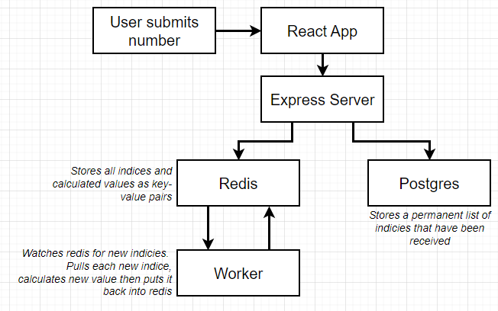

Routing Problem | solved by nginx
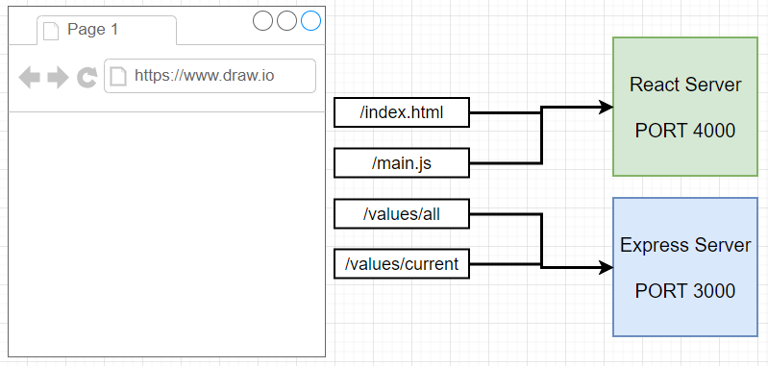
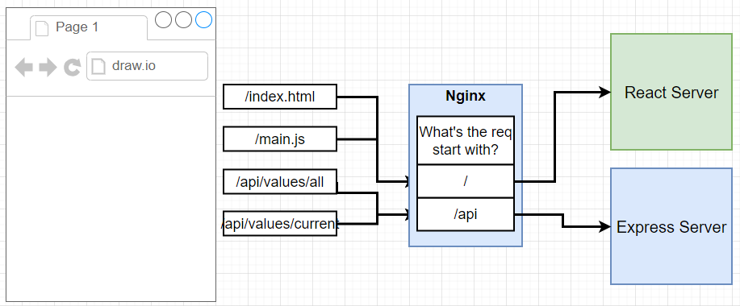

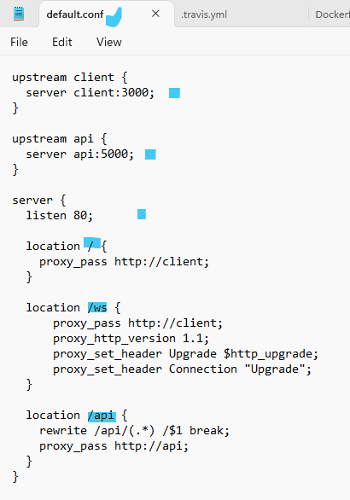
configuration for Routing
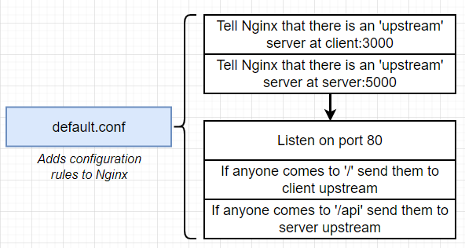

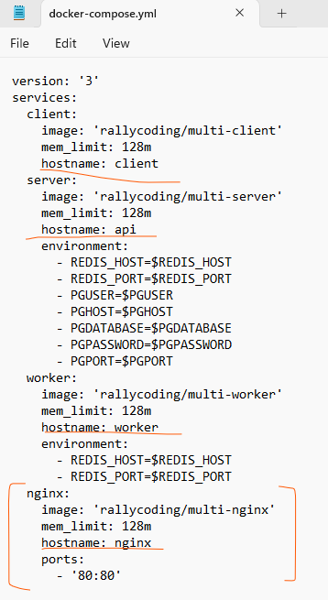

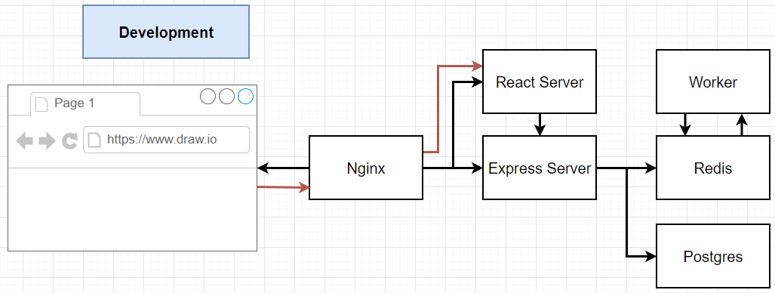

Deployment of Container to production(EB)

single-container-EB
Required AWS Elastic Beanstalk Environment Setup Updates - DO NOT SKIP

The process for creating an Elastic Beanstalk environment has seen major changes as of 4-1-2023. At the moment there are many undocumented and very buggy configuration requirements.

The first thing you need to do is to create an EC2 IAM Instance Profile (this is something that AWS used to generate automatically when creating the environment but now must be created manually).

1. Go to AWS Management Console

2. Search for IAM and click the IAM Service.

3. Click Roles under Access Management in the left sidebar.

4. Click the Create role button.

5. Select AWS Service under Trusted entity type. Then select EC2 under common use cases.

6. Search for AWSElasticBeanstalk and select the AWSElasticBeanstalkWebTier, AWSElasticBeanstalkWorkerTier and AWSElasticBeanstalkMulticontainerDocker policies. Click the Next button.

7. Give the role the name of aws-elasticbeanstalk-ec2-role

8. Click the Create role button.

After you've created this Instance Profile, you will need to create an Elastic Beanstalk environment.

1. Go to AWS Management Console

2. Search for Elastic Beanstalk and click the Elastic Beanstalk service.

3. If you've never used Elastic Beanstalk before you will see a splash page. Click the Create Application button. If you have created Elastic Beanstalk environments and applications before, you will be taken directly to the Elastic Beanstalk dashboard. In this case, click the Create environment button. There is now a flow of 6 steps that you will be taken through.

5. You will need to provide an Application name, which will auto-populate an Environment Name.

6. Scroll down to find the Platform section. You will need to select the Platform of Docker. You then must manually change from Docker running on 64bit Amazon Linux 2023 to Docker running on 64bit Amazon Linux 2. The 2023 platform was just released in early August and is currently not compatible with our CI/CD automation.

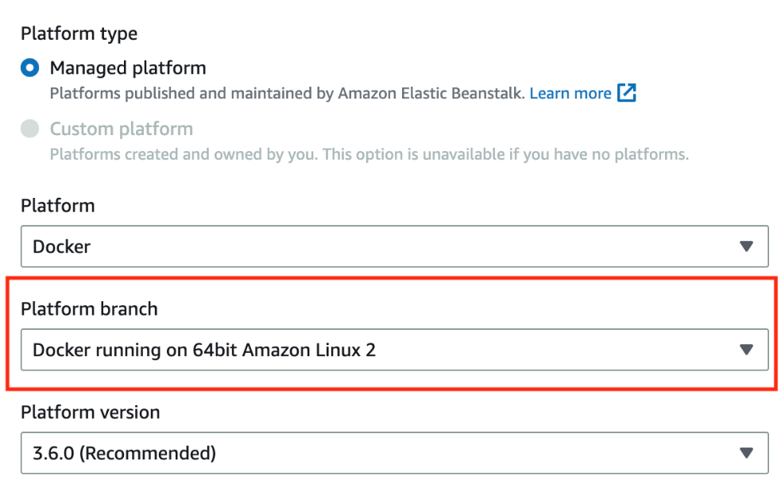

7. Scroll down to the Presets section and make sure that free tier eligible has been selected:



8. Click the Next button to move to Step #2.

9. You will be taken to a Service Access configuration form.

Select Create and use new service role and name it aws-elasticbeanstalk-service-role. You will then need to set the EC2 instance profile to the aws-elasticbeanstalk-ec2-role created earlier (this will likely be auto-populated for you):



10. Click the Skip to Review button as Steps 3-6 are not applicable.

11. Click the Submit button and wait for your new Elastic Beanstalk application and environment to be created and launch.

After you have created an Elastic Beanstalk environment, you may need to make a modification to the S3 bucket.

1. Go to AWS Management Console

2. Search for S3 and click the S3 service.

3. Find and click the elasticbeanstalk bucket that was automatically created with your environment.

4. Click Permissions menu tab

5. Find Object Ownership and click Edit

6. Change from ACLs disabled to ACLs enabled. Change Bucket owner Preferred to Object Writer. Check the box acknowledging the warning:



7. Click Save changes.

Required Updates for Docker Compose

This new AWS Linux 2 platform will conflict with the project we have built since it will look for a docker.compose.yml file to build from by default instead of a Dockerfile.

To resolve this, please do the following:

1. Rename the development Compose config file

Rename the docker-compose.yml file to docker-compose-dev.yml. Going forward you will need to pass a flag to specify which compose file you want to build and run from:
docker-compose -f docker-compose-dev.yml up
docker-compose -f docker-compose-dev.yml up --build
docker-compose -f docker-compose-dev.yml down

2. Create a production Compose config file

Create a docker-compose.yml file in the root of the project and paste the following:

version: '3'
services:
web:
build:
context: .
dockerfile: Dockerfile
ports:
- '80:80'

AWS EBS will see a file named docker-compose.yml and use it to build the single container application.

IMPORTANT - A cheat sheet has been provided that includes all updated setup and configuration steps needed from beginning to end here:

https://www.udemy.com/course/docker-and-kubernetes-the-complete-guide/learn/lecture/20676694#questions/20329762

multi-conatiner-EB
Required AWS Elastic Beanstalk Environment Setup Updates - DO NOT SKIP

The process for creating an Elastic Beanstalk environment has changed (this is very common, as the AWS UI changes frequently). There is now a flow of 6 steps that you will be taken through.

Step 1:

You will need to select the Platform of Docker. You then must manually change from Docker running on 64bit Amazon Linux 2023 to Docker running on 64bit Amazon Linux 2. The 2023 platform was just released in early August and is currently not compatible with our CI/CD automation.

Scroll down to the Presets section and make sure that free tier eligible has been selected:

Click the Next button to move to Step #2.

Step 2:

You will be taken to a Service Access configuration form. Here, you should select Use an existing service role, which will auto-select the aws-elasticbeanstalk-service-role and auto-populate the aws-elasticbeanstalk-ec2-role as the instance profile:



You may now click the Skip to Review button as Steps 3-6 are not applicable.

Click the Submit button and wait for your new EBS application and environment to be created and launch.

Required Updates for Docker Compose

1. Rename the current docker-compose file

Rename the docker-compose.yml file to docker-compose-dev.yml. Going forward you will need to pass a flag to specify which compose file you want to build and run from:
docker-compose -f docker-compose-dev.yml up
docker-compose -f docker-compose-dev.yml up --build
docker-compose -f docker-compose-dev.yml down

2. Create a production-only docker-compose.yml file

The production compose file will follow closely what was written in the Dockerrun.aws.json. There are two major differences:

No Container Links: In the "Forming Container Links" lecture we add the client and server services to the links array of the nginx service. Docker Compose will handle this container communication automatically for us.

Environment Variables: When using a compose file we will need to explicitly specify the environment variables each service will need access to. The value for each variable must match the corresponding variable names you have specified in the Elastic Beanstalk environment. The AWS variables are created in the "Setting Environment Variables" lecture.

Note - You must not have a Dockerrun.aws.json file in your project directory. If AWS EBS sees this file the deployment will fail. If you have previously followed this course and deployed to the old Multi-container platform you will need to delete this file before moving to the new platform!!!

Complete docker-compose.yml file:

version: "3"
services:
client:
image: "cygnetops/multi-client-10-14"
mem_limit: 128m
hostname: client
server:
image: "cygnetops/multi-server-10-14"
mem_limit: 128m
hostname: api
environment:
- REDIS_HOST=$REDIS_HOST
- REDIS_PORT=$REDIS_PORT
- PGUSER=$PGUSER
- PGHOST=$PGHOST
- PGDATABASE=$PGDATABASE
- PGPASSWORD=$PGPASSWORD
- PGPORT=$PGPORT
worker:
image: "cygnetops/multi-worker-10-14"
mem_limit: 128m
hostname: worker
environment:
- REDIS_HOST=$REDIS_HOST
- REDIS_PORT=$REDIS_PORT
nginx:
image: "cygnetops/multi-nginx-10-14"
mem_limit: 128m
hostname: nginx
ports:
- "80:80"

