Sinleton
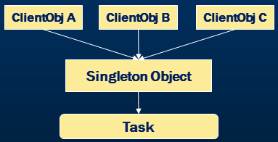
Singleton design pattern is used when we need to ensure that only one object of a particular class is Instantiated. That single instance created is responsible to coordinate actions across the application.

If you look at the illustrated diagram above you will see different objects trying to invoke an object instantiated as singleton. This single instance of the object is responsible to invoke underneath methods or events.

class Singleton { | Program.cs
private static instance: Singleton;
 | using System;
// Make the constructor private so it can't be called from outside | using System.Collections.Generic;
private constructor() {} | using System.Linq;
 | using System.Text;
// Provide a global point of access to the instance | using System.Threading.Tasks;
public static getInstance(): Singleton { | /// <summary>
if (!Singleton.instance) { | /// First version of Singleton demo
Singleton.instance = new Singleton(); | /// </summary>
} | namespace SingletonDemo
return Singleton.instance; | {
} | class Program
 | {
// Example method | static void Main(string[] args)
public sayHello(): void { | {
console.log("Hello, I'm a Singleton!"); | /*
} | * Assuming Singleton is created from employee class
} | * we refer to the GetInstance property from the Singleton class
 | */
// Usage | Singleton fromEmployee = Singleton.GetInstance;
const singleton1 = Singleton.getInstance(); | fromEmployee.PrintDetails("From Employee");
const singleton2 = Singleton.getInstance(); | /*
 | * Assuming Singleton is created from student class
console.log(singleton1 === singleton2); // true | * we refer to the GetInstance property from the Singleton class
singleton1.sayHello(); // Hello, I'm a Singleton! | */
 | Singleton fromStudent = Singleton.GetInstance;
 | fromStudent.PrintDetails("From Student");
Thread-Safe Singleton
class ThreadSafeSingleton { | Console.ReadLine();
private static instance: ThreadSafeSingleton; | }
private static lock: boolean = false; | }
 | }
private constructor() {}
 | Singleton.cs
public static getInstance(): ThreadSafeSingleton { | using System;
while (this.lock) { | using System.Collections.Generic;
// Busy-wait | using System.Linq;
} | using System.Text;
this.lock = true; | using System.Threading.Tasks;
 | /// <summary>
if (!ThreadSafeSingleton.instance) { | /// First Singleton version
ThreadSafeSingleton.instance = new ThreadSafeSingleton(); | /// </summary>
} | namespace SingletonDemo
 | {
this.lock = false; | /*
return ThreadSafeSingleton.instance; | * Sealed ensures the class being inherited and
} | * object instantiation is restricted in the derived class
 | */
public sayHello(): void { | public sealed class Singleton
console.log("Hello, I'm a Thread-Safe Singleton!"); | {
} | private static int counter = 0;
}
 | /*
// Usage | * Private property initilized with null
const tsSingleton1 = ThreadSafeSingleton.getInstance(); | * ensures that only one instance of the object is created
const tsSingleton2 = ThreadSafeSingleton.getInstance(); | * based on the null condition
 | */
console.log(tsSingleton1 === tsSingleton2); // true | private static Singleton instance = null;
tsSingleton1.sayHello(); // Hello, I'm a Thread-Safe Singleton!
 | /*
 | * public property is used to return only one instance of the class
Singleton with Lazy Initialization | * leveraging on the private property
class LazySingleton { | */
private static instance: LazySingleton | null = null; | public static Singleton GetInstance
 | {
private constructor() {} | get
 | {
public static getInstance(): LazySingleton { | if (instance == null)
if (LazySingleton.instance === null) { | instance = new Singleton();
LazySingleton.instance = new LazySingleton(); | return instance;
} | }
return LazySingleton.instance; | }
} | /*
 | * Private constructor ensures that object is not
public sayHello(): void { | * instantiated other than with in the class itself
console.log("Hello, I'm a Lazy Singleton!"); | */
} | private Singleton()
} | {
 | counter++;
// Usage | Console.WriteLine("Counter Value " + counter.ToString());
const lazySingleton1 = LazySingleton.getInstance(); | }
const lazySingleton2 = LazySingleton.getInstance(); | /*
 | * Public method which can be invoked through the singleton instance
console.log(lazySingleton1 === lazySingleton2); // true | */
lazySingleton1.sayHello(); // Hello, I'm a Lazy Singleton! | public void PrintDetails(string message)
 | {
 | Console.WriteLine(message);
 | }
 | }
 | }

FDP
 | Factory pattern is one of the most used design patterns in real world applications

 | Factory pattern creates object without exposing the creation logic to the client and refer to newly created object using a common interface

 | From the above diagram, client uses factory and creates the product.

 | Implementation Guidelines : We need to choose Factory Pattern when
 | The Object needs to be extended to subclasses
 | The Classes doesn’t know what exact sub-classes it has to create
 | The Product implementation tend to change over time and the Client remains unchanged

 | Simple Factory Example : Business Requirement
 | Differentiate employees as permanent and contract and segregate their pay scales as well as bonus based on their employee types

 | We can address the above requirement with the below implementations

 | 1. Implement without Factory Pattern
 | 2. Use a Simple Factory
 | 3. Enhance Simple factory to Factory Method Pattern

 | EmployeeController.cs

 | [HttpPost]
 | [ValidateAntiForgeryToken]
 | public ActionResult Create([Bind(Include = "Id,Name,JobDescription,Number,Department,HourlyPay,Bonus,EmployeeTypeID")] Employee employee)
 | {
 | if (ModelState.IsValid)
 | {
 | if (employee.EmployeeTypeID == 1)
 | {
 | employee.HourlyPay = 8;
 | employee.Bonus = 10;
 | }
 | else if (employee.EmployeeTypeID == 2)
 | {
 | employee.HourlyPay = 12;
 | employee.Bonus = 5;
 | }
 | db.Employees.Add(employee);
 | db.SaveChanges();
 | return RedirectToAction("Index");
 | }

 | ViewBag.EmployeeTypeID = new SelectList(db.Employee_Type, "Id", "EmployeeType", employee.EmployeeTypeID);
 | return View(employee);
 | }

 | The above code introduces
 | Tight coupling between Controller class and Business logic
 | For any new employee type addition, we end up modifying the controller code adding extra over heads in the development and testing process
 | Using a simple factory eliminates the above drawbacks.

 | Solution 2: Implement with Simple Factory

 | Step 1 : Add new Manager folder and add the below interface and classes

 | IEmployeeManager.cs

 | public interface IEmployeeManager
 | {
 | decimal GetBonus();
 | decimal GetPay();
 | }

 | ContractEmployeeManager.cs

 | public class ContractEmployeeManager : IEmployeeManager
 | {
 | public decimal GetBonus()
 | {
 | return 5;
 | }

 | public decimal GetPay()
 | {
 | return 12;
 | }
 | }

 | PermanentEmployeeManager.cs

 | public class PermanentEmployeeManager : IEmployeeManager
 | {
 | public decimal GetBonus()
 | {
 | return 10;
 | }

 | public decimal GetPay()
 | {
 | return 8;
 | }
 | }

 | Step 2 : Create Factory folder and add the below Manager class

 | EmployeeManagerFactory.cs

 | public class EmployeeManagerFactory
 | {
 | public IEmployeeManager GetEmployeeManager(int employeeTypeID)
 | {
 | IEmployeeManager returnValue = null;
 | if (employeeTypeID == 1)
 | {
 | returnValue = new PermanentEmployeeManager();
 | }
 | else if (employeeTypeID == 2)
 | {
 | returnValue = new ContractEmployeeManager();
 | }
 | return returnValue;
 | }
 | }

 | Step 3 : Update the employee’s controller to consume the factory.

 | [HttpPost]
 | [ValidateAntiForgeryToken]
 | public ActionResult Create([Bind(Include = "Id,Name,JobDescription,Number,Department,HourlyPay,Bonus,EmployeeTypeID")] Employee employee)
 | {
 | if (ModelState.IsValid)
 | {
 | EmployeeManagerFactory empFactory = new EmployeeManagerFactory();
 | IEmployeeManager empManager = empFactory.GetEmployeeManager(employee.EmployeeTypeID);
 | employee.Bonus = empManager.GetBonus();
 | employee.HourlyPay = empManager.GetPay();
 | db.Employees.Add(employee);
 | db.SaveChanges();
 | return RedirectToAction("Index");
 | }

 | ViewBag.EmployeeTypeID = new SelectList(db.Employee_Type, "Id", "EmployeeType", employee.EmployeeTypeID);
 | return View(employee);
 | }

 | Simple factory implementation is illustrated below
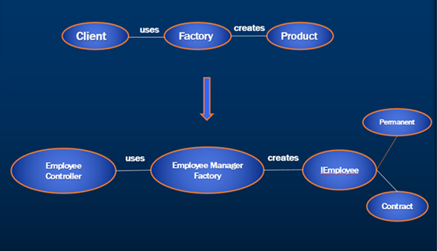

nodejs impl
 | The Factory Design Pattern is a creational pattern that provides an interface for creating objects in a superclass, but allows subclasses to alter the type of objects that will be created.

 | Here’s an example of how you can implement the Factory Design Pattern in TypeScript:

 | Step-by-Step Implementation

 | 1. Define an interface for the products: This interface will be used by all the concrete products.

 | 2. Create concrete product classes: These are the different types of objects that can be created by the factory.

 | 3. Implement simple concrete factories: These factories will create instances of the concrete products.

 | 4. Use the factory to create objects: The client will use the factory to create objects without needing to know the specific class of the object.

 | 1.Define the Product Interface:

 | interface Product {
 | operation(): string;
 | }

 | 2.Create Concrete Products:

 | class ConcreteProductA implements Product {
 | operation(): string {
 | return 'ConcreteProductA';
 | }
 | }

 | class ConcreteProductB implements Product {
 | operation(): string {
 | return 'ConcreteProductB';
 | }
 | }

 | 3.Implement simple concrete factories:

 | class SimpleFactory {
 | static createProduct(type: string): Product {
 | if (type === 'A') {
 | return new ConcreteProductA();
 | } else if (type === 'B') {
 | return new ConcreteProductB();
 | } else {
 | throw new Error('Unknown product type');
 | }
 | }
 | }

 | 4.Use the Factory to Create Objects:

 | const productA = SimpleFactory.createProduct('A');
 | console.log(productA.operation());

 | const productB = SimpleFactory.createProduct('B');
 | console.log(productB.operation());

FMDP
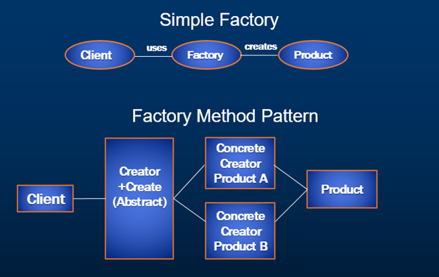
Factory Representation

From the above diagram, Factory representation block in the simple factory is replaced with Abstract Creator which further creates Concrete Creator A and Concrete Creator B Products providing another level of abstraction.

Factory Method Pattern Example

Business Requirement

1. Differentiate employees as permanent and contract and segregate their pay scales as well as bonus based on their employee types.
2. Calculate Permanent employee house rent allowance
3. Calculate Contract employee medical allowance

Create FactoryMethod folder under existing Factory folder and add BaseEmployeeFactory class.
using System;
using System.Collections.Generic;
using System.Linq;
using System.Web;
using Web.Managers;
using Web.Models;

namespace Web.Factory.FactoryMethod
{
public abstract class BaseEmployeeFactory
{
protected Employee _emp;
public BaseEmployeeFactory(Employee emp)
{
_emp = emp;
}
public Employee ApplySalary()
{
IEmployeeManager manager = this.Create();
_emp.Bonus = manager.GetBonus();
_emp.HourlyPay = manager.GetPay();
return _emp;
}
public abstract IEmployeeManager Create();
}
}

Create ContractEmployeeFactory class under FactoryMethod folder.
using System;
using System.Collections.Generic;
using System.Linq;
using System.Web;
using Web.Managers;
using Web.Models;

namespace Web.Factory.FactoryMethod
{
public class ContractEmployeeFactory : BaseEmployeeFactory
{
public ContractEmployeeFactory(Employee emp) : base(emp)
{
}

public override IEmployeeManager Create()
{
ContractEmployeeManager manager = new ContractEmployeeManager();
_emp.MedicalAllowance = manager.GetMedicalAllowance();
return manager;
}
}
}

Create PermanentEmployeeFactory class under FactoryMethod folder.
using System;
using System.Collections.Generic;
using System.Linq;
using System.Web;
using Web.Managers;
using Web.Models;

namespace Web.Factory.FactoryMethod
{
public class PermanentEmployeeFactory : BaseEmployeeFactory
{
public PermanentEmployeeFactory(Employee emp) : base(emp)
{
}

public override IEmployeeManager Create()
{
PermanentEmployeeManager manager = new PermanentEmployeeManager();
_emp.HouseAllowance = manager.GetHouseAllowance();
return manager;
}
}
}

Create EmployeeManagerFactory class under FactoryMethod folder and add new Method CreateFactory which returns BaseEmployeeFactory.
CreateFactory method is responsible to return base factory which is the base class of Permanent and Contract Factories.
using System;
using System.Collections.Generic;
using System.Linq;
using System.Web;
using Web.Models;

namespace Web.Factory.FactoryMethod
{
public class EmployeeManagerFactory
{
public BaseEmployeeFactory CreateFactory(Employee emp)
{
BaseEmployeeFactory returnValue = null;
if(emp.EmployeeTypeID ==1)
{
returnValue = new PermanentEmployeeFactory(emp);
}
else if (emp.EmployeeTypeID ==2)
{
returnValue = new ContractEmployeeFactory(emp);
}
return returnValue;
}
}
}

Now, integrate the FactoryMethod in the EmployeesController’s Create method and replace the existing logic of simple factory method as stated below.

[HttpPost]
[ValidateAntiForgeryToken]
public ActionResult Create([Bind(Include = "Id,Name,JobDescription,Number,Department,HourlyPay,Bonus,EmployeeTypeID")] Employee employee)
{
if (ModelState.IsValid)
{
BaseEmployeeFactory empFactory =
new EmployeeManagerFactory().CreateFactory(employee);
empFactory.ApplySalary();
db.Employees.Add(employee);
db.SaveChanges();
return RedirectToAction("Index");
}

ViewBag.EmployeeTypeID = new SelectList(db.Employee_Type, "Id",
"EmployeeType", employee.EmployeeTypeID);
return View(employee);
}
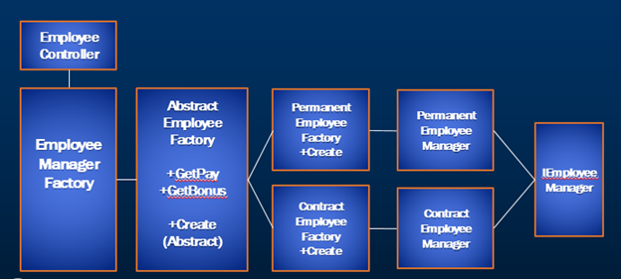

Step-by-Step Implementation

1. Define an interface for the products: This interface will be used by all the concrete products.

2. Create concrete product classes: These are the different types of objects that can be created by the factory.

3. Create the factory interface: This interface will declare the factory method.

4. Implement concrete factories: These factories will create instances of the concrete products.

5. Use the factory to create objects: The client will use the factory to create objects without needing to know the specific class of the object.

1.Define the Product Interface:

interface Product {
operation(): string;
}

2.Create Concrete Products:

class ConcreteProductA implements Product {
operation(): string {
return 'ConcreteProductA';
}
}

class ConcreteProductB implements Product {
operation(): string {
return 'ConcreteProductB';
}
}

3.Create the Factory Interface:

interface Creator {
factoryMethod(): Product;

someOperation(): string;
}

4.Implement Concrete Factories:

class ConcreteCreatorA implements Creator {
factoryMethod(): Product {
return new ConcreteProductA();
}

someOperation(): string {
const product = this.factoryMethod();
return `ConcreteCreatorA: The same creator's code has just worked with ${product.operation()}`;
}
}

class ConcreteCreatorB implements Creator {
factoryMethod(): Product {
return new ConcreteProductB();
}

someOperation(): string {
const product = this.factoryMethod();
return `ConcreteCreatorB: The same creator's code has just worked with ${product.operation()}`;
}
}

5.Use the Factory to Create Objects:

function clientCode(creator: Creator) {
console.log(creator.someOperation());
}

const creatorA = new ConcreteCreatorA();
clientCode(creatorA);

const creatorB = new ConcreteCreatorB();
clientCode(creatorB);

AFDP
"The Abstract factory pattern provides a way to encapsulate a group of individual factories that have a common theme without specifying their concrete classes"

The Abstract Factory Pattern provides an interface for creating families of related or dependent objects without specifying their concrete classes

Implementation Guidelines

We need to Choose Abstract Factory Pattern when

1. The application need to create multiple families of objects or products
2. We need to use only one of the subset of families of objects at a given point of time
3. We want to hide the implementations of the families of products by decoupling the implementation of each of these operations

Business Requirement : Handout computers to Contract and Permanent employees based on the designation and employee type with below specifications

Permanent Employee
Managerial Position is eligible for Apple MAC Book Laptop
Non Managerial Position is eligible for Apple IMac desktop
Contract Employee
Managerial Position is eligible for Dell Laptop
Non Managerial Position is eligible for Dell desktop

Abstract Factory Representation
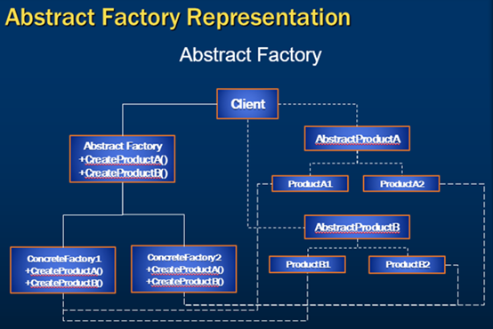

If you look at the illustrated diagram of Abstract Factory Representation

1. Client is a class which use AbstractFactory and AbstractProduct interfaces to create a family of related objects.
2. AbstractFactory is an interface which is used to create abstract product.
3. ConcreteFactory is a class which implements the AbstractFactory interface to create concrete products.
4. AbstractProduct is an interface which declares a type of product.
5. ConcreteProduct is a class which implements the AbstractProduct interface to create product.

Create AbstractFactory folder under existing Factory folder and add the below classes.
using System;
using System.Collections.Generic;
using System.Linq;
using System.Text;
using System.Threading.Tasks;

namespace Web.Factory.AbstractFactory
{
public interface IBrand
{
string GetBrand();
}
}
using System;
using System.Collections.Generic;
using System.Linq;
using System.Text;
using System.Threading.Tasks;

namespace Web.Factory.AbstractFactory
{
public interface IProcessor
{
string GetProcessor();
}
}

using System;
using System.Collections.Generic;
using System.Linq;
using System.Text;
using System.Threading.Tasks;

namespace Web.Factory.AbstractFactory
{
public interface ISystemType
{
string GetSystemType();
}
}

using System;
using System.Collections.Generic;
using System.Linq;
using System.Web;
using static Web.Factory.AbstractFactory.Enumerations;

namespace Web.Factory.AbstractFactory
{
public class Laptop : ISystemType
{
public string GetSystemType()
{
return ComputerTypes.Laptop.ToString();
}
}
public class Desktop : ISystemType
{
public string GetSystemType()
{
return ComputerTypes.Desktop.ToString();
}
}
}

using System;
using System.Collections.Generic;
using System.Linq;
using System.Web;

namespace Web.Factory.AbstractFactory
{
public class DELL : IBrand
{
public string GetBrand()
{
return Enumerations.Brands.DELL.ToString();
}
}
public class MAC : IBrand
{
public string GetBrand()
{
return Brands.APPLE.ToString();
}
}
}

using System;
using System.Collections.Generic;
using System.Linq;
using System.Web;
using static Web.Factory.AbstractFactory.Enumerations;

namespace Web.Factory.AbstractFactory
{
public class I7 : IProcessor
{
public string GetProcessor()
{
return Processors.I7.ToString();
}
}
public class I5 : IProcessor
{
public string GetProcessor()
{
return Processors.I5.ToString();
}
}
}

using System;
using System.Collections.Generic;
using System.Linq;
using System.Web;

namespace Web.Factory.AbstractFactory
{
public class Enumerations
{
public enum ComputerTypes
{
Laptop,
Desktop
}
public enum Brands
{
APPLE,
DELL
}
public enum Processors
{
I3,
I5,
I7
}
}
}

using System;
using System.Collections.Generic;
using System.Linq;
using System.Text;
using System.Threading.Tasks;

namespace Web.Factory.AbstractFactory
{
public interface IComputerFactory
{
IProcessor Processor();
IBrand Brand();
ISystemType SystemType();
}
}

using System;
using System.Collections.Generic;
using System.Linq;
using System.Web;

namespace Web.Factory.AbstractFactory
{
public class DellFactory : IComputerFactory
{
public IBrand Brand()
{
return new DELL();
}

public IProcessor Processor()
{
return new I5();
}

public virtual ISystemType SystemType()
{
return new Desktop();
}
}
public class DellLaptopFactory : DellFactory
{
public override ISystemType SystemType()
{
return new Laptop();
}
}
}

using System;
using System.Collections.Generic;
using System.Linq;
using System.Web;

namespace Web.Factory.AbstractFactory
{
public class MACFactory : IComputerFactory
{
public IBrand Brand()
{
return new MAC();
}

public IProcessor Processor()
{
return new I7();
}

public virtual ISystemType SystemType()
{
return new Desktop();
}
}
public class MACLaptopFactory : MACFactory
{

public override ISystemType SystemType()
{
return new Laptop();
}
}
}

using System;
using System.Collections.Generic;
using System.Linq;
using System.Web;
using Web.Models;

namespace Web.Factory.AbstractFactory
{
public class EmployeeSystemFactory
{
public IComputerFactory Create(Employee e)
{
IComputerFactory returnValue = null;
if(e.EmployeeTypeID ==1)
{
if(e.JobDescription == "Manager")
{
returnValue = new MACLaptopFactory();
}
else
{
returnValue = new MACFactory();
}
}
else if (e.EmployeeTypeID == 2)
{
if (e.JobDescription == "Manager")
{
returnValue = new DellLaptopFactory();
}
else
returnValue = new DellFactory();
}
return returnValue;
}
}
}

using System;
using System.Collections.Generic;
using System.Linq;
using System.Web;

namespace Web.Factory.AbstractFactory
{
public class EmployeeSystemManager
{
IComputerFactory _IComputerFactory;
public EmployeeSystemManager(IComputerFactory iComputerFactory)
{
_IComputerFactory = iComputerFactory;
}
public string GetSystemDetails()
{
IBrand brand = _IComputerFactory.Brand();
IProcessor processor = _IComputerFactory.Processor();
ISystemType systemType = _IComputerFactory.SystemType();
string returnValue = string.Format("{0} {1} {2}", brand.GetBrand(),
systemType.GetSystemType(), processor.GetProcessor());
return returnValue;
}
}
}

Now, integrate the AbstractFactory and Client in the EmployeesController’s Create method and replace the existing logic as stated below.

[HttpPost]
[ValidateAntiForgeryToken]
public ActionResult Create([Bind(Include = "Id,Name,JobDescription,Number,Department,HourlyPay,Bonus,EmployeeTypeID")] Employee employee)
{
if (ModelState.IsValid)
{
BaseEmployeeFactory empFactory = new EmployeeManagerFactory().CreateFactory(employee);
empFactory.ApplySalary();
IComputerFactory factory = new EmployeeSystemFactory().Create(employee);
EmployeeSystemManager manager = new EmployeeSystemManager(factory);
employee.ComputerDetails = manager.GetSystemDetails();
db.Employees.Add(employee);
db.SaveChanges();
return RedirectToAction("Index");
}

ViewBag.EmployeeTypeID = new
SelectList(db.Employee_Type, "Id", "EmployeeType",
employee.EmployeeTypeID);
return View(employee);
}

Step 5 : Arrange the classes in the AbstractFactory folder with the below structure.
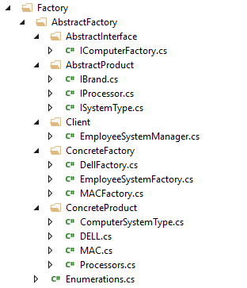

Step 6 : Enhance the current Employee index view to add ComputerDetails columns.

Step 7 : Run the application and notice that we have achieved the business requirement by using Abstract Factory pattern.
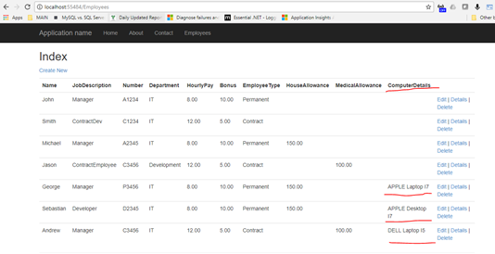

Step-by-Step Implementation

1. Abstract Product Interfaces: Define interfaces for each product type.

2. Concrete Product Classes: Implement the product interfaces for each variant.

3. Abstract Factory Interface: Define an interface for creating each type of product.

4. Concrete Factories: Implement the factory interface for each variant.

5. Client Code: Use the abstract factory to create products without knowing their concrete classes.

1.Abstract Product Interfaces:

interface Button {
paint(): void;
}

interface Checkbox {
paint(): void;

}
2.Concrete Product Classes:

class MacOSButton implements Button {
paint(): void {
console.log('Rendering a button in macOS style.');
}
}

class WindowsButton implements Button {
paint(): void {
console.log('Rendering a button in Windows style.');
}
}

class MacOSCheckbox implements Checkbox {
paint(): void {
console.log('Rendering a checkbox in macOS style.');
}
}

class WindowsCheckbox implements Checkbox {
paint(): void {
console.log('Rendering a checkbox in Windows style.');
}
}

3.Abstract Factory Interface:

interface GUIFactory {
createButton(): Button;
createCheckbox(): Checkbox;
}

4.Concrete Factories:

class MacOSFactory implements GUIFactory {
createButton(): Button {
return new MacOSButton();
}
createCheckbox(): Checkbox {
return new MacOSCheckbox();
}
}

class WindowsFactory implements GUIFactory {
createButton(): Button {
return new WindowsButton();
}
createCheckbox(): Checkbox {
return new WindowsCheckbox();
}
}

5.Client Code:

function clientCode(factory: GUIFactory) {
const button = factory.createButton();
const checkbox = factory.createCheckbox();

button.paint();
checkbox.paint();
}

// Usage
console.log('Client: Testing client code with the MacOS factory:');
clientCode(new MacOSFactory());

console.log('Client: Testing client code with the Windows factory:');
clientCode(new WindowsFactory());

interface IBrand{
getBrand():string
}

interface ISystem{
getSystem():string
}

interface IProcessor{
getProcessor():string
}

class Dell implements IBrand{
public getBrand(): string {
return "Dell"
}
}

class Hp implements IBrand{
public getBrand(): string {
return "HP"
}
}

class Laptop implements ISystem{
public getSystem(): string {
return "Laptop"
}
}

class Desktop implements ISystem{
public getSystem(): string {
return "Desktop"
}
}

class I5 implements IProcessor{
public getProcessor(): string {
return "I5"
}
}

class I7 implements IProcessor{
public getProcessor(): string {
return "I7"
}
}

interface IComputer{
Processor():IProcessor
Brand():IBrand,
System():ISystem
}

class DellFactory implements IComputer{
public Processor(): IProcessor {
return new I5()
}

public Brand(): IBrand {
return new Dell()
}

public System(): ISystem {
return new Desktop()
}
}

class DellLaptopFactory extends DellFactory{

public System(): ISystem {
return new Laptop()
}
}

class HPFactory implements IComputer{
public Processor(): IProcessor {
return new I5()
}

public Brand(): IBrand {
return new Hp()
}

public System(): ISystem {
return new Desktop()
}
}

class HPLaptopFactory extends HPFactory{

public System(): ISystem {
return new Laptop()
}
}

interface IEmployee{
id:number,
name:string,
designation:string
}

class EmployeeSystemFactory{

public create(emp:IEmployee):IComputer{
if(emp.id==3) return new DellFactory()
if(emp.designation=='MGR') return new HPLaptopFactory()
return new DellLaptopFactory()
}
}

class SystemManager{
constructor(public computer:IComputer){}

public getDetails():string{
return `Processor:${this.computer.Processor().getProcessor()},SystemType:${this.computer.System().getSystem()},Brand:${this.computer.Brand().getBrand()}`
}
}

const employeess:IEmployee[]=[
{id:1,name:"naushad",designation:"EMP"},
{id:2,name:"Musa",designation:"MGR"},
{id:3,name:"Anuja",designation:"EMP"}
]

const systemFactory:EmployeeSystemFactory=new EmployeeSystemFactory()
for(let emp of employeess){
const computer=systemFactory.create(emp)
const systemmgr:SystemManager=new SystemManager(computer)
console.log(emp.name+" assigned:"+systemmgr.getDetails())
}
naushad assigned:Processor:I5,SystemType:Laptop,Brand:Dell
Musa assigned:Processor:I5,SystemType:Laptop,Brand:HP
Anuja assigned:Processor:I5,SystemType:Desktop,Brand:Dell

BDP
 | "Separate the construction of a complex object from its representation so that the same construction process can create different representations"

 | Builder Pattern solves the situation of increasing constructor parameters and constructors of a given class by providing a step by step initialisation of Parameters. After step by step initialisation, it returns the resulting constructed Object at once.

 | Implementation Guidelines : We need to Choose Builder Design Pattern when

 | 1. We need to break up the construction of a complex object
 | 2. We need to create a complex object and it should be independent of the parts that make up the object
 | 3. The construction process must allow multiple representations of the same class

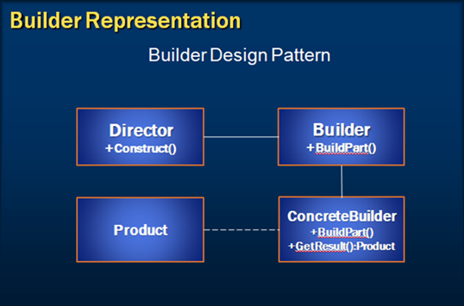

 | If you look at the illustrated diagram of Builder Design Pattern
 | Builder : Defines a template for the steps to construct the product. To simplify, Builder Specifies an abstract interface for creating parts of a Product object.
 | Concrete Builder : Implements the builder interface and provides an interface for getting the product.
 | Director : Is responsible to constructs the object through the builder interface.
 | Product : is the Main object that's constructed and Represents the complex object.

 | Business Requirement : Provide an option to choose and build configuration of the system which is allocated to the employees. The configuration options that user can choose are RAM, HDD, USB Mouse etc. Choose the system configurations based on the computer type that we need to build. For example, A laptop users can choose touch screen and the desktop users can configure keyboard and mouse.

 | Step 1 : Add ISystemBuilder interface

 | using System;
 | using System.Collections.Generic;
 | using System.Linq;
 | using System.Text;
 | using System.Threading.Tasks;

 | namespace Web.Builder.IBuilder
 | {
 | public interface ISystemBuilder
 | {
 | void AddMemory(string memory);
 | void AddDrive(string size);

 | void AddKeyBoard(string type);
 | void AddMouse(string type);

 | void AddTouchScreen(string enabled);
 | ComputerSystem GetSystem();
 | }
 | }

 | Step 2 : Add desktop builder and inherit ISystemBuilder interface and implement the Interface methods and assign the properties to the computer system that is being built.

 | using System;
 | using System.Collections.Generic;
 | using System.Linq;
 | using System.Web;
 | using Web.Builder.IBuilder;

 | namespace Web.Builder.ConcreteBuilder
 | {
 | public class DesktopBuilder : ISystemBuilder
 | {
 | ComputerSystem desktop = new ComputerSystem();
 | public void AddDrive(string size)
 | {
 | desktop.HDDSize = size;
 | }
 | public void AddKeyBoard(string type)
 | {
 | desktop.KeyBoard = type;
 | }
 | public void AddMemory(string memory)
 | {
 | desktop.RAM = memory;
 | }
 | public void AddMouse(string type)
 | {
 | desktop.Mouse = type;
 | }
 | public void AddTouchScreen(string enabled)
 | {
 | return;
 | }
 | public ComputerSystem GetSystem()
 | {
 | return desktop;
 | }
 | }
 | }

 | Step 3 : Add laptop builder and inherit ISystemBuilder interface and implement the Interface methods and assign the properties to the computer system that is being built.

 | using System;
 | using System.Collections.Generic;
 | using System.Linq;
 | using System.Web;
 | using Web.Builder.IBuilder;

 | namespace Web.Builder.ConcreteBuilder
 | {
 | public class LaptopBuilder : ISystemBuilder
 | {
 | ComputerSystem laptop = new ComputerSystem();
 | public void AddDrive(string size)
 | {
 | laptop.HDDSize = size;
 | }

 | public void AddKeyBoard(string type)
 | {
 | return;
 | }

 | public void AddMemory(string memory)
 | {
 | laptop.RAM = memory;
 | }

 | public void AddMouse(string type)
 | {
 | return;
 | }

 | public void AddTouchScreen(string enabled)
 | {
 | laptop.TouchScreen = enabled;
 | }

 | public ComputerSystem GetSystem()
 | {
 | return laptop;
 | }
 | }
 | }

 | Step 4 : Add configuration builder class which is the director to build the system

 | using System;
 | using System.Collections.Generic;
 | using System.Collections.Specialized;
 | using System.Linq;
 | using System.Web;
 | using Web.Builder.IBuilder;

 | namespace Web.Builder.Director
 | {
 | public class ConfigurationBuilder
 | {
 | public void BuildSystem(ISystemBuilder systembuilder
 | , NameValueCollection collection)
 | {
 | systembuilder.AddDrive(collection["Drive"]);
 | systembuilder.AddMemory(collection["RAM"]);
 | systembuilder.AddMouse(collection["Mouse"]);
 | systembuilder.AddKeyBoard(collection["Keyboard"]);
 | systembuilder.AddTouchScreen(collection["TouchScreen"]);
 | }
 | }
 | }

 | Step 5 : Remove the constructor with the parameters and change the private properties to public so that they can be initialized from the concrete builder classes

 | using System;
 | using System.Collections.Generic;
 | using System.Linq;
 | using System.Text;
 | using System.Web;

 | namespace Web
 | {
 | public class ComputerSystem
 | {
 | public string RAM { get; set; }
 | public string HDDSize { get; set; }
 | public string KeyBoard { get; set; }
 | public string Mouse { get; set; }
 | public string TouchScreen { get; set; }
 | public ComputerSystem()
 | {
 | }
 | }
 | }

 | Step 7 : Add Build laptop action method as shown below

 | [HttpPost]
 | public ActionResult BuildLaptop(FormCollection formCollection)
 | {
 | Employee employee =
 | db.Employees.Find(Convert.ToInt32(formCollection["employeeID"]));
 | //Concrete Builder
 | ISystemBuilder systemBuilder = new LaptopBuilder();
 | //Director
 | ConfigurationBuilder builder = new ConfigurationBuilder();
 | builder.BuildSystem(systemBuilder, formCollection);
 | ComputerSystem system= systemBuilder.GetSystem();

 | employee.SystemConfigurationDetails =
 | string.Format("RAM : {0}, HDDSize : {1}, TouchScreen: {2}"
 | , system.RAM, system.HDDSize, system.TouchScreen);

 | db.Entry(employee).State = EntityState.Modified;
 | db.SaveChanges();
 | return RedirectToAction("Index");
 | }

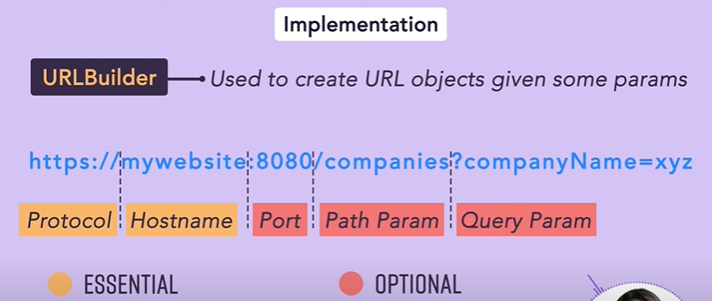

builder | interface IBuilder{
 | addMemory():void,
 | addDisk():void,
 | addMouse():void,
 | addMonitor():void,
 | addTouchScreen():void,
 | getSystem():Computer
 | }
product | class Computer{
 | meomory:string|null=null
 | disk:string|null=null
 | mouse:string|null=null
 | monitor:string|null=null
 | touchScreen:string|null=null

 | }

concreat builder | class LaptopBuilder implements IBuilder{
 | computerSystem:Computer=new Computer()

 | addMemory(): void {
 | this.computerSystem.meomory='2GB'
 | }
 | addDisk(): void {
 | this.computerSystem.disk='256GB-SSD'
 | }
 | addMouse(): void {

 | }
 | addMonitor(): void {

 | }
 | addTouchScreen(): void {
 | this.computerSystem.touchScreen='YES'
 | }
 | getSystem(): Computer {
 | return this.computerSystem
 | }

 | }

 | const laptopBuilder=new LaptopBuilder()
director | laptopBuilder.addDisk()
 | laptopBuilder.addMemory()
 | laptopBuilder.addTouchScreen()

 | const laptop=laptopBuilder.getSystem()

 | console.log(`Memory:${laptop.meomory},DISK:${laptop.disk},Touchscreen:${laptop.touchScreen}`)
 | Memory:2GB,DISK:256GB-SSD,Touchscreen:YES

ADP
Adapter Design Pattern
"Match interfaces of different classes". This means, an adapter allows two incompatible interfaces to work together
In software engineering, the adapter pattern is a software design pattern that allows the interface of an existing class to be used from another interface. It is often used to make existing classes work with others without modifying their source code.
Leveraging on Adapter pattern Improves reusability of older functionality

Implementation Guidelines : We choose Adapter Design Pattern when
A class need to be reused that does not have an interface that a client requires?
We need to work through a separate Adapter that adapts the interface of an existing class without changing it
Clients don't know whether they work with a Target class directly or through an Adapter with a class that does not have the Target interface

Let’s now take a look at the representation diagram of Adapter design pattern.
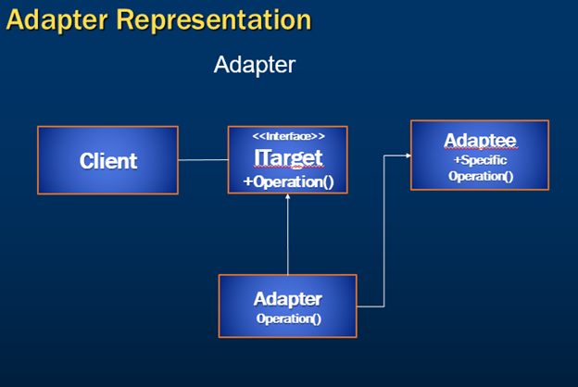

Client class is used to communicate with the Adapter class that implements the ITarget interface. In other words, this is the class used for creating the instance of Adapter class.

ITarget here represents an interface created to make client achieve its purpose.

The Adapter class implements the ITarget interface and inherits the Adaptee class as well.

Adaptee class contains the main functionality that client is expecting.

Step 1 : Create a console program and add Employee and EmployeeManager classes.
[Serializable]
public class Employee
{
Employee() { }
public Employee(int id, string name)
{
this.ID = id;
this.Name = name;
}
[XmlAttribute]
public int ID { get; set; }
[XmlAttribute]
public string Name { get; set; }
}

public class EmployeeManager
{
public List<Employee> employees;
public EmployeeManager()
{
employees = new List<Employee>();
this.employees.Add(new Employee(1, "John"));
this.employees.Add(new Employee(2, "Michael"));
this.employees.Add(new Employee(3, "Jason"));
}
public virtual string GetAllEmployees()
{
var emptyNamepsaces = new XmlSerializerNamespaces(new[] { XmlQualifiedName.Empty });
var serializer = new XmlSerializer(employees.GetType());
var settings = new XmlWriterSettings();settings.Indent = true;
settings.OmitXmlDeclaration = true;
using (var stream = new StringWriter())
using (var writer = XmlWriter.Create(stream, settings))
{
serializer.Serialize(writer, employees, emptyNamepsaces);
return stream.ToString();
}
}
}

Step 2 : Add IEmployee Interface to Target folder
namespace AdapterDesignPattern
{
public interface IEmployee
{
string GetAllEmployees();
}
}

Step 3 : Add Employee Adapter class and inherit IEmployee and EmployeeManager Classes
namespace AdapterDesignPattern.Adapter
{
public class EmployeeAdapter : EmployeeManager, IEmployee
{
public override string GetAllEmployees()
{
string returnXml = base.GetAllEmployees();
XmlDocument doc = new XmlDocument();
doc.LoadXml(returnXml);
return JsonConvert.SerializeObject(doc, Newtonsoft.Json.Formatting.Indented);
}
}
}

Step 4 : Invoke the EmployeeAdapter class in the main program which is our client. Run the application and notice that the xmlString is converted to JsonString with The Adapter Implementation.
namespace AdapterDesignPattern
{
class Program
{
static void Main(string[] args)
{
IEmployee emp = new EmployeeAdapter();
string value = emp.GetAllEmployees();
Console.ReadLine();
}
}
}

BridgeDP
Bridge Design Pattern : "Decouples an abstraction from its implementation so that the two can vary independently."

This means
This pattern is used to separate an abstraction from its implementation so that both can be modified independently.
This pattern involves an interface which acts as a bridge between the abstraction class and implementer classes.
By decoupling an abstraction, With Bridge pattern both types of classes can be modified without affecting to each other.

Implementation Guidelines : We need to Choose Bridge Design Pattern when
We want to avoid a permanent binding between an abstraction and its implementation.
We need both the abstractions and their implementations should be extensible by sub classing.
The changes in the implementation of an abstraction should have no impact on clients that is, their code should not have to be recompiled.
When we want to share an implementation among multiple objects
Last but not the least when we want to hide the implementation of an abstraction completely from clients.

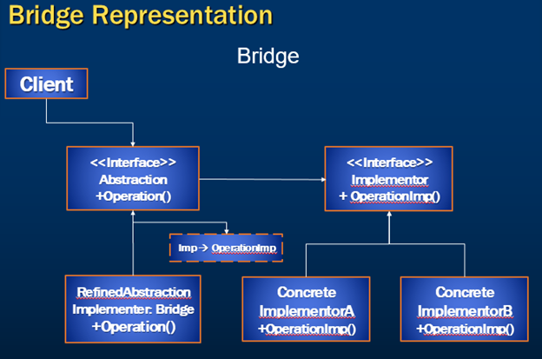
Representation Diagram

Requirement : Let’s assume that our requirement is to Process Payment of a customer who has either opted an option of Credit Card or Net banking payment during his purchase process.

When I say purchase process, I'm sure you are familiar with a purchase on an e-commerce website where we choose the product, add it to the shopping cart and proceed with the payment.

Typically we are provided with multiple payment option types such as Net Banking and Credit card payment and many more. For this example let’s consider we have credit card and net banking payments as the payment choices to proceed with payment

Step 1 : Create an interface IPaymentSystem to ProcessPayment

using System;
using System.Collections.Generic;
using System.Linq;
using System.Text;
using System.Threading.Tasks;

namespace BridgeDesignPattern
{
/// <summary>
/// Implementor Interface
/// </summary>
public interface IPaymentSystem
{
void ProcessPayment(string paymentSystem);
}
}

Step 2 : Create Citibank as Paymentgateway and implement ProcessPayment

using System;
using System.Collections.Generic;
using System.Linq;
using System.Text;
using System.Threading.Tasks;

namespace BridgeDesignPattern
{
/// <summary>
/// ConcreteImplementor
/// </summary>
public class CitiPaymentSystem : IPaymentSystem
{
public void ProcessPayment(string paymentSystem)
{
Console.WriteLine("Using CitiBank gateway for " + paymentSystem);
}
}
}

Step 3 : Create IDBI as Payment gateway and implement ProcessPayment

using System;
using System.Collections.Generic;
using System.Linq;
using System.Text;
using System.Threading.Tasks;

namespace BridgeDesignPattern
{
/// <summary>
/// ConcreteImplementor
/// </summary>
public class IDBIPaymentSystem : IPaymentSystem
{
public void ProcessPayment(string paymentSystem)
{
Console.WriteLine("Using IDBIBank gateway for " + paymentSystem);
}
}
}

Step 4 : Though we are processing payments using different payment gateways, Now a point to note here is that, for the end customer, the only that that matters is whether it’s Net banking or Credit/Debit card payment.

Which means we need to use these payment gateways and bridge them with Net Banking or Credit/Debit cards.
Let’s proceed and create those Classes of Abstraction and Refined Abstraction implementations.

using System;
using System.Collections.Generic;
using System.Linq;
using System.Text;
using System.Threading.Tasks;

namespace BridgeDesignPattern
{
/// <summary>
/// Abstraction
/// </summary>
public abstract class Payment
{
public IPaymentSystem _IPaymentSystem;
public abstract void MakePayment();
}
}

Step 5 : Create Refined abstraction class Card Payment and inherit the abstract class Payment

using System;
using System.Collections.Generic;
using System.Linq;
using System.Text;
using System.Threading.Tasks;

namespace BridgeDesignPattern
{
/// <summary>
/// RefinedAbstraction
/// </summary>
public class CardPayment : Payment
{
public override void MakePayment()
{
_IPaymentSystem.ProcessPayment("Card Payment");
}
}
}

Step 6 : Create Refined abstraction class Net Banking Payment and inherit the Abstract class Payment

using System;
using System.Collections.Generic;
using System.Linq;
using System.Text;
using System.Threading.Tasks;

namespace BridgeDesignPattern
{
/// <summary>
/// RefinedAbstraction
/// </summary>
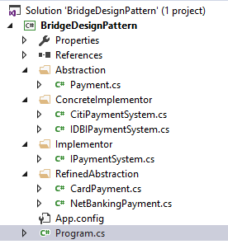
public class NetBankingPayment : Payment
{
public override void MakePayment()
{
_IPaymentSystem.ProcessPayment("NetBanking Payment");
}
}
}

Step 7 : Now that we have created these refined abstractions and implemented the Abstract method for our convenience and for our representation purpose, I have moved these interfaces and classes to the corresponding folder structure of Abstraction, Refined Abstraction, Implementer and Concrete Implementer folders.

However, it’s not mandatory to follow this structure.

Step 8 : Switch to the client which is main program and implement the below code

using System;
using System.Collections.Generic;
using System.Linq;
using System.Text;
using System.Threading.Tasks;

namespace BridgeDesignPattern
{
class Program
{
static void Main(string[] args)
{
Payment order = new CardPayment();
order._IPaymentSystem = new CitiPaymentSystem();
order.MakePayment();

order._IPaymentSystem = new IDBIPaymentSystem();
order.MakePayment();

order = new NetBankingPayment();
order._IPaymentSystem = new CitiPaymentSystem();
order.MakePayment();

Console.ReadKey();
}
}
}

Run the application and you will see the output as shown below.
Using Citibank gateway for Card Payment
Using IDBIBank gateway for Card Payment
Using Citibank gateway for NetBanking Payment

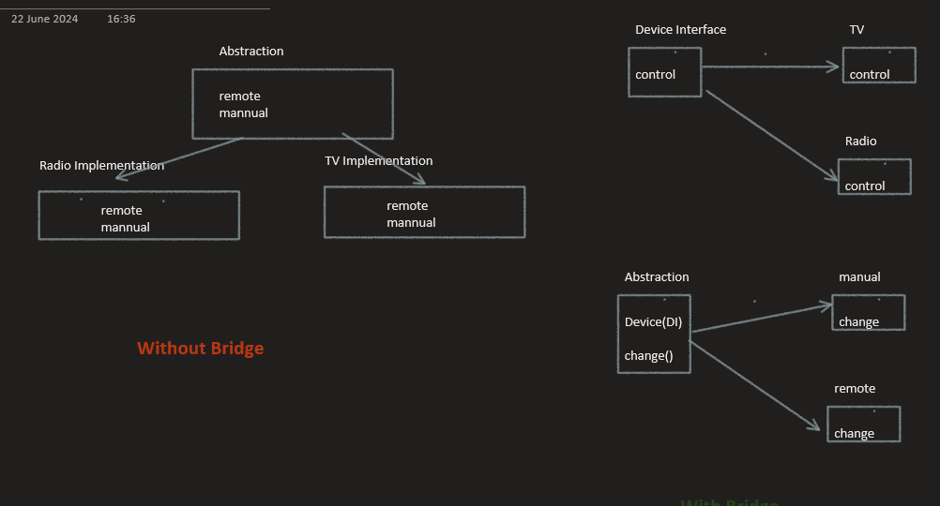

// Implementor interface
interface Device {
isEnabled(): boolean;
enable(): void;
disable(): void;
getVolume(): number;
setVolume(volume: number): void;
}

class Radio implements Device {
private volume: number = 0;
private enabled: boolean = false;

isEnabled(): boolean {
return this.enabled;
}

enable(): void {
this.enabled = true;
}

disable(): void {
this.enabled = false;
}

getVolume(): number {
return this.volume;
}

setVolume(volume: number): void {
this.volume = volume;
}
}

class TV implements Device {
private volume: number = 0;
private enabled: boolean = false;

isEnabled(): boolean {
return this.enabled;
}

enable(): void {
this.enabled = true;
}

disable(): void {
this.enabled = false;
}

getVolume(): number {
return this.volume;
}

setVolume(volume: number): void {
this.volume = volume;
}
}

// Abstraction
class RemoteControl {
protected device: Device;

constructor(device: Device) {
this.device = device;
}

togglePower(): void {
if (this.device.isEnabled()) {
this.device.disable();
} else {
this.device.enable();
}
}

volumeUp(): void {
this.device.setVolume(this.device.getVolume() + 10);
}

volumeDown(): void {
this.device.setVolume(this.device.getVolume() - 10);
}
}

// Refined Abstraction
class AdvancedRemoteControl extends RemoteControl {
mute(): void {
this.device.setVolume(0);
}
}

const radio = new Radio();
const tv = new TV();

const remote = new RemoteControl(radio)
remote.togglePower();
remote.volumeUp();
console.log(`Radio volume: ${radio.getVolume()}`); // Output: Radio volume: 10

const advancedRemote = new AdvancedRemoteControl(tv);
advancedRemote.togglePower();
advancedRemote.volumeUp();
advancedRemote.mute();
console.log(`TV volume: ${tv.getVolume()}`); // Output: TV volume: 0

CDP
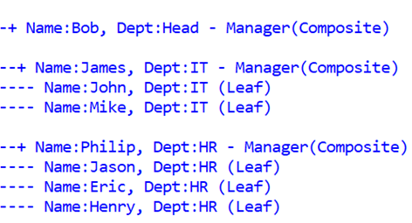
Composite Design Pattern : "Compose objects into tree structures to represent part-whole hierarchies. Composite let clients treat individual objects and compositions of objects uniformly.

Implementation Guidelines : We need to Choose Composite Design Pattern when
Represent part-whole hierarchies of objects.
Clients to ignore the difference between compositions of objects and individual objects.
Representation Diagram :

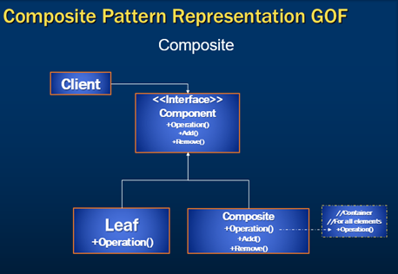

Client
Clients use the Component interface to interact with objects in the
Component
is the abstraction for all components, including composite ones
Leaf
Represents leaf objects in the composition
Implements all Component methods
Composite
Represents a composite Component (Please note that composite components have children and they could be composite child’s or leafs )
Implements all Component methods, generally by delegating them to its children

If you take a closer look at the representation diagram, the composite pattern can violate the Liskov substitution principle, as we end up with a dummy implementation of Add and Remove methods at the leaf throwing run-time error as add and remove partitions at the leaf doesn’t have any significance.

Hence we can change this representation slightly in a new form as shown below. If we compare previous and the current one notice that we have changed the component methods to have only the one which can be implemented by both leaf and composite nodes.
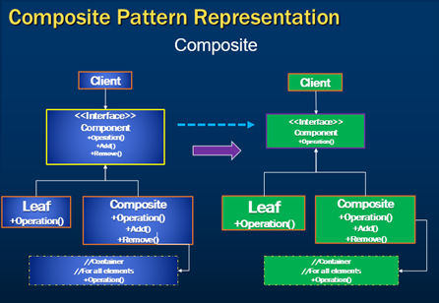

Step 1 : Create an interface IEmployee

using System;
using System.Collections.Generic;
using System.Linq;
using System.Text;
using System.Threading.Tasks;

namespace CompositeDesignPattern.Component
{
//Component
public interface IEmployee
{
void GetDetails(int indentation);
}
}

Step 2 : Create Employee Class and implement the interface component

using CompositeDesignPattern.Component;
using System;
using System.Collections.Generic;
using System.Linq;
using System.Text;
using System.Threading.Tasks;

namespace CompositeDesignPattern.Leaf
{
public class Employee : IEmployee
{
public Employee(string name, string dept)
{
this.Name = name;
this.Department = dept;
}

public string Name { get; set; }
public string Department { get; set; }

public void GetDetails(int indentation)
{
Console.WriteLine(string.Format("{0}- Name:{1}, Dept:{2} (Leaf) ",
new String('-', indentation), this.Name.ToString(),
this.Department));

}
}
}

Step 3 : Create Manager Class which is the composite and implement the interface component and add the subordinates as shown below.

using CompositeDesignPattern.Component;
using System;
using System.Collections.Generic;
using System.Linq;
using System.Text;
using System.Threading.Tasks;

namespace CompositeDesignPattern.Composite
{
public class Manager : IEmployee
{
public List<IEmployee> SubOrdinates;
public Manager(string name, string dept)
{
this.Name = name;
this.Department = dept;
SubOrdinates = new List<IEmployee>();
}
public string Name { get; set; }
public string Department { get; set; }
public void GetDetails(int indentation)
{
Console.WriteLine();
Console.WriteLine(string.Format("{0}+ Name:{1}, " +
"Dept:{2} - Manager(Composite)",
new String('-', indentation), this.Name.ToString(),
this.Department));
foreach (IEmployee component in SubOrdinates)
{
component.GetDetails(indentation + 1);
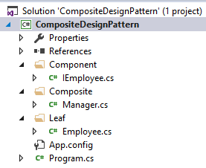
}
}
}
}

Step 4 : Above mentioned classes are created under the below folder structure. Again it’s not mandatory to follow this folder structure as we are just doing this for representation purpose.

Step 5 : Switch to the client which is main program and implement the below code

using CompositeDesignPattern.Component;
using CompositeDesignPattern.Composite;
using CompositeDesignPattern.Leaf;
using System;
using System.Collections.Generic;
using System.Linq;
using System.Text;
using System.Threading.Tasks;

namespace CompositeDesignPattern
{
class Program
{
static void Main(string[] args)
{
IEmployee John = new Employee("John", "IT");
IEmployee Mike = new Employee("Mike", "IT");
IEmployee Jason = new Employee("Jason", "HR");
IEmployee Eric = new Employee("Eric", "HR");
IEmployee Henry = new Employee("Henry", "HR");

IEmployee James = new Manager("James", "IT")
{ SubOrdinates = { John, Mike } };
IEmployee Philip = new Manager("Philip", "HR")
{ SubOrdinates = { Jason, Eric, Henry } };

IEmployee Bob = new Manager("Bob", "Head")
{ SubOrdinates = { James, Philip } };
James.GetDetails(1);
Console.ReadLine();
}
}
}

Step 6 : Run the application and notice the below output which implements the composition of employees.

FacadeDP
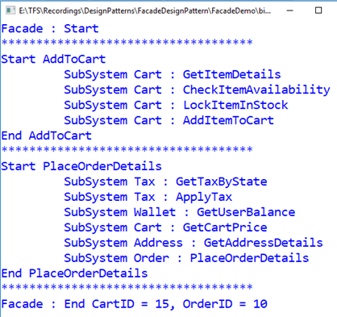
Facade Design Pattern : “Provide a unified interface to a set of interfaces in a subsystem. Facade defines a higher-level interface that makes the subsystem easier to use.” This pattern Falls under the category of Structural Design Pattern and is also known as Wrapper.

Implementation Guidelines : We need to use Facade Design Pattern when
We want to provide a simple interface to a complex subsystem. Subsystems often get more complex as they evolve.
There are many dependencies between clients and the implementation classes of an abstraction.
We want to layer the subsystems. Use a facade to define an entry point to each subsystem level.

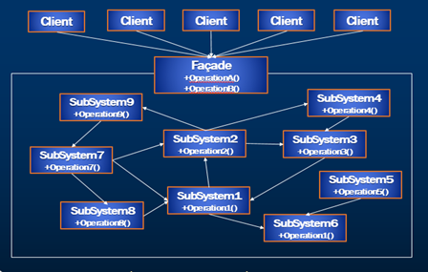
Representation Diagram

Step 1 : Add Subsystem interfaces IAddress, ICart, ITax, IWallet and IAddress

using ShoppingCart.Implementation;
using ShoppingCart.Models;
using System;
using System.Collections.Generic;
using System.Text;

namespace ShoppingCart.Interfaces
{
public interface IAddress
{
Address GetAddressDetails(int userID);
}
}

using ShoppingCart.Models;
using System;
using System.Collections.Generic;
using System.Text;

namespace ShoppingCart.Interfaces
{
public interface ICart
{
Product GetItemDetails(int itemID);
bool CheckItemAvailability(Product product);
bool LockItemInStock(int itemID, int quantity);
int AddItemToCart(int itemID, int quantity);
double GetCartPrice(int cartID);
}
}

using System;
using System.Collections.Generic;
using System.Text;

namespace ShoppingCart.Interfaces
{
public interface IOrder
{
int PlaceOrderDetails(int cartID, int shippingAddressID);
}
}

using ShoppingCart.Models;
using System;
using System.Collections.Generic;
using System.Text;

namespace ShoppingCart.Interfaces
{
public interface ITax
{
double GetTaxByState(string state);
void ApplyTax(int cartID, double taxPercent);
}
}

using System;
using System.Collections.Generic;
using System.Text;

namespace ShoppingCart.Interfaces
{
public interface IWallet
{
double GetUserBalance(int userID);
}
}

Step 2 : Add the below models used in the subsystems

using System;
using System.Collections.Generic;
using System.Text;

namespace ShoppingCart.Models
{
public class Address
{
public int AddressID { get; set; }
public string AddressDetails { get; set; }
public string PinCode { get; set; }
public string Phone { get; set; }
public string Country { get; set; }
public string State { get; set; }
public string City { get; set; }
}
}

using System;
using System.Collections.Generic;
using System.Text;

namespace ShoppingCart.Models
{
public class Cart
{
public int CartID { get; set; }
public int UserID { get; set; }
public IEnumerable<CartItem> ShoppingCart { get; set; }
}
}

using System;
using System.Collections.Generic;
using System.Text;

namespace ShoppingCart.Models
{
public class CartItem
{
public int ProductID { get; set; }
public int Quantity { get; set; }
public double TaxPercentage { get; set; }
public double Cost { get; set; }
public double Price { get; set; }
}
}

using System;
using System.Collections.Generic;
using System.Text;

namespace ShoppingCart.Models
{
public class Product
{
public int ProductID { get; set; }
public string Name { get; set; }
public string Description { get; set; }
public int Quantity { get; set; }
public double Cost { get; set; }
public int LockedQty { get; set; }
}
}

Step 3 : Implement the Subsystem interfaces as shown below Address, Order, Tax, Wallet, ShoppingCartDetails and Address

using ShoppingCart.Interfaces;
using System;
using System.Collections.Generic;
using System.Text;

namespace ShoppingCart.Implementation
{
public class AddressDetails : IAddress
{
public Models.Address GetAddressDetails(int userID)
{
Console.WriteLine("\t SubSystem Address : GetAddressDetails");
return new Models.Address();
}

}
}

using ShoppingCart.Interfaces;
using System;
using System.Collections.Generic;
using System.Text;

namespace ShoppingCart.Implementation
{
public class Order : IOrder
{
public int PlaceOrderDetails(int cartID, int shippingAddressID)
{
Console.WriteLine("\t SubSystem Order : PlaceOrderDetails");
return 10;
}
}
}

using ShoppingCart.Interfaces;
using System;
using System.Collections.Generic;
using System.Text;
using ShoppingCart.Models;

namespace ShoppingCart.Implementation
{
public class ShoppingCartDetails : ICart
{
public ShoppingCartDetails()
{
}
public int AddItemToCart(int itemID, int Quantity)
{
Console.WriteLine("\t SubSystem Cart : AddItemToCart");
return 15;
}
public bool CheckItemAvailability(Product product)
{
Console.WriteLine("\t SubSystem Cart : CheckItemAvailability");
return true;
}

public double GetCartPrice(int cartID)
{
Console.WriteLine("\t SubSystem Cart : GetCartPrice");
return 15;
}
public Product GetItemDetails(int itemID)
{
Console.WriteLine("\t SubSystem Cart : GetItemDetails");
return new Product();
}
public bool LockItemInStock(int itemID, int quantity)
{
Console.WriteLine("\t SubSystem Cart : LockItemInStock");
return true;
}
}
}

using ShoppingCart.Interfaces;
using ShoppingCart.Models;
using System;
using System.Collections.Generic;
using System.Text;

namespace ShoppingCart.Implementation
{
public class Tax : ITax
{
public void ApplyTax(int cartID, double taxPercent)
{
Console.WriteLine("\t SubSystem Tax : ApplyTax");
}
public double GetTaxByState(string state)
{
Console.WriteLine("\t SubSystem Tax : GetTaxByState");
return 10;
}
}
}

using ShoppingCart.Interfaces;
using System;
using System.Collections.Generic;
using System.Text;

namespace ShoppingCart.Implementation
{
public class Wallet : IWallet
{
public double GetUserBalance(int userID)
{
Console.WriteLine("\t SubSystem Wallet : GetUserBalance");
return 100;
}
}
}

Step 4 : Add Façade layer with interface and implementation as shown below

using System;
using System.Collections.Generic;
using System.Text;

namespace ShoppingFacade
{
public interface IUserOrder
{
int AddToCart(int itemId, int qty);
int PlaceOrder(int cartID, int userID);
}

}

using ShoppingCart.Implementation;
using ShoppingCart.Interfaces;
using ShoppingCart.Models;
using System;
using System.Collections.Generic;
using System.Text;

namespace ShoppingFacade
{
public class UserOrder : IUserOrder
{
public int AddToCart(int itemId, int qty )
{
Console.WriteLine("Start AddToCart");
ICart userCart = new ShoppingCartDetails();
int cartID = 0;
//Step 1 : GetItem
Product product = userCart.GetItemDetails(itemId);
//Step 2 : Check Availability
if (userCart.CheckItemAvailability(product))
{
//Step 3 : Lock Item in the Stock
userCart.LockItemInStock(itemId, qty);
//Step 4 : Add Item to the cart
cartID = userCart.AddItemToCart(itemId, qty);
}
Console.WriteLine("End AddToCart");
return cartID;
}

public int PlaceOrder(int cartID, int userID)
{
Console.WriteLine("Start PlaceOrderDetails");
int orderID = -1;
IWallet wallet = new Wallet();
ITax tax = new Tax();
ICart userCart = new ShoppingCartDetails();
IAddress address = new AddressDetails();
IOrder order = new Order();
//Step 1 : Get Tax percentage by State
double stateTax = tax.GetTaxByState("ABC");
//Step 2 : Apply Tax on the Cart Items
tax.ApplyTax(cartID, stateTax);
//Step 3 : Get user Wallet balance
double userWalletBalance = wallet.GetUserBalance(userID);
//Step 4 : Get the cart items price
double cartPrice = userCart.GetCartPrice(cartID);
//Step 5 : Compare the balance and price
if (userWalletBalance > cartPrice)
{
//Step 6 : Get user Address and set to cart
Address userAddress = address.GetAddressDetails(userID);
//Step 7 : Place the order
orderID = order.PlaceOrderDetails(cartID, userAddress.AddressID);

}
Console.WriteLine("End PlaceOrderDetails");
return orderID;
}
}
}

Step 5 : Use the console program and invoke the Façade methods with Console being the client for us

using System;
using System.Collections.Generic;
using System.Linq;
using System.Text;
using System.Threading.Tasks;
using ShoppingFacade;
namespace FacadeDemo
{
class Program
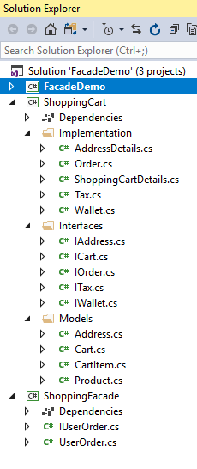
{
static void Main(string[] args)
{
IUserOrder userOrder = new UserOrder();
Console.WriteLine("Facade : Start");
Console.WriteLine("************************************");
int cartID = userOrder.AddToCart(10, 1);
int userID = 1234;
Console.WriteLine("************************************");
int orderID = userOrder.PlaceOrder(cartID, userID);
Console.WriteLine("************************************");
Console.WriteLine("Facade : End CartID = {0}, OrderID = {1}",
cartID, orderID);
Console.ReadLine();
}
}
}

Step 6 : Ensure to maintain the below structure for the code to work

Step 7 : Key notes
Please note that we are just representing all these methods at high level to show the complexity of the subsystems.
We have not implemented these methods in detail except that we are printing the details of the methods invoked in each of these subsystems using console.writeline.
As you all know, Our idea is to just understand the facade implementation and not to focus on the real implementations of these sub systems
Notice that in the output client invokes the facade methods of add to cart and place order details which Internally calls many subsystem methods to achieve this functionality
Step 8 : Run the application and notice the below output.

