lamportLogical
Lamport’s logical clock
It is a procedure to determine the order of events occurring.

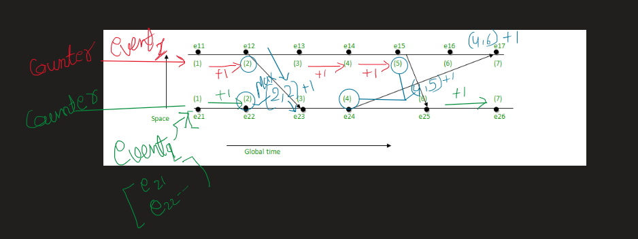

The value of the next point will go on increasing by d (d = 1), if there is no incoming value i.e., to follow [IR1]. | When there will be incoming value, then follow [IR2] i.e., take the maximum value between Cj and Tm + d.
e12 = e11 + d = 1 + 1 = 2 | e17 = max(7, 5) = 7, [e16 + d = 6 + 1 = 7, e24 + d = 4 + 1 = 5, maximum among 7 and 5 is 7]
e13 = e12 + d = 2 + 1 = 3 | e23 = max(3, 3) = 3, [e22 + d = 2 + 1 = 3, e12 + d = 2 + 1 = 3, maximum among 3 and 3 is 3]
e14 = e13 + d = 3 + 1 = 4 | e25 = max(5, 6) = 6, [e24 + 1 = 4 + 1 = 5, e15 + d = 5 + 1 = 6, maximum among 5 and 6 is 6]
e15 = e14 + d = 4 + 1 = 5
e16 = e15 + d = 5 + 1 = 6
e22 = e21 + d = 1 + 1 = 2
e24 = e23 + d = 3 + 1 = 4
e26 = e25 + d = 6 + 1 = 7

