Ambassdor
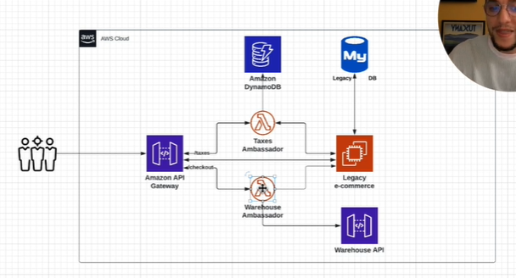
Ambassador pattern

Azure

Create helper services that send network requests on behalf of a consumer service or application. An ambassador service can be thought of as an out-of-process proxy that is co-located with the client.

This pattern can be useful for offloading common client connectivity tasks such as monitoring, logging, routing, security (such as TLS), and resiliency patterns in a language agnostic way. It's often used with legacy applications, or other applications that are difficult to modify, in order to extend their networking capabilities. It can also enable a specialized team to implement those features.

Context and problem

Resilient cloud-based applications require features such as circuit breaking, routing, metering and monitoring, and the ability to make network-related configuration updates. It may be difficult or impossible to update legacy applications or existing code libraries to add these features, because the code is no longer maintained or can't be easily modified by the development team.

Network calls may also require substantial configuration for connection, authentication, and authorization. If these calls are used across multiple applications, built using multiple languages and frameworks, the calls must be configured for each of these instances. In addition, network and security functionality may need to be managed by a central team within your organization. With a large code base, it can be risky for that team to update application code they aren't familiar with.

Strangler
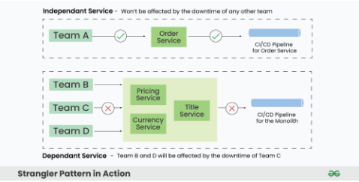
Strangler Pattern in Micro-services
The Strangler pattern is an architectural approach employed during the migration from a monolithic application to a microservices-based architecture. It derives its name from the way a vine slowly strangles a tree, gradually replacing its growth. Similarly, the Strangler pattern involves replacing parts of a monolithic application with microservices over time.
In order to implement strangler pattern, we need to follow 3 steps that are as follows:
Transform
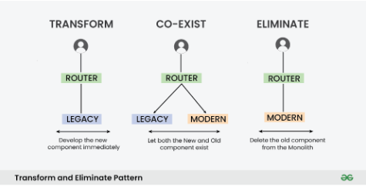
Co-exists
Eliminate

Features of the Strangler Pattern:
The Strangler pattern offers several essential features:
Gradual Migration: This pattern enables a step-by-step migration from a monolithic application to microservices. It allows organizations to replace specific functionality or modules incrementally.
Coexistence: During the migration process, the monolithic application and microservices coexist, ensuring uninterrupted system functionality.
Strangling Behavior: The Strangler pattern gradually replaces components or modules of the monolithic application with microservices, leading to the eventual replacement of the legacy system.

Implementation of Strangler Pattern:
Consider an e-commerce application with a monolithic architecture. To migrate the order management functionality to microservices using the Strangler pattern, follow these implementation steps:
Identify the order management functionality within the monolithic application.
Create an order management microservice.
Configure the API gateway to route order management requests to the microservice.
Migrate specific functionalities from the monolithic application to the microservice.
Repeat steps 1-4 until the monolithic application is fully replaced.

SAGA
Problem
ACID Transactions
In a traditional monolithic application, the system will create a local database transaction that works over multiple database tables. If any error occurs in between a transaction, it will be rolled back to its initial state. These transactions are known as ACID transactions (Atomicity, Consistency, Isolation, Durability). ACID transactions greatly ease the developer's task by having exclusive access to a particular database. You could see this in many monolithic application architectures, which have a simple way of handling transactions with a single database. In Figure 01, you could see how both the Customer and the Order tables are updated via a single atomic ACID transaction.
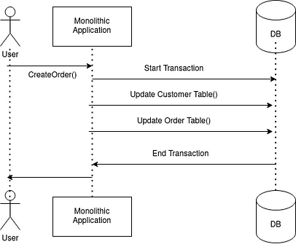

Distributed Transactions
Unlike single monolithic applications, distributed applications are dealing with multiple services. In such architectures, handling transactions could be a challenge.

Two-Phase Commit (2PC) is one of the distributed transaction strategies that we could apply.

Two-Phase Commit (2PC) Pattern

The 2PC Pattern is all about updating resources on multiple nodes in a single atomic operation.

In 2PC, it carries out an update in two phases (Figure 02).

Prepare: Each node, participating in the transaction, whether it is able to carry out an update in the second phase. Once each node is able to ensure it, the coordinator will be notified. If any of the nodes are unable to make it, the coordinator is notified to roll back releasing any locks they have with nodes.

Commit: Carrying out the update and completing the transaction.
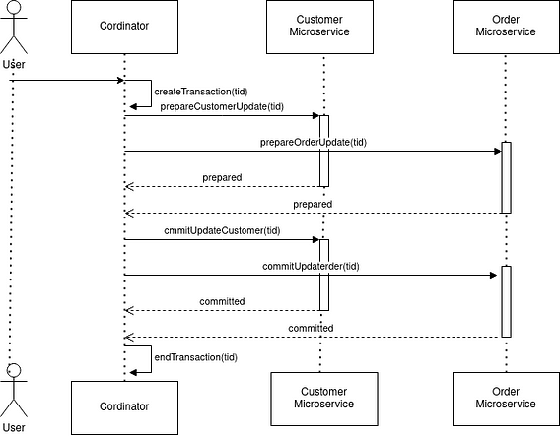

2PC represents a synchronous strong consistency approach within a distributed transaction.

However, 2PC is not fully recommended for microservices-based applications due to its synchronous blocking. This protocol will need to block the required object that will be changed before the transaction completes. This prevents the relevant object from being used by a different transaction (deadlock situation) until the ongoing transaction is fully completed. This is not a good situation, especially in a modern-day application.

Solution
The Saga Pattern
As explained above, your business logic can use ACID transactions within services. However, it must use Saga Pattern in order to maintain data consistency across services.

Pattern: Maintain data consistency across services using a sequence of local transactions that are coordinated using asynchronous messaging [2].

A Saga is a sequence of local transactions. Each local transaction updates the local database using the familiar ACID transaction frameworks and publishes an event to trigger the next local transaction in the Saga. If a local transaction fails, then the Saga executes a series of compensating transactions that undo the changes, which were completed by the preceding local transactions .

It is an asynchronous and eventually consistent transactional approach, which is quite analogous to a typical microservices application architecture, where a distributed transaction is fulfilled by a set of asynchronous transactions on related microservices.

An important benefit of the asynchronous nature of a Saga message is that it ensures that all steps of a Saga are executed, even if one or more of the Saga’s participants is temporarily unavailable. In addition to that, it can support long-lived transactions without blocking any other microservice or an object in the process.

However, Saga has its own weaknesses as well. Some of the key challenges are,

The lack of isolation between Sagas.

Rolling back changes when an error happens within a Saga.

Saga Coordination
Sagas can be implemented in “two ways” primarily based on the logic that coordinates the steps of the Saga.

Choreography based sagas

Orchestration based sagas

In a choreography based saga, a local transaction publishes events that trigger other participants to execute local transactions. In an orchestrated-based saga, a centralized saga orchestrator sends command messages to saga participants telling them to execute local transactions. [3].

Generally in practice, simple sagas can leverage the concept of choreography and for complex sagas, it is recommended to use the orchestrated version. [3]

Choreography based Sagas
In this approach, unlike orchestrator-based saga, there is no central coordinator to tell saga participants what to do. Saga participants subscribe to each other’s events and respond accordingly (Figure 04).

Interaction Type: Publisher / Subscriber Messaging
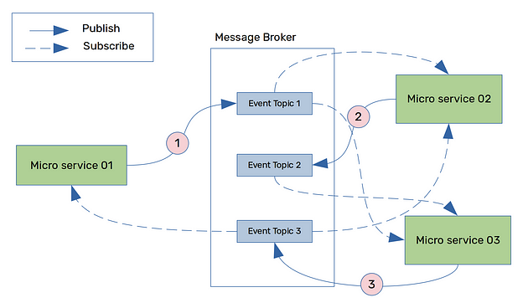

Orchestration based sagas
In this type, a central Saga orchestration class is responsible to tell saga participants what to do.

Interaction Type: Asynchronous Request/ Response

Here, an Asynchronous Request also names a “Command Message”
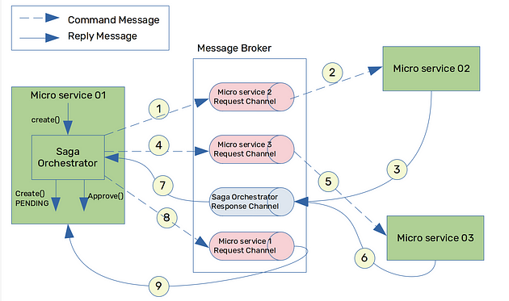

Choreography SAGA implementation

Let's create a simplified example with three microservices:

1. **Order Service:** Manages orders.
2. **Inventory Service:** Manages inventory.
3. **Payment Service:** Manages payments.

Each service will communicate using Kafka to manage the Saga pattern. We'll use the `kafkajs` package for Kafka integration and a simple in-memory state to simulate MongoDB transactions.

### Prerequisites

1. **Kafka Setup:** Ensure Kafka and Zookeeper are running.
2. **Install necessary packages:**

```bash
npm install kafkajs
```

### Implementation

#### 1. Kafka Client Setup

Create a common Kafka client setup to be used by all services.

```javascript
// kafkaClient.js
const { Kafka } = require('kafkajs');

const kafka = new Kafka({
clientId: 'saga-example',
brokers: ['localhost:9092'],
});

module.exports = kafka;
```

#### 2. Order Service

Handles order creation and publishes events to Kafka.

```javascript
// orderService.js
const kafka = require('./kafkaClient');
const producer = kafka.producer();
const orderState = {}; // Simulate database

async function createOrder(orderId, productId, quantity) {
orderState[orderId] = { orderId, productId, quantity, status: 'PENDING' };
await producer.connect();
await producer.send({
topic: 'order-created',
messages: [{ value: JSON.stringify({ orderId, productId, quantity }) }],
});
console.log(`Order ${orderId} created`);
}

async function compensateOrder(orderId) {
delete orderState[orderId];
console.log(`Order ${orderId} compensated`);
}

module.exports = { createOrder, compensateOrder };
```

#### 3. Inventory Service

Handles inventory updates and listens to Kafka events.

```javascript
// inventoryService.js
const kafka = require('./kafkaClient');
const consumer = kafka.consumer({ groupId: 'inventory-group' });
const producer = kafka.producer();
const inventoryState = {}; // Simulate database

async function updateInventory(productId, quantity) {
if (!inventoryState[productId]) inventoryState[productId] = 100; // Simulate stock
inventoryState[productId] -= quantity;
console.log(`Inventory updated for product ${productId}`);
}

async function compensateInventory(productId, quantity) {
inventoryState[productId] += quantity;
console.log(`Inventory compensation for product ${productId}`);
}

async function run() {
await consumer.connect();
await producer.connect();
await consumer.subscribe({ topic: 'order-created' });

await consumer.run({
eachMessage: async ({ topic, partition, message }) => {
const { orderId, productId, quantity } = JSON.parse(message.value.toString());
try {
await updateInventory(productId, quantity);
await producer.send({
topic: 'inventory-updated',
messages: [{ value: JSON.stringify({ orderId, productId, quantity }) }],
});
} catch (error) {
await producer.send({
topic: 'inventory-compensate',
messages: [{ value: JSON.stringify({ orderId, productId, quantity }) }],
});
}
},
});
}

run().catch(console.error);
```

#### 4. Payment Service

Handles payment processing and listens to Kafka events.

```javascript
// paymentService.js
const kafka = require('./kafkaClient');
const consumer = kafka.consumer({ groupId: 'payment-group' });
const producer = kafka.producer();

async function processPayment(orderId, amount) {
console.log(`Processed payment of $${amount} for order ${orderId}`);
}

async function compensatePayment(orderId, amount) {
console.log(`Refunded payment of $${amount} for order ${orderId}`);
}

async function run() {
await consumer.connect();
await producer.connect();
await consumer.subscribe({ topic: 'inventory-updated' });

await consumer.run({
eachMessage: async ({ topic, partition, message }) => {
const { orderId, productId, quantity } = JSON.parse(message.value.toString());
try {
await processPayment(orderId, 100); // Simulated amount
await producer.send({
topic: 'order-confirmed',
messages: [{ value: JSON.stringify({ orderId }) }],
});
} catch (error) {
await producer.send({
topic: 'payment-compensate',
messages: [{ value: JSON.stringify({ orderId, amount: 100 }) }],
});
}
},
});
}

run().catch(console.error);
```

#### 5. Compensation Logic

Each service must handle its own compensation logic upon receiving compensation events.

For instance, modify the `orderService.js` to listen for compensation events:

```javascript
// orderService.js
const kafka = require('./kafkaClient');
const producer = kafka.producer();
const consumer = kafka.consumer({ groupId: 'order-group' });
const orderState = {}; // Simulate database

async function createOrder(orderId, productId, quantity) {
orderState[orderId] = { orderId, productId, quantity, status: 'PENDING' };
await producer.connect();
await producer.send({
topic: 'order-created',
messages: [{ value: JSON.stringify({ orderId, productId, quantity }) }],
});
console.log(`Order ${orderId} created`);
}

async function compensateOrder(orderId) {
delete orderState[orderId];
console.log(`Order ${orderId} compensated`);
}

async function run() {
await consumer.connect();
await consumer.subscribe({ topic: 'payment-compensate' });

await consumer.run({
eachMessage: async ({ topic, partition, message }) => {
const { orderId } = JSON.parse(message.value.toString());
await compensateOrder(orderId);
},
});
}

run().catch(console.error);

module.exports = { createOrder, compensateOrder };
```

#### 6. Main Entry Point

Finally, create a main entry point to trigger the order creation:

```javascript
// index.js
const { createOrder } = require('./orderService');

const orderId = '1234';
const productId = '5678';
const quantity = 2;

createOrder(orderId, productId, quantity).catch(console.error);
```

### Running the Services

1. Start Kafka and Zookeeper.
2. Run each service in separate terminal windows:

```bash
node orderService.js
node inventoryService.js
node paymentService.js
```

3. Trigger the order creation:

```bash
node index.js
```

This setup ensures that each microservice can independently handle its part of the transaction and communicate via Kafka to maintain consistency and handle compensations if any step fails.

Orchestrator SAGA Implementation
const { MongoClient } = require('mongodb');
const { Saga, Step } = require('sagas');

const uri = 'mongodb://localhost:27017';
const dbName = 'testDB';

async function createConnection() {
const client = new MongoClient(uri, { useNewUrlParser: true, useUnifiedTopology: true });
await client.connect();
console.log('Connected to MongoDB');
return client;
}

// Step 1: Insert order
async function insertOrder(client, orderId, productId, quantity) {
const db = client.db(dbName);
const ordersCollection = db.collection('orders');
await ordersCollection.insertOne({ orderId, productId, quantity });
console.log(`Inserted order ${orderId}`);
}

async function compensateInsertOrder(client, orderId) {
const db = client.db(dbName);
const ordersCollection = db.collection('orders');
await ordersCollection.deleteOne({ orderId });
console.log(`Deleted order ${orderId}`);
}

// Step 2: Update inventory
async function updateInventory(client, productId, quantity) {
const db = client.db(dbName);
const inventoryCollection = db.collection('inventory');
await inventoryCollection.updateOne(
{ productId },
{ $inc: { quantity: -quantity } }
);
console.log(`Updated inventory for product ${productId}`);
}

async function compensateUpdateInventory(client, productId, quantity) {
const db = client.db(dbName);
const inventoryCollection = db.collection('inventory');
await inventoryCollection.updateOne(
{ productId },
{ $inc: { quantity } }
);
console.log(`Reverted inventory update for product ${productId}`);
}

// Step 3: Process payment (simulated)
async function processPayment(client, orderId, amount) {
// Simulate payment processing logic here
console.log(`Processed payment of $${amount} for order ${orderId}`);
}

async function compensatePayment(client, orderId, amount) {
// Simulate payment refund logic here
console.log(`Refunded payment of $${amount} for order ${orderId}`);
}

async function main() {
const client = await createConnection();
const saga = new Saga()
.step(new Step(insertOrder, compensateInsertOrder))
.step(new Step(updateInventory, compensateUpdateInventory))
.step(new Step(processPayment, compensatePayment));

const orderId = '1234';
const productId = '5678';
const quantity = 2;
const amount = 100;

try {
await saga.execute(client, orderId, productId, quantity, amount);
console.log('Order processed successfully');
} catch (err) {
console.log('Failed to process order:', err);
} finally {
await client.close();
}
}

main().catch(console.error);

CQRS
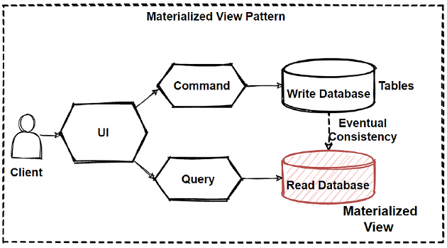
What is the CQRS Design Pattern?
CQRS stands for Command Query Responsibility Segregation, which is a design pattern used in software engineering to separate the responsibilities of handling commands (changing state) from the responsibility of querying data.
This pattern splits the responsibility of handling commands that change data from handling queries that retrieve data in software systems.
This separation allows for more flexibility and scalability in managing complex operations. In a system following the CQRS pattern, commands are responsible for modifying the state of the system, while queries are responsible for retrieving data from the system.

Principles and Concepts of CQRS Design Pattern in Microservices
When applying the CQRS (Command Query Responsibility Segregation) pattern in a microservices architecture, several principles and concepts are essential to understand:
Service Boundary: Each microservice defines a clear boundary around a specific business capability or domain. This boundary encapsulates both the command and query responsibilities related to that domain.
Separation of Concerns: CQRS emphasizes separating the responsibilities of handling commands (write operations) from handling queries (read operations). Each microservice focuses on either handling commands or handling queries, but not both.
Independent Scaling: Since commands and queries often have different performance characteristics and scalability requirements, CQRS allows microservices to be independently scaled based on the workload they handle. For example, a microservice responsible for processing high-frequency commands may be scaled independently from a microservice focused on handling complex queries.
Domain-Driven Design (DDD): CQRS is often applied in conjunction with Domain-Driven Design principles. DDD helps in identifying bounded contexts, aggregates, and domain entities, which can then be mapped to microservices following the CQRS pattern.
Event-Driven Architecture: Event-driven architecture complements CQRS by enabling communication between microservices and maintaining consistency across distributed systems. Events can be used to notify other microservices about changes in state resulting from command execution

Key Components of CQRS Design Pattern in Microservices
In a microservices architecture implementing the CQRS (Command Query Responsibility Segregation) pattern, the key components include:
Command Service:
Command Handlers: Responsible for receiving, validating, and executing commands that change the state of the system.
Domain Logic: Implements business rules and domain-specific logic required to process commands.
Transactional Behavior: Ensures atomicity, consistency, isolation, and durability (ACID properties) of command execution.
Query Service:
Query Handlers: Retrieve data from the system in response to read requests without modifying the state.
Optimized Data Access: Utilizes efficient data retrieval mechanisms, such as denormalization, caching, or indexing, to optimize query performance.
Scalability: Scales independently to handle varying read workloads efficiently.
Event Bus or Message Broker:
Asynchronous Communication: Facilitates communication between command and query services through events or messages.
Publish-Subscribe Mechanism: Allows command services to publish events representing state changes, which query services can subscribe to for eventual consistency.
Decoupling: Enables loose coupling between services, promoting flexibility, and fault tolerance.
Data Stores:
Write Store (Command Side): Optimized for handling write operations, such as inserts, updates, and deletes. May use NoSQL databases for scalability and performance.
Read Store (Query Side): Optimized for efficient data retrieval. May use relational databases for complex queries or specialized data stores for specific use cases.
API Gateway or Service Mesh:
Entry Point: Provides a single entry point for clients to interact with the microservices architecture.
Routing and Load Balancing: Routes requests to the appropriate command or query services and balances the load across instances.
Security and Authentication: Enforces security policies, authentication, and authorization mechanisms

CQRS Design Pattern
CQRS is one of the important pattern when querying between microservices. We can use CQRS design pattern in order to avoid complex queries to get rid of inefficient joins. CQRS stands for Command and Query Responsibility Segregation. Basically this pattern separates read and update operations for a database.

Normally, in monolithic applications, most of time we have 1 database and this database should respond both query and update operations. That means a database is both working for complex join queries, and also perform CRUD operations. But if the application goes more complex this query and crud operations will be also is going to be un-manageable situation.

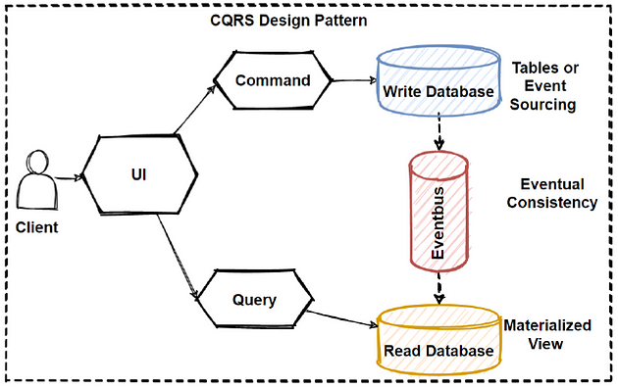
In example of reading database, if your application required some query that needs to join more than 10 table, this will lock the database due to latency of query computation. Also if we give example of writing database, when performing crud operations we would need to make complex validations and process long business logics, so this will cause to lock database operations.

So reading and writing database has different approaches that we can define different strategy to handle that operation. In order to that CQRS offers to use “separation of concerns” principles and separate reading database and the writing database with 2 database. By this way we can even use different database for reading and writing database types like using no-sql for reading and using relational database for crud operations.

Another consideration is we should understand our application use case behaviors, if our application is mostly reading use cases and not writing so much, we can say our application is read-incentive application. So we should design our architecture as per our reading requirements with focusing reading databases.

So we can say that CQRS separates reads and writes into different databases, Commands performs update data, Queries performs read data.

Commands should be actions with task-based operations like “add item into shopping cart” or “checkout order”. So commands can be handle with message broker systems that provide to process commands in async way.

Queries is never modify the database. Queries always return the JSON data with DTO objects. By this way, we can isolate the Commands and Queries.

In order isolate Commands and Queries, its best practices to separate read and write database with 2 database physically. By this way, if our application is read-intensive that means reading more than writing, we can define custom data schema to optimized for queries.

Materialized view pattern is good example to implement reading databases. Because by this way we can avoid complex joins and mappings with pre defined fine-grained data for query operations.

IdempotentAPI
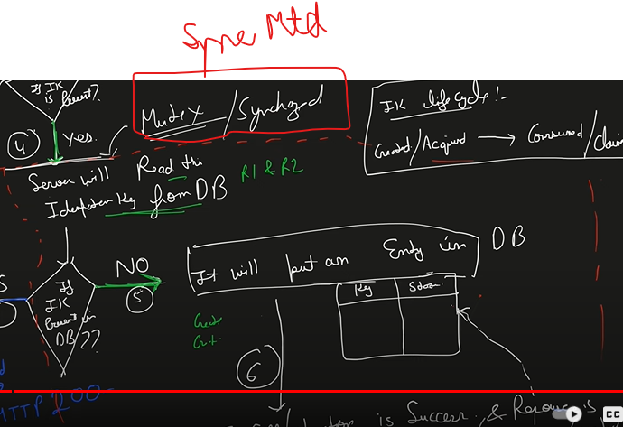
 | https://www.youtube.com/watch?v=mI73eTlSqeU
 | What is idempotent?

 | An operation is idempotent if it will produce the same results when executed over and over again.

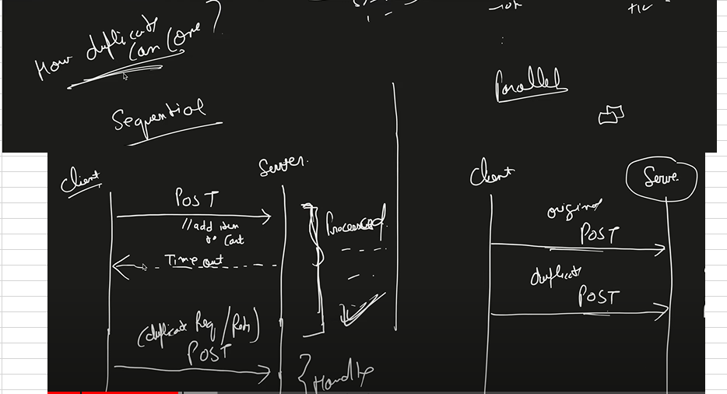
cause

Soll
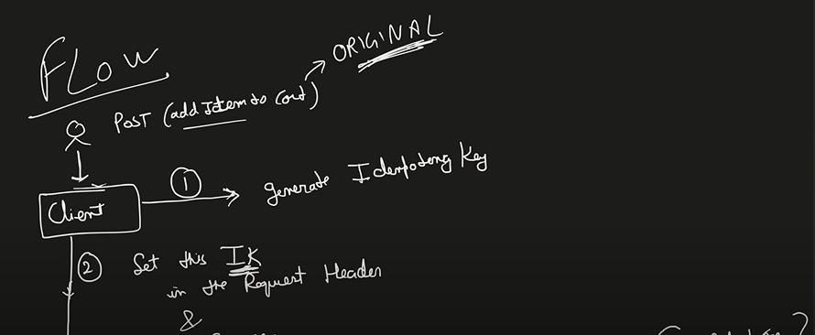

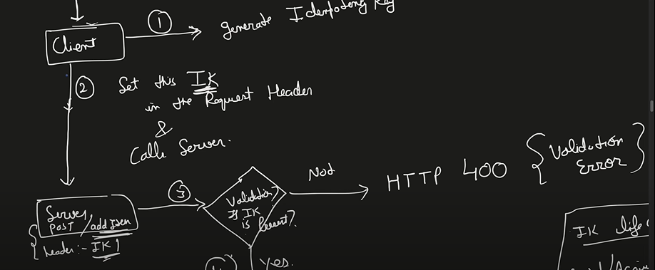

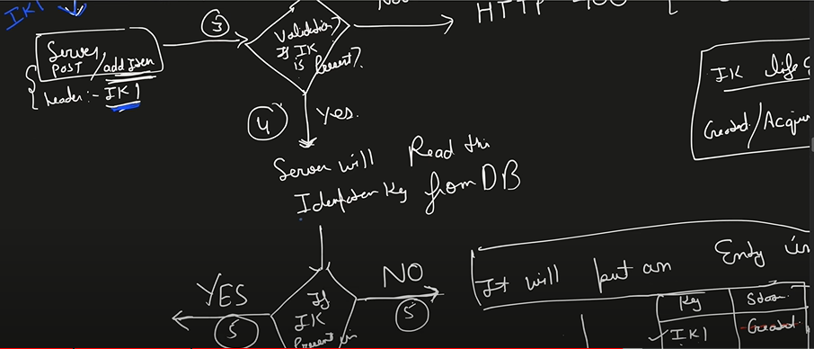

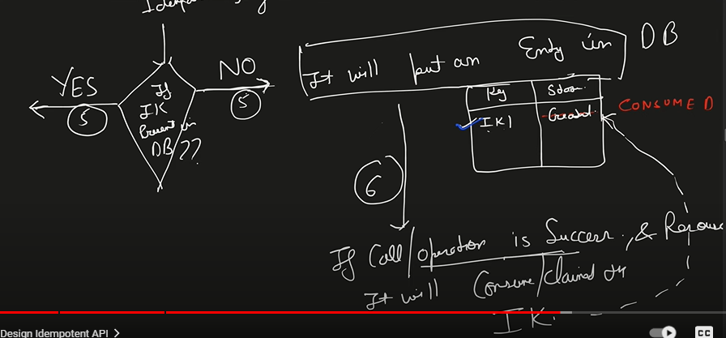

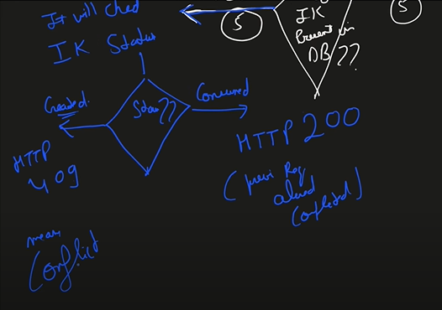

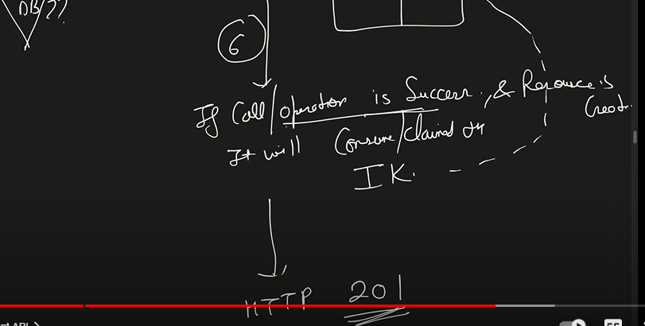

parallel request

Semaphore
Semaphores in Process Synchronization

Semaphores are of two types:
1. Binary Semaphore –
This is also known as a mutex lock. It can have only two values – 0 and 1. Its value is initialized to 1. It is used to implement the solution of critical section problems with multiple processes.
2. Counting Semaphore –
Its value can range over an unrestricted domain. It is used to control access to a resource that has multiple instances.
Now let us see how it does so.
First, look at two operations that can be used to access and change the value of the semaphore variable.
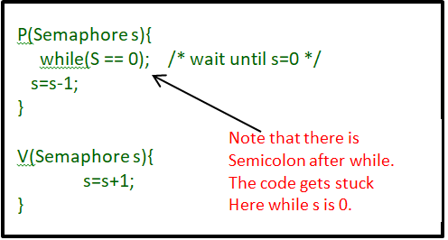

Some points regarding P and V operation:
1. P operation is also called wait, sleep, or down operation, and V operation is also called signal, wake-up, or up operation.
2. Both operations are atomic and semaphore(s) is always initialized to one. Here atomic means that variable on which read, modify and update happens at the same time/moment with no pre-emption i.e. in-between read, modify and update no other operation is performed that may change the variable.
3. A critical section is surrounded by both operations to implement process synchronization. See the below image. The critical section of Process P is in between P and V operation.
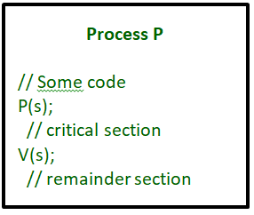

Now, let us see how it implements mutual exclusion. Let there be two processes P1 and P2 and a semaphore s is initialized as 1. Now if suppose P1 enters in its critical section then the value of semaphore s becomes 0. Now if P2 wants to enter its critical section then it will wait until s > 0, this can only happen when P1 finishes its critical section and calls V operation on semaphore s.
This way mutual exclusion is achieved. Look at the below image for details which is a Binary semaphore.
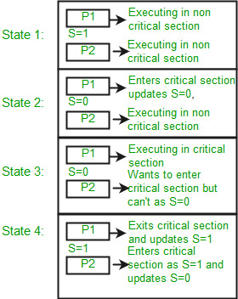

// Define a Semaphore object
function Semaphore() {
this.value = 0;
this.q = []; // Initialize an array to act as a queue
}

// Implement the P operation
Semaphore.prototype.P = function(p) {
this.value = this.value - 1;
if (this.value < 0) {
// Add process to queue
this.q.push(p);
// Assuming block() and wakeup() functions are defined elsewhere
block();
}
};

// Implement the V operation
Semaphore.prototype.V = function() {
this.value = this.value + 1;
if (this.value <= 0) {
// Remove process p from queue
var p = this.q.shift();
// Assuming wakeup() function is defined elsewhere
wakeup(p);
}

Circut-Breaker
microservice | https://www.geeksforgeeks.org/what-is-circuit-breaker-pattern-in-microservices/

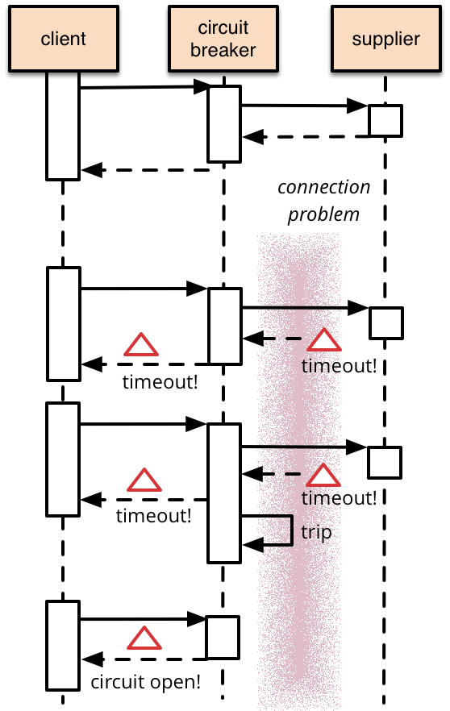

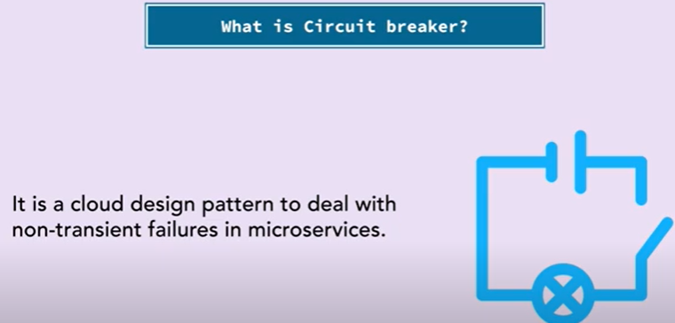

import express from 'express'
import moment from 'moment';
const app = express();
let circuit='CLOSE'

// Middleware to log request details
app.use((req, res, next) => {
console.log(`${req.method} request for '${req.url}'`);
next();
});

// Middleware to add a custom header to the response
app.use((req, res, next) => {
//if state is open
if(circuit=='OPEN' && !req.url.includes('close')) { return res.status(500).send('open circuit') }

const originalSend = res.send;

res.send = (body) => {
//circuit breker logic:Global value set to denote Open/Close/Half
console.log('app.use:', moment().format("HHMMSSSS"));
originalSend.call(res, body);
};

const originalstatus= res.status;

res.status = (body) => {
//circuit breker logic:Global value set to denote Open/Close/Half
console.log('app.use:status', moment().format("HHMMSSSS"));
return originalstatus.call(res, body);
};

next();
});

// Middleware to modify the response body for a specific route
app.use('/modify', (req, res, next) => {
res.originalSend = res.send;
res.send = (body) => {
console.log('app.modify:', moment().format("HHMMSSSS"));
body += '\nThis response was modified by middleware.';
res.originalSend.call(res, body);
};
next();
});

// A route handler
app.get('/', (req, res) => {
res.send('Hello, world!');
});

// A route handler for the '/modify' route
app.get('/modify', (req, res) => {
console.log('get.modify:', moment().format("HHMMSSSS"));
res.status(200).send('Original response body.');
});

//manuall open simulation
app.get('/open', (req, res) => {
circuit='OPEN'
res.send('opened');
});

//manual close simulation
app.get('/close', (req, res) => {
circuit='CLOSE'
res.send('closed');
});

// Error-handling middleware
app.use((err, req, res, next) => {
console.error(err.stack);
res.status(500).send('Something broke!');
});

app.listen(3000, () => {
console.log('Server is running on port 3000');
});

