VideoStream
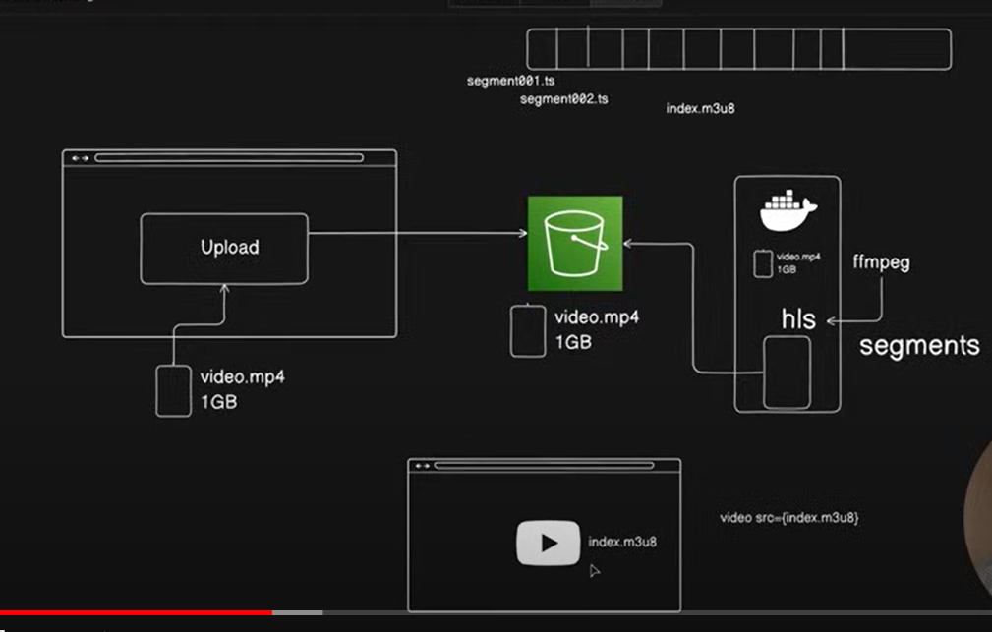
https://github.com/piyushgarg-dev/hls-streaming

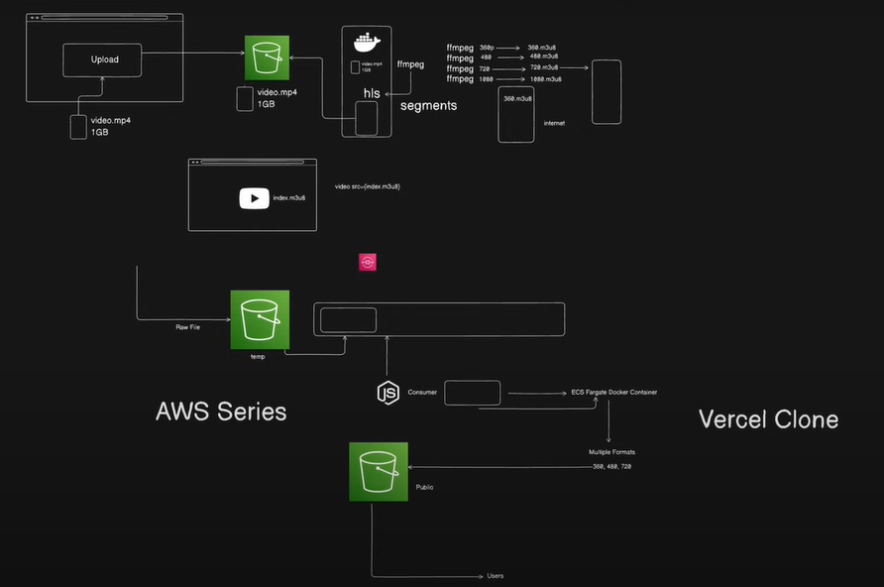
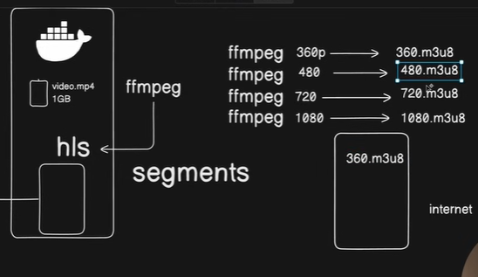

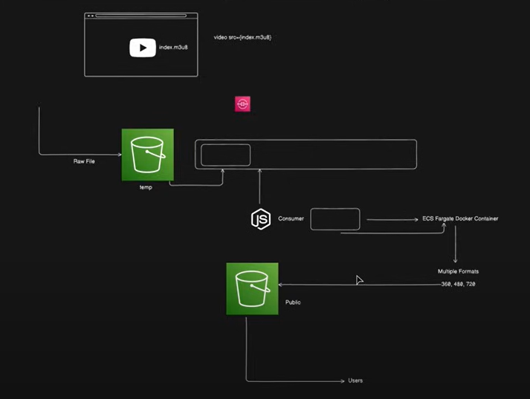

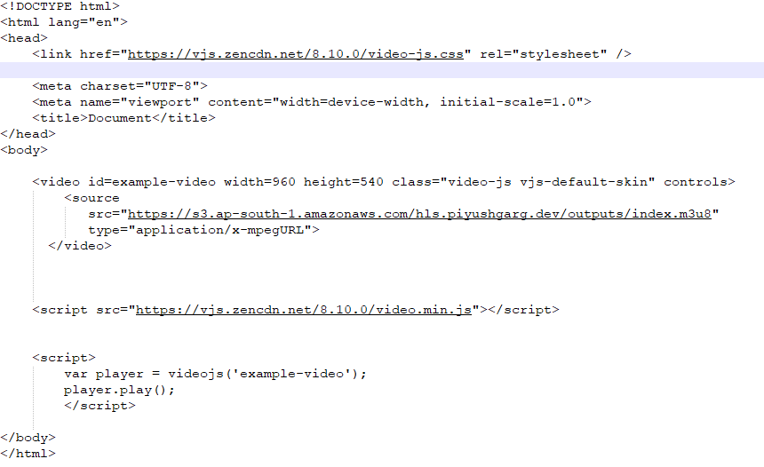
 | Dockerfile | index.html
 | FROM ubuntu:focal

 | RUN /usr/bin/apt-get update && \
 | /usr/bin/apt-get install -y curl && \
 | curl -sL https://deb.nodesource.com/setup_18.x | bash - && \
 | /usr/bin/apt-get update && \
 | /usr/bin/apt-get upgrade -y && \
 | /usr/bin/apt-get install -y nodejs ffmpeg

 | WORKDIR /home/app

 | ENTRYPOINT [ "bash" ]

VercelClone
 | https://github.com/piyushgarg-dev/vercel-clone
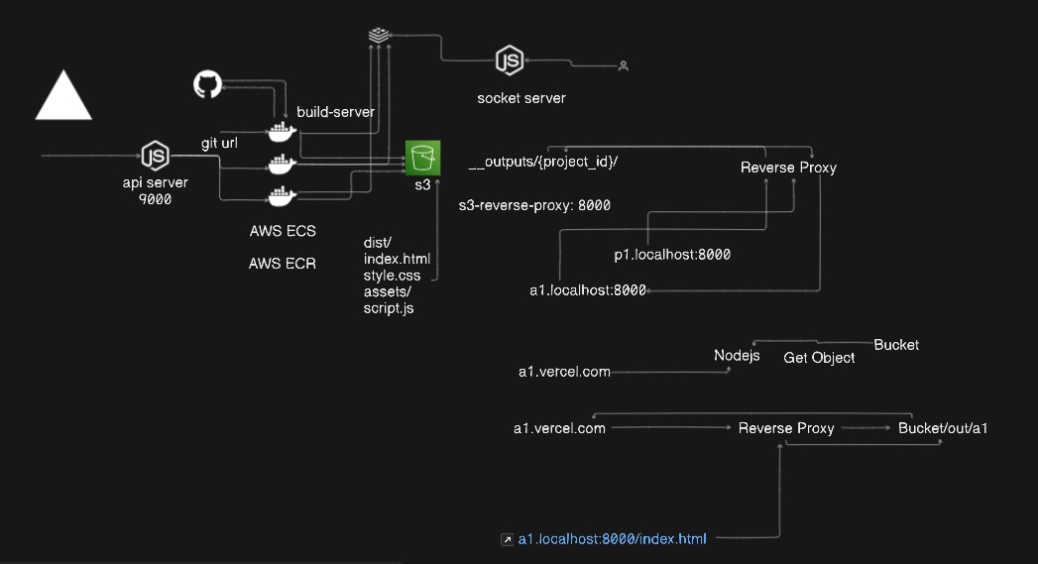

api-server |  | build-server
const express = require('express') |  | Dockerfile | main.sh
const { generateSlug } = require('random-word-slugs') |  | FROM ubuntu:focal | #!/bin/bash
const { ECSClient, RunTaskCommand } = require('@aws-sdk/client-ecs')
const { Server } = require('socket.io') |  | RUN apt-get update | export GIT_REPOSITORY__URL="$GIT_REPOSITORY__URL"
const Redis = require('ioredis') |  | RUN apt-get install -y curl
 |  | RUN curl -sL https://deb.nodesource.com/setup_20.x | bash - | git clone "$GIT_REPOSITORY__URL" /home/app/output
const app = express() |  | RUN apt-get upgrade -y
const PORT = 9000 |  | RUN apt-get install -y nodejs | exec node script.js

const subscriber = new Redis('') |  | RUN apt-get install git -y | script.js
 |  |  | const { exec } = require('child_process')
const io = new Server({ cors: '*' }) |  | WORKDIR /home/app | const path = require('path')
 |  |  | const fs = require('fs')
io.on('connection', socket => { |  | COPY main.sh main.sh | const { S3Client, PutObjectCommand } = require('@aws-sdk/client-s3')
socket.on('subscribe', channel => { |  | COPY script.js script.js | const mime = require('mime-types')
socket.join(channel) |  | COPY package*.json . | const Redis = require('ioredis')
socket.emit('message', `Joined ${channel}`)
}) |  | RUN npm install
}) |  |  | const publisher = new Redis('')
 |  | RUN chmod +x main.sh
io.listen(9002, () => console.log('Socket Server 9002')) |  | RUN chmod +x script.js
 |  |  | const s3Client = new S3Client({
const ecsClient = new ECSClient({ |  | ENTRYPOINT [ "/home/app/main.sh" ] | region: '',
region: '', |  |  | credentials: {
credentials: { |  |  | accessKeyId: '',
accessKeyId: '', |  |  | secretAccessKey: ''
secretAccessKey: '' |  |  | }
} |  |  | })
})
 |  |  | const PROJECT_ID = process.env.PROJECT_ID
const config = {
CLUSTER: '',
TASK: '' |  |  | function publishLog(log) {
} |  |  | publisher.publish(`logs:${PROJECT_ID}`, JSON.stringify({ log }))
 |  |  | }
app.use(express.json())
 |  |  | async function init() {
app.post('/project', async (req, res) => { |  |  | console.log('Executing script.js')
const { gitURL, slug } = req.body |  |  | publishLog('Build Started...')
const projectSlug = slug ? slug : generateSlug() |  |  | const outDirPath = path.join(__dirname, 'output')

// Spin the container |  |  | const p = exec(`cd ${outDirPath} && npm install && npm run build`)
const command = new RunTaskCommand({
cluster: config.CLUSTER, |  |  | p.stdout.on('data', function (data) {
taskDefinition: config.TASK, |  |  | console.log(data.toString())
launchType: 'FARGATE', |  |  | publishLog(data.toString())
count: 1, |  |  | })
networkConfiguration: {
awsvpcConfiguration: { |  |  | p.stdout.on('error', function (data) {
assignPublicIp: 'ENABLED', |  |  | console.log('Error', data.toString())
subnets: ['', '', ''], |  |  | publishLog(`error: ${data.toString()}`)
securityGroups: [''] |  |  | })
}
}, |  |  | p.on('close', async function () {
overrides: { |  |  | console.log('Build Complete')
containerOverrides: [ |  |  | publishLog(`Build Complete`)
{ |  |  | const distFolderPath = path.join(__dirname, 'output', 'dist')
name: 'builder-image', |  |  | const distFolderContents = fs.readdirSync(distFolderPath, { recursive: true })
environment: [
{ name: 'GIT_REPOSITORY__URL', value: gitURL }, |  |  | publishLog(`Starting to upload`)
{ name: 'PROJECT_ID', value: projectSlug } |  |  | for (const file of distFolderContents) {
] |  |  | const filePath = path.join(distFolderPath, file)
} |  |  | if (fs.lstatSync(filePath).isDirectory()) continue;
]
} |  |  | console.log('uploading', filePath)
}) |  |  | publishLog(`uploading ${file}`)

await ecsClient.send(command); |  |  | const command = new PutObjectCommand({
 |  |  | Bucket: 'vercel-clone-outputs',
return res.json({ status: 'queued', data: { projectSlug, url: `http://${projectSlug}.localhost:8000` } }) |  |  | Key: `__outputs/${PROJECT_ID}/${file}`,
 |  |  | Body: fs.createReadStream(filePath),
}) |  |  | ContentType: mime.lookup(filePath)
 |  |  | })
async function initRedisSubscribe() {
console.log('Subscribed to logs....') |  |  | await s3Client.send(command)
subscriber.psubscribe('logs:*') |  |  | publishLog(`uploaded ${file}`)
subscriber.on('pmessage', (pattern, channel, message) => { |  |  | console.log('uploaded', filePath)
io.to(channel).emit('message', message) |  |  | }
}) |  |  | publishLog(`Done`)
} |  |  | console.log('Done...')
 |  |  | })
 |  |  | }
initRedisSubscribe()
 |  |  | init()
app.listen(PORT, () => console.log(`API Server Running..${PORT}`))

revrse-proxy-server
index.js
const express = require('express')
const httpProxy = require('http-proxy')

const app = express()
const PORT = 8000

const BASE_PATH = 'https://vercel-clone-outputs.s3.ap-south-1.amazonaws.com/__outputs'

const proxy = httpProxy.createProxy()

app.use((req, res) => {
const hostname = req.hostname;
const subdomain = hostname.split('.')[0];

// Custom Domain - DB Query

const resolvesTo = `${BASE_PATH}/${subdomain}`

return proxy.web(req, res, { target: resolvesTo, changeOrigin: true })

})

proxy.on('proxyReq', (proxyReq, req, res) => {
const url = req.url;
if (url === '/')
proxyReq.path += 'index.html'

})

app.listen(PORT, () => console.log(`Reverse Proxy Running..${PORT}`))

Chat
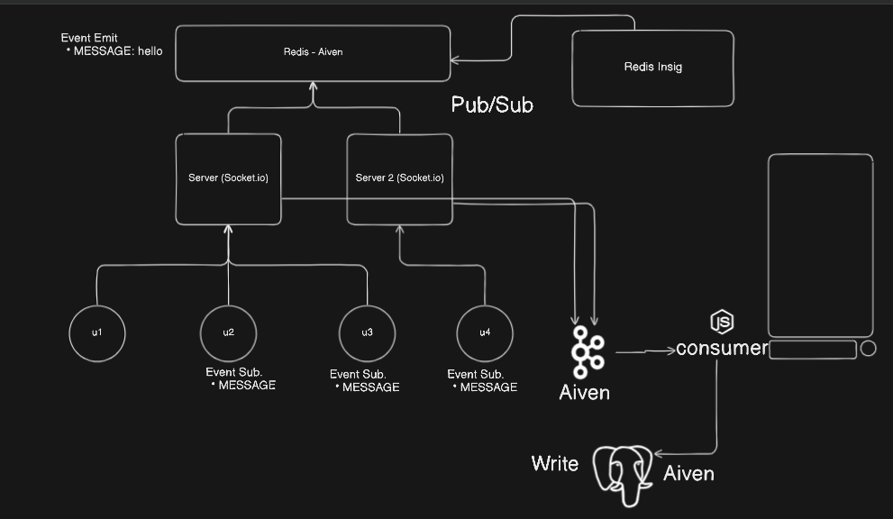
https://github.com/piyushgarg-dev/Scaleable-WebSockets

WebIDE
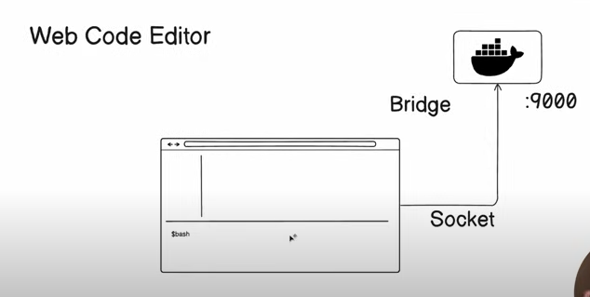
https://github.com/piyushgarg-dev/cloud-ide

GitServer
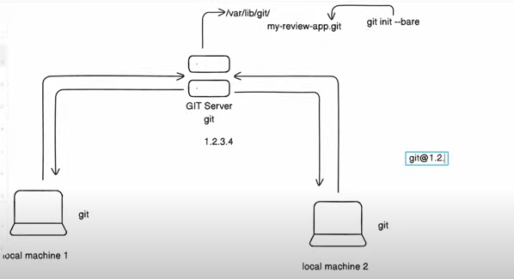

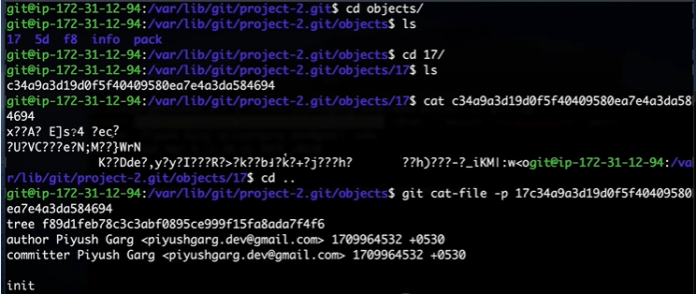

StreamYard
https://github.com/piyushgarg-dev/streamyard-clone-nodejs
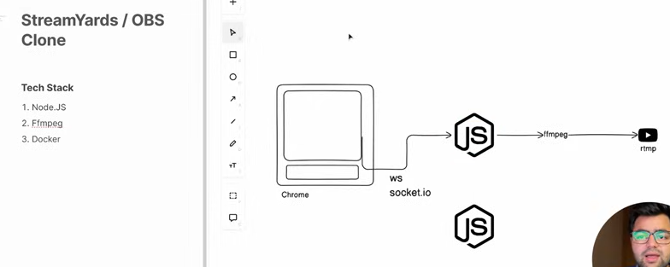
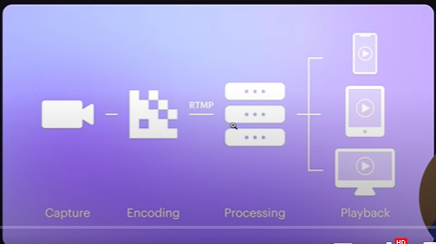

on client | on Server
const userVideo = document.getElementById('user-video') | index.js |  | docker-compose.yml
const startButton = document.getElementById('start-btn') | import http from 'http' |  | services:
 | import path from 'path' |  | app:
const state = { media: null } | import { spawn } from 'child_process' |  | build:
const socket = io() | import express from 'express' |  | context: .
 | import { Server as SocketIO } from 'socket.io' |  | dockerfile: ./Dockerfile
startButton.addEventListener('click', () => { |  |  | volumes:
const mediaRecorder = new MediaRecorder(state.media, { | const app = express(); |  | - ./:/home/app
audioBitsPerSecond: 128000, | const server = http.createServer(app); |  | ports:
videoBitsPerSecond: 2500000, | const io = new SocketIO(server) |  | - 3000:3000
framerate: 25
}) | const options = [ |  | Dockerfile
 | '-i', |  | FROM ubuntu:focal
mediaRecorder.ondataavailable = ev => { | '-',
console.log('Binary Stream Available', ev.data) | '-c:v', 'libx264', |  | RUN /usr/bin/apt-get update && \
socket.emit('binarystream', ev.data) | '-preset', 'ultrafast', |  | /usr/bin/apt-get install -y curl && \
} | '-tune', 'zerolatency', |  | curl -sL https://deb.nodesource.com/setup_18.x | bash - && \
 | '-r', `${25}`, |  | /usr/bin/apt-get update && \
mediaRecorder.start(25) | '-g', `${25 * 2}`, |  | /usr/bin/apt-get upgrade -y && \
 | '-keyint_min', 25, |  | /usr/bin/apt-get install -y nodejs ffmpeg
}) | '-crf', '25',
 | '-pix_fmt', 'yuv420p', |  | WORKDIR /home/app
window.addEventListener('load', async e => { | '-sc_threshold', '0',
const media = await navigator | '-profile:v', 'main', |  | RUN npm i -g nodemon
.mediaDevices | '-level', '3.1',
.getUserMedia({ audio: true, video: true }) | '-c:a', 'aac', |  | CMD nodemon index.js
state.media = media | '-b:a', '128k',
userVideo.srcObject = media | '-ar', 128000 / 4,
}) | '-f', 'flv',
 | `rtmp://a.rtmp.youtube.com/live2/dcfx-m7v2-j248-3185-9207`, | user input
 | ];

 | const ffmpegProcess = spawn('ffmpeg', options);

 | ffmpegProcess.stdout.on('data', (data) => {
 | console.log(`ffmpeg stdout: ${data}`);
 | });

 | ffmpegProcess.stderr.on('data', (data) => {
 | console.error(`ffmpeg stderr: ${data}`);
 | });

 | ffmpegProcess.on('close', (code) => {
 | console.log(`ffmpeg process exited with code ${code}`);
 | });

 | app.use(express.static(path.resolve('./public')))

 | io.on('connection', socket => {
 | console.log('Socket Connected', socket.id);
 | socket.on('binarystream', stream => {
 | console.log('Binary Stream Incommming...')
 | ffmpegProcess.stdin.write(stream, (err) => {
 | console.log('Err', err)
 | })
 | })
 | })

 | server.listen(3000, () => console.log(`HTTP Server is runnning on PORT 3000`))

