QuadTree
Quadtrees are trees used to efficiently store data of points on a two-dimensional space. In this tree, each node has at most four children. We can construct a quadtree from a two-dimensional area using the following steps:
1. Divide the current two dimensional space into four boxes.
2. If a box contains one or more points in it, create a child object, storing in it the two dimensional space of the box
3. If a box does not contain any points, do not create a child for it
4. Recurse for each of the children.
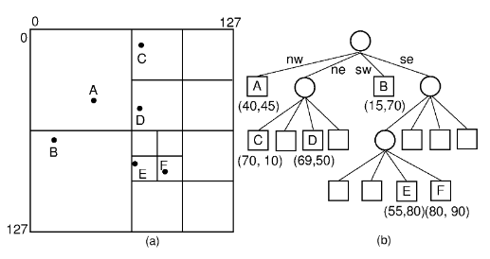
// Used to hold details of a point
class Point {
constructor(x, y) {
this.x = x;
this.y = y;
}
}

// The objects that we want stored in the quadtree
class Node {
constructor(pos, data) {
this.pos = pos;
this.data = data;
}
}

// The main quadtree class
class Quad {
constructor(topL, botR) {
this.topLeft = topL;
this.botRight = botR;
this.n = null;
this.topLeftTree = null;
this.topRightTree = null;
this.botLeftTree = null;
this.botRightTree = null;
}

// Insert a node into the quadtree
insert(node) {
if (node === null) {
return;
}

// Current quad cannot contain it
if (!this.inBoundary(node.pos)) {
return;
}

// We are at a quad of unit area
// We cannot subdivide this quad further
if (Math.abs(this.topLeft.x - this.botRight.x) <= 1 && Math.abs(this.topLeft.y - this.botRight.y) <= 1) {
if (this.n === null) {
this.n = node;
}
return;
}

if ((this.topLeft.x + this.botRight.x) / 2 >= node.pos.x) {
// Indicates topLeftTree
if ((this.topLeft.y + this.botRight.y) / 2 >= node.pos.y) {
if (this.topLeftTree === null) {
this.topLeftTree = new Quad(this.topLeft, new Point((this.topLeft.x + this.botRight.x) / 2, (this.topLeft.y + this.botRight.y) / 2));
}
this.topLeftTree.insert(node);
}
// Indicates botLeftTree
else {
if (this.botLeftTree === null) {
this.botLeftTree = new Quad(new Point(this.topLeft.x, (this.topLeft.y + this.botRight.y) / 2), new Point((this.topLeft.x + this.botRight.x) / 2, this.botRight.y));
}
this.botLeftTree.insert(node);
}
} else {
// Indicates topRightTree
if ((this.topLeft.y + this.botRight.y) / 2 >= node.pos.y) {
if (this.topRightTree === null) {
this.topRightTree = new Quad(new Point((this.topLeft.x + this.botRight.x) / 2, this.topLeft.y), new Point(this.botRight.x, (this.topLeft.y + this.botRight.y) / 2));
}
this.topRightTree.insert(node);
}
// Indicates botRightTree
else {
if (this.botRightTree === null) {
this.botRightTree = new Quad(new Point((this.topLeft.x + this.botRight.x) / 2, (this.topLeft.y + this.botRight.y) / 2), this.botRight);
}
this.botRightTree.insert(node);
}
}
}

// Find a node in a quadtree
search(p) {
// Current quad cannot contain it
if (!this.inBoundary(p)) {
return 0; // Return 0 if point is not found
}

// We are at a quad of unit length
// We cannot subdivide this quad further
if (this.n !== null) {
return this.n;
}

if ((this.topLeft.x + this.botRight.x) / 2 >= p.x) {
// Indicates topLeftTree
if ((this.topLeft.y + this.botRight.y) / 2 >= p.y) {
if (this.topLeftTree === null) {
return 0;
}
return this.topLeftTree.search(p);
}
// Indicates botLeftTree
else {
if (this.botLeftTree === null) {
return 0;
}
return this.botLeftTree.search(p);
}
} else {
// Indicates topRightTree
if ((this.topLeft.y + this.botRight.y) / 2 >= p.y) {
if (this.topRightTree === null) {
return 0;
}
return this.topRightTree.search(p);
}
// Indicates botRightTree
else {
if (this.botRightTree === null) {
return 0;
}
return this.botRightTree.search(p);
}
}
}

// Check if current quadtree contains the point
inBoundary(p) {
return p.x >= this.topLeft.x && p.x <= this.botRight.x && p.y >= this.topLeft.y && p.y <= this.botRight.y;
}
}

// Driver program
const center = new Quad(new Point(0, 0), new Point(8, 8));
const a = new Node(new Point(1, 1), 1);
const b = new Node(new Point(2, 5), 2);
const c = new Node(new Point(7, 6), 3);
center.insert(a);
center.insert(b);
center.insert(c);
console.log("Node a:", center.search(new Point(1, 1)).data);
console.log("Node b:", center.search(new Point(2, 5)).data);
console.log("Node c:", center.search(new Point(7, 6)).data);
console.log("Non-existing node:", center.search(new Point(5, 5)));

// This Code is Contributed by Yash Agarwal(yashagarwal2852002)

Quadtrees

Quadtrees are a knowledge structure that encodes a two-dimensional space into adaptable cells. Similar to binary trees, quadtrees are a tree structure where every non-leaf node has four children. In the Quadtree data structure, every internal node has four children. They are usually a bi-dimensional analogue of octrees that are used for the division of a two-dimensional space by repetitively subdividing it into four quadrants.

Within the location, these nodes show the four quadrants:

NorthWest
NorthEast
SouthWest
SouthEast

During the technique of quadtrees, nodes are recursively divided into pieces, with successive subdivisions leading to smaller and smaller cells.

When are Quadtrees used for?

Quadtrees are used for scaling an internet service to handle thousands of requests every second. This requires an excellent caching strategy. When geolocation is the main parameter of those requests, conventional caching techniques and procedures fall through. Quadtrees are used to understand high cache hit ratios, while also keeping the responses relevant, even in intense areas.

Dynamic grids

While 10km cells are overlarge to use in urban areas, there are many less dense areas outside of cities where two locations a couple of kilometres apart would have an equivalent list of 20 nearby Xone businesses. Ideally, we’d be able to use large, imprecise cells in sparse areas and smaller, more granular cells in dense areas.

Often a quadtree is represented as a grid, with each square representing a node within the tree. The subsequent image visualizes the method of subdividing nodes during a quadtree, starting with a uni-root node and finishing with a tree of depth:
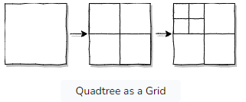
Quadtree as a Grid

We use quadtrees to keep a balance among the precision and validity of results. But let’s say we wish to create a tree in which each leaf node is exact enough to search for a specific location within the node in the same group.

We can do this by developing a tree that begins with one node that is shown to the entire world and subsequently divides until every node satisfies this eligibility. The best case is when a tree that is precise has few nodes. This can attenuate the number of entries in the cache.

The following image shows the finished quadtree near Denver, CO to represent how quadtree depth changes with population intensity:

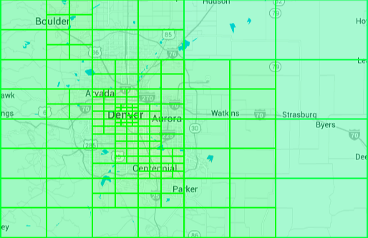

Auto-Update

Every night we recompute the quadtree to support our currently subscribed businesses. We use an easy heuristic to satisfy the criteria of consistent search results. If the number of search results entered on a node exceeds a predefined threshold, then we divide it further.
//

public static void buildQuadtree(Node node) {
if (searchBusinesses(node).size() > 20) {
node.subdivide();
for (Node child : node.getChildren()) {
buildQuadtree(child);
}
}
}

Quadtrees in action

When our server receives an invitation for businesses in a location, we first find the quadtree node for that location:

public static void getNearbyBusinesses(float latitude, float longitude)

Then, we use that node to create the cache key, and if necessary, to look for businesses:

// Demo code to extract nearby Business

public static void getNearbyBusinesses(float latitude, float longitude) {
QuadtreeNode node = LookupQuadTreeNode(latitude, longitude);
String cacheKey = "quadtree_" + node.getId();
List<Result> results = Cache.get(cacheKey);
if (results == null) {
results = searchBusinesses(node);
Cache.set(cacheKey, results, "2h");
}
render(results);
}

The search method that is applied in cache miss is identical to the search that is performed when creating the cache tree. The search is also centered on each node with a radius that is proportional to the dimensions of the node.

Conclusion

Quadtrees allow us to mix the advantages of caching the geo-locations with both high and low precisions. Against an 18 percentage cache hit ratio, we gained truncating locations up to 3 decimal places by using quadtrees. On peek time, it resulted in cache hit ratio of more than 99.9%.

HilbertCurve
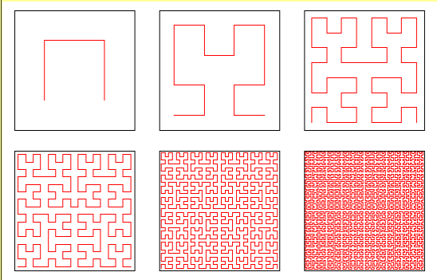
https://www.youtube.com/watch?v=OcUKFIjhKu0

