Sheet1
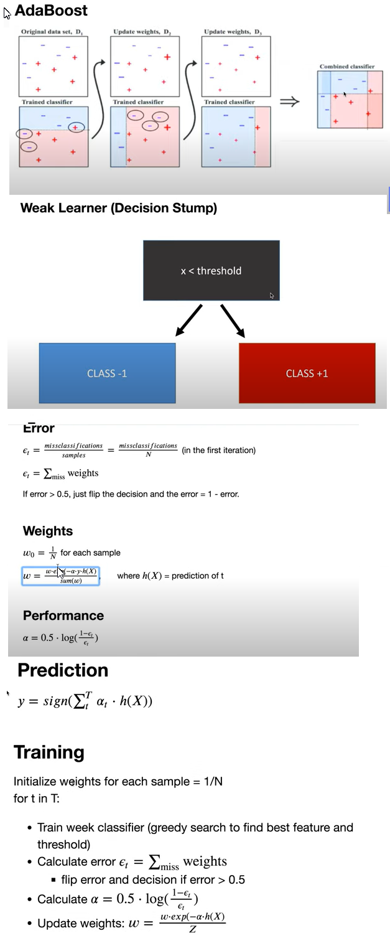

import numpy as np

# Decision stump used as weak classifier
class DecisionStump:
def __init__(self):
self.polarity = 1
self.feature_idx = None
self.threshold = None
self.alpha = None

def predict(self, X):
n_samples = X.shape[0]
X_column = X[:, self.feature_idx]
predictions = np.ones(n_samples)
if self.polarity == 1:
predictions[X_column < self.threshold] = -1
else:
predictions[X_column > self.threshold] = -1

return predictions

class Adaboost:
def __init__(self, n_clf=5):
self.n_clf = n_clf
self.clfs = []

def fit(self, X, y):
n_samples, n_features = X.shape

# Initialize weights to 1/N
w = np.full(n_samples, (1 / n_samples))

self.clfs = []

# Iterate through classifiers
for _ in range(self.n_clf):
clf = DecisionStump()
min_error = float("inf")

# greedy search to find best threshold and feature
for feature_i in range(n_features):
X_column = X[:, feature_i]
thresholds = np.unique(X_column)

for threshold in thresholds:
# predict with polarity 1
p = 1
predictions = np.ones(n_samples)
predictions[X_column < threshold] = -1

# Error = sum of weights of misclassified samples
misclassified = w[y != predictions]
error = sum(misclassified)

if error > 0.5:
error = 1 - error
p = -1

# store the best configuration
if error < min_error:
clf.polarity = p
clf.threshold = threshold
clf.feature_idx = feature_i
min_error = error

# calculate alpha
EPS = 1e-10
clf.alpha = 0.5 * np.log((1.0 - min_error + EPS) / (min_error + EPS))

# calculate predictions and update weights
predictions = clf.predict(X)

w *= np.exp(-clf.alpha * y * predictions)
# Normalize to one
w /= np.sum(w)

# Save classifier
self.clfs.append(clf)

def predict(self, X):
clf_preds = [clf.alpha * clf.predict(X) for clf in self.clfs]
y_pred = np.sum(clf_preds, axis=0)
y_pred = np.sign(y_pred)

return y_pred

# Testing
if __name__ == "__main__":
# Imports
from sklearn import datasets
from sklearn.model_selection import train_test_split

def accuracy(y_true, y_pred):
accuracy = np.sum(y_true == y_pred) / len(y_true)
return accuracy

data = datasets.load_breast_cancer()
X, y = data.data, data.target

y[y == 0] = -1

X_train, X_test, y_train, y_test = train_test_split(
X, y, test_size=0.2, random_state=5
)

# Adaboost classification with 5 weak classifiers
clf = Adaboost(n_clf=5)
clf.fit(X_train, y_train)
y_pred = clf.predict(X_test)

acc = accuracy(y_test, y_pred)
print("Accuracy:", acc)

