NumpyImplemetation
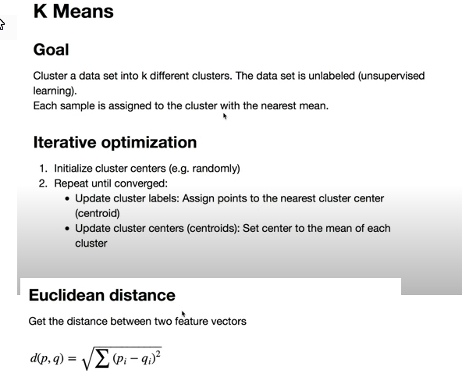
import matplotlib.pyplot as plt
import numpy as np

np.random.seed(42)

def euclidean_distance(x1, x2):
return np.sqrt(np.sum((x1 - x2) ** 2))

class KMeans:
def __init__(self, K=5, max_iters=100, plot_steps=False):
self.K = K
self.max_iters = max_iters
self.plot_steps = plot_steps

# list of sample indices for each cluster
self.clusters = [[] for _ in range(self.K)]
# the centers (mean feature vector) for each cluster
self.centroids = []

def predict(self, X):
self.X = X
self.n_samples, self.n_features = X.shape

# initialize
random_sample_idxs = np.random.choice(self.n_samples, self.K, replace=False)
self.centroids = [self.X[idx] for idx in random_sample_idxs]

# Optimize clusters
for _ in range(self.max_iters):
# Assign samples to closest centroids (create clusters)
self.clusters = self._create_clusters(self.centroids)

if self.plot_steps:
self.plot()

# Calculate new centroids from the clusters
centroids_old = self.centroids
self.centroids = self._get_centroids(self.clusters)

# check if clusters have changed
if self._is_converged(centroids_old, self.centroids):
break

if self.plot_steps:
self.plot()

# Classify samples as the index of their clusters
return self._get_cluster_labels(self.clusters)

def _get_cluster_labels(self, clusters):
# each sample will get the label of the cluster it was assigned to
labels = np.empty(self.n_samples)

for cluster_idx, cluster in enumerate(clusters):
for sample_index in cluster:
labels[sample_index] = cluster_idx
return labels

def _create_clusters(self, centroids):
# Assign the samples to the closest centroids to create clusters
clusters = [[] for _ in range(self.K)]
for idx, sample in enumerate(self.X):
centroid_idx = self._closest_centroid(sample, centroids)
clusters[centroid_idx].append(idx)
return clusters

def _closest_centroid(self, sample, centroids):
# distance of the current sample to each centroid
distances = [euclidean_distance(sample, point) for point in centroids]
closest_index = np.argmin(distances)
return closest_index

def _get_centroids(self, clusters):
# assign mean value of clusters to centroids
centroids = np.zeros((self.K, self.n_features))
for cluster_idx, cluster in enumerate(clusters):
cluster_mean = np.mean(self.X[cluster], axis=0)
centroids[cluster_idx] = cluster_mean
return centroids

def _is_converged(self, centroids_old, centroids):
# distances between each old and new centroids, fol all centroids
distances = [
euclidean_distance(centroids_old[i], centroids[i]) for i in range(self.K)
]
return sum(distances) == 0

def plot(self):
fig, ax = plt.subplots(figsize=(12, 8))

for i, index in enumerate(self.clusters):
point = self.X[index].T
ax.scatter(*point)

for point in self.centroids:
ax.scatter(*point, marker="x", color="black", linewidth=2)

plt.show()

# Testing
if __name__ == "__main__":
from sklearn.datasets import make_blobs

X, y = make_blobs(
centers=3, n_samples=500, n_features=2, shuffle=True, random_state=40
)
print(X.shape)

clusters = len(np.unique(y))
print(clusters)

k = KMeans(K=clusters, max_iters=150, plot_steps=True)
y_pred = k.predict(X)

k.plot()

