NumpyImplemetation
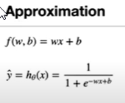
import numpy as np
class LogisticRegression:
def __init__(self, learning_rate=0.001, n_iters=1000):
self.lr = learning_rate
self.n_iters = n_iters
self.weights = None
self.bias = None

def fit(self, X, y):
n_samples, n_features = X.shape


# init parameters
self.weights = np.zeros(n_features)
self.bias = 0

# gradient descent
for _ in range(self.n_iters):
# approximate y with linear combination of weights and x, plus bias
linear_model = np.dot(X, self.weights) + self.bias
# apply sigmoid function
y_predicted = self._sigmoid(linear_model)

# compute gradients
dw = (1 / n_samples) * np.dot(X.T, (y_predicted - y))
db = (1 / n_samples) * np.sum(y_predicted - y)
# update parameters
self.weights -= self.lr * dw
self.bias -= self.lr * db

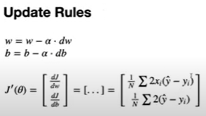
def predict(self, X):
linear_model = np.dot(X, self.weights) + self.bias
y_predicted = self._sigmoid(linear_model)
y_predicted_cls = [1 if i > 0.5 else 0 for i in y_predicted]
return np.array(y_predicted_cls)

def _sigmoid(self, x):
return 1 / (1 + np.exp(-x))

# Testing
if __name__ == "__main__":
# Imports
from sklearn.model_selection import train_test_split
from sklearn import datasets

def accuracy(y_true, y_pred):
accuracy = np.sum(y_true == y_pred) / len(y_true)
return accuracy

bc = datasets.load_breast_cancer()
X, y = bc.data, bc.target

X_train, X_test, y_train, y_test = train_test_split(
X, y, test_size=0.2, random_state=1234
)

regressor = LogisticRegression(learning_rate=0.0001, n_iters=1000)
regressor.fit(X_train, y_train)
predictions = regressor.predict(X_test)

print("LR classification accuracy:", accuracy(y_test, predictions))

