NumpyImplemetation
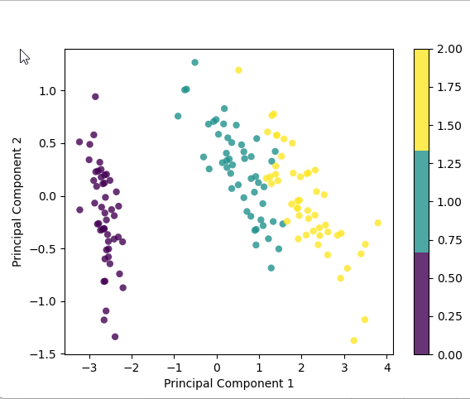
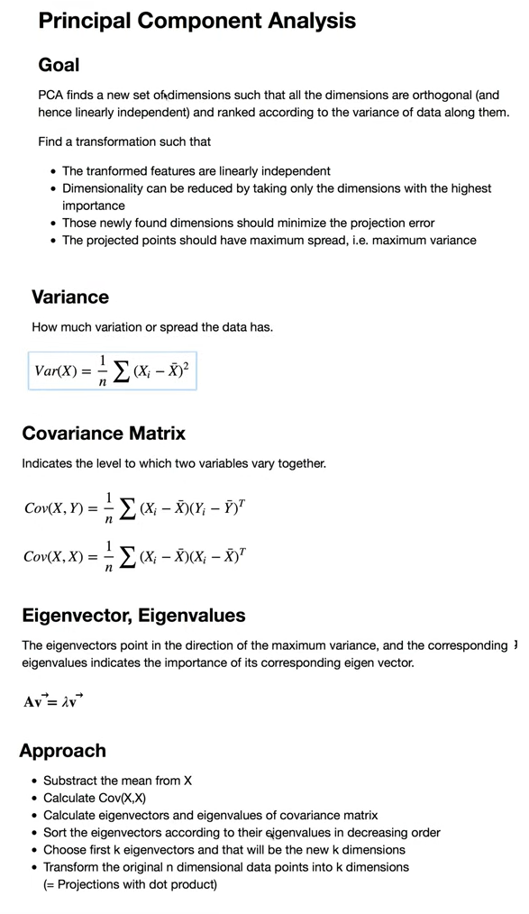
import numpy as np
class PCA:
def __init__(self, n_components):
self.n_components = n_components
self.components = None
self.mean = None

def fit(self, X):
# Mean centering
self.mean = np.mean(X, axis=0)
X = X - self.mean

# covariance, function needs samples as columns
cov = np.cov(X.T)

# eigenvalues, eigenvectors
eigenvalues, eigenvectors = np.linalg.eig(cov)

# -> eigenvector v = [:,i] column vector, transpose for easier calculations
# sort eigenvectors
eigenvectors = eigenvectors.T
idxs = np.argsort(eigenvalues)[::-1]
eigenvalues = eigenvalues[idxs]
eigenvectors = eigenvectors[idxs]

# store first n eigenvectors
self.components = eigenvectors[0 : self.n_components]

def transform(self, X):
# project data
X = X - self.mean
return np.dot(X, self.components.T)

# Testing
if __name__ == "__main__":
# Imports
import matplotlib.pyplot as plt
from sklearn import datasets

# data = datasets.load_digits()
data = datasets.load_iris()
X = data.data
y = data.target

# Project the data onto the 2 primary principal components
pca = PCA(2)
pca.fit(X)
X_projected = pca.transform(X)

print("Shape of X:", X.shape)
print("Shape of transformed X:", X_projected.shape)

x1 = X_projected[:, 0]
x2 = X_projected[:, 1]

plt.scatter(
x1, x2, c=y, edgecolor="none", alpha=0.8, cmap=plt.cm.get_cmap("viridis", 3)
)

plt.xlabel("Principal Component 1")
plt.ylabel("Principal Component 2")
plt.colorbar()
plt.show()

