NumpyImlementation
from collections import Counter
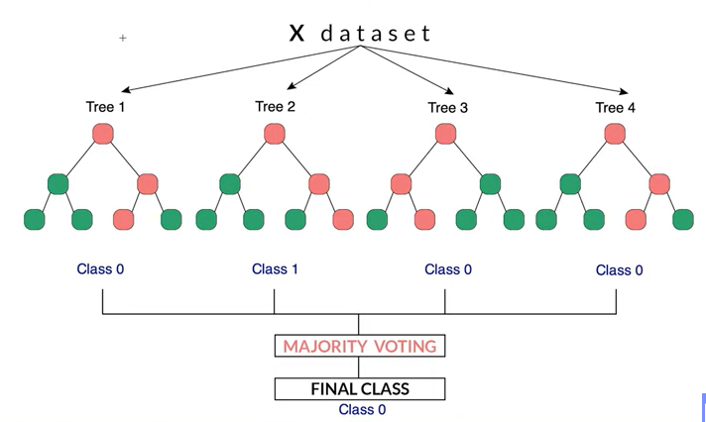
import numpy as np

from decision_tree import DecisionTree

def bootstrap_sample(X, y):
n_samples = X.shape[0]
idxs = np.random.choice(n_samples, n_samples, replace=True)
return X[idxs], y[idxs]

def most_common_label(y):
counter = Counter(y)
most_common = counter.most_common(1)[0][0]
return most_common

class RandomForest:
def __init__(self, n_trees=10, min_samples_split=2, max_depth=100, n_feats=None):
self.n_trees = n_trees
self.min_samples_split = min_samples_split
self.max_depth = max_depth
self.n_feats = n_feats
self.trees = []

def fit(self, X, y):
self.trees = []
for _ in range(self.n_trees):
tree = DecisionTree(
min_samples_split=self.min_samples_split,
max_depth=self.max_depth,
n_feats=self.n_feats,
)
X_samp, y_samp = bootstrap_sample(X, y)
tree.fit(X_samp, y_samp)
self.trees.append(tree)

def predict(self, X):
tree_preds = np.array([tree.predict(X) for tree in self.trees])
tree_preds = np.swapaxes(tree_preds, 0, 1)
y_pred = [most_common_label(tree_pred) for tree_pred in tree_preds]
return np.array(y_pred)

# Testing
if __name__ == "__main__":
# Imports
from sklearn import datasets
from sklearn.model_selection import train_test_split

def accuracy(y_true, y_pred):
accuracy = np.sum(y_true == y_pred) / len(y_true)
return accuracy

data = datasets.load_breast_cancer()
X = data.data
y = data.target

X_train, X_test, y_train, y_test = train_test_split(
X, y, test_size=0.2, random_state=1234
)

clf = RandomForest(n_trees=3, max_depth=10)

clf.fit(X_train, y_train)
y_pred = clf.predict(X_test)
acc = accuracy(y_test, y_pred)

print("RF Accuracy:", acc)

