NumpyImplementaion
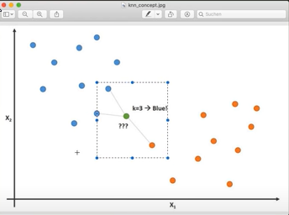
from collections import Counter

import numpy as np

def euclidean_distance(x1, x2):
return np.sqrt(np.sum((x1 - x2) ** 2))

class KNN:
def __init__(self, k=3):
self.k = k

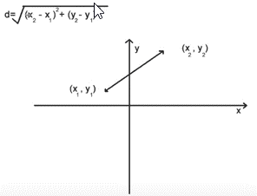
def fit(self, X, y):
self.X_train = X
self.y_train = y

def predict(self, X):
y_pred = [self._predict(x) for x in X]
return np.array(y_pred)

def _predict(self, x):
# Compute distances between x and all examples in the training set
distances = [euclidean_distance(x, x_train) for x_train in self.X_train]
# Sort by distance and return indices of the first k neighbors
k_idx = np.argsort(distances)[: self.k]
# Extract the labels of the k nearest neighbor training samples
k_neighbor_labels = [self.y_train[i] for i in k_idx]
# return the most common class label
most_common = Counter(k_neighbor_labels).most_common(1)
return most_common[0][0]

if __name__ == "__main__":
# Imports
from matplotlib.colors import ListedColormap
from sklearn import datasets
from sklearn.model_selection import train_test_split

cmap = ListedColormap(["#FF0000", "#00FF00", "#0000FF"])

def accuracy(y_true, y_pred):
accuracy = np.sum(y_true == y_pred) / len(y_true)
return accuracy

iris = datasets.load_iris()
X, y = iris.data, iris.target

X_train, X_test, y_train, y_test = train_test_split(
X, y, test_size=0.2, random_state=1234
)

k = 3
clf = KNN(k=k)
clf.fit(X_train, y_train)
predictions = clf.predict(X_test)
print("KNN classification accuracy", accuracy(y_test, predictions))

