NumpyImplemetation
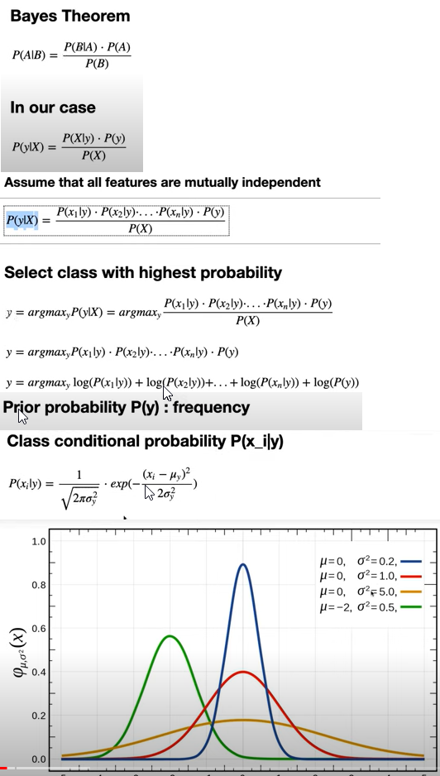
import numpy as np
class NaiveBayes:
def fit(self, X, y):
n_samples, n_features = X.shape
self._classes = np.unique(y)
n_classes = len(self._classes)

# calculate mean, var, and prior for each class
self._mean = np.zeros((n_classes, n_features), dtype=np.float64)
self._var = np.zeros((n_classes, n_features), dtype=np.float64)
self._priors = np.zeros(n_classes, dtype=np.float64)

for idx, c in enumerate(self._classes):
X_c = X[y == c]
self._mean[idx, :] = X_c.mean(axis=0)
self._var[idx, :] = X_c.var(axis=0)
self._priors[idx] = X_c.shape[0] / float(n_samples)

def predict(self, X):
y_pred = [self._predict(x) for x in X]
return np.array(y_pred)

def _predict(self, x):
posteriors = []

# calculate posterior probability for each class
for idx, c in enumerate(self._classes):
prior = np.log(self._priors[idx])
posterior = np.sum(np.log(self._pdf(idx, x)))
posterior = prior + posterior
posteriors.append(posterior)

# return class with highest posterior probability
return self._classes[np.argmax(posteriors)]

def _pdf(self, class_idx, x):
mean = self._mean[class_idx]
var = self._var[class_idx]
numerator = np.exp(-((x - mean) ** 2) / (2 * var))
denominator = np.sqrt(2 * np.pi * var)
return numerator / denominator

# Testing
if __name__ == "__main__":
# Imports
from sklearn.model_selection import train_test_split
from sklearn import datasets

def accuracy(y_true, y_pred):
accuracy = np.sum(y_true == y_pred) / len(y_true)
return accuracy

X, y = datasets.make_classification(
n_samples=1000, n_features=10, n_classes=2, random_state=123
)
X_train, X_test, y_train, y_test = train_test_split(
X, y, test_size=0.2, random_state=123
)

nb = NaiveBayes()
nb.fit(X_train, y_train)
predictions = nb.predict(X_test)

print("Naive Bayes classification accuracy", accuracy(y_test, predictions))

