NumpyImplemetation
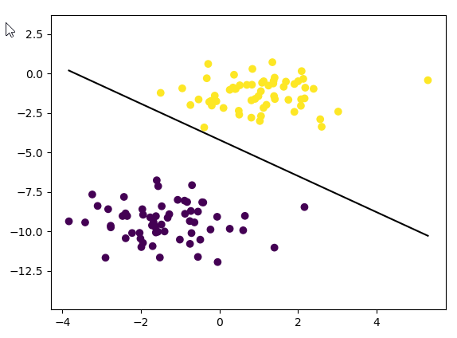
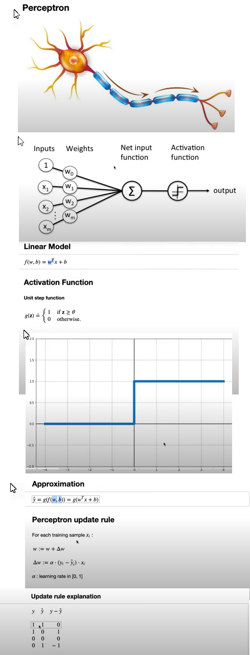
import numpy as np
class Perceptron:
def __init__(self, learning_rate=0.01, n_iters=1000):
self.lr = learning_rate
self.n_iters = n_iters
self.activation_func = self._unit_step_func
self.weights = None
self.bias = None

def fit(self, X, y):
n_samples, n_features = X.shape

# init parameters
self.weights = np.zeros(n_features)
self.bias = 0

y_ = np.array([1 if i > 0 else 0 for i in y])

for _ in range(self.n_iters):

for idx, x_i in enumerate(X):

linear_output = np.dot(x_i, self.weights) + self.bias
y_predicted = self.activation_func(linear_output)

# Perceptron update rule
update = self.lr * (y_[idx] - y_predicted)

self.weights += update * x_i
self.bias += update

def predict(self, X):
linear_output = np.dot(X, self.weights) + self.bias
y_predicted = self.activation_func(linear_output)
return y_predicted

def _unit_step_func(self, x):
return np.where(x >= 0, 1, 0)

# Testing
if __name__ == "__main__":
# Imports
import matplotlib.pyplot as plt
from sklearn.model_selection import train_test_split
from sklearn import datasets

def accuracy(y_true, y_pred):
accuracy = np.sum(y_true == y_pred) / len(y_true)
return accuracy

X, y = datasets.make_blobs(
n_samples=150, n_features=2, centers=2, cluster_std=1.05, random_state=2
)
X_train, X_test, y_train, y_test = train_test_split(
X, y, test_size=0.2, random_state=123
)

p = Perceptron(learning_rate=0.01, n_iters=1000)
p.fit(X_train, y_train)
predictions = p.predict(X_test)

print("Perceptron classification accuracy", accuracy(y_test, predictions))

fig = plt.figure()
ax = fig.add_subplot(1, 1, 1)
plt.scatter(X_train[:, 0], X_train[:, 1], marker="o", c=y_train)

x0_1 = np.amin(X_train[:, 0])
x0_2 = np.amax(X_train[:, 0])

x1_1 = (-p.weights[0] * x0_1 - p.bias) / p.weights[1]
x1_2 = (-p.weights[0] * x0_2 - p.bias) / p.weights[1]

ax.plot([x0_1, x0_2], [x1_1, x1_2], "k")

ymin = np.amin(X_train[:, 1])
ymax = np.amax(X_train[:, 1])
ax.set_ylim([ymin - 3, ymax + 3])

plt.show()

