Sheet1
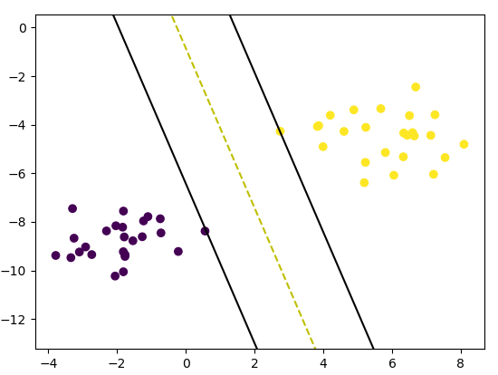
import numpy as np
class SVM:
def __init__(self, learning_rate=0.001, lambda_param=0.01, n_iters=1000):
self.lr = learning_rate
self.lambda_param = lambda_param
self.n_iters = n_iters
self.w = None
self.b = None

def fit(self, X, y):
n_samples, n_features = X.shape

y_ = np.where(y <= 0, -1, 1)

self.w = np.zeros(n_features)
self.b = 0

for _ in range(self.n_iters):
for idx, x_i in enumerate(X):
condition = y_[idx] * (np.dot(x_i, self.w) - self.b) >= 1
if condition:
self.w -= self.lr * (2 * self.lambda_param * self.w)
else:
self.w -= self.lr * (
2 * self.lambda_param * self.w - np.dot(x_i, y_[idx])
)
self.b -= self.lr * y_[idx]

def predict(self, X):
approx = np.dot(X, self.w) - self.b
return np.sign(approx)

# Testing
if __name__ == "__main__":
# Imports
from sklearn import datasets
import matplotlib.pyplot as plt

X, y = datasets.make_blobs(
n_samples=50, n_features=2, centers=2, cluster_std=1.05, random_state=40
)
y = np.where(y == 0, -1, 1)

clf = SVM()
clf.fit(X, y)
# predictions = clf.predict(X)

print(clf.w, clf.b)

def visualize_svm():
def get_hyperplane_value(x, w, b, offset):
return (-w[0] * x + b + offset) / w[1]

fig = plt.figure()
ax = fig.add_subplot(1, 1, 1)
plt.scatter(X[:, 0], X[:, 1], marker="o", c=y)

x0_1 = np.amin(X[:, 0])
x0_2 = np.amax(X[:, 0])

x1_1 = get_hyperplane_value(x0_1, clf.w, clf.b, 0)
x1_2 = get_hyperplane_value(x0_2, clf.w, clf.b, 0)

x1_1_m = get_hyperplane_value(x0_1, clf.w, clf.b, -1)
x1_2_m = get_hyperplane_value(x0_2, clf.w, clf.b, -1)

x1_1_p = get_hyperplane_value(x0_1, clf.w, clf.b, 1)
x1_2_p = get_hyperplane_value(x0_2, clf.w, clf.b, 1)

ax.plot([x0_1, x0_2], [x1_1, x1_2], "y--")
ax.plot([x0_1, x0_2], [x1_1_m, x1_2_m], "k")
ax.plot([x0_1, x0_2], [x1_1_p, x1_2_p], "k")

x1_min = np.amin(X[:, 1])
x1_max = np.amax(X[:, 1])
ax.set_ylim([x1_min - 3, x1_max + 3])

plt.show()

visualize_svm()

