Sheet1
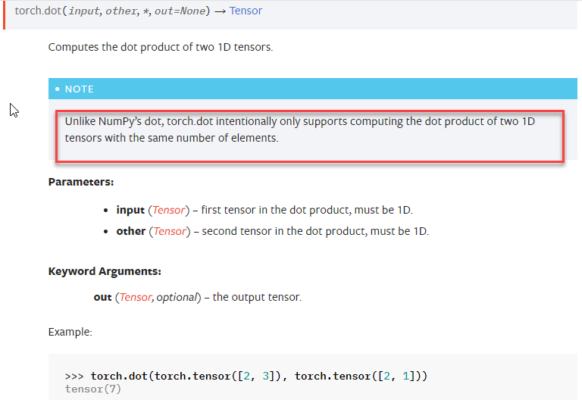

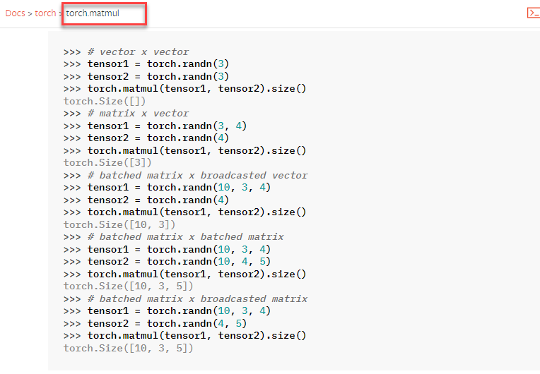

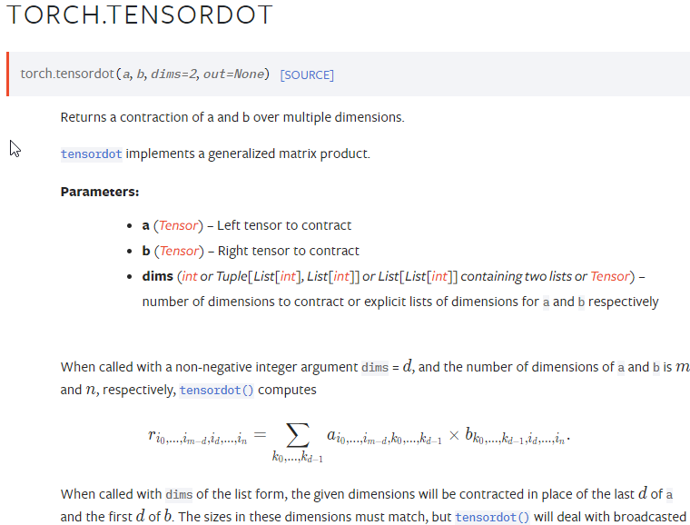

auto_grad
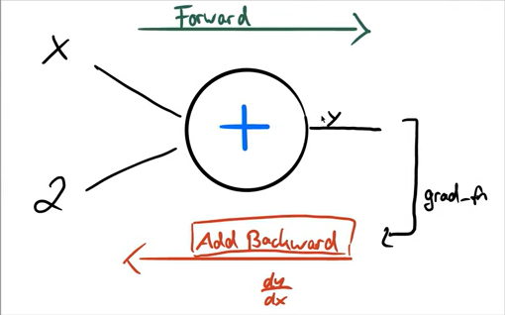
import torch
# The autograd package provides automatic differentiation
# for all operations on Tensors

# requires_grad = True -> tracks all operations on the tensor.
x = torch.randn(3, requires_grad=True)
y = x + 2

# y was created as a result of an operation, so it has a grad_fn attribute.
# grad_fn: references a Function that has created the Tensor
print(x) # created by the user -> grad_fn is None
print(y)
print(y.grad_fn)

# Do more operations on y
z = y * y * 3
print(z)
z = z.mean()
print(z)

# Let's compute the gradients with backpropagation
# When we finish our computation we can call .backward() and have all the gradients computed automatically.
# The gradient for this tensor will be accumulated into .grad attribute.
# It is the partial derivate of the function w.r.t. the tensor

z.backward()
print(x.grad) # dz/dx

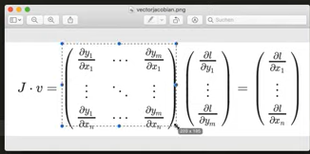
# Generally speaking, torch.autograd is an engine for computing vector-Jacobian product
# It computes partial derivates while applying the chain rule

# -------------
# Model with non-scalar output:
# If a Tensor is non-scalar (more than 1 elements), we need to specify arguments for backward()
# specify a gradient argument that is a tensor of matching shape.
# needed for vector-Jacobian product

x = torch.randn(3, requires_grad=True)

y = x * 2
for _ in range(10):
y = y * 2

print(y)
print(y.shape)

v = torch.tensor([0.1, 1.0, 0.0001], dtype=torch.float32)
y.backward(v)
print(x.grad)

# -------------
# Stop a tensor from tracking history:
# For example during our training loop when we want to update our weights
# then this update operation should not be part of the gradient computation
# - x.requires_grad_(False)
# - x.detach()
# - wrap in 'with torch.no_grad():'

# .requires_grad_(...) changes an existing flag in-place.
print("Stop a tensor from tracking history:-------------")
a = torch.randn(2, 2)
print(a.requires_grad)
b = ((a * 3) / (a - 1))
print(b.grad_fn)
a.requires_grad_(True)
print(a.requires_grad)
b = (a * a).sum()
print(b.grad_fn)

# .detach(): get a new Tensor with the same content but no gradient computation:
a = torch.randn(2, 2, requires_grad=True)
print(a.requires_grad)
b = a.detach()
print(b.requires_grad)

# wrap in 'with torch.no_grad():'
a = torch.randn(2, 2, requires_grad=True)
print(a.requires_grad)
with torch.no_grad():
print((x ** 2).requires_grad)

# -------------
# backward() accumulates the gradient for this tensor into .grad attribute.
# !!! We need to be careful during optimization !!!
# Use .zero_() to empty the gradients before a new optimization step!
weights = torch.ones(4, requires_grad=True)

for epoch in range(3):
# just a dummy example
model_output = (weights*3).sum()
model_output.backward()

print(weights.grad)

# optimize model, i.e. adjust weights...
with torch.no_grad():
weights -= 0.1 * weights.grad

# this is important! It affects the final weights & output
weights.grad.zero_()

print(weights)
print(model_output)

# Optimizer has zero_grad() method
# optimizer = torch.optim.SGD([weights], lr=0.1)
# During training:
# optimizer.step()
# optimizer.zero_grad()

backpropagation
import torch
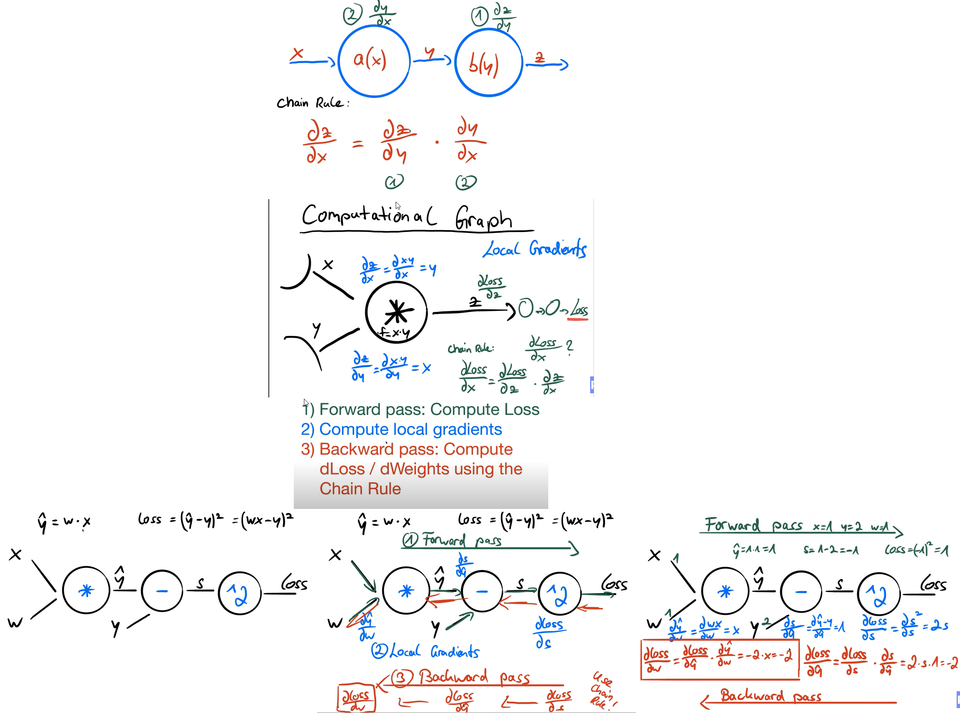
x = torch.tensor(1.0)
y = torch.tensor(2.0)

# This is the parameter we want to optimize -> requires_grad=True
w = torch.tensor(1.0, requires_grad=True)

# forward pass to compute loss
y_predicted = w * x
loss = (y_predicted - y)**2
print(loss)

# backward pass to compute gradient dLoss/dw
loss.backward()
print(w.grad)

# update weights
# next forward and backward pass...

# continue optimizing:
# update weights, this operation should not be part of the computational graph
with torch.no_grad():
w -= 0.01 * w.grad
# don't forget to zero the gradients
w.grad.zero_()

# next forward and backward pass...

