SoftMax
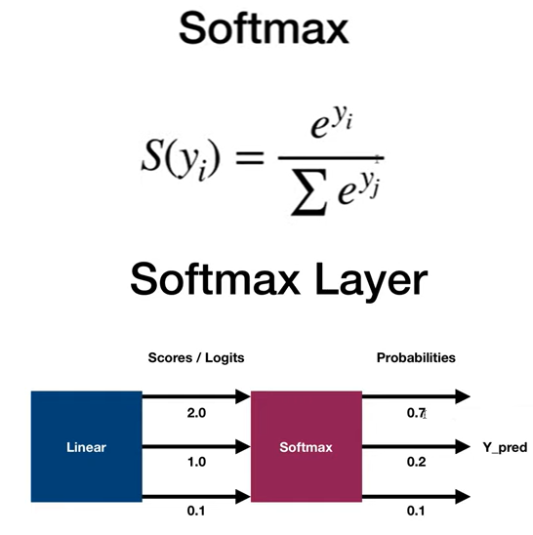
import torch
import torch.nn as nn
import numpy as np

#
# -> 2.0 -> 0.65
# Linear -> 1.0 -> Softmax -> 0.25 -> CrossEntropy(y, y_hat)
# -> 0.1 -> 0.1
#
# scores(logits) probabilities
# sum = 1.0
#

# Softmax applies the exponential function to each element, and normalizes
# by dividing by the sum of all these exponentials
# -> squashes the output to be between 0 and 1 = probability
# sum of all probabilities is 1
def softmax(x):
return np.exp(x) / np.sum(np.exp(x), axis=0)

x = np.array([2.0, 1.0, 0.1])
outputs = softmax(x)
print('softmax numpy:', outputs)

x = torch.tensor([2.0, 1.0, 0.1])
outputs = torch.softmax(x, dim=0) # along values along first axis
print('softmax torch:', outputs)

Numpy-CE
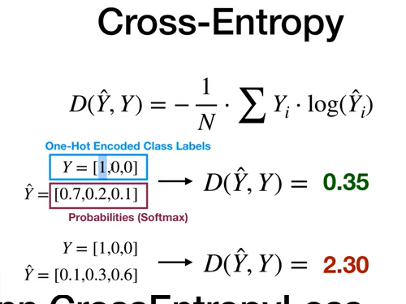
# Cross entropy
# Cross-entropy loss, or log loss, measures the performance of a classification model
# whose output is a probability value between 0 and 1.
# -> loss increases as the predicted probability diverges from the actual label
def cross_entropy(actual, predicted):
EPS = 1e-15
predicted = np.clip(predicted, EPS, 1 - EPS)
loss = -np.sum(actual * np.log(predicted))
return loss # / float(predicted.shape[0])

# y must be one hot encoded
# if class 0: [1 0 0]
# if class 1: [0 1 0]
# if class 2: [0 0 1]
Y = np.array([1, 0, 0])
Y_pred_good = np.array([0.7, 0.2, 0.1])
Y_pred_bad = np.array([0.1, 0.3, 0.6])
l1 = cross_entropy(Y, Y_pred_good)
l2 = cross_entropy(Y, Y_pred_bad)
print(f'Loss1 numpy: {l1:.4f}')
print(f'Loss2 numpy: {l2:.4f}')

Pytorch-CE
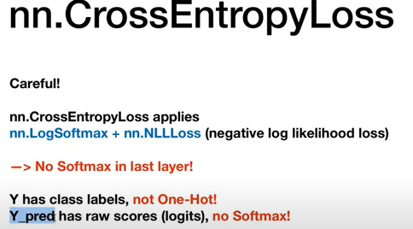

# CrossEntropyLoss in PyTorch (applies Softmax)
# nn.LogSoftmax + nn.NLLLoss
# NLLLoss = negative log likelihood loss
loss = nn.CrossEntropyLoss()
# loss(input, target)

# target is of size nSamples = 1
# each element has class label: 0, 1, or 2
# Y (=target) contains class labels, not one-hot
Y = torch.tensor([0])

# input is of size nSamples x nClasses = 1 x 3
# y_pred (=input) must be raw, unnormalizes scores (logits) for each class, not softmax
Y_pred_good = torch.tensor([[2.0, 1.0, 0.1]])
Y_pred_bad = torch.tensor([[0.5, 2.0, 0.3]])
l1 = loss(Y_pred_good, Y)
l2 = loss(Y_pred_bad, Y)

print(f'PyTorch Loss1: {l1.item():.4f}')
print(f'PyTorch Loss2: {l2.item():.4f}')

# get predictions
_, predictions1 = torch.max(Y_pred_good, 1)
_, predictions2 = torch.max(Y_pred_bad, 1)
print(f'Actual class: {Y.item()}, Y_pred1: {predictions1.item()}, Y_pred2: {predictions2.item()}')

BCE-use
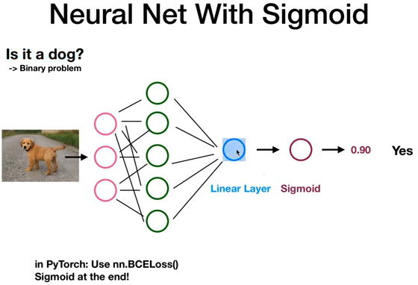
# Binary classification
class NeuralNet1(nn.Module):
def __init__(self, input_size, hidden_size):
super(NeuralNet1, self).__init__()
self.linear1 = nn.Linear(input_size, hidden_size)
self.relu = nn.ReLU()
self.linear2 = nn.Linear(hidden_size, 1)

def forward(self, x):
out = self.linear1(x)
out = self.relu(out)
out = self.linear2(out)
# sigmoid at the end
y_pred = torch.sigmoid(out)
return y_pred

model = NeuralNet1(input_size=28*28, hidden_size=5)
criterion = nn.BCELoss()

CrossEntropy-Use
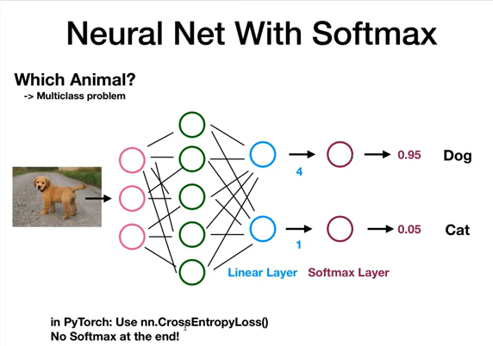
# Multiclass problem
class NeuralNet2(nn.Module):
def __init__(self, input_size, hidden_size, num_classes):
super(NeuralNet2, self).__init__()
self.linear1 = nn.Linear(input_size, hidden_size)
self.relu = nn.ReLU()
self.linear2 = nn.Linear(hidden_size, num_classes)

def forward(self, x):
out = self.linear1(x)
out = self.relu(out)
out = self.linear2(out)
# no softmax at the end
return out

model = NeuralNet2(input_size=28*28, hidden_size=5, num_classes=3)
criterion = nn.CrossEntropyLoss() # (applies Softmax)

