NumpyImplementaion
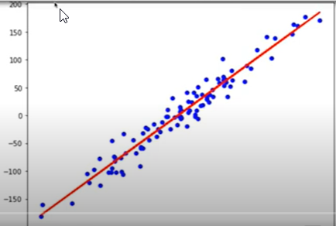
import numpy as np

def r2_score(y_true, y_pred):
corr_matrix = np.corrcoef(y_true, y_pred)
corr = corr_matrix[0, 1]
return corr ** 2

class LinearRegression:
def __init__(self, learning_rate=0.001, n_iters=1000):
self.lr = learning_rate
self.n_iters = n_iters
self.weights = None
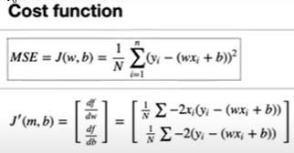
self.bias = None

def fit(self, X, y):
n_samples, n_features = X.shape

# init parameters
self.weights = np.zeros(n_features)
self.bias = 0


# gradient descent
for _ in range(self.n_iters):
y_predicted = np.dot(X, self.weights) + self.bias
# compute gradients
dw = (1 / n_samples) * np.dot(X.T, (y_predicted - y))
db = (1 / n_samples) * np.sum(y_predicted - y)

# update parameters
self.weights -= self.lr * dw
self.bias -= self.lr * db

def predict(self, X):
y_approximated = np.dot(X, self.weights) + self.bias
return y_approximated

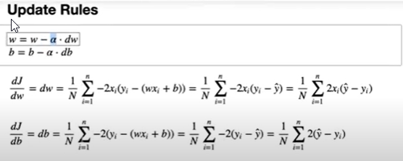
# Testing
if __name__ == "__main__":
# Imports
import matplotlib.pyplot as plt
from sklearn.model_selection import train_test_split
from sklearn import datasets

def mean_squared_error(y_true, y_pred):
return np.mean((y_true - y_pred) ** 2)


X, y = datasets.make_regression(
n_samples=100, n_features=1, noise=20, random_state=4
)

X_train, X_test, y_train, y_test = train_test_split(
X, y, test_size=0.2, random_state=1234
)

regressor = LinearRegression(learning_rate=0.01, n_iters=1000)
regressor.fit(X_train, y_train)
predictions = regressor.predict(X_test)

mse = mean_squared_error(y_test, predictions)
print("MSE:", mse)

accu = r2_score(y_test, predictions)
print("Accuracy:", accu)

y_pred_line = regressor.predict(X)
cmap = plt.get_cmap("viridis")
fig = plt.figure(figsize=(8, 6))
m1 = plt.scatter(X_train, y_train, color=cmap(0.9), s=10)
m2 = plt.scatter(X_test, y_test, color=cmap(0.5), s=10)
plt.plot(X, y_pred_line, color="black", linewidth=2, label="Prediction")
plt.show()

