NumpyImplemetation
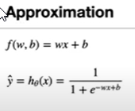
import numpy as np
class LogisticRegression:
def __init__(self, learning_rate=0.001, n_iters=1000):
self.lr = learning_rate
self.n_iters = n_iters
self.weights = None
self.bias = None

def fit(self, X, y):
n_samples, n_features = X.shape

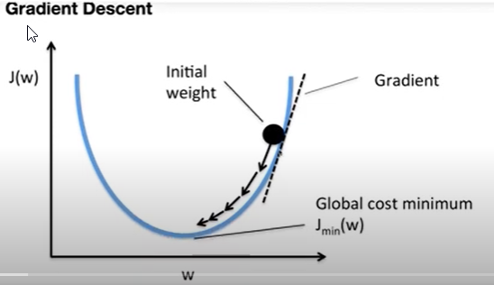
# init parameters
self.weights = np.zeros(n_features)
self.bias = 0

# gradient descent
for _ in range(self.n_iters):
# approximate y with linear combination of weights and x, plus bias
linear_model = np.dot(X, self.weights) + self.bias
# apply sigmoid function
y_predicted = self._sigmoid(linear_model)

# compute gradients
dw = (1 / n_samples) * np.dot(X.T, (y_predicted - y))
db = (1 / n_samples) * np.sum(y_predicted - y)
# update parameters
self.weights -= self.lr * dw
self.bias -= self.lr * db

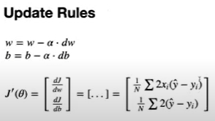
def predict(self, X):
linear_model = np.dot(X, self.weights) + self.bias
y_predicted = self._sigmoid(linear_model)
y_predicted_cls = [1 if i > 0.5 else 0 for i in y_predicted]
return np.array(y_predicted_cls)

def _sigmoid(self, x):
return 1 / (1 + np.exp(-x))

# Testing
if __name__ == "__main__":
# Imports
from sklearn.model_selection import train_test_split
from sklearn import datasets

def accuracy(y_true, y_pred):
accuracy = np.sum(y_true == y_pred) / len(y_true)
return accuracy

bc = datasets.load_breast_cancer()
X, y = bc.data, bc.target

X_train, X_test, y_train, y_test = train_test_split(
X, y, test_size=0.2, random_state=1234
)

regressor = LogisticRegression(learning_rate=0.0001, n_iters=1000)
regressor.fit(X_train, y_train)
predictions = regressor.predict(X_test)

print("LR classification accuracy:", accuracy(y_test, predictions))

PyTorchImpl
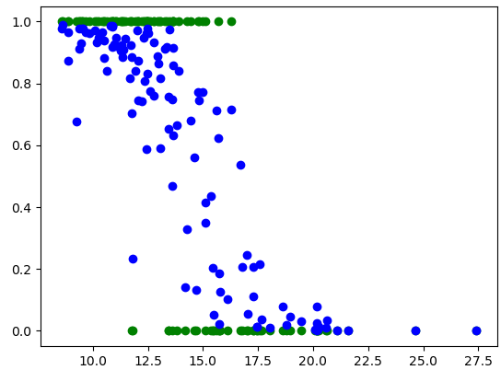
# 1) Design model (input, output, forward pass with different layers)
# 2) Construct loss and optimizer
# 3) Training loop
# - Forward = compute prediction and loss
# - Backward = compute gradients
# - Update weightsimport torch

import torch
import torch.nn as nn
import numpy as np
from sklearn import datasets
from sklearn.preprocessing import StandardScaler
from sklearn.model_selection import train_test_split
import matplotlib.pyplot as plt

#prepare data
bc=datasets.load_breast_cancer()
x_numpy,y_numpy=bc.data,bc.target

n_samples,n_features=x_numpy.shape

x_train,x_test,y_train,y_test=train_test_split(x_numpy,y_numpy,test_size=0.2,random_state=1234)

#scale
sc=StandardScaler()
x_train=sc.fit_transform(x_train)
x_test=sc.transform(x_test)

#cast to float tensor
x_train=torch.from_numpy(x_train.astype(np.float32))
y_train=torch.from_numpy(y_train.astype(np.float32))
x_test=torch.from_numpy(x_test.astype(np.float32))
y_test=torch.from_numpy(y_test.astype(np.float32))

y_train=y_train.view(y_train.shape[0],1)
y_test=y_test.view(y_test.shape[0],1)

input_size = n_features
output_size = 1

#model implementation
class LogisticRegression(nn.Module):
def __init__(self,input_dim,output_dim):
super(LogisticRegression,self).__init__()
self.lin=nn.Linear(input_dim,output_dim)
def forward(self,x):
y_pred=torch.sigmoid(self.lin(x))
return y_pred

# we can call this model with samples X
model=LogisticRegression(input_size,output_size);

# 2) Define loss and optimizer
learning_rate = 0.01

# callable function
criterion =nn.BCELoss()

#optimizer
optimizer=torch.optim.SGD(model.parameters(),lr=learning_rate)

#Training
n_iterate=200

for epoch in range(n_iterate):
# predict = forward pass with our model
y_predict=model(x_train)

#loss
l=criterion(y_predict,y_train)

#calculate gradient
l.backward()

#update the weight
optimizer.step()

# zero the gradients after updating
optimizer.zero_grad()

if epoch % 10 == 0:
# [w, b] = model.parameters() # unpack parameters
print(f'epoch {epoch+1}, loss = {l.item():.4f}')

with torch.no_grad():
y_predicted = model(x_test)
y_predicted_cls = y_predicted.round()
acc = y_predicted_cls.eq(y_test).sum() / float(y_test.shape[0])
print(f'accuracy: {acc.item():.4f}')

# Plot
predicted=model(x_test).detach().numpy()
# print(sc.inverse_transform(x_train.numpy())[:,1])
plt.plot(sc.inverse_transform(x_test.numpy())[:,0],y_test,'go')
plt.plot(sc.inverse_transform(x_test.numpy())[:,0],predicted,'bo')
plt.show()

