Pytorch-Scratch
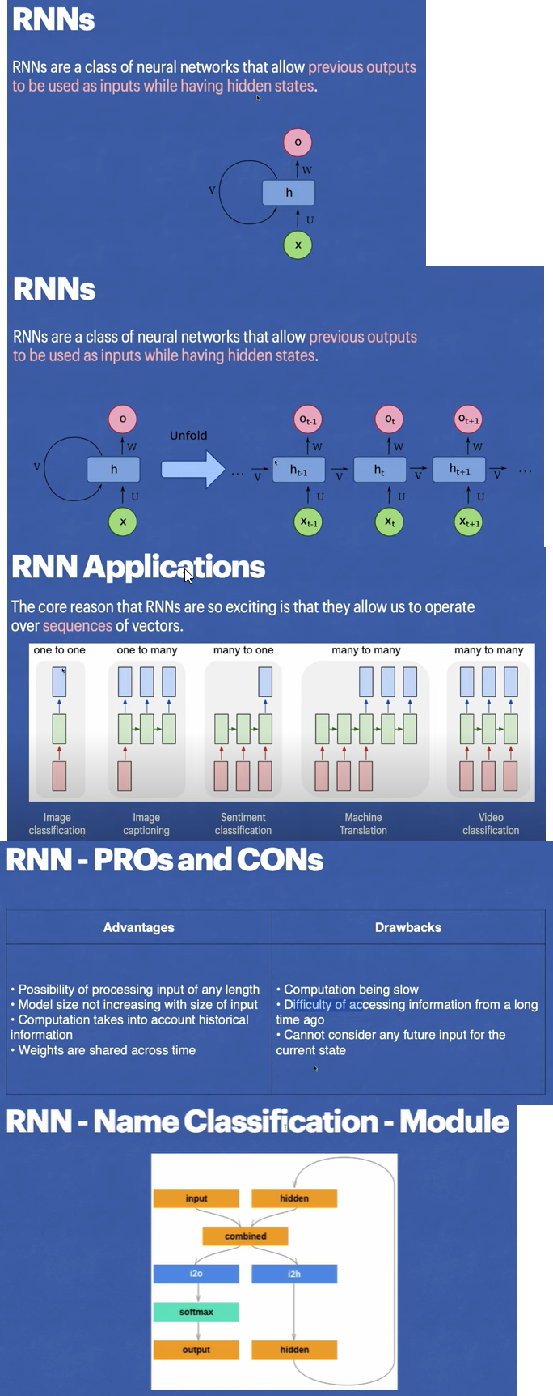
import torch
import torch.nn as nn
import matplotlib.pyplot as plt

from utils import ALL_LETTERS, N_LETTERS
from utils import load_data, letter_to_tensor, line_to_tensor, random_training_example

class RNN(nn.Module):
# implement RNN from scratch rather than using nn.RNN
def __init__(self, input_size, hidden_size, output_size):
super(RNN, self).__init__()

self.hidden_size = hidden_size
self.i2h = nn.Linear(input_size + hidden_size, hidden_size)
self.i2o = nn.Linear(input_size + hidden_size, output_size)
self.softmax = nn.LogSoftmax(dim=1)

def forward(self, input_tensor, hidden_tensor):
combined = torch.cat((input_tensor, hidden_tensor), 1)

hidden = self.i2h(combined)
output = self.i2o(combined)
output = self.softmax(output)
return output, hidden

def init_hidden(self):
return torch.zeros(1, self.hidden_size)

category_lines, all_categories = load_data()
n_categories = len(all_categories)

n_hidden = 128
rnn = RNN(N_LETTERS, n_hidden, n_categories)

'''
# one step
input_tensor = letter_to_tensor('A')
hidden_tensor = rnn.init_hidden()

output, next_hidden = rnn(input_tensor, hidden_tensor)
print(output)
print(next_hidden)

# whole sequence/name
input_tensor = line_to_tensor('Albert')
hidden_tensor = rnn.init_hidden()

output, next_hidden = rnn(input_tensor[0], hidden_tensor)
#print(output.size())
#print(next_hidden.size())

print(category_from_output(output))

'''

#
def category_from_output(output):
category_idx = torch.argmax(output).item()
return all_categories[category_idx]

criterion = nn.NLLLoss()
learning_rate = 0.005
optimizer = torch.optim.SGD(rnn.parameters(), lr=learning_rate)

def train(line_tensor, category_tensor):
hidden = rnn.init_hidden()

for i in range(line_tensor.size()[0]):
output, hidden = rnn(line_tensor[i], hidden)

loss = criterion(output, category_tensor)

optimizer.zero_grad()
loss.backward()
optimizer.step()

return output, loss.item()

current_loss = 0
all_losses = []
plot_steps, print_steps = 1000, 5000
n_iters = 100000
for i in range(n_iters):
category, line, category_tensor, line_tensor = random_training_example(category_lines, all_categories)

output, loss = train(line_tensor, category_tensor)
current_loss += loss

if (i+1) % plot_steps == 0:
all_losses.append(current_loss / plot_steps)
current_loss = 0

if (i+1) % print_steps == 0:
guess = category_from_output(output)
correct = "CORRECT" if guess == category else f"WRONG ({category})"
print(f"{i+1} {(i+1)/n_iters*100} {loss:.4f} {line} / {guess} {correct}")

plt.figure()
plt.plot(all_losses)
plt.show()

def predict(input_line):
print(f"\n> {input_line}")
with torch.no_grad():
line_tensor = line_to_tensor(input_line)

hidden = rnn.init_hidden()

for i in range(line_tensor.size()[0]):
output, hidden = rnn(line_tensor[i], hidden)

guess = category_from_output(output)
print(guess)

'''
while True:
sentence = input("Input:")
if sentence == "quit":
break

predict(sentence)
'''

Pytorch-nn.RNN
import torch
import torch.nn as nn
import torchvision
import torchvision.transforms as transforms

# Device configuration
device = torch.device('cuda' if torch.cuda.is_available() else 'cpu')

# Hyper-parameters
# input_size = 784 # 28x28
num_classes = 10
num_epochs = 2
batch_size = 100
learning_rate = 0.001

input_size = 28
sequence_length = 28
hidden_size = 128
num_layers = 2

# MNIST dataset
train_dataset = torchvision.datasets.MNIST(root='./data',
train=True,
transform=transforms.ToTensor(),
download=True)

test_dataset = torchvision.datasets.MNIST(root='./data',
train=False,
transform=transforms.ToTensor())

# Data loader
train_loader = torch.utils.data.DataLoader(dataset=train_dataset,
batch_size=batch_size,
shuffle=True)

test_loader = torch.utils.data.DataLoader(dataset=test_dataset,
batch_size=batch_size,
shuffle=False)
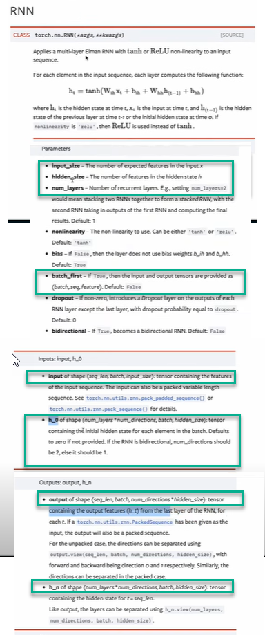

# Fully connected neural network with one hidden layer
class RNN(nn.Module):
def __init__(self, input_size, hidden_size, num_layers, num_classes):
super(RNN, self).__init__()
self.num_layers = num_layers
self.hidden_size = hidden_size
self.rnn = nn.RNN(input_size, hidden_size, num_layers, batch_first=True)
# -> x needs to be: (batch_size, seq, input_size)

# or:
#self.gru = nn.GRU(input_size, hidden_size, num_layers, batch_first=True)
#self.lstm = nn.LSTM(input_size, hidden_size, num_layers, batch_first=True)
self.fc = nn.Linear(hidden_size, num_classes)

def forward(self, x):
# Set initial hidden states (and cell states for LSTM)
h0 = torch.zeros(self.num_layers, x.size(0), self.hidden_size).to(device)
#c0 = torch.zeros(self.num_layers, x.size(0), self.hidden_size).to(device) #for lstm

# x: (n, 28, 28), h0: (2, n, 128)

# Forward propagate RNN
out, _ = self.rnn(x, h0)
# or:
#out, _ = self.lstm(x, (h0,c0)) #for lstm

# out: tensor of shape (batch_size, seq_length, hidden_size)
# out: (n, 28, 128)

# Decode the hidden state of the last time step
out = out[:, -1, :]
# out: (n, 128)

out = self.fc(out)
# out: (n, 10)
return out

model = RNN(input_size, hidden_size, num_layers, num_classes).to(device)

# Loss and optimizer
criterion = nn.CrossEntropyLoss()
optimizer = torch.optim.Adam(model.parameters(), lr=learning_rate)

# Train the model
n_total_steps = len(train_loader)
for epoch in range(num_epochs):
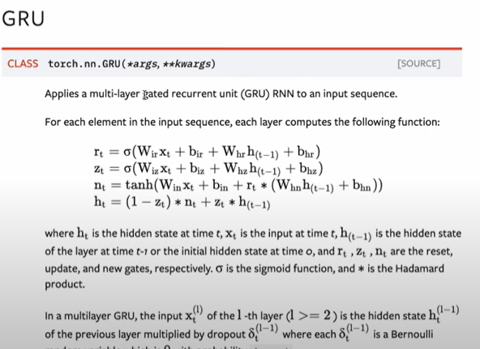
for i, (images, labels) in enumerate(train_loader):
# origin shape: [N, 1, 28, 28]
# resized: [N, 28, 28]
images = images.reshape(-1, sequence_length, input_size).to(device)
labels = labels.to(device)

# Forward pass
outputs = model(images)
loss = criterion(outputs, labels)

# Backward and optimize
optimizer.zero_grad()
loss.backward()
optimizer.step()

if (i+1) % 100 == 0:
print (f'Epoch [{epoch+1}/{num_epochs}], Step [{i+1}/{n_total_steps}], Loss: {loss.item():.4f}')

# Test the model
# In test phase, we don't need to compute gradients (for memory efficiency)
with torch.no_grad():
n_correct = 0
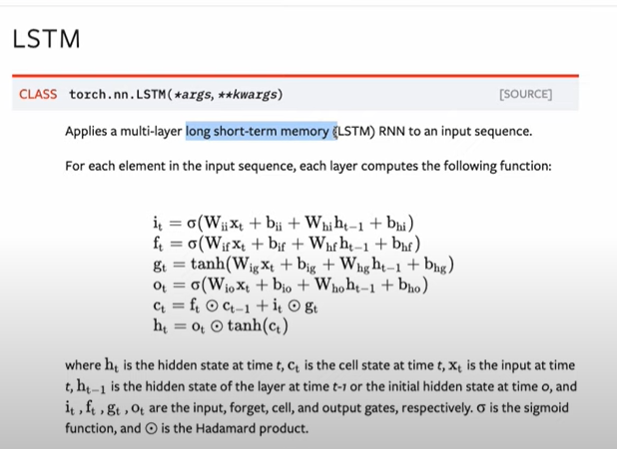
n_samples = 0
for images, labels in test_loader:
images = images.reshape(-1, sequence_length, input_size).to(device)
labels = labels.to(device)
outputs = model(images)
# max returns (value ,index)
_, predicted = torch.max(outputs.data, 1)
n_samples += labels.size(0)
n_correct += (predicted == labels).sum().item()

acc = 100.0 * n_correct / n_samples
print(f'Accuracy of the network on the 10000 test images: {acc} %')

