trainning
import torch
import torch.nn as nn
import torch.optim as optim
from torch.optim import lr_scheduler
import numpy as np
import torchvision
from torchvision import datasets, models, transforms
import matplotlib.pyplot as plt
import time
import os
import copy

os.environ["KMP_DUPLICATE_LIB_OK"]="TRUE"

mean = np.array([0.5, 0.5, 0.5])
std = np.array([0.25, 0.25, 0.25])

data_transforms = {
'train': transforms.Compose([
transforms.RandomResizedCrop(224),
transforms.RandomHorizontalFlip(),
transforms.ToTensor(),
transforms.Normalize(mean, std)
]),
'val': transforms.Compose([
transforms.Resize(256),
transforms.CenterCrop(224),
transforms.ToTensor(),
transforms.Normalize(mean, std)
]),
}

data_dir = '.\\data\\hymenoptera_data'
image_datasets = {x: datasets.ImageFolder(os.path.join(data_dir, x),
data_transforms[x])
for x in ['train', 'val']}
dataloaders = {x: torch.utils.data.DataLoader(image_datasets[x], batch_size=4,
shuffle=True, num_workers=0)
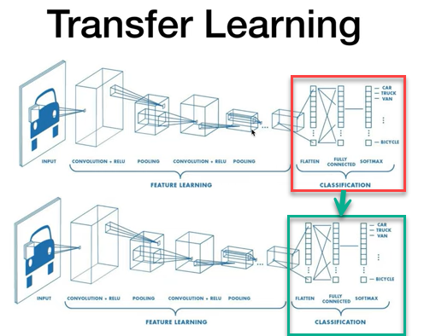
for x in ['train', 'val']}
dataset_sizes = {x: len(image_datasets[x]) for x in ['train', 'val']}
class_names = image_datasets['train'].classes

device = torch.device("cuda:0" if torch.cuda.is_available() else "cpu")
print(class_names)

def imshow(inp, title):
"""Imshow for Tensor."""
inp = inp.numpy().transpose((1, 2, 0))
inp = std * inp + mean
inp = np.clip(inp, 0, 1)
plt.imshow(inp)
plt.title(title)
plt.show()

# Get a batch of training data
inputs, classes = next(iter(dataloaders['train']))

# Make a grid from batch
out = torchvision.utils.make_grid(inputs)

imshow(out, title=[class_names[x] for x in classes])

def train_model(model, criterion, optimizer, scheduler, num_epochs=25):
since = time.time()

best_model_wts = copy.deepcopy(model.state_dict())
best_acc = 0.0

for epoch in range(num_epochs):
print('Epoch {}/{}'.format(epoch, num_epochs - 1))
print('-' * 10)

# Each epoch has a training and validation phase
for phase in ['train', 'val']:
if phase == 'train':
model.train() # Set model to training mode
else:
model.eval() # Set model to evaluate mode

running_loss = 0.0
running_corrects = 0

# Iterate over data.
for inputs, labels in dataloaders[phase]:
inputs = inputs.to(device)
labels = labels.to(device)

# forward
# track history if only in train
with torch.set_grad_enabled(phase == 'train'):
outputs = model(inputs)
_, preds = torch.max(outputs, 1)
loss = criterion(outputs, labels)

# backward + optimize only if in training phase
if phase == 'train':
optimizer.zero_grad()
loss.backward()
optimizer.step()

# statistics
running_loss += loss.item() * inputs.size(0)
running_corrects += torch.sum(preds == labels.data)

if phase == 'train':
scheduler.step()

epoch_loss = running_loss / dataset_sizes[phase]
epoch_acc = running_corrects.double() / dataset_sizes[phase]

print('{} Loss: {:.4f} Acc: {:.4f}'.format(
phase, epoch_loss, epoch_acc))

# deep copy the model
if phase == 'val' and epoch_acc > best_acc:
best_acc = epoch_acc
best_model_wts = copy.deepcopy(model.state_dict())

print()

time_elapsed = time.time() - since
print('Training complete in {:.0f}m {:.0f}s'.format(
time_elapsed // 60, time_elapsed % 60))
print('Best val Acc: {:4f}'.format(best_acc))

# load best model weights
model.load_state_dict(best_model_wts)
return model

