PytorchImpl
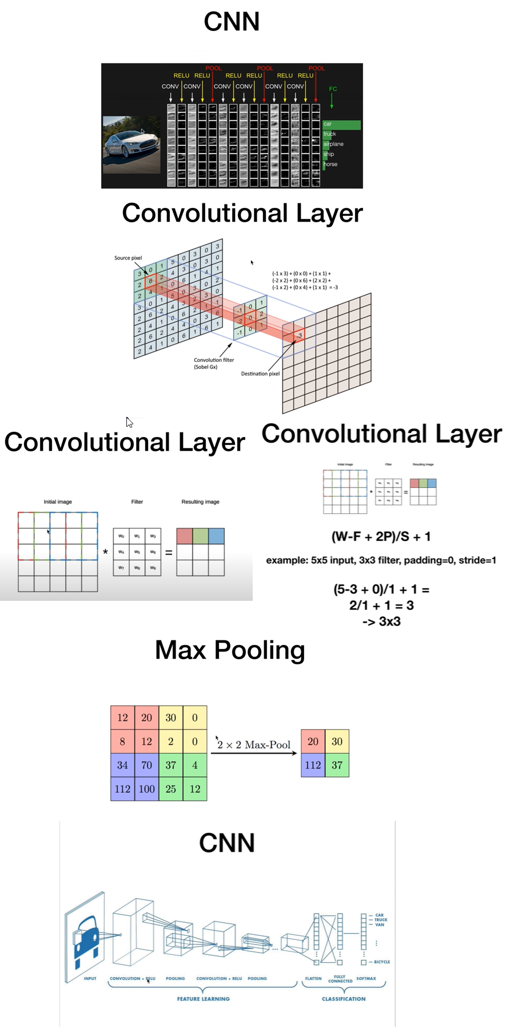
import torch
import torch.nn as nn
import torch.nn.functional as F
import torchvision
import torchvision.transforms as transforms
import matplotlib.pyplot as plt
import numpy as np

import os
os.environ["KMP_DUPLICATE_LIB_OK"]="TRUE"

# Device configuration
device = torch.device('cuda' if torch.cuda.is_available() else 'cpu')

# Hyper-parameters
num_epochs = 5
batch_size = 4
learning_rate = 0.001

# dataset has PILImage images of range [0, 1].
# We transform them to Tensors of normalized range [-1, 1]
transform = transforms.Compose(
[transforms.ToTensor(),
transforms.Normalize((0.5, 0.5, 0.5), (0.5, 0.5, 0.5))])

# CIFAR10: 60000 32x32 color images in 10 classes, with 6000 images per class
train_dataset = torchvision.datasets.CIFAR10(root='./data', train=True,
download=True, transform=transform)

test_dataset = torchvision.datasets.CIFAR10(root='./data', train=False,
download=True, transform=transform)

train_loader = torch.utils.data.DataLoader(train_dataset, batch_size=batch_size,
shuffle=True)

test_loader = torch.utils.data.DataLoader(test_dataset, batch_size=batch_size,
shuffle=False)

classes = ('plane', 'car', 'bird', 'cat',
'deer', 'dog', 'frog', 'horse', 'ship', 'truck')

def imshow(img):
img = img / 2 + 0.5 # unnormalize
npimg = img.numpy()
plt.imshow(np.transpose(npimg, (1, 2, 0)))
plt.show()

# get some random training images
dataiter = iter(train_loader)
images, labels = next(dataiter)

print(images.shape)

# show images
imshow(torchvision.utils.make_grid(images))

class ConvNet(nn.Module):
def __init__(self):
#in-channel, out-channel,kernal/filter size
super(ConvNet, self).__init__()
self.conv1 = nn.Conv2d(3, 6, 5)
self.pool = nn.MaxPool2d(2, 2)
self.conv2 = nn.Conv2d(6, 16, 5)
self.fc1 = nn.Linear(16 * 5 * 5, 120)
self.fc2 = nn.Linear(120, 84)
self.fc3 = nn.Linear(84, 10)

def forward(self, x):
# -> n, 3, 32, 32

x = self.pool(F.relu(self.conv2(x))) # -> n, 16, 5, 5
x = x.view(-1, 16 * 5 * 5) # -> n, 400
x = F.relu(self.fc1(x)) # -> n, 120
x = F.relu(self.fc2(x)) # -> n, 84
x = self.fc3(x) # -> n, 10
return x

model = ConvNet().to(device)

criterion = nn.CrossEntropyLoss()
optimizer = torch.optim.SGD(model.parameters(), lr=learning_rate)

n_total_steps = len(train_loader)
for epoch in range(num_epochs):
for i, (images, labels) in enumerate(train_loader):
# origin shape: [4, 3, 32, 32] = 4, 3, 1024
# input_layer: 3 input channels, 6 output channels, 5 kernel size
images = images.to(device)
labels = labels.to(device)

# Forward pass
outputs = model(images)
loss = criterion(outputs, labels)

# Backward and optimize
optimizer.zero_grad()
loss.backward()
optimizer.step()

if (i+1) % 2000 == 0:
print (f'Epoch [{epoch+1}/{num_epochs}], Step [{i+1}/{n_total_steps}], Loss: {loss.item():.4f}')

print('Finished Training')
PATH = './cnn.pth'
torch.save(model.state_dict(), PATH)

with torch.no_grad():
n_correct = 0
n_samples = 0
n_class_correct = [0 for i in range(10)]
n_class_samples = [0 for i in range(10)]
for images, labels in test_loader:
images = images.to(device)
labels = labels.to(device)
outputs = model(images)
# max returns (value ,index)
_, predicted = torch.max(outputs, 1)
n_samples += labels.size(0)
n_correct += (predicted == labels).sum().item()

for i in range(batch_size):
label = labels[i]
pred = predicted[i]
if (label == pred):
n_class_correct[label] += 1
n_class_samples[label] += 1

acc = 100.0 * n_correct / n_samples
print(f'Accuracy of the network: {acc} %')

for i in range(10):
acc = 100.0 * n_class_correct[i] / n_class_samples[i]
print(f'Accuracy of {classes[i]}: {acc} %')

