NumpyImplementaion
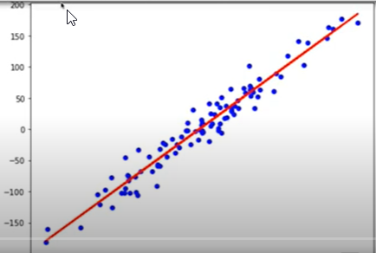
import numpy as np

def r2_score(y_true, y_pred):
corr_matrix = np.corrcoef(y_true, y_pred)
corr = corr_matrix[0, 1]
return corr ** 2

class LinearRegression:
def __init__(self, learning_rate=0.001, n_iters=1000):
self.lr = learning_rate
self.n_iters = n_iters
self.weights = None
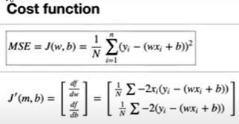
self.bias = None

def fit(self, X, y):
n_samples, n_features = X.shape

# init parameters
self.weights = np.zeros(n_features)
self.bias = 0

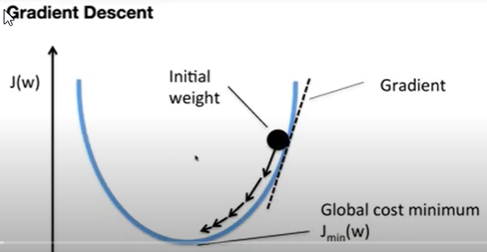
# gradient descent
for _ in range(self.n_iters):
y_predicted = np.dot(X, self.weights) + self.bias
# compute gradients
dw = (1 / n_samples) * np.dot(X.T, (y_predicted - y))
db = (1 / n_samples) * np.sum(y_predicted - y)

# update parameters
self.weights -= self.lr * dw
self.bias -= self.lr * db

def predict(self, X):
y_approximated = np.dot(X, self.weights) + self.bias
return y_approximated

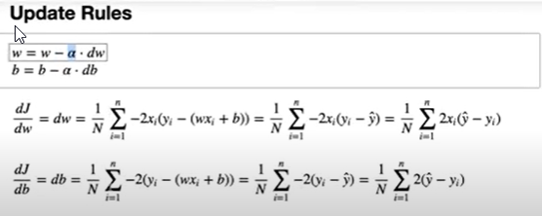
# Testing
if __name__ == "__main__":
# Imports
import matplotlib.pyplot as plt
from sklearn.model_selection import train_test_split
from sklearn import datasets

def mean_squared_error(y_true, y_pred):
return np.mean((y_true - y_pred) ** 2)

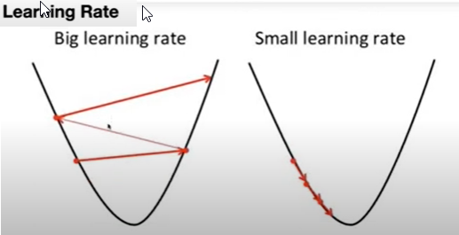
X, y = datasets.make_regression(
n_samples=100, n_features=1, noise=20, random_state=4
)

X_train, X_test, y_train, y_test = train_test_split(
X, y, test_size=0.2, random_state=1234
)

regressor = LinearRegression(learning_rate=0.01, n_iters=1000)
regressor.fit(X_train, y_train)
predictions = regressor.predict(X_test)

mse = mean_squared_error(y_test, predictions)
print("MSE:", mse)

accu = r2_score(y_test, predictions)
print("Accuracy:", accu)

y_pred_line = regressor.predict(X)
cmap = plt.get_cmap("viridis")
fig = plt.figure(figsize=(8, 6))
m1 = plt.scatter(X_train, y_train, color=cmap(0.9), s=10)
m2 = plt.scatter(X_test, y_test, color=cmap(0.5), s=10)
plt.plot(X, y_pred_line, color="black", linewidth=2, label="Prediction")
plt.show()

TensorFlow-singleFeature
# Basic regression to predict fuel efficiency
# Code is based on this tutorial: https://www.tensorflow.org/tutorials/keras/regression
import os
os.environ['TF_CPP_MIN_LOG_LEVEL'] = '2'
os.environ["KMP_DUPLICATE_LIB_OK"]="TRUE"

import matplotlib.pyplot as plt
import numpy as np
import pandas as pd # pip install pandas

# Make numpy printouts easier to read.
np.set_printoptions(precision=3, suppress=True)

import tensorflow as tf

from tensorflow import keras
from tensorflow.keras import layers
from tensorflow.keras.layers.experimental import preprocessing

# https://archive.ics.uci.edu/ml/datasets/Auto+MPG
url = 'http://archive.ics.uci.edu/ml/machine-learning-databases/auto-mpg/auto-mpg.data'
column_names = ['MPG', 'Cylinders', 'Displacement', 'Horsepower', 'Weight',
'Acceleration', 'Model Year', 'Origin']

dataset = pd.read_csv(url, names=column_names, na_values='?',
comment='\t', sep=' ', skipinitialspace=True)

# dataset.tail()

# clean data
dataset = dataset.dropna()

# convert categorical 'Origin' data into one-hot data
origin = dataset.pop('Origin')
dataset['USA'] = (origin == 1)*1
dataset['Europe'] = (origin == 2)*1
dataset['Japan'] = (origin == 3)*1

# Split the data into train and test
train_dataset = dataset.sample(frac=0.8, random_state=0)
test_dataset = dataset.drop(train_dataset.index)

print(dataset.shape, train_dataset.shape, test_dataset.shape)
train_dataset.describe().transpose()

# split features from labels
train_features = train_dataset.copy()
test_features = test_dataset.copy()

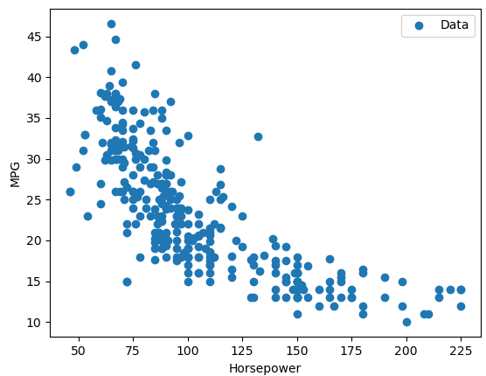
train_labels = train_features.pop('MPG')
test_labels = test_features.pop('MPG')

def plot(feature, x=None, y=None):
plt.figure(figsize=(10, 8))
plt.scatter(train_features[feature], train_labels, label='Data')
if x is not None and y is not None:
plt.plot(x, y, color='k', label='Predictions')
plt.xlabel(feature)
plt.ylabel('MPG')
plt.legend()
plt.show()

plot('Horsepower')
plot('Weight')

# Normalize
print(train_dataset.describe().transpose()[['mean', 'std']])

# Normalization
normalizer = preprocessing.Normalization()

# adapt to the data
normalizer.adapt(np.array(train_features))
print(normalizer.mean.numpy())

# When the layer is called it returns the input data, with each feature independently normalized:
# (input-mean)/stddev
first = np.array(train_features[:1])
print('First example:', first)
print('Normalized:', normalizer(first).numpy())

# Regression
# 1. Normalize the input horsepower
# 2. Apply a linear transformation (y = m*x+b) to produce 1 output using layers.Dense

feature = 'Horsepower'
single_feature = np.array(train_features.filter([feature]))
print(single_feature.shape, train_features.shape)

# Normalization
single_feature_normalizer = preprocessing.Normalization()

# adapt to the data
single_feature_normalizer.adapt(single_feature)

# Sequential model
single_feature_model = keras.models.Sequential([
layers.Input(shape=(1,)),
single_feature_normalizer,
layers.Dense(units=1) # Linear Model
])

single_feature_model.summary()

# loss and optimizer
loss = keras.losses.MeanAbsoluteError() # MeanSquaredError
optim = keras.optimizers.Adam(lr=0.1)

single_feature_model.compile(optimizer=optim, loss=loss)

history = single_feature_model.fit(
train_features[feature], train_labels,
epochs=100,
verbose=1,
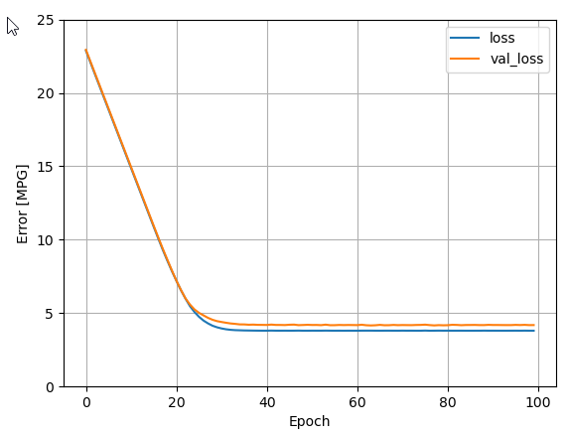
# Calculate validation results on 20% of the training data
validation_split = 0.2)

def plot_loss(history):
plt.plot(history.history['loss'], label='loss')
plt.plot(history.history['val_loss'], label='val_loss')
plt.ylim([0, 25])
plt.xlabel('Epoch')
plt.ylabel('Error [MPG]')
plt.legend()
plt.grid(True)
plt.show()
plot_loss(history)

single_feature_model.evaluate(
test_features[feature],
test_labels, verbose=1)

# predict and plot
range_min = np.min(test_features[feature]) - 10
range_max = np.max(test_features[feature]) + 10
x = tf.linspace(range_min, range_max, 200)
y = single_feature_model.predict(x)
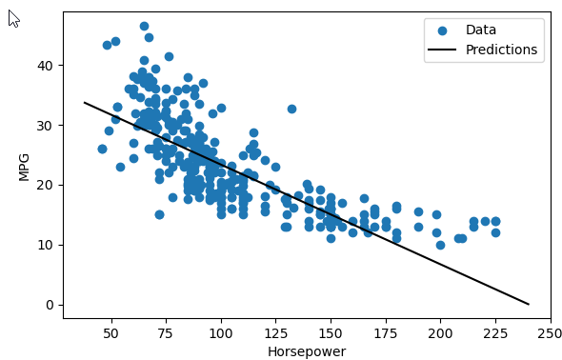
plot(feature, x,y)

