trainning-Pytorch
import torch
import torch.nn as nn
import torch.optim as optim
from torch.optim import lr_scheduler
import numpy as np
import torchvision
from torchvision import datasets, models, transforms
import matplotlib.pyplot as plt
import time
import os
import copy

os.environ["KMP_DUPLICATE_LIB_OK"]="TRUE"

mean = np.array([0.5, 0.5, 0.5])
std = np.array([0.25, 0.25, 0.25])

data_transforms = {
'train': transforms.Compose([
transforms.RandomResizedCrop(224),
transforms.RandomHorizontalFlip(),
transforms.ToTensor(),
transforms.Normalize(mean, std)
]),
'val': transforms.Compose([
transforms.Resize(256),
transforms.CenterCrop(224),
transforms.ToTensor(),
transforms.Normalize(mean, std)
]),
}

data_dir = '.\\data\\hymenoptera_data'
image_datasets = {x: datasets.ImageFolder(os.path.join(data_dir, x),
data_transforms[x])
for x in ['train', 'val']}
dataloaders = {x: torch.utils.data.DataLoader(image_datasets[x], batch_size=4,
shuffle=True, num_workers=0)
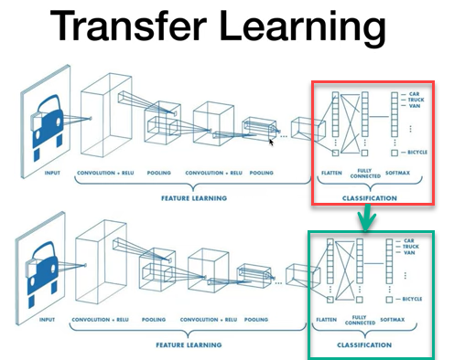
for x in ['train', 'val']}
dataset_sizes = {x: len(image_datasets[x]) for x in ['train', 'val']}
class_names = image_datasets['train'].classes

device = torch.device("cuda:0" if torch.cuda.is_available() else "cpu")
print(class_names)

def imshow(inp, title):
"""Imshow for Tensor."""
inp = inp.numpy().transpose((1, 2, 0))
inp = std * inp + mean
inp = np.clip(inp, 0, 1)
plt.imshow(inp)
plt.title(title)
plt.show()

# Get a batch of training data
inputs, classes = next(iter(dataloaders['train']))

# Make a grid from batch
out = torchvision.utils.make_grid(inputs)

imshow(out, title=[class_names[x] for x in classes])

def train_model(model, criterion, optimizer, scheduler, num_epochs=25):
since = time.time()

best_model_wts = copy.deepcopy(model.state_dict())
best_acc = 0.0

for epoch in range(num_epochs):
print('Epoch {}/{}'.format(epoch, num_epochs - 1))
print('-' * 10)

# Each epoch has a training and validation phase
for phase in ['train', 'val']:
if phase == 'train':
model.train() # Set model to training mode
else:
model.eval() # Set model to evaluate mode

running_loss = 0.0
running_corrects = 0

# Iterate over data.
for inputs, labels in dataloaders[phase]:
inputs = inputs.to(device)
labels = labels.to(device)

# forward
# track history if only in train
with torch.set_grad_enabled(phase == 'train'):
outputs = model(inputs)
_, preds = torch.max(outputs, 1)
loss = criterion(outputs, labels)

# backward + optimize only if in training phase
if phase == 'train':
optimizer.zero_grad()
loss.backward()
optimizer.step()

# statistics
running_loss += loss.item() * inputs.size(0)
running_corrects += torch.sum(preds == labels.data)

if phase == 'train':
scheduler.step()

epoch_loss = running_loss / dataset_sizes[phase]
epoch_acc = running_corrects.double() / dataset_sizes[phase]

print('{} Loss: {:.4f} Acc: {:.4f}'.format(
phase, epoch_loss, epoch_acc))

# deep copy the model
if phase == 'val' and epoch_acc > best_acc:
best_acc = epoch_acc
best_model_wts = copy.deepcopy(model.state_dict())

print()

time_elapsed = time.time() - since
print('Training complete in {:.0f}m {:.0f}s'.format(
time_elapsed // 60, time_elapsed % 60))
print('Best val Acc: {:4f}'.format(best_acc))

# load best model weights
model.load_state_dict(best_model_wts)
return model

transfer-learning-TensorFlow
import os
import math
import random
import shutil

import numpy as np
import pandas as pd
import matplotlib.pyplot as plt
import seaborn as sn

import tensorflow as tf
from tensorflow import keras
from tensorflow.keras import layers

os.environ["KMP_DUPLICATE_LIB_OK"]="TRUE"

# download the data from kaggle:
# https://www.kaggle.com/ihelon/lego-minifigures-tensorflow-tutorial
# move the folder into your project folder and create a backup of
# the star-wars images at 'lego/star-wars-images/'
BASE_DIR = 'lego/star-wars-images/'
names = ["YODA", "LUKE SKYWALKER", "R2-D2", "MACE WINDU", "GENERAL GRIEVOUS"]

tf.random.set_seed(1)

# Reorganize the folder structure:
if not os.path.isdir(BASE_DIR + 'train/'):
for name in names:
os.makedirs(BASE_DIR + 'train/' + name)
os.makedirs(BASE_DIR + 'val/' + name)
os.makedirs(BASE_DIR + 'test/' + name)

# Moce the image files
orig_folders = ["0001/", "0002/", "0003/", "0004/", "0005/"]
for folder_idx, folder in enumerate(orig_folders):
files = os.listdir(BASE_DIR + folder)
number_of_images = len([name for name in files])
n_train = int((number_of_images * 0.6) + 0.5)
n_valid = int((number_of_images*0.25) + 0.5)
n_test = number_of_images - n_train - n_valid
print(number_of_images, n_train, n_valid, n_test)
for idx, file in enumerate(files):
file_name = BASE_DIR + folder + file
if idx < n_train:
shutil.move(file_name, BASE_DIR + "train/" + names[folder_idx])
elif idx < n_train + n_valid:
shutil.move(file_name, BASE_DIR + "val/" + names[folder_idx])
else:
shutil.move(file_name, BASE_DIR + "test/" + names[folder_idx])

# get the preprocessing function of this model
preprocess_input = tf.keras.applications.vgg16.preprocess_input

# Generate batches of tensor image data with real-time data augmentation.

train_gen = keras.preprocessing.image.ImageDataGenerator(preprocessing_function=preprocess_input)
valid_gen = keras.preprocessing.image.ImageDataGenerator(preprocessing_function=preprocess_input)
test_gen = keras.preprocessing.image.ImageDataGenerator(preprocessing_function=preprocess_input)

train_batches = train_gen.flow_from_directory(
'lego/star-wars-images/train',
target_size=(224, 224),
class_mode='sparse',
batch_size=4,
shuffle=True,
color_mode="rgb",
classes=names
)

val_batches = valid_gen.flow_from_directory(
'lego/star-wars-images/val',
target_size=(224, 224),
class_mode='sparse',
batch_size=4,
shuffle=True,
color_mode="rgb",
classes=names
)

test_batches = test_gen.flow_from_directory(
'lego/star-wars-images/test',
target_size=(224, 224),
class_mode='sparse',
batch_size=4,
shuffle=False,
color_mode="rgb",
classes=names
)

train_batch = train_batches[0]
print(train_batch[0].shape)
print(train_batch[1])
test_batch = test_batches[0]
print(test_batch[0].shape)
print(test_batch[1])

def show(batch, pred_labels=None):
plt.figure(figsize=(10,10))
for i in range(4):
plt.subplot(2,2,i+1)
plt.xticks([])
plt.yticks([])
plt.grid(False)
plt.imshow(batch[0][i], cmap=plt.cm.binary)
# The CIFAR labels happen to be arrays,
# which is why you need the extra index
lbl = names[int(batch[1][i])]
if pred_labels is not None:
lbl += "/ Pred:" + names[int(pred_labels[i])]
plt.xlabel(lbl)
plt.show()

show(test_batch)

show(train_batch)

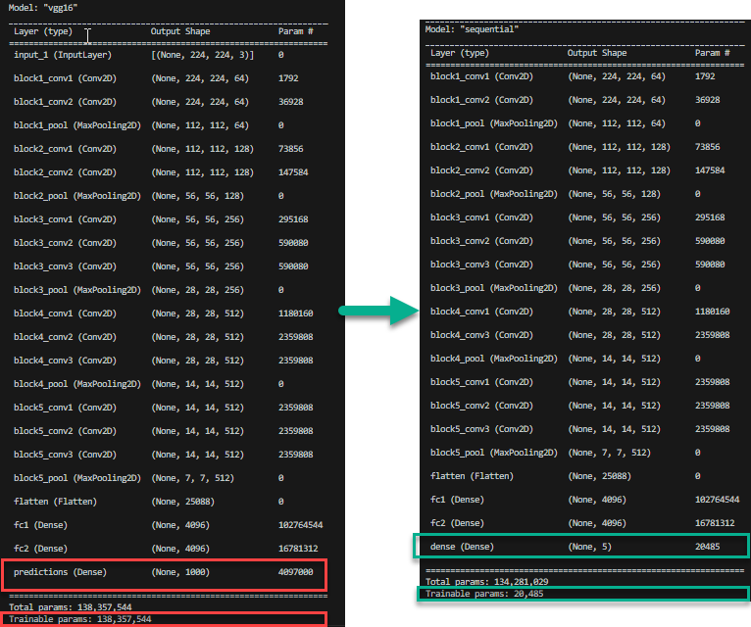
vgg_model = tf.keras.applications.vgg16.VGG16()
print(type(vgg_model))
vgg_model.summary()

# try out different ones, e.g. MobileNetV2
#tl_model = tf.keras.applications.MobileNetV2()
#print(type(tl_model))
#tl_model.summary()

# convert to Sequential model, omit the last layer
# this works with VGG16 because the structure is linear
model = keras.models.Sequential()
for layer in vgg_model.layers[0:-1]:
model.add(layer)

print(model.summary())

# set trainable=False for all layers
# we don't want to train them again
for layer in model.layers:
layer.trainable = False

print(model.summary())

# add a last classification layer for our use case with 5 classes
model.add(layers.Dense(5))

# loss and optimizer
loss = keras.losses.SparseCategoricalCrossentropy(from_logits=True)
optim = keras.optimizers.Adam(lr=0.001)
metrics = ["accuracy"]

model.compile(optimizer=optim, loss=loss, metrics=metrics)

# training
epochs = 30

# callbacks
early_stopping = keras.callbacks.EarlyStopping(
monitor="val_loss",
patience=5,
verbose=2
)

history = model.fit(train_batches, validation_data=val_batches,
callbacks=[early_stopping],
epochs=epochs, verbose=2)

model.save("lego_model.h5")

# plot loss and acc
plt.figure(figsize=(16, 6))
plt.subplot(1, 2, 1)
plt.plot(history.history['loss'], label='train loss')
plt.plot(history.history['val_loss'], label='valid loss')
plt.grid()
plt.legend(fontsize=15)

plt.subplot(1, 2, 2)
plt.plot(history.history['accuracy'], label='train acc')
plt.plot(history.history['val_accuracy'], label='valid acc')
plt.grid()
plt.legend(fontsize=15)
plt.show()

# evaluate on test data
model.evaluate(test_batches, verbose=2)

# make some predictions
predictions = model.predict(test_batches)
predictions = tf.nn.softmax(predictions)
labels = np.argmax(predictions, axis=1)

print(test_batches[0][1])
print(labels[0:4])

show(test_batches[0], labels[0:4])

