architecture
Node.js Architecture
Node.js uses the "Single Threaded Event Loop" architecture to handle multiple concurrent clients. The Node.js processing model is based on the JavaScript event-based model, along with the JavaScript callback mechanism.
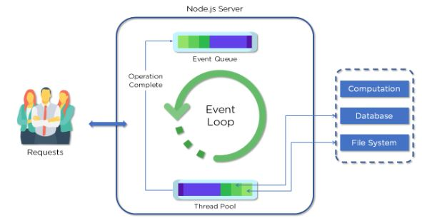
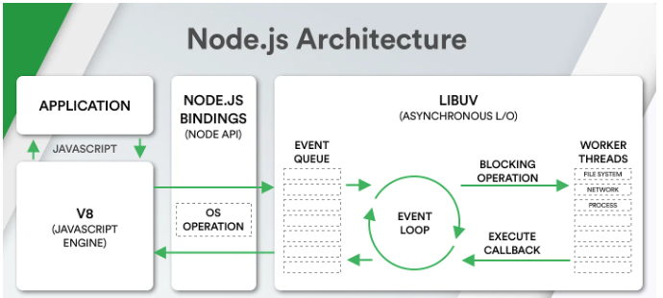

Fig: Node.js architecture
Clients send requests to Web Server.

Requests can be:
Querying for data
Deleting data
Updating the data, etc.
Node.js adds the requests to the Event Queue
Event Loop checks if the requests are simple enough not to require any external resources
Event Loop processes simple requests and returns the responses to the corresponding clients
A single thread from Thread Pool is assigned to a single complex request
Thread Pool performs the required task and returns the response to Event Loop, which in turn, returns the response to the client

Libuv
What is Libuv?
Libuv is a widely used library present in Node.js. It is used to complement the asynchronous I/O functionality of Node.js. It was developed in-house and used alongside systems such as Luvit, Julia, and more.
The following are some of the features of Libuv:
File system event handling
Child forking and handling
Asynchronous UDP and TCP sockets
Asynchronous file handling and operations

libuv: libuv is a C library originally written for Node.js to abstract non-blocking I/O operations.
Event-driven asynchronous I/O model is integrated.
It allows the CPU and other resources to be used simultaneously while still performing I/O operations, thereby resulting in efficient use of resources and network.
It facilitates an event-driven approach wherein I/O and other activities are performed using callback-based notifications.
Example: If a program is querying the database, the CPU sits idle until the query is processed and the program stays at a halt, thereby causing wastage of system resources. To prevent this, libuv is used in Node.js which facilitates a non-blocking I/O.

It also has mechanisms to handle services like File System, DNS, network, child processes, pipes, signal handling, polling, and streaming.
To perform blocking operations that can’t be done asynchronously at OS level, libuv also includes a thread pool to distribute CPU loads

What is a thread pool?

Libuv assigns tasks to a pool of worker threads. However, all callbacks that occur on task completion are executed on the main thread.
Note: After Node 10.5 worker threads can also be used to execute JavaScript in parallel. Libuv uses 4 threads by default, but can be changed using the UV_THREADPOOL_SIZE
process.env.UV_THREADPOOL_SIZE = 5

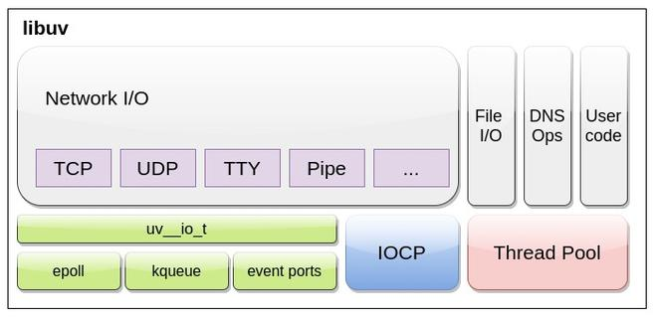

Event or I/O loop: Event or I/O loop uses a single threaded asynchronous I/O approach, hence it is tied to a single thread. In order to run multiple event loops, each of these event loops must be run on a different thread. It is not thread-safe by default with some exceptions.
Libuv maintains an Event queue and event demultiplexer. The loop listens for incoming I/O and emits event for each request. The requests are then assigned to specific handler (OS dependent). After successful execution, registered callback is enqueued in event queue which are continuously executed one by one.
Note: The current time required during entire process is cached by libuv at beginning of each iteration of loop to minimize frequent system calls.

ejs
Server.js
Create a file called server.js in the project directory. This file in our application acts as the main server because it contacts OpenWeatherMap using the API key and returns the weather conditions of the inputted location.
Let’s go ahead and learn what task each snippet of code carries out in this file.
1. const express = require('express');
2. const bodyParser = require('body-parser');
3. const request = require('request');
4. const app = express()
5.
6. const apiKey = '**********************';
7.
8. app.use(express.static('public'));
9. app.use(bodyParser.urlencoded({ extended: true }));
10. app.set('view engine', 'ejs')
11.
12. app.get('/', function (req, res) {
13. res.render('index', {weather: null, error: null});
14. })
15.
16. app.post('/', function (req, res) {
17. let city = req.body.city;
18. let url = `http://api.openweathermap.org/data/2.5/weather?q=${input}&units=metric&appid=${apiKey}`
19. console.log(req.body.city)
20. request(url, function (err, response, body) {
21. if(err){
22. res.render('index', {weather: null, error: 'Error, please try again'});
23. } else {
24. let weather = JSON.parse(body)
25. if(weather.main == undefined){
26. res.render('index', {weather: null, error: 'Error, please try again'});
27. } else {
28. let weatherText = `It's ${weather.main.temp} degrees with ${weather.weather[0].main} in ${weather.name}!`;
29. res.render('index', {weather: weatherText, error: null});
30. console.log("body:", body)
31. }
32. }
33. });
34. })
35.
36. app.listen(3000, function () {
37. console.log('Weatherly app listening on port 3000!')
38. })

Line 1 - 3: We are importing three modules in the application: express, body-parser, and request. We can add these modules using the terminal inside the VS Code.

Line 4: Create an Express object called app
Line 6: Add the API key to our application
Line 8: This line of code is used to access the CSS file we added in the public folder inside the project directory to make the application look better
Line 9: Access the request body
Line 10: Set up the EJS template engine with this line of code
Line 12-14: Use the GET method for rendering the index.ejs (front-end HTML) file as a response
Line 16 - 34: Use the POST method to request the server for weather conditions at a given location:
Store the city from the request body in the city variable
Send the URL with the city name and API key
If there is an error, send an error message to be rendered on index.ejs
Otherwise, send the weather conditions to be rendered on index.ejs
Line 36 - 38: Set the application to listen at port: 3000, and log the message to the console

Index.ejs
Instead of responding with text when someone visits the root page, we'd like to respond with an HTML file. For this, we'll be using EJS (Embedded JavaScript). EJS is a templating language.
To add this feature to our application, we have to install it using the terminal the same way we added modules. Use this command: npm install --save ejs
EJS is accessed by default in the views directory. Create a new folder named views in the application directory. Within that views folder, add a file named index.ejs. This is how the project directory should look:
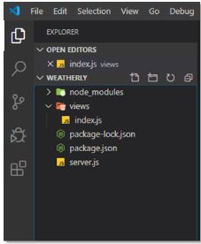

Fig: Project directory_1
Now, let's go ahead and add the code for this file and then learn what exactly each line of code does.
1. <!DOCTYPE html>
2. <html>
3. <head>
4. <meta charset="utf-8" />
5. <title>Weatherly</title>
6. <link rel="stylesheet" type="text/css" href="/css/style.css" />
7. <link
8. href="https://fonts.googleapis.com/css?family=Open+Sans:300"
9. rel="stylesheet"
10. type="text/css"
11. />
12. </head>
13. <body>
14. <div class="container">
15. <fieldset>
16. <form action="/" method="post">
17. <input
18. name="city"
19. type="text"
20. class="ghost-input"
21. placeholder="Enter a City"
22. required
23. />
24. <input
25. id="submit"
26. type="submit"
27. class="ghost-button"
28. value="Get Weather"
29. />
30. </form>
31. <% if(weather !== null){ %>
32. <p><%= weather %></p>
33. <% } %> <% if(error !== null){ %>
34. <p><%= error %></p>
35. <% } %>
36. </fieldset>
37. </div>
38. </body>
39. </html>
40.

The above code is exactly like what you would write to create an HTML form. Since this is not an HTML tutorial, I'll explain only the EJS part of the code:
Line 31 - 35: If the application can fetch the weather from the server, weather conditions are displayed on the screen. Otherwise, an error is displayed in that field.

Style.css
You can add the following CSS code to your application to make it look exactly like the one in this Node.js tutorial. You are free to tweak the CSS styles according to your preferences, too.
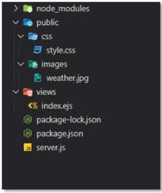

Fig: Project directory_2
Add the following CSS styles in the style.css file and keep the file inside the public/css folder inside the project directory to make the styles work with the application.
/*
Styles from this codepen:
https://codepen.io/official_naveen/pen/rgknI
*/
body {
width: 800px;
margin: 0 auto;
font-family: 'Open Sans', sans-serif;
background: url("../images/weather.jpg");
background-size: cover;
}
.container {
width: 600px;
margin: 0 auto;
position: absolute;
top: 50%;
left: 50%;
transform: translate(-50%, -50%);
opacity: .7;
background-color: darkgray;
border-radius: 10px;
}
fieldset {
display: block;
-webkit-margin-start: 0px;
-webkit-margin-end: 0px;
-webkit-padding-before: 0em;
-webkit-padding-start: 0em;
-webkit-padding-end: 0em;
-webkit-padding-after: 0em;
border: 0px;
border-image-source: initial;
border-image-slice: initial;
border-image-width: initial;
border-image-outset: initial;
border-image-repeat: initial;
min-width: -webkit-min-content;
padding: 30px;
}
.ghost-input, p {
display: block;
font-weight:300;
width: 100%;
font-size: 25px;
border:0px;
outline: none;
width: 100%;
-webkit-box-sizing: border-box;
-moz-box-sizing: border-box;
box-sizing: border-box;
color: #4b545f;
background: #fff;
font-family: Open Sans,Verdana;
padding: 10px 15px;
margin: 30px 0px;
-webkit-transition: all 0.1s ease-in-out;
-moz-transition: all 0.1s ease-in-out;
-ms-transition: all 0.1s ease-in-out;
-o-transition: all 0.1s ease-in-out;
transition: all 0.1s ease-in-out;
}
.ghost-input:focus {
border-bottom:1px solid #ddd;
}
.ghost-button {
background-color: transparent;
border:2px solid #ddd;
padding:10px 30px;
width: 100%;
min-width: 350px;
-webkit-transition: all 0.1s ease-in-out;
-moz-transition: all 0.1s ease-in-out;
-ms-transition: all 0.1s ease-in-out;
-o-transition: all 0.1s ease-in-out;
transition: all 0.1s ease-in-out;
color: white;
font-weight: bold;
}
.ghost-button:hover {
border:2px solid #515151;
}
p {
color: #E64A19;
}

mongo
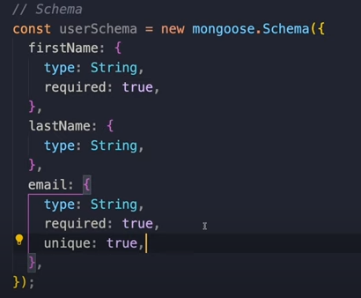
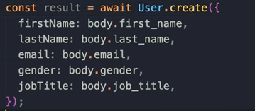

const userSkillSchema= new mongoose.Schema({
user:{type:mongoose.Schema.ObjectId,ref:user},
skill:{type:mongoose.Schema.ObjectId,ref:skill}
})

jwt
index.js
Create a file called index.js in the project directory. This is the only file that we create and work on in this project in order to keep things simple. Our main goal is to understand how JWTs work in a Node.js application.
So, let’s go ahead and understand what each snippet of code does in this file.
We are importing a couple of modules that we will be needing in the application: express, and jwt.

const express = require("express");
const jwt = require("jsonwebtoken");
We can add these modules using the terminal inside VSCode.
After that, we create an express application variable.

const app = express();
We then define an app.get() method to create a json string with the desired message.

app.get("/api", (req, res) => {
res.json({
message: "Hey, there! Welcome to this API service"
});
});
app.post() is a POST request and in the method parameters, we add URL, verifyToken, and request and response values.

verify() method then takes the request token as input and verifies whether it is correct. We set it to print an error message if it doesn’t match; otherwise, we print a message on the screen stating that the post was created.
app.post("/api/posts", verifyToken, (req, res) => {
jwt.verify(req.token, "secretkey", (err, authData) => {
if (err) {
res.sendStatus(403);
} else {
res.json({
message: "POST created...",
authData
});
}
});
});
We define another POST method that creates a route for user login at the specified URL.

JWT then uses the sign() method to create a JSON Web Token for that user and returns the token in the form of a JSON string.
app.post("/api/login", (req, res) => {
const user = {
id: 1,
username: "john",
email: "john@gmail.com"
};
jwt.sign({ user: user }, "secretkey", (err, token) => {
res.json({
token
});
});
});
Finally, we define the method verifyToken() that takes care of the token verification process.
bearerHeader variable contains the token that is passed in the authorization field of request header.
We add an if condition that checks whether the token exists in the authorization field; if not, we send an error status to the user.

function verifyToken(req, res, next) {
const bearerHeader = req.headers["authorization"];
if (typeof bearerHeader !== "undefined") {
const bearerToken = bearerHeader.split(" ")[1];
req.token = bearerToken;
next();
} else {
res.sendStatus(403);
}
}
In the end, we set the server to listen to Port 3000.

app.listen(3000, () => console.log("Server started"));

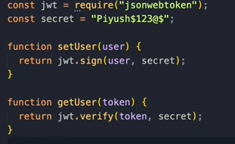
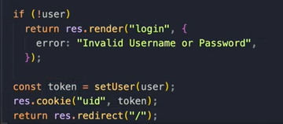

OPPENID token verify
const jwt = require('jsonwebtoken');
const jwksClient = require('jwks-rsa');

const client = jwksClient({
jwksUri: 'https://login.microsoftonline.com/common/discovery/keys'
});

function getKey(header, callback) {
client.getSigningKey(header.kid, function (err, key) {
const signingKey = key.publicKey || key.rsaPublicKey;
callback(null, signingKey);
});
}

const token = 'YOUR_TOKEN_HERE';

jwt.verify(token, getKey, { algorithms: ['RS256'] }, function (err, decoded) {
if (err) {
console.error('Token verification failed:', err);
} else {
console.log('Decoded token:', decoded);
}
});

multer
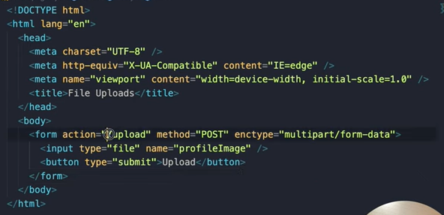

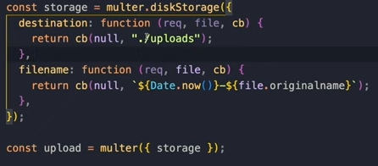

WebSocket
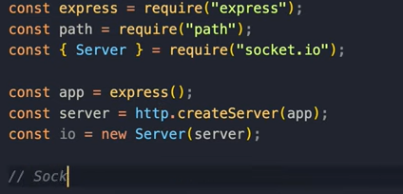
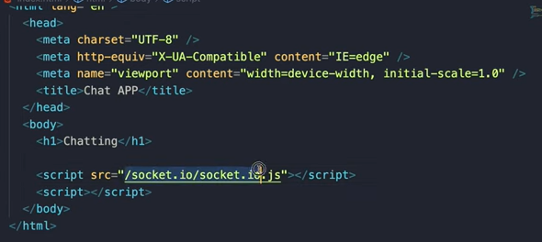
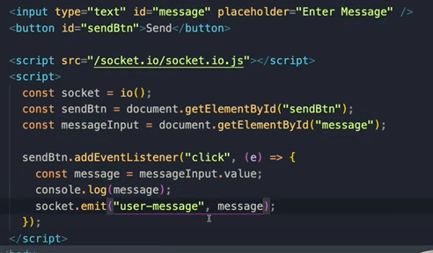
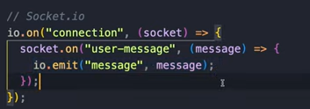
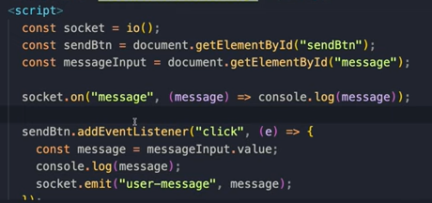
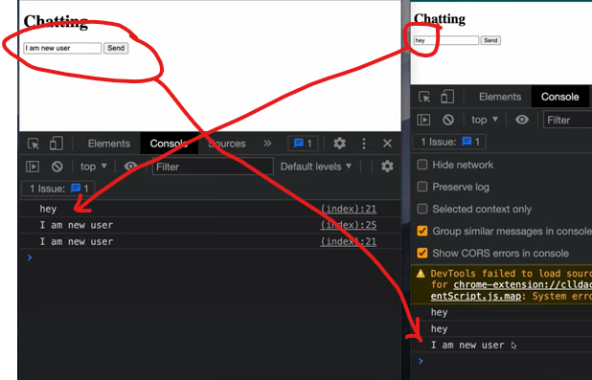
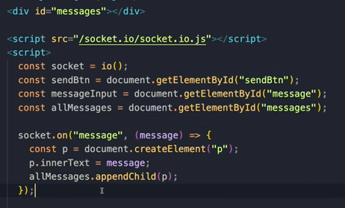
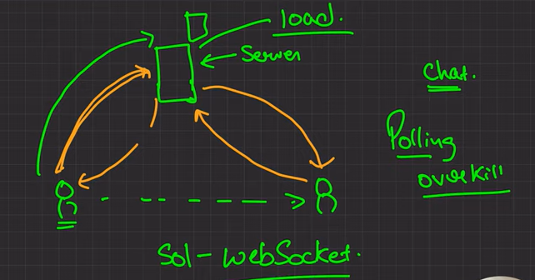
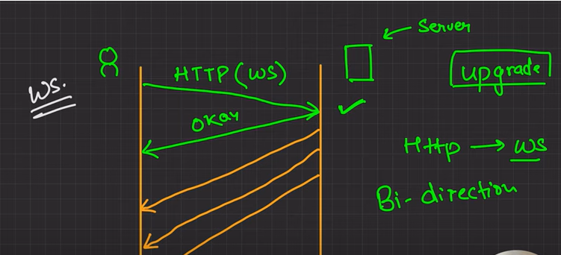

socket.io

child_process
 | Node.js is a JavaScript runtime that offers a variety of modules to work with. Usually, Node.js allows single-threaded, non-blocking performance but running a single thread in a CPU cannot handle increasing workload hence the child_process module can be used to spawn child processes. The child processes communicate with each other using a built-in messaging system.
 | The following are the four different ways to create a child process in Node.js:
 | spawn() method
 | fork() method
 | exec() method
 | execFile() method

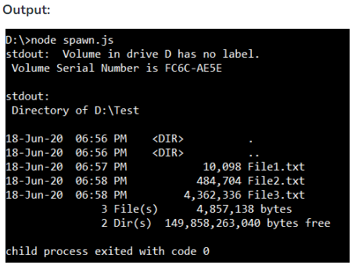
 | spawn() method: This method spawns a new process using the given command and the command line arguments in args. The ChildProcess instance implements EventEmitterAPI which enables us to register handlers for events on child objects directly. Some events that can be registered for handling with the ChildProcess are exit, disconnect, error, close, and message.
 | Syntax:
 | child_process.spawn(command[, args][, options])
 | Return Value: Returns a ChildProcess object.
 | const { spawn } = require('child_process');
 | const child = spawn('dir', ['D:\Test'], { shell: true });
 | child.stdout.on('data', (data) => {
 | console.log(`stdout: ${data}`);
 | });

 | child.stderr.on('data', (data) => {
 | console.error(`stderr: ${data}`);
 | });

 | child.on('close', (code) => {
 | console.log(`child process exited with code ${code}`);
 | });

 | fork() method: The child_process.fork() is a special case of child_process.spawn() where the parent and the child process can communicate with each other via send(). The fork() allows the separation of computation-intensive tasks from the main event loop. Child processes are independent of the parent except for the IPC communication channel established between them. Each process has its own memory, therefore invoking a large number of child processes can affect the performance of the application. The shell option is not supported by child_process.fork().
 | Syntax:
 | child_process.fork(modulePath[, args][, options])
 | Return Value: Returns a ChildProcess instance.
fork.js | // Write Javascript code here
 | const cp = require('child_process');

 | let child = cp.fork(__dirname + '/sub.js');

 | child.on('message', function (m) {
 | console.log('Parent process received:', m);
 | });

 | child.send({ hello: 'from parent process' });

 | child.on('close', (code) => {
 | console.log(`child process exited with code ${code}`);
 | });

sub.js | process.on('message', function (m) {
 | console.log('Child process received:', m);
 | });

 | process.send({ hello: 'from child process' });

 | exec() method: This method creates a shell first and then executes the command.
 | Syntax:
 | child_process.exec(command[, options][, callback])
 | Return Value: Returns an instance of ChildProcess
 | const { exec } = require('child_process');

 | // Counts the number of directory in
 | // current working directory
 | exec('dir | find /c /v ""', (error, stdout, stderr) => {
 | if (error) {
 | console.error(`exec error: ${error}`);
 | return;
 | }
 | console.log(`stdout: No. of directories = ${stdout}`);
 | if (stderr != "")
 | console.error(`stderr: ${stderr}`);
 | });

 | execFile() method: The child_process.execFile() function is does not spawn a shell by default. It is slightly more efficient than child_process.exec() as the specified executable file is spawned directly as a new process
 | Syntax:
 | child_process.execFile(file[, args][, options][, callback])
 | Return Value: Returns an instance of ChildProcess.
 | const { execFile } = require('child_process');

 | // Executes the exec.js file
 | const child = execFile('node', ['exec.js'],
 | (error, stdout, stderr) => {
 | if (error) {
 | throw error;
 | }
 | console.log(stdout);
 | });

cluster
Cluster
Node.js is built-on on the concept of single-threaded programming. Cluster is a module that allows multi-threading by creating child processes that share the same server port and run simultaneously. | Class: Worker
A cluster can be added to an application in the following way: | Event: 'disconnect'
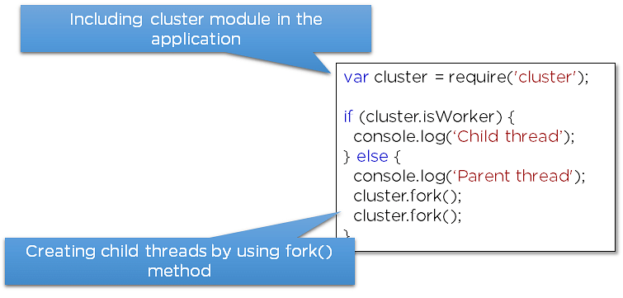
 | Event: 'error'
 | Event: 'exit'
 | Event: 'listening'
 | Event: 'message'
 | Event: 'online'
 | worker.disconnect()
 | worker.exitedAfterDisconnect
 | worker.id
 | worker.isConnected()
 | worker.isDead()
 | worker.kill([signal])
 | worker.process
 | worker.send(message[, sendHandle[, options]][, callback])

 | Class: Cluster
 | Event: 'disconnect'
 | Event: 'exit'
 | Event: 'fork'
Fig: Add cluster in Node.js | Event: 'listening'
 | Event: 'message'
const cluster = require('node:cluster'); | Event: 'online'
const http = require('node:http'); | Event: 'setup'
const numCPUs = require('node:os').availableParallelism();
const process = require('node:process');

if (cluster.isPrimary) {
console.log(`Primary ${process.pid} is running`);

// Fork workers.
for (let i = 0; i < numCPUs; i++) {
cluster.fork();
}

cluster.on('exit', (worker, code, signal) => {
console.log(`worker ${worker.process.pid} died`);
});
} else {
// Workers can share any TCP connection
// In this case it is an HTTP server
http.createServer((req, res) => {
res.writeHead(200);
res.end('hello world\n');
}).listen(8000);

console.log(`Worker ${process.pid} started`);
}

This example will echo back all messages from the primary:
if (cluster.isPrimary) {
const worker = cluster.fork();
worker.send('hi there');

} else if (cluster.isWorker) {
process.on('message', (msg) => {
process.send(msg);
});
}

error
Error Handling
Node.js applications experience four types of errors.
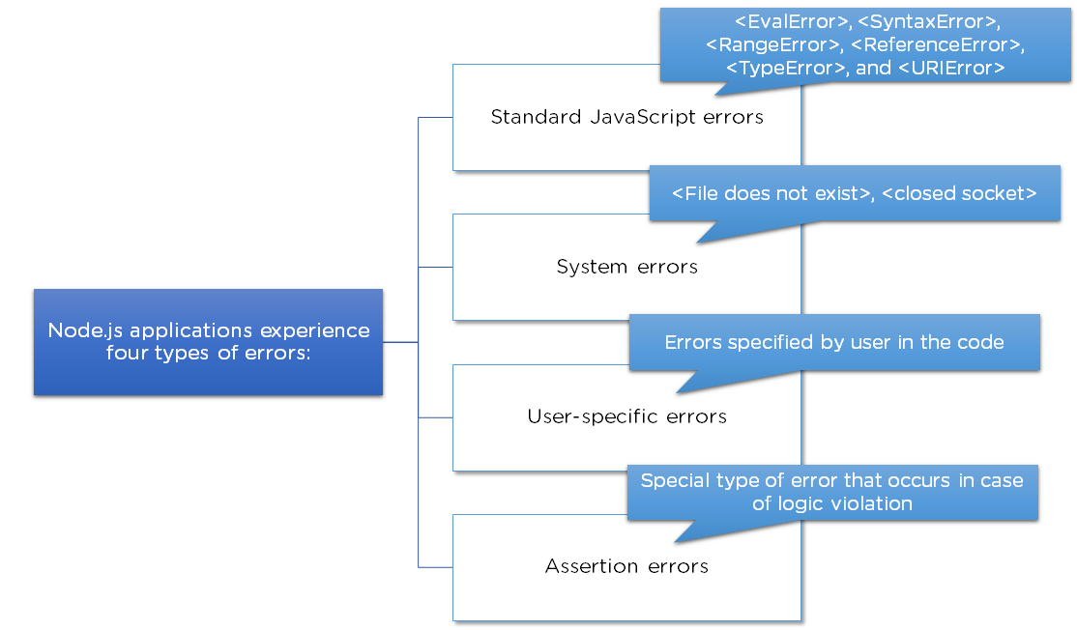

Fig: Node.js errors
Errors in Node.js are handled through exceptions. For example, let's handle the error that would occur when we divide a number by zero. This error would crash the Node.js application, so we should handle this error to continue with the normal execution of the application.
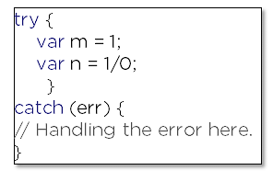

Fig: Node.js error handling

global
Global
Global objects in Node.js are available in all modules. These objects are functions, modules, strings, etc. Some Node.js global objects are mentioned in the table below:
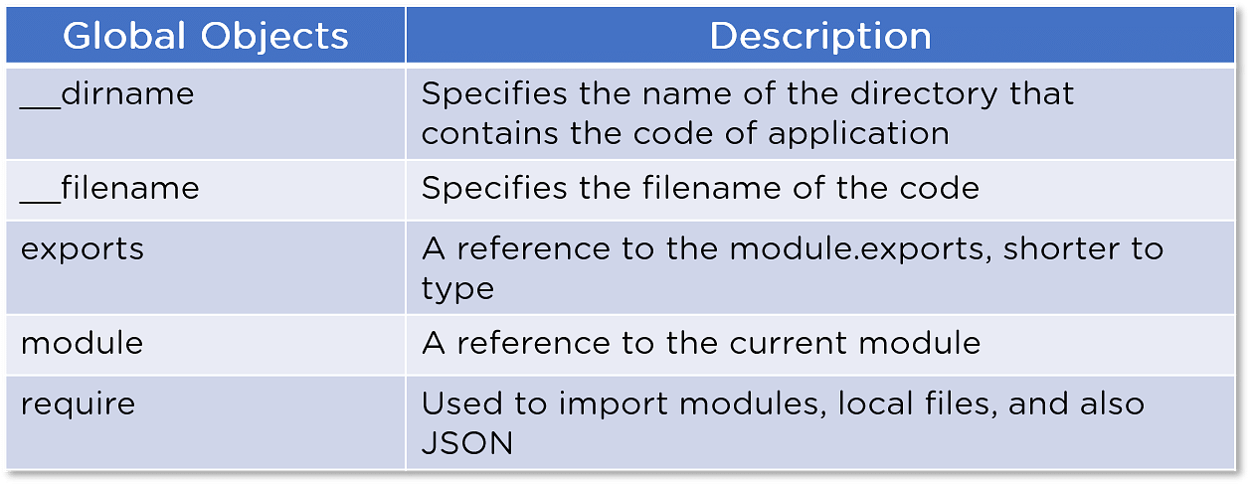

Fig: Global objects table

module
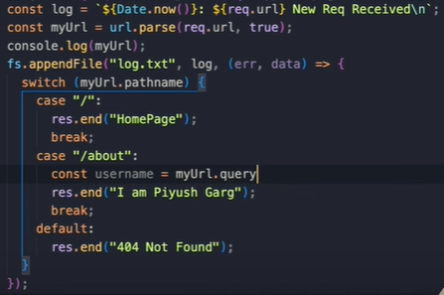
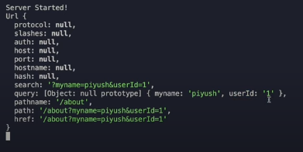
Node.js Modules
Modules are like JavaScript libraries that can be used in a Node.js application to include a set of functions. To include a module in a Node.js application, use the require() function with the parenthesis containing the name of the module.
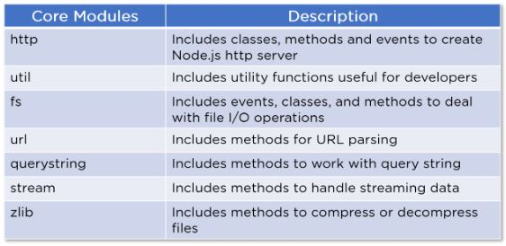

Node.js Events
Every action on a computer is considered an event. For example, opening a file, connecting to the internet, etc. Node.js has a built-in events module, where users can create, trigger, and listen for events.
Let's look at a basic implementation of the Events module in a Node.js application:
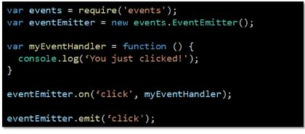

Fig: Node.js Events implementation
We use the require() method to include events in our application
Then, we create an EventEmitter object, which is a module that facilitates interaction between objects in Node.js
After that, we create an event handler and assign it to the event 'click'
Finally, we emit/trigger the event

Fig: Node.js Events output
The 'myEventHandler' method is called, and the console shows the output when you trigger the event using the 'emit()' method.
We will now cover an important aspect of the Node.js application framework as part of this Node.js tutorial. The Node.js Express Framework.

Node.js File System
var fs = require("fs");
var buf = new Buffer(1024);

console.log("opening an existing file");
fs.open('input.txt', 'r+', function(err, fd) {
if (err) {
return console.error(err);
}
console.log("File opened successfully!");
console.log("reading the file");

fs.read(fd, buf, 0, buf.length, 0, function(err, bytes){
if (err){
console.log(err);
}
console.log(bytes + " bytes read");

// Print only read bytes to avoid junk.
if(bytes > 0){
console.log(buf.slice(0, bytes).toString());
}
});
});

DNS
// Include 'dns' module and create its object
const dns = require('dns');

const website = 'geeksforgeeks.org';
// Call to lookup function of dns
dns.lookup(website, (err, address, family) =>; { | address of geeksforgeeks.org is "52.25.109.230" family: IPv4
console.log('address of %s is %j family: IPv%s',
website, address, family);
});

// Execute using $ node <filename>;

// Include 'dns' module and create its object
const dns = require('dns');

// Call to reverse function along with lookup function.
dns.lookup('www.geeksforgeeks.org', | address: 52.222.176.140
function onLookup(err, address, family) { | reverse for 52.222.176.140: ["server-52-222-176-140.bom52.r.cloudfront.net"]
console.log('address:', address);
dns.reverse(address, function (err, hostnames) {
console.log('reverse for ' + address + ': '
+ JSON.stringify(hostnames));
});
});

// Execute using $ node <filename>;

// Node.js program to demonstrate the
// dns.resolve() method

// Accessing dns module
const dns = require('dns');
 | records: [
// Set the rrtype for dns.resolve() method | {"exchange":"alt1.aspmx.l.google.com", "priority":5},
const rrtype="MX"; | {"exchange":"alt2.aspmx.l.google.com", "priority":5},
 | {"exchange":"aspmx.l.google.com", "priority":1},
// Calling dns.resolve() method for hostname | {"exchange":"alt3.aspmx.l.google.com", "priority":10},
// geeksforgeeks.org and print them in | {"exchange":"alt4.aspmx.l.google.com", "priority":10}
// console as a callback | ]
dns.resolve('geeksforgeeks.org', rrtype, (err, records)
=> console.log('records: %j', records));

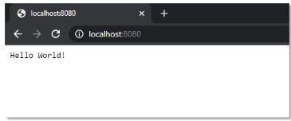
Node.js HTTP module
Node.js has a built-in module called HTTP. This module enables Node.js to transfer data over the internet.

Streaming
Streams are the objects that let you read data or write data continuously. There are four types of streams:
1. Readable: These are the types of streams from which data can be read
2. Writable: These are the types of streams to which data can be written
3. Duplex: These are both readable and writable streams
4. Transform: Streams that can manipulate the data while it is being read or written
Some Node APIs that uses streams are:
net.Socket()
process.stdin()
process.stdout()
process.stderr()
fs.createReadStream()
fs.createWriteStream()
net.connect()
http.request()
zlib.createGzip()
zlib.createGunzip()
zlib.createDeflate()
zlib.createInflate()
Readable Stream:
const { Readable } = require('stream');

// Reading the data
const inStream = new Readable({
read() { }
});
 | Output:
// Pushing the data to the stream | GeeksForGeeks : A Computer Science portal for Geeks
inStream.push('GeeksForGeeks : ');
inStream.push(
'A Computer Science portal for Geeks');

// Indicates that no more data is
// left in the stream
inStream.push(null);

// Echoing data to the standard output
inStream.pipe(process.stdout);
Writable Stream:
const { Writable } = require('stream');

// Whatever is passed in standard
// input is out streamed here.
const outStream = new Writable({

// The Write function takes three | Output:
// arguments | Hello Geeks
// Chunk is for Buffer
// Encoding is used in case we want
// to configure the stream differently
// In this sample code, Encoding is ignored
// callback is used to indicate
// successful execution
write(chunk, encoding, callback) {
console.log(chunk.toString());
callback();
}

});

// Echo the data to the standard output
process.stdin.pipe(outStream);

// Node.js program to demonstrate the
// writable.cork() method | The writable.cork() method is an inbuilt application programming interface of Stream module which is used to write every data into the buffer memory. When we use stream.uncork() or stream.end() methods then the buffer data will be flushed.
const stream = require('stream');

// Creating a stream and creating
// a write function
const writable = new stream.Writable({ | Output:
 | hi
// Write function with its | Here, in the above example the data written before cork() method is only displayed and the data written after it is corked i.e. stored in the memory.
// parameters
write: function(chunk, encoding, next) {

// Converting the chunk of
// data to string
console.log(chunk.toString());
next();
}
});

// Writing data
writable.write('hi');

// Calling cork() function
writable.cork();

// Again writing some data
writable.write('hello');
writable.write('world');

// Calling cork() function
writable.cork(); | The writable.writableLength property is an inbuilt application of stream module which is used to check the number of bytes in the queue that is ready to be written

//Writing data
writable.write('hi');

// Calling uncork() function
writable.uncork(); | Output:
 | hi
// Again calling cork function | 3
writable.cork(); | Here, the data ‘hi’ is not present in buffer anymore So, the buffer has only 3 bytes present data ‘GFG’ takes 3 bytes.

// Again writing some data
writable.write('GFG');

// Calling writable.writableLength
// Property
console.log(writable.writableLength);

// Writing data | The stream.Writable close Event is an inbuilt application programming interface of Stream module which is used to emit when the stream and any of its hidden resources (for example, a file descriptor) is being closed. This event implies that no further events will be emitted, plus no further computation will take place
writable.write('GeeksforGeeks');
 | Output:
// Emitting close event | GeeksforGeeks
writable.on('close', () => { | program is ended.
console.log("No further operations will be performed!"); | No further operations will be performed!
});

// Calling destroy function
writable.destroy();

// Shows that the program ends
console.log("program is ended.");

Buffer
Buffer is a module that allows the handling of streams that contain only binary data. An empty buffer of length '10' can be created by this method:

// Write JavaScript code here
cbuf = new Buffer(256);
bufferlen = cbuf.write("Learn Programming with GeeksforGeeks!!!");
console.log("No. of Octets in which string is written : "+ bufferlen);

Encoding
rbuf = new Buffer(26);
var j;

for (var i = 65, j = 0; i < 90, j < 26; i++, j++) {
rbuf[j] = i ;
}

console.log( rbuf.toString('ascii'));
console.log( rbuf.toString('utf-8', 3, 9));
Buffer.copy()
// Creating a buffer | Syntax:
let buffer2 = Buffer.from('for'); | buffer.copy( target, targetStart, sourceStart, sourceEnd )

let buffer1 = Buffer.from('GeeksandGeeks'); | Output:
 | GeeksforGeeks
buffer2.copy(buffer1, 5, 0);

console.log(buffer1.toString());

Buffer.includes()
const buffer = new Buffer('Geek One'); | Output:
 | TRUE
console.log(buffer.includes('Geek'));

const buffer = Buffer.from(
'GeeksforGeeks: A computer science portal');
 | Output:
// Started checking the value from index 15 only | FALSE
const output = buffer.includes('Geek', 15);

console.log(output);
Buffer.compare()
0: If they are equal.
1: If buffer1 is higher than buffer2 i.e. if buffer1 should come before buffer2 when sorted.
-1: If buffer2 is higher than buffer1 i.e. if buffer2 should come before buffer1 when sorted
const buffer1 = Buffer.from('Geek');
const buffer2 = Buffer.from('Geek');
const op = Buffer.compare(buffer1, buffer2); | Output:
console.log(op); | 0
 | -1
const buffer1 = Buffer.from('GFG');
const buffer2 = Buffer.from('Python');
const op = Buffer.compare(buffer1, buffer2);
console.log(op);

Buffer.equals()
var buf1 = Buffer.from('Hi');
var buf2 = Buffer.from('Hello'); | Output:
 | FALSE
// Prints false(boolean value)
console.log(buf1.equals(buf2));

Crypto
//Encrypting text
function encrypt(text) {
let cipher = crypto.createCipheriv('aes-256-cbc', Buffer.from(key), iv); | crypto.createCipheriv() method is used to create a Cipher object, with algorithm, key and initialization vector (iv).
let encrypted = cipher.update(text); | cipher.update() used to update the cipher with data according to the given encoding format.
encrypted = Buffer.concat([encrypted, cipher.final()]); | cipher.final() must be called after all data has been passed to the cipher object using the cipher.update() method.
return { iv: iv.toString('hex'), encryptedData: encrypted.toString('hex') };
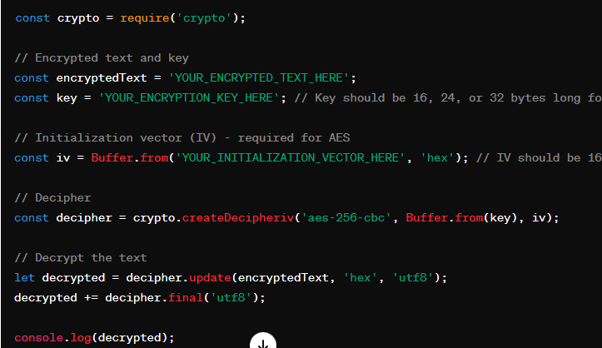
}

// Decrypting text
function decrypt(text) {
let iv = Buffer.from(text.iv, 'hex');
let encryptedText = Buffer.from(text.encryptedData, 'hex');
let decipher = crypto.createDecipheriv('aes-256-cbc', Buffer.from(key), iv); | crypto.createDecipheriv() method is used to create a Decipher object, with algorithm, key and initialization vector (iv).
let decrypted = decipher.update(encryptedText);
decrypted = Buffer.concat([decrypted, decipher.final()]);
return decrypted.toString();
}

URL

