order
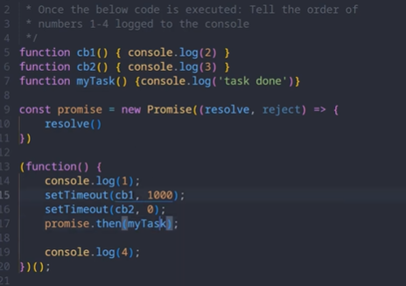
Order
 |  |  |  | sync |  | direct Stack | 1
 |  |  |  | Promise | are eager | through Job queue->callBack | 2
 |  |  |  | async |  | through webApi -> CallBackQueue | 3
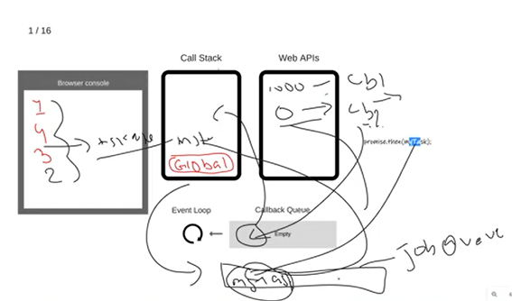

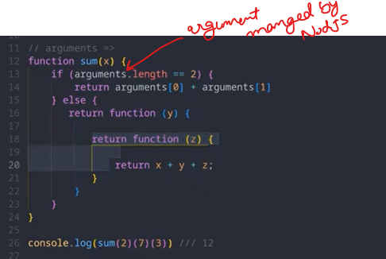
Curring

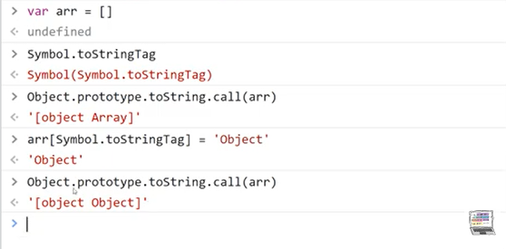
Symbol
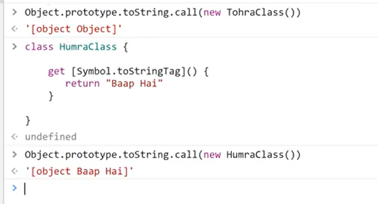

Overriding of Operator
 |  | function CustomNumber(value) { |  | class CustomNumber {
 |  | this.value = value; |  | constructor(value) {
 |  | } |  | this.value = value;
 |  |  |  | }
 |  | CustomNumber.prototype.valueOf = function() {
 |  | return this.value; |  | // Override the addition operator
 |  | }; |  | static [Symbol.toPrimitive](hint) {
 |  |  |  | if (hint === 'number') {
 |  | // Usage |  | return this.value;
 |  | const num1 = new CustomNumber(5); |  | }
 |  | const num2 = new CustomNumber(10); |  | return `CustomNumber(${this.value})`;
 |  |  |  | }
 |  | const result = num1 + num2; // This will use the overridden addition operator |  | }

 |  | console.log(result); // Output: 15 |  | // Usage
 |  |  |  | const num1 = new CustomNumber(5);
 |  |  |  | const num2 = new CustomNumber(10);

 |  |  |  | // Using the overridden addition operator
 |  |  |  | const result = num1 + num2;

 |  |  |  | console.log(result); // Output: 15
 |  |  |  | console.log(String(result)); // Output: "CustomNumber(15)"

Execution and Var Scope

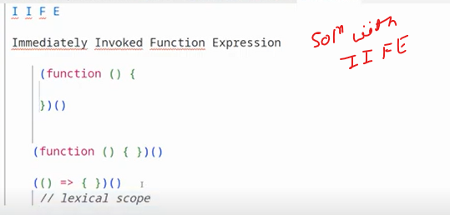
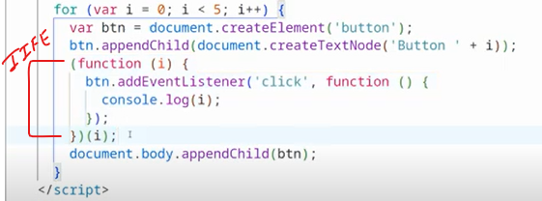

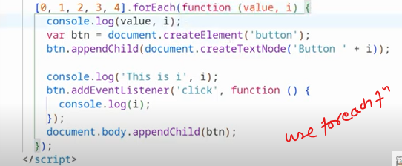
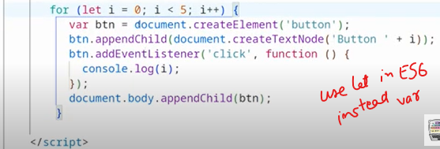

Hoisting of Var
 | (function(){
 | var a=b=3
 | })() |  | b will be global,but a will not be global bcz var a scoped withing fuction
 | console.log(a) //Uncaught ReferenceError: a is not defined
 | console.log(b) //3

 | ---------------------------------
 | for(let i=0;i<2;i++){
 | var a=b=3 |  | a,b both will be global bcz var doesn't defined/scoped in block
 | }
 | console.log(a) //3
 | console.log(b) //3

Lexical Scoping/Closure

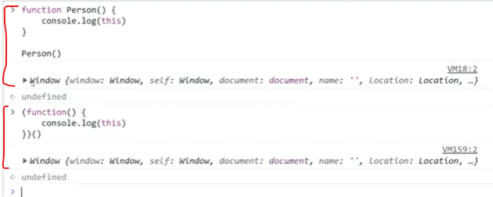

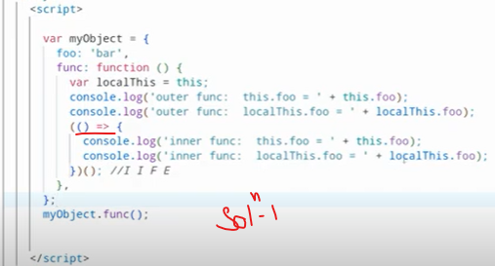
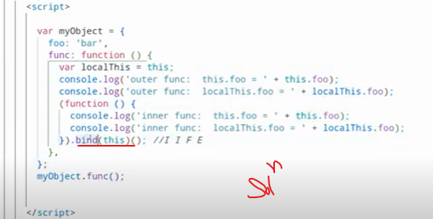
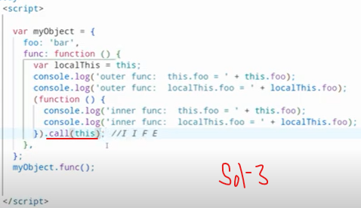

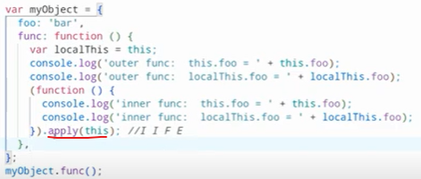

Keys Other than "STRING" or "NUMBER"
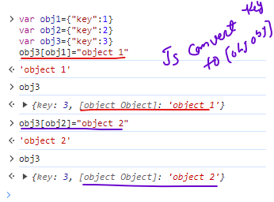

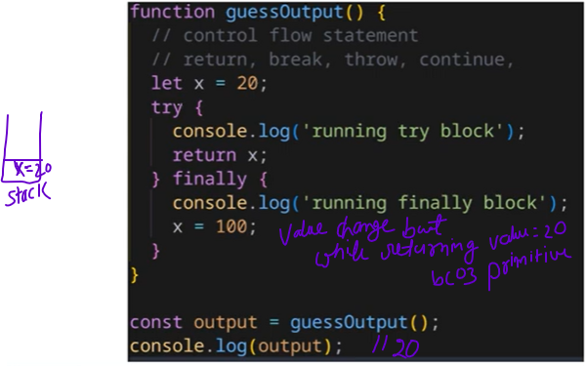
Finally Block always run even after return(controll flow statement)
but we should avoid control flow statement in finally.
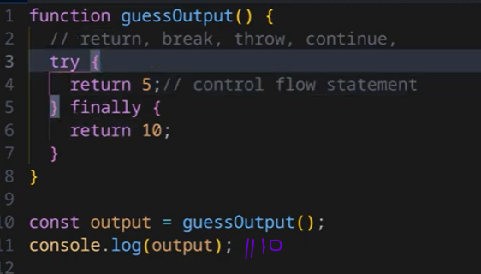

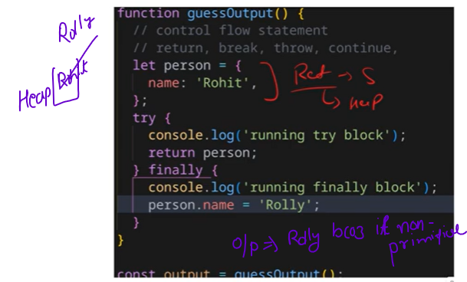

Primitive Conversion
 | const customObject = { |  |  | const customObject = {
 | value: 42, |  |  | value: 42,
 | valueOf: function () { |  |  | [Symbol.toPrimitive]: function (hint) {
 | return this.value; |  |  | if (hint === 'number') {
 | } |  |  | return this.value;
 | }; |  |  | }
 |  |  |  | if (hint === 'string') {
 | console.log(Number(customObject)); // Output: 42 |  |  | return `CustomObject with value: ${this.value}`;
 |  |  |  | }
 | const customObject = { |  |  | return this.value;
 | value: 42, |  |  | }
 | toString: function () { |  |  | };
 | return `CustomObject with value: ${this.value}`;
 | } |  |  | console.log(Number(customObject)); // Output: 42
 | }; |  |  | console.log(String(customObject)); // Output: CustomObject with value: 42

 | console.log(String(customObject)); // Output: CustomObject with value: 42

 | function CustomObject() { |  |  | Use valueOf() for numeric conversion.
 | // constructor logic here |  |  | Use toString() for string conversion.
 | } |  |  | Use [Symbol.toPrimitive] for handling both numeric and string conversions in a unified way.

 | CustomObject.prototype[Symbol.toStringTag] = 'CustomObjectType'; |  |  | If you override [Symbol.toPrimitive], it takes precedence over valueOf() and toString() when both are present.
 |  |  |  | by setting [Symbol.toStringTag] on the prototype of CustomObject, you customize the string representation when Object.prototype.toString.call(obj) is invoked.
 | const obj = new CustomObject();

 | console.log(Object.prototype.toString.call(obj)); // Output: [object CustomObjectType]

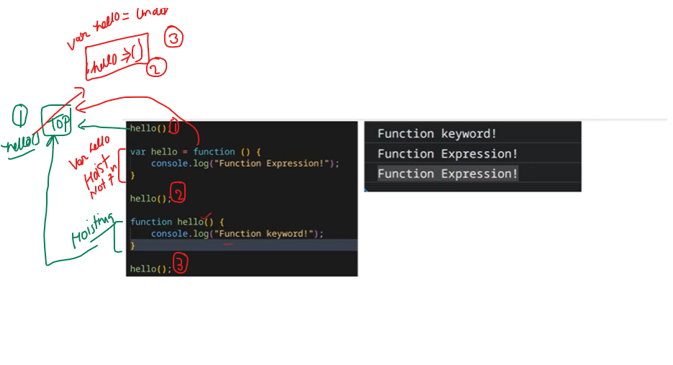
Hoisting

