JOB
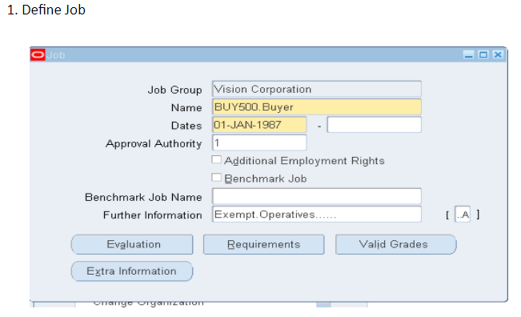

Position
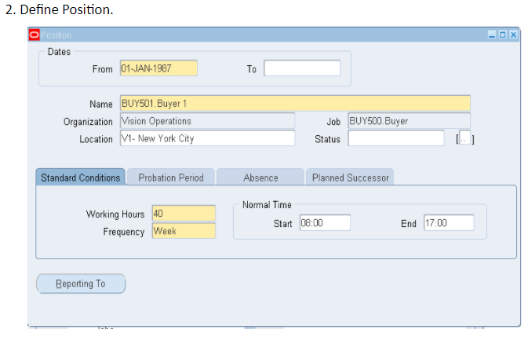

employee
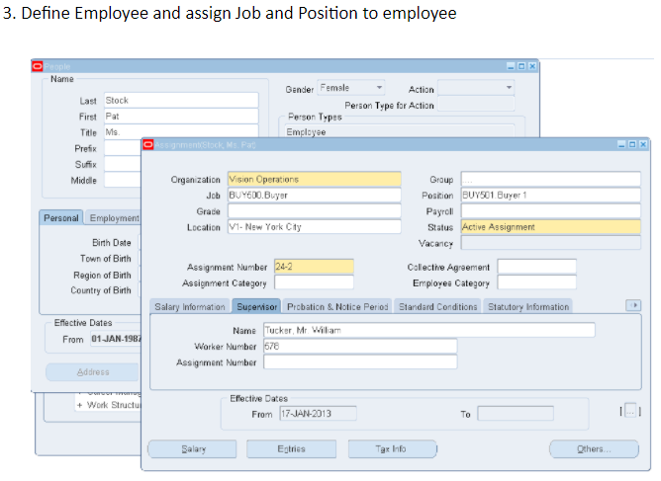

position-Hietarchy
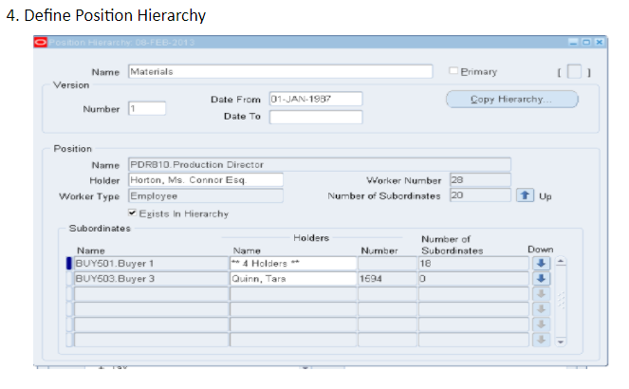

HR_Position Level
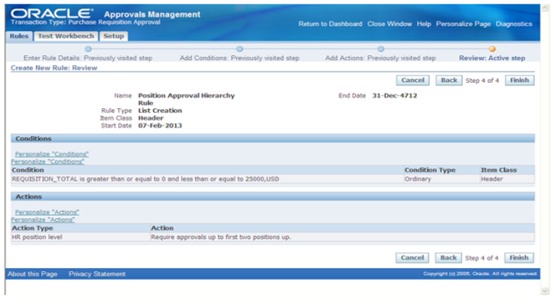
5. Define Rule in Approval Management engine using “HR Position Level” action type for Purchase Requisition transaction type

Navigate to “Approval Management Engine Business Analyst” Responsibility and select “Purchase Requisition Approval” as transaction type and click on Setup button
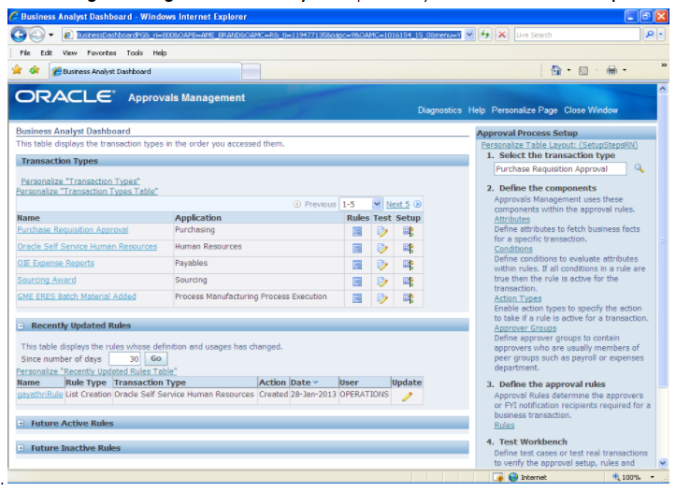

1. Navigate to “Rule” button and click on “Create” to create a Rule based on Position Hierarchy.
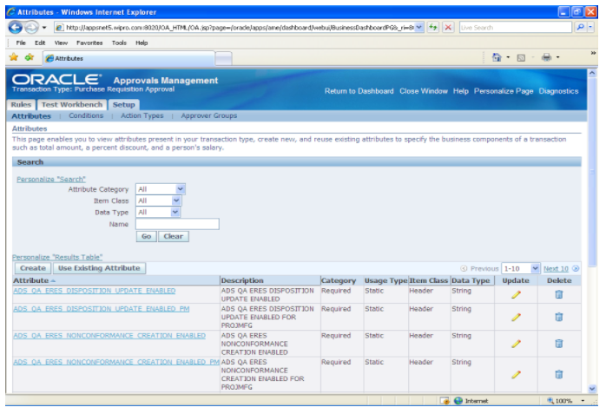

1. Enter Name, Rule type as”List Creation” and Start date during Step1.
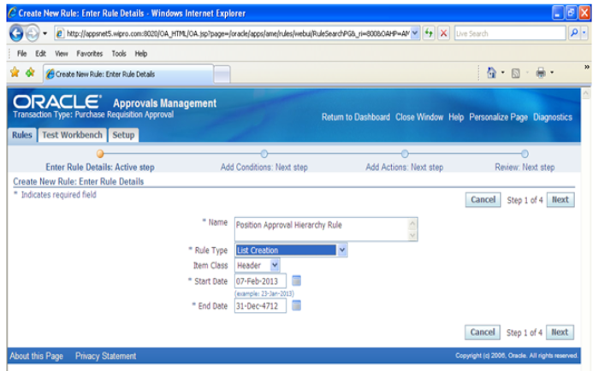

Add condition In Step2
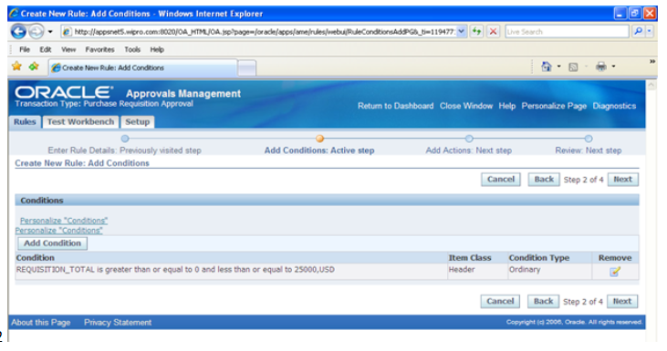

4. Add “Action Type” “HR Position Level and select Required action in Step3
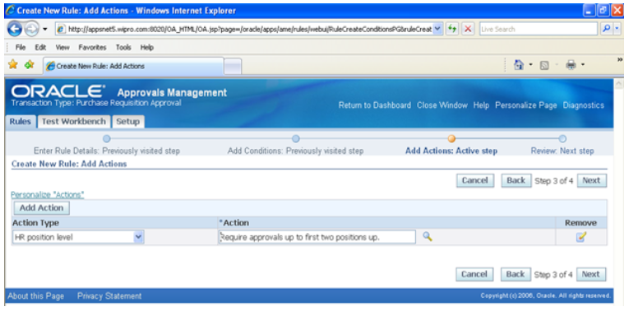

Review all the details and click finish button to create Rule.

Test_Workbench
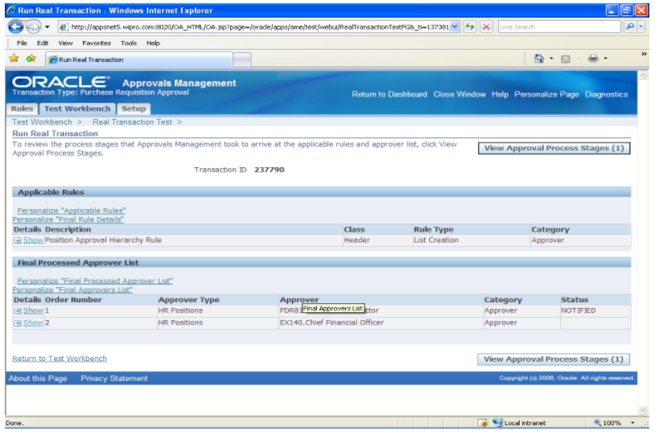
Please navigate to “Approval Management Business Analyst” responsibility to cross check and to confirm the rules used to generate approval hierarchy. Please note that I have shown these details to confirm that the rule created based on Position hierarchy are used and this is not a step to create purchase requsition from iProcurement.
1. Click on “Run Real Transaction Test “ button
2. Enter Requsition_header_id of the Purchase Requisition and click GO
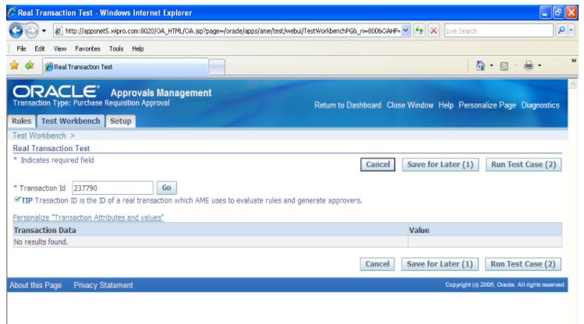

3. Click on “Run Test Case(2)" button and results will be shown as below:

Parallel
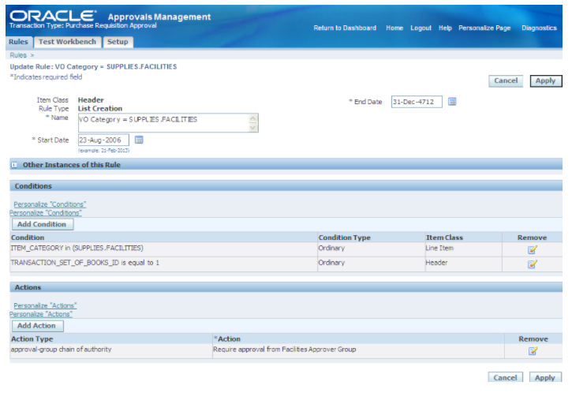
2. Navigate to “Action Type” and create new action type (if required) or use existing action types. We are using existing action type “Approval –Group chain of authority” action type.
1. Select ordering method as “Parallel” to setup Parallel approval process. (“Serial” ordering mode is normal approval Process. i.e. Approval goes from one approver to next approver in a sequence )
2. Select Voting method. Oracle provides multiple options in voting method.
1. Serial:
Serial voting is a normal voting method where approvers are notified one after other. All approvers must approve the request to get Purchase Requisition approval
2. Consensus:
All Approvers are notified in parallel. All approvers must approve the request to get Purchase Requisition approval.
3. First Responder Wins
All Approvers are notified in parallel. The first responder’s choice will be group’s response. Purchase Requisition will get approved, if the first responder approves. Purchase Requisition will get rejected, if the first responder rejects.
Note: “First Responder Wins” option used here to explain the functionality
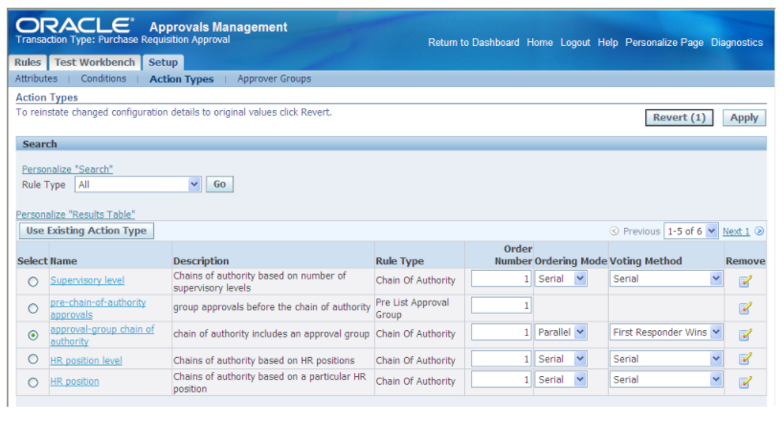

3. Create approver Groups with voting method as “First Responder Wins” and add all Approvers in the approval group.
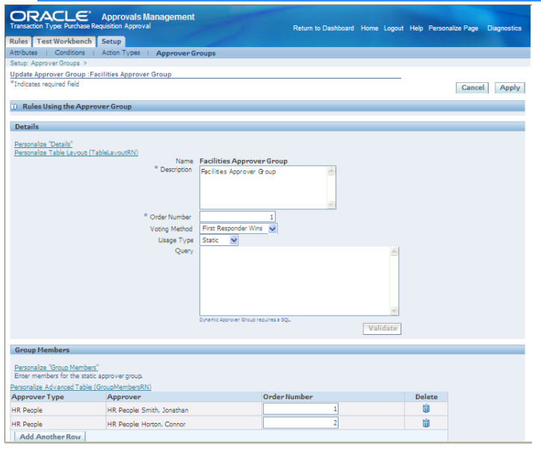

4. Create Rule using Parallel approval Action type and approver Groups.

FYI
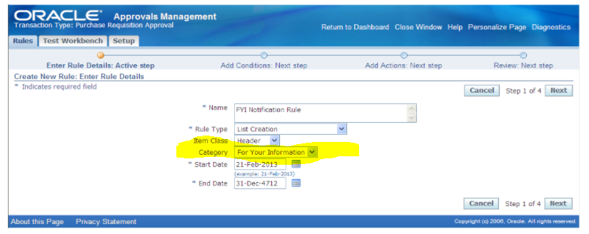
Setup required to configure “For Your Information (FYI) Notification”

1. Navigate to “Approval Management Business Analyst” responsibility and click on Configuration variables.
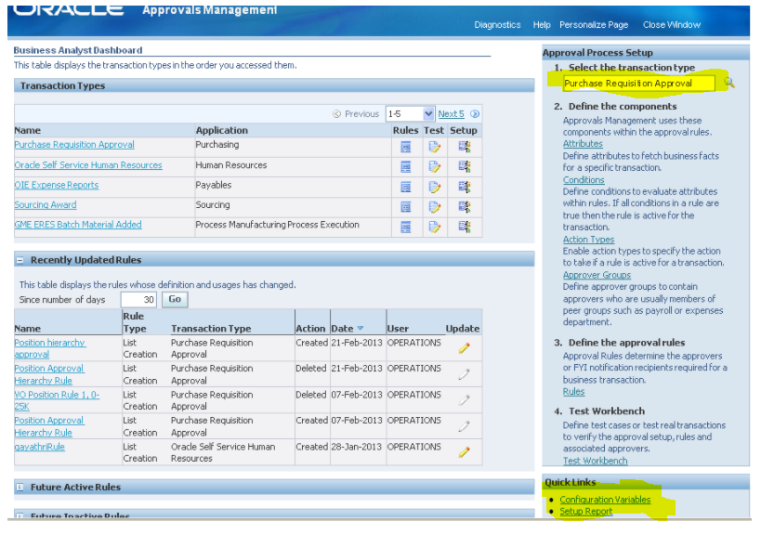

2. Select Transaction type as “Purchase Requisition Approval” and click Go. Then Select “YES” under Transaction type for the variable name “Allow For your Information Notifications”

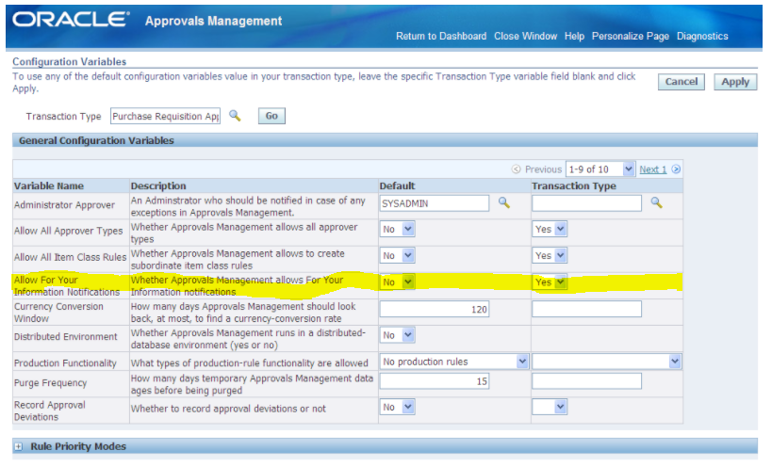

3. Save the Changes and you will get below confirmation message

4. Create new rule with the category “For Your Information” or update existing rule

Action
4. Actions

· Actions describe what should be done in AME if a particular condition is satisfied by the transaction
· Action Type is a collection of actions having similar functionality. Every action belongs to an action type.

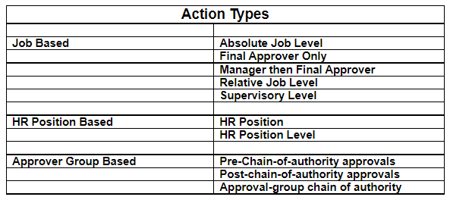

5. Approver Groups
Approver Group is used to fetch approvers from Oracle Applications (HRMS).
• Static or Dynamic in nature
• The voting method determines the order in which the Group Members are notified and also how the decision of the group’s approval.
6. Rules
Transforms the business rules into approval rules to specify approvers in the transaction’s approval list
• Rules can also be categorized as “FYI” or “Approval”.
• A rule is constructed using the following components:
1. Rule Type
2. Item Class
3. Category
4. Conditions
5. Actions

The following mandatory attributes are defined in AME for all transaction types:
ALLOW_DELETING_RULE_GENERATE_APPROVERS
ALLOW_REQUEST_APPROVAL
AT_LEAST_ONE_RULE_MUST_APPLY
REJECTION_RESPONSE
USE_RESTRICTIVE_ITEM_EVALUATION
EFFECTIVE_RULE_DATE
EVALUATE_PRIORITIES_PER_ITEM
USE_WORKFLOW
WORKFLOW_ITEM_KEY
WORKFLOW_ITEM_TYPE
REPEAT_SUBSTITUION

Payables Invoice Approval transaction types, the following require attributes are defined.
ALLOW_EMPTY_APPROVAL_GROUPS
FIRST_STARTING_POINT_PERSON_ID and SECOND_STARTING_POINT_PERSON_ID
INCLUDE_ALL_JOB_LEVEL_APPROVERS
JOB_LEVEL_NON_DEFAULT_STARTING_PERSON_POINT_ID
NON_DEFAULT_POSITION_STRUCTURE_ID
NON_DEFAULT_STARTING_POINT_POSITION_ID
SUPERVISORY_NON_DEFAULT_STARTING_POINT_PERSON_ID
TOP_POSITION_ID
TOP_SUPERVISOR_ID
TRANSACTION_REQUESTER_PERSON_ID

