accounting
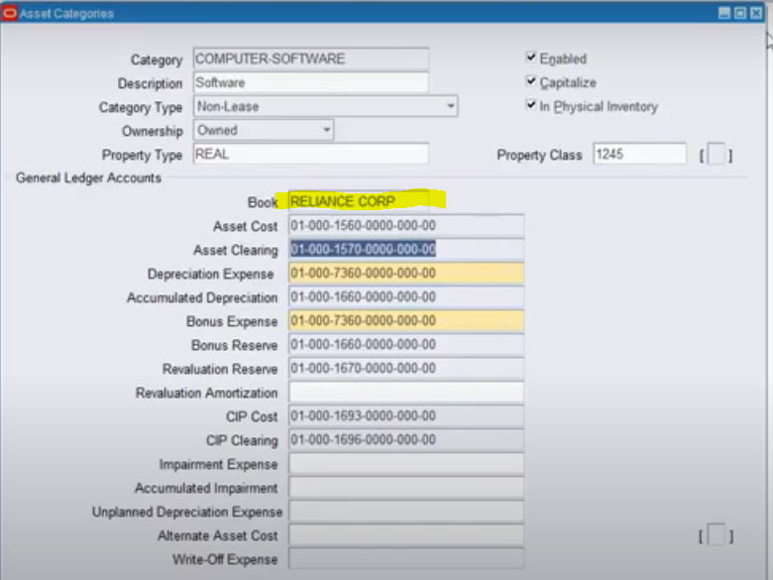
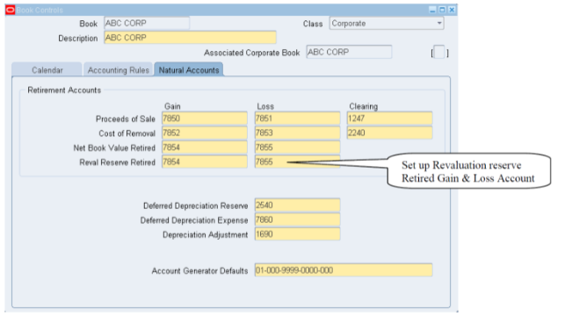

FA
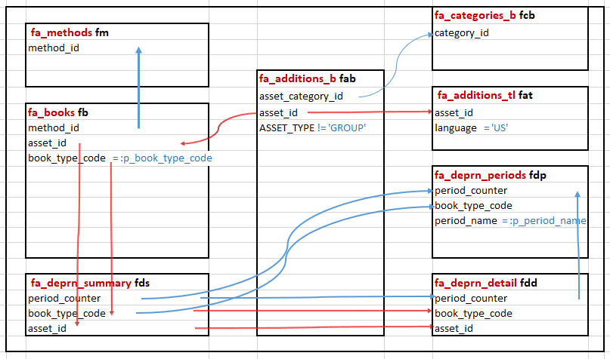
Detail Level of Fixed Assets Query in Oracle Fusion

SELECT distinct fds.deprn_source_code, |  |  | fa_categories_b fcb
fab.asset_number, | fa_methods fm |  | category_id
fb.book_type_code, | method_id
fcb.segment1 MAJOR_CATEGORY,
fcb.segment2 MINOR_Category, |  | fa_additions_b fab
fab.current_units, |  | asset_category_id | fa_additions_tl fat
fat.description, | fa_books fb | asset_id | asset_id
fb.date_placed_in_service, | method_id | ASSET_TYPE != 'GROUP' | language = 'US'
round((SELECT MAX(gdr.conversion_rate) | asset_id
FROM gl_daily_rates gdr, gl_daily_conversion_types gdc | book_type_code = :p_book_type_code
WHERE gdr.from_currency = 'USD' |  |  | fa_deprn_periods fdp
AND gdr.to_currency = 'INR' |  |  | period_counter
AND gdr.conversion_type = gdc.conversion_type |  |  | book_type_code
and gdc.user_conversion_type = 'Corporate' |  |  | period_name = :p_period_name
AND TRUNC (gdr.conversion_date) = trunc(fb.date_placed_in_service)),5)
forex_rate,
fb.cost,
(fb.cost - fb.salvage_value) recoverable_cost, | fa_deprn_summary fds |  | fa_deprn_detail fdd
fds.adjusted_cost depreciable_basis, | period_counter |  | period_counter
fds.deprn_amount, | book_type_code |  | book_type_code
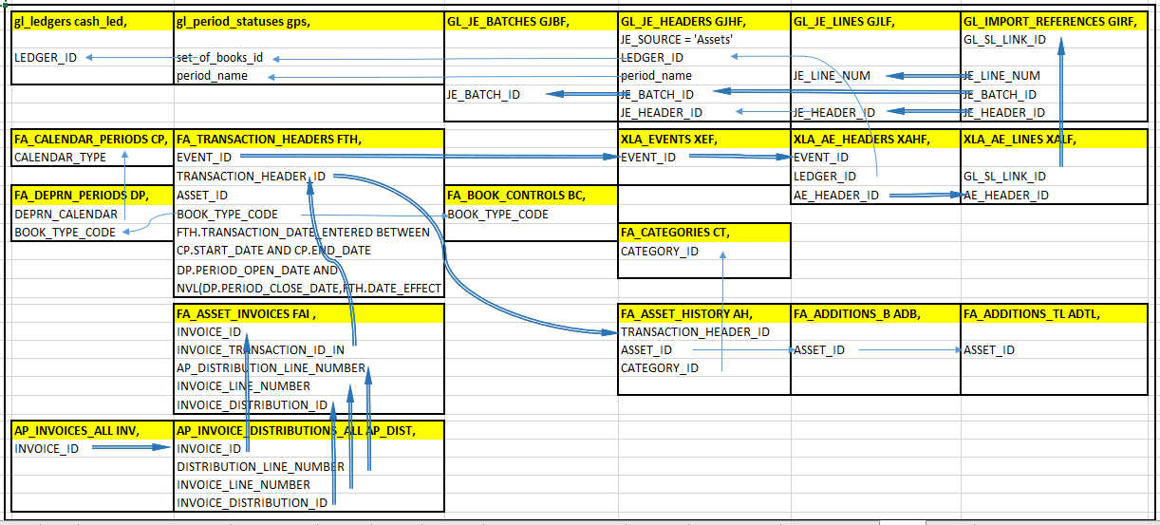
(select INVOICE_NUMBER from fa_asset_invoices fai where fai.asset_id = fab.asset_id | asset_id |  | asset_id
and INVOICE_TRANSACTION_ID_IN = (select min(INVOICE_TRANSACTION_ID_IN) from fa_asset_invoices fai2
where fai2.asset_id = fai.asset_id) and rownum=1 ) invoice_number,
(select VENDOR_NAME from fa_asset_invoices fai where fai.asset_id = fab.asset_id
and INVOICE_TRANSACTION_ID_IN = (select min(INVOICE_TRANSACTION_ID_IN) from fa_asset_invoices fai2
where fai2.asset_id = fai.asset_id) and rownum=1) supplier_name,
(SELECT date_retired
FROM fa_retirements fr, fa_adjustments fa
WHERE fa.asset_id = fab.asset_id
AND fr.transaction_header_id_in = fa.transaction_header_id
AND fa.book_type_code = fr.book_type_code
AND fa.asset_id = fr.asset_id
AND source_type_code = 'RETIREMENT'
AND adjustment_type = 'COST'
AND fr.status <> 'DELETED'
AND fdp.book_type_code = fa.book_type_code
AND fa.period_counter_created = fdp.period_counter
and ADJUSTMENT_LINE_ID = (select max(ADJUSTMENT_LINE_ID) from fa_adjustments fa1 where
fa1.asset_id = fa.asset_id AND fa1.source_type_code = 'RETIREMENT'
AND fa1.adjustment_type = 'COST')) retirement_date,

fds.ytd_deprn,
fds.deprn_reserve,
(fb.cost - fds.deprn_reserve - fdd.impairment_reserve) net_book_value,
fab.asset_type,
fab.serial_number,
fab.tag_number,
(TO_CHAR(fb.date_placed_in_service, 'dd')
||'-'
||DECODE(TO_CHAR(fb.date_placed_in_service, 'mm'), '01', 'Jan', '02', 'Feb', '03', 'Mar', '04', 'Apr', '05', 'May', '06', 'Jun', '07', 'Jul', '08', 'Aug', '09', 'Sep', '10', 'Oct', '11', 'Nov', 'Dec')
|| '-'
|| TO_CHAR(fb.date_placed_in_service, 'yyyy')) DPIS,
fb.salvage_type,
fb.salvage_value,
fb.prorate_date,
fb.depreciate_flag,
fdp.period_name,
fdp.period_counter,
fdd.impairment_reserve,
fdd.ytd_impairment,
fm.LIFE_IN_MONTHS,
to_number( (case
when fb.date_placed_in_service < --'2018-04-01'
(decode(:P_CURR,'INR','20'||substr(:p_period_name,-5,2)||'-04-01',
(case when fdp.period_num<'7' then '20'||(substr(:p_period_name,-5,2)-1)||'-10-01'
else '20'||substr(:p_period_name,-5,2)||'-10-01' END))
)
then '0'
else to_char(nvl((select ((SELECT (NVL (SUM (fa.adjustment_amount), 0))
FROM fa_adjustments fa
WHERE fdp.book_type_code = fa.book_type_code
AND adjustment_type = 'COST'
AND source_type_code IN( 'ADDITION' ,'ADJUSTMENT')
AND FA.DEBIT_CREDIT_FLAG='DR'
AND fa.asset_id =fab.ASSET_ID)-
(SELECT (NVL (SUM (fa.adjustment_amount), 0))
FROM fa_adjustments fa
WHERE fdp.book_type_code = fa.book_type_code
AND adjustment_type = 'COST'
AND FA.DEBIT_CREDIT_FLAG='CR'
AND source_type_code IN( 'ADDITION' ,'ADJUSTMENT')
AND fa.asset_id =fab.ASSET_ID)) from dual),0))
end)) YTD_ADDITIONS,
nvl(( SELECT (NVL((ytd_deprn),0))
FROM fa_deprn_summary fds,
fa_deprn_periods fdp
WHERE fds.period_counter = fdp.period_counter
AND fds.book_type_code = fdp.book_type_code
-- AND fds.period_counter = (SELECT MAX (period_counter)
-- FROM fa_deprn_summary
-- WHERE asset_id = fds.asset_id)
AND fdp.book_type_code = :p_book_type_code
AND fds.asset_id =fab.ASSET_ID
AND fdp.period_counter = (select period_counter from fa_deprn_periods fdp1
where fdp1.period_name = :p_period_name
and fdp1.book_type_code=:p_book_type_code)
and fds.deprn_source_code = 'DEPRN'
AND FDP.fiscal_year= ('20'||substr(:p_period_name,-5,2))),0) YTD_DEP
FROM fa_books fb,
fa_methods fm,
fa_additions_b fab,
fa_additions_tl fat,
fa_deprn_summary fds,
fa_deprn_periods fdp,
fa_categories_b fcb,
fa_deprn_detail fdd
WHERE 1 = 1
AND fb.date_ineffective IS NULL
and fb.method_id = fm.method_id
AND fcb.category_id = fab.asset_category_id
AND fdp.period_counter = fds.period_counter
AND fdp.book_type_code = fds.book_type_code
AND fds.asset_id = fb.asset_id
AND fds.book_type_code = fb.book_type_code
AND fb.asset_id = fab.asset_id
AND fdp.period_name = :p_period_name
AND fb.book_type_code = :p_book_type_code
AND fat.asset_id = fab.asset_id
AND fat.language = 'US'
AND fdd.asset_id = fb.asset_id
AND fdd.asset_id = fds.asset_id
AND fdd.book_type_code = fb.book_type_code
AND fdd.period_counter = fds.period_counter
AND fdd.period_counter = fdp.period_counter
and fab.ASSET_TYPE != 'GROUP'

foreign_exchange_rate
round((SELECT MAX(gdr.conversion_rate)
FROM gl_daily_rates gdr, gl_daily_conversion_types gdc
WHERE gdr.from_currency = 'USD'
AND gdr.to_currency = 'INR' | gl_daily_rates gdr | gl_daily_conversion_types gdc
AND gdr.conversion_type = gdc.conversion_type | conversion_type | conversion_type
and gdc.user_conversion_type = 'Corporate' | to_currency= 'INR' | user_conversion_type = 'Corporate'
AND TRUNC (gdr.conversion_date) = trunc(fa_books.date_placed_in_service)),5) | from_currency = 'USD'
forex_rate | conversion_date

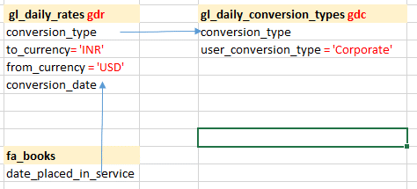

 | fa_books
 | date_placed_in_service

retire
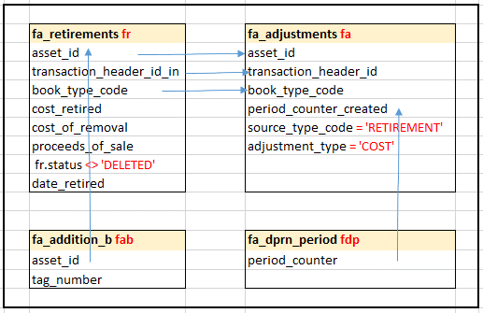
(SELECT date_retired
FROM fa_retirements fr, fa_adjustments fa
WHERE fa.asset_id = fab.asset_id
AND fr.transaction_header_id_in = fa.transaction_header_id | fa_retirements fr | fa_adjustments fa
AND fa.book_type_code = fr.book_type_code | asset_id | asset_id
AND fa.asset_id = fr.asset_id | transaction_header_id_in | transaction_header_id
AND source_type_code = 'RETIREMENT' | book_type_code | book_type_code
AND adjustment_type = 'COST' | cost_retired | period_counter_created
AND fr.status <> 'DELETED' | cost_of_removal | source_type_code = 'RETIREMENT'
AND fdp.book_type_code = fa.book_type_code | proceeds_of_sale | adjustment_type = 'COST'
AND fa.period_counter_created = fdp.period_counter | fr.status <> 'DELETED'
and ADJUSTMENT_LINE_ID = (select max(ADJUSTMENT_LINE_ID) from fa_adjustments fa1 where | date_retired
fa1.asset_id = fa.asset_id AND fa1.source_type_code = 'RETIREMENT'
AND fa1.adjustment_type = 'COST')) retirement_date
fa_deprn_periods fdp | fa_addition_b fab | fa_dprn_period fdp
 | asset_id | period_counter
SELECT fa_add.asset_number, | tag_number
fa_add.tag_number,
fa_add.description,
fa_retrmnt.retirement_prorate_convention,
fa_retrmnt.cost_of_removal,
fa_retrmnt.nbv_retired,
fa_retrmnt.proceeds_of_sale
fa_retrmnt.retirement_type_code,
flb.description retirement_type_description,
fa_retrmnt.book_type_code,
fa_retrmnt.date_retired,
fa_retrmnt.date_effective,
fa_retrmnt.cost_retired,
fa_retrmnt.status
FROM fa_retirements fa_retrmnt,
fa_additions fa_add_add,
fa_lookups_tl flb
WHERE fa_retrmnt.asset_id = fa_add.asset_id
AND fa_add.asset_number =:P_ASSET_NO
AND flb.lookup_code = fa_retrmnt.retirement_type_code
AND flb.lookup_type = 'RETIREMENT'

dprn
(fb.cost - fds.deprn_reserve - fdd.impairment_reserve) net_book_value
fa_deprn_summary fds
fa_deprn_detail fdd | (fb.cost - fds.deprn_reserve - fdd.impairment_reserve) net_book_value
fa_books fb | (fb.cost - fb.salvage_value) recoverable_cost | fa_deprn_summary fds | fa_deprn_detail fdd
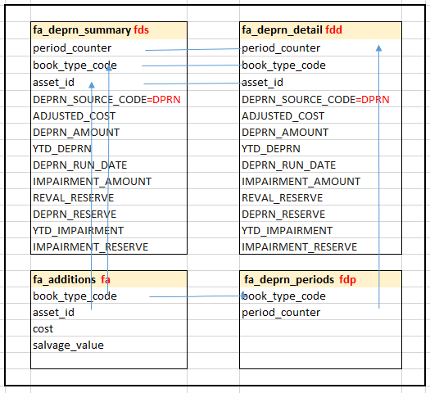
 |  | period_counter | period_counter
(fb.cost - fb.salvage_value) recoverable_cost |  | book_type_code | book_type_code
 |  | asset_id | asset_id
SELECT fa.asset_number, |  | DEPRN_SOURCE_CODE=DPRN | DEPRN_SOURCE_CODE=DPRN
fa.asset_id, |  | ADJUSTED_COST | ADJUSTED_COST
fdp.period_num, |  | DEPRN_AMOUNT | DEPRN_AMOUNT
fdd.book_type_code, |  | YTD_DEPRN | YTD_DEPRN
fdd.period_counter, |  | DEPRN_RUN_DATE | DEPRN_RUN_DATE
fdp.period_name, |  | IMPAIRMENT_AMOUNT | IMPAIRMENT_AMOUNT
fdp.fiscal_year, |  | REVAL_RESERVE | REVAL_RESERVE
fdd.distribution_id, |  | DEPRN_RESERVE | DEPRN_RESERVE
fdd.ytd_deprn, |  | YTD_IMPAIRMENT | YTD_IMPAIRMENT
fdd.deprn_reserve, |  | IMPAIRMENT_RESERVE | IMPAIRMENT_RESERVE
fdd.deprn_run_date,
fdd.deprn_amount, |  | fa_additions fa | fa_deprn_periods fdp
fdd.cost, |  | book_type_code | book_type_code
fdd.deprn_adjustment_amount |  | asset_id | period_counter
FROM fa_additions fa, |  | cost
fa_deprn_periods fdp, |  | salvage_value
fa.fa_deprn_detail fdd
WHERE fa.asset_id = fdd.asset_id
AND fdp.period_counter = fdd.period_counter
AND fdp.book_type_code = fdd.book_type_code
AND fa.asset_number = :P_ASSET_NO
AND fdp.period_name = :P_PERIOD_NAME

