Delivery
SELECT msi.segment1 item, ood.organization_code, ood.organization_name
FROM mtl_system_items_b msi, org_organization_definitions ood
WHERE msi.organization_id = ood.organization_id
and msi.segment1='LAPTOPDELL' | oe_order_headers_all
 | order_number
select sum(transaction_quantity) from mtl_onhand_quantities where inventory_item_id=246205 | header_id
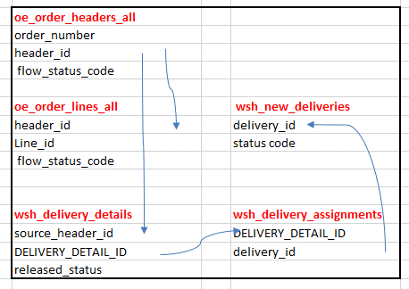
 | flow_status_code
select flow_status_code,header_id from oe_order_headers_all
where order_number='56761' | oe_order_lines_all | wsh_new_deliveries
--flow_status_code='ENTERED' | header_id | delivery_id
select flow_status_code from oe_order_lines_all | Line_id | status code
where header_id='94619' | flow_status_code
--flow_status_code='ENTERED'

select flow_status_code,header_id from oe_order_headers_all | wsh_delivery_details | wsh_delivery_assignments
where order_number='56761' | source_header_id | DELIVERY_DETAIL_ID
--flow_status_code='BOOKED' | DELIVERY_DETAIL_ID | delivery_id
 | released_status
select flow_status_code from oe_order_lines_all
where header_id='94619'
--flow_status_code='Awaiting Shipping'

select released_status,DELIVERY_DETAIL_ID from wsh_delivery_details
where source_header_id='94619'
--Here source_header_id is equivalent to header_id from oe_order_headers_all
-- Released_status=R-- means Ready to release

AR-Rcpt
link between ar invoice and ar receipt
SELECT receipt_number, rcta.trx_number, app.amount_applied,
ps_inv.amount_due_original, ps_inv.amount_due_remaining,
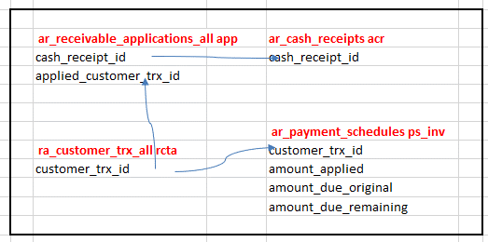
ps_inv.due_date | ar_receivable_applications_all app | ar_cash_receipts acr
FROM ar_cash_receipts acr, | cash_receipt_id | cash_receipt_id
ar_receivable_applications_all app, | applied_customer_trx_id
ra_customer_trx_all rcta,
ar_payment_schedules ps_inv
WHERE receipt_number = '8888' |  | ar_payment_schedules ps_inv
AND app.cash_receipt_id = acr.cash_receipt_id | ra_customer_trx_all rcta | customer_trx_id
AND rcta.customer_trx_id = app.applied_customer_trx_id | customer_trx_id | amount_applied
AND rcta.customer_trx_id = ps_inv.customer_trx_id |  | amount_due_original
 |  | amount_due_remaining

1) Gl- sla
gl_import_reference – xla_ae_lines
AND xal.gl_sl_link_id = gir.gl_sl_link_id
AND xal.gl_sl_link_table = gir.gl_sl_link_table

1) Xla to ar
xla_distribution_links - ra_cust_trx_line_gl_dist_all lgd
AND lgd.cust_trx_line_gl_dist_id = xdl.source_distribution_id_num_1

1) Ar to om
Oe_order_headers_all - Oe_order_lines_all - Ra_customer_trx_all
AND ctl.interface_line_attribute1 = TO_CHAR (h.order_number)
AND ctl.interface_line_attribute6 = TO_CHAR (ll.line_id)

OM-AR-SL-GL
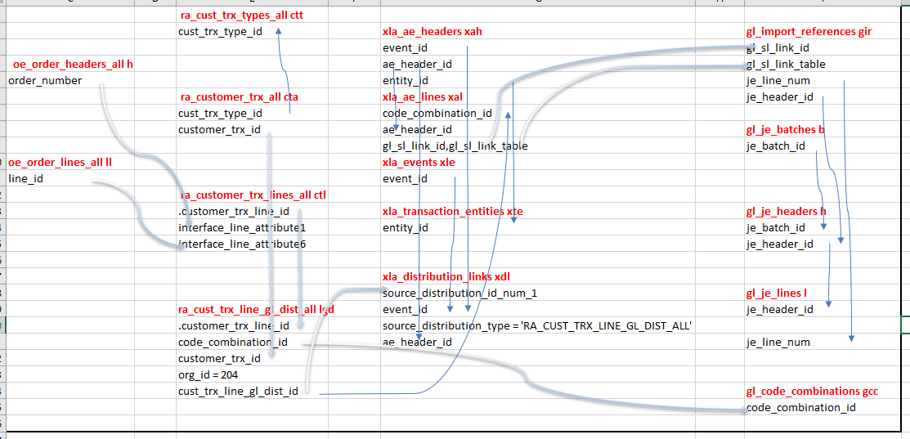
Om AR SLA GL link query /drill down query

SELECT ctt.cust_trx_type_id, lgd.set_of_books_id, lgd.amount gl_posted_amount, |  | ra_cust_trx_types_all ctt
ctl.extended_amount ar_trx_amount, ctl.description inv_item_desc, |  | cust_trx_type_id | xla_ae_headers xah | gl_import_references gir
gcc.segment1 |  |  | event_id | gl_sl_link_id
|| '.' | oe_order_headers_all h |  | ae_header_id | gl_sl_link_table
|| gcc.segment2 | order_number |  | entity_id | je_line_num
|| '.' |  | ra_customer_trx_all cta | xla_ae_lines xal | je_header_id
|| gcc.segment3 |  | cust_trx_type_id | code_combination_id
|| '.' |  | customer_trx_id | ae_header_id | gl_je_batches b
|| gcc.segment4 |  |  | gl_sl_link_id,gl_sl_link_table | je_batch_id
|| '.' | oe_order_lines_all ll |  | xla_events xle
|| gcc.segment5 | line_id |  | event_id
|| '.' |  | ra_customer_trx_lines_all ctl
|| gcc.segment6 |  | .customer_trx_line_id | xla_transaction_entities xte | gl_je_headers h
|| '.' |  | interface_line_attribute1 | entity_id | je_batch_id
|| gcc.segment7 |  | interface_line_attribute6 |  | je_header_id
|| '.'
|| gcc.segment8 gl_account, |  |  | xla_distribution_links xdl
gp.period_name, cta.trx_number trx_number, |  |  | source_distribution_id_num_1 | gl_je_lines l
ctl.interface_line_attribute1 sales_order_number, |  | ra_cust_trx_line_gl_dist_all lgd | event_id | je_header_id
ll.line_number sales_order_line_number, ctt.NAME transaction_type, |  | .customer_trx_line_id | source_distribution_type = 'RA_CUST_TRX_LINE_GL_DIST_ALL'
xdl.unrounded_accounted_cr, |  | code_combination_id | ae_header_id | je_line_num
xdl.unrounded_accounted_dr, xdl.unrounded_entered_cr, |  | customer_trx_id
xdl.unrounded_entered_dr, xal.gl_sl_link_id, |  | org_id = 204
h.je_category journal_category, h.je_source journal_source, |  | cust_trx_line_gl_dist_id |  | gl_code_combinations gcc
l.accounted_cr je_lines_accounted_cr, |  |  |  | code_combination_id
l.accounted_dr je_lines_accounted_dr,
l.description je_lines_description, l.entered_cr je_lines_entered_cr,
l.entered_dr je_lines_entered_dr, h.NAME journal_name,
b.NAME journal_batch_name, l.je_line_num journal_line_number
FROM ra_cust_trx_line_gl_dist_all lgd,
ra_customer_trx_lines_all ctl,
gl_code_combinations gcc,
gl_periods gp,
oe_order_headers_all h,
oe_order_lines_all ll,
ra_customer_trx_all cta,
ra_cust_trx_types_all ctt, -- XLA Tables
xla_distribution_links xdl,
xla_ae_lines xal,
xla_ae_headers xah,
xla_events xle,
xla_transaction_entities xte, -- GL Tables
gl_code_combinations_kfv glcc,
gl_import_references gir,
gl_je_headers h,
gl_je_lines l,
gl_je_batches b
WHERE lgd.customer_trx_line_id = ctl.customer_trx_line_id
AND lgd.code_combination_id = gcc.code_combination_id
-- AND lgd.gl_posted_date BETWEEN '15-DEC-2015' AND '16-DEC-2015'
AND lgd.org_id = 204
AND gp.period_name = 'Oct-20'
AND lgd.gl_posted_date BETWEEN gp.start_date AND gp.end_date
AND cta.cust_trx_type_id = ctt.cust_trx_type_id
AND cta.customer_trx_id = lgd.customer_trx_id
AND ctl.interface_line_attribute1 = TO_CHAR (h.order_number)
AND ctl.interface_line_attribute6 = TO_CHAR (ll.line_id)
AND xdl.source_distribution_type = 'RA_CUST_TRX_LINE_GL_DIST_ALL'
AND lgd.cust_trx_line_gl_dist_id = xdl.source_distribution_id_num_1
AND lgd.code_combination_id = xal.code_combination_id
AND xal.code_combination_id = glcc.code_combination_id
AND xdl.event_id = xle.event_id
AND xdl.event_id = xah.event_id
AND xdl.ae_header_id = xah.ae_header_id
AND xdl.ae_header_id = xal.ae_header_id
AND xah.entity_id = xte.entity_id(+)
AND xal.gl_sl_link_id = gir.gl_sl_link_id
AND xal.gl_sl_link_table = gir.gl_sl_link_table
AND h.je_batch_id = b.je_batch_id
AND l.je_header_id = h.je_header_id
AND l.je_line_num = gir.je_line_num
AND l.je_header_id = gir.je_header_id
AND cta.trx_number = '10047320'

