account
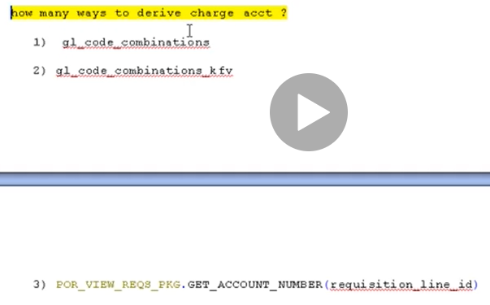

approver
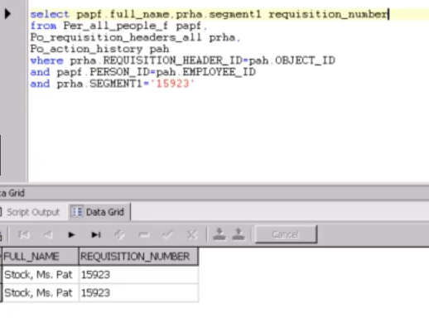

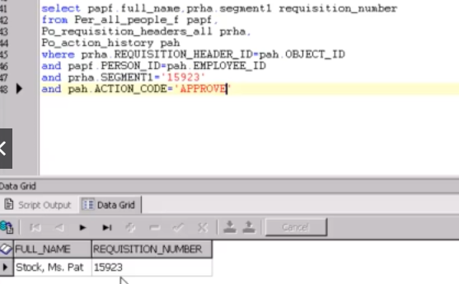

per_all_people_f | REQUISITION_HEADER_ID
person_id | requisition_header_id
 | segment1='15923'

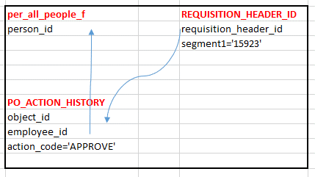
PO_ACTION_HISTORY
object_id
employee_id
action_code='APPROVE'

amount_limit
Approval limit query ?

SELECT pav.agent_name buyer_name, pav7.d_job_id job,
pav7.d_supervisor_id buyer_supervisor, pav7.d_organization_id,
DECODE (ppc.control_function_id,
4, 'Approve Blanket Purchase Agreements',
5, 'Approve Blanket Releases',
2, 'Approve Contract Purchase Orders',
3, 'Approve Planned Purchase Orders',
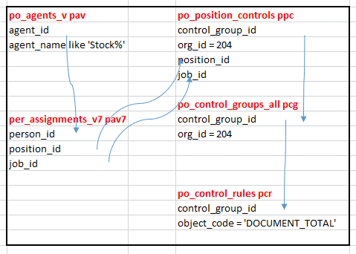
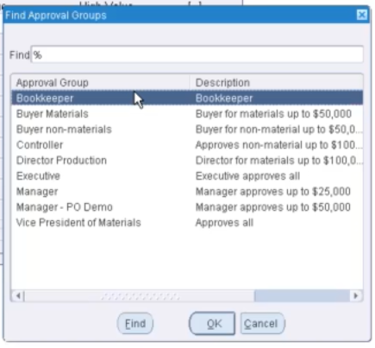
6, 'Approve Scheduled Releases',
1, 'Approve Standard Purchase Orders', | po_agents_v pav | po_position_controls ppc
7, 'Approve Internal Requisitions', | agent_id | control_group_id
8, 'Approve Purchase Requisitions' | agent_name like 'Stock%' | org_id = 204
) documenttype, |  | position_id
pcg.description, |  | job_id
TO_CHAR (pcr.amount_limit, '$999,999,999,999.99') approval_limit,
pcr.amount_limit, pav.start_date_active, pav.end_date_active |  | po_control_groups_all pcg
FROM apps.po_agents_v pav, | per_assignments_v7 pav7 | control_group_id
apps.per_assignments_v7 pav7, | person_id | org_id = 204
apps.po_position_controls ppc, | position_id
apps.po_control_groups_all pcg, | job_id
apps.po_control_rules pcr
WHERE pav.agent_id = pav7.person_id |  | po_control_rules pcr
AND SYSDATE BETWEEN pav7.effective_start_date AND pav7.effective_end_date |  | control_group_id
AND ppc.job_id = pav7.job_id |  | object_code = 'DOCUMENT_TOTAL'
AND ppc.control_group_id = pcg.control_group_id
AND pcg.control_group_id = pcr.control_group_id
AND pcr.object_code = 'DOCUMENT_TOTAL'
AND pcg.org_id = 204
AND ppc.org_id = 204
AND ppc.position_id = pav7.position_id
and pav.agent_name like 'Stock%'

begin
mo_global.SET_POLICY_CONTEXT('S','204');
end;

Req-RFQ
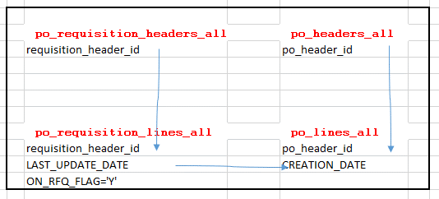
Link between requisition and rfq??
SELECT prha.segment1 requisition_number, pha.segment1 rfq_number | po_requisition_headers_all | po_headers_all
FROM po_requisition_headers_all prha, | requisition_header_id | po_header_id
po_headers_all pha,
po_requisition_lines_all prla,
po_lines_all pla
WHERE prha.requisition_header_id = prla.requisition_header_id
AND pha.po_header_id = pla.po_header_id | po_requisition_lines_all | po_lines_all
and pla.CREATION_DATE=prla.LAST_UPDATE_DATE | requisition_header_id | po_header_id
and prla.ON_RFQ_FLAG='Y' | LAST_UPDATE_DATE | CREATION_DATE
and pha.SEGMENT1='310' | ON_RFQ_FLAG='Y'

Req-PO-RECIPT
Standard-----once or twice
Planned ---- scheduled purchasing
Blanket -------- agreement 1 year,laptop
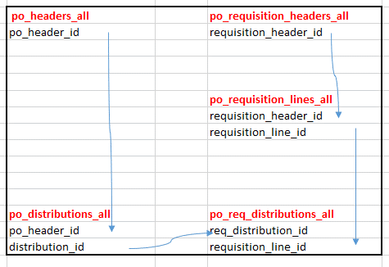
Contract --------like blanket po,we can purchase any item
PO_HEADERS_all ----po_header_id | po_headers_all | po_requisition_headers_all
PO_LINES_All----- po_line_id | po_header_id | requisition_header_id
PO_LINE_LOCATIONS_all—po_line_location_id
PO_DISTRIBUTIONS_All- po_distribution_id

Link between requisition number and po number?? |  | po_requisition_lines_all
/* Formatted on 2020/10/22 08:20 (Formatter Plus v4.8.8) */ |  | requisition_header_id
SELECT prha.segment1 requisition_number, pha.segment1 po_number |  | requisition_line_id
FROM po_distributions_all pda,
po_req_distributions_all prda,
po_headers_all pha,
po_requisition_lines_all prla,
po_requisition_headers_all prha | po_distributions_all | po_req_distributions_all
WHERE pda.req_distribution_id = prda.distribution_id | po_header_id | req_distribution_id
AND prda.requisition_line_id = prla.requisition_line_id | distribution_id | requisition_line_id
AND prla.requisition_header_id = prha.requisition_header_id
AND pha.po_header_id = pda.po_header_id
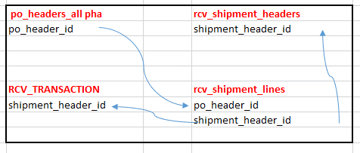
AND pha.segment1 = '6587'

Join between Po and receipt
SELECT pha.segment1 po_number, rsh.receipt_num, rsh.creation_date | po_headers_all pha | rcv_shipment_headers
FROM rcv_shipment_headers rsh, rcv_shipment_lines rsl, po_headers_all pha | po_header_id | shipment_header_id
WHERE rsl.po_header_id = pha.po_header_id
AND rsh.shipment_header_id = rsl.shipment_header_id
--AND rsh.receipt_num = '9082'
AND pha.segment1 = '6587' | RCV_TRANSACTION | rcv_shipment_lines
 | shipment_header_id | po_header_id
 |  | shipment_header_id

po-ap
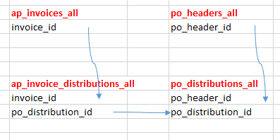
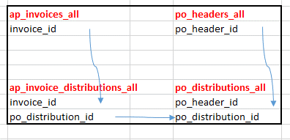
What is link between po and ap invoice
SELECT DECODE
(ap_invoices_utility_pkg.get_approval_status | ap_invoices_all | po_headers_all
(aia.invoice_id,invoice_amount,payment_status_flag,invoice_type_lookup_code), | invoice_id | po_header_id
'NEVER APPROVED', 'Never Validated',
'APPROVED', 'VALIDATED',
'NEEDS REAPPROVAL', 'Needs Revalidation'
) status, | ap_invoice_distributions_all | po_distributions_all
payment_status_flag, pha.segment1 po_number, aia.invoice_num | invoice_id | po_header_id
FROM ap_invoices_all aia, | po_distribution_id | po_distribution_id
ap_invoice_distributions_all aida,
po_distributions_all pda,
po_headers_all pha
WHERE invoice_num = 'ERS-9082-230704'
AND aida.po_distribution_id = pda.po_distribution_id
AND aia.invoice_id = aida.invoice_id
AND pha.po_header_id = pda.po_header_id

ap-gl
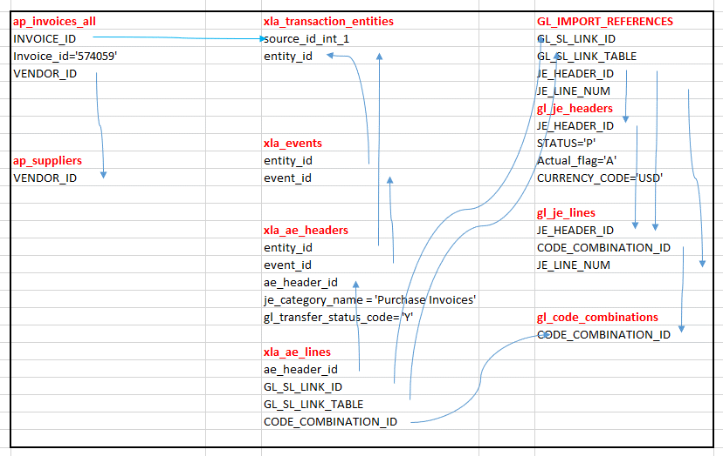
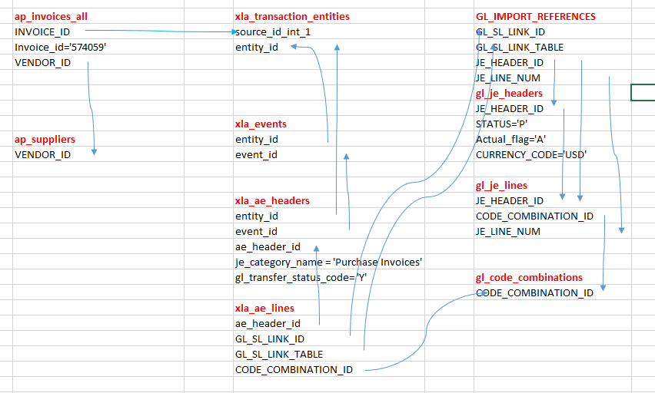
AP-SLA-GL link query/drill down query
SELECT | ap_invoices_all | xla_transaction_entities | GL_IMPORT_REFERENCES
aia.INVOICE_ID "Invoice Id", | INVOICE_ID | source_id_int_1 | GL_SL_LINK_ID
aia.INVOICE_NUM "Invoice Number", | Invoice_id='574059' | entity_id | GL_SL_LINK_TABLE
aia.INVOICE_DATE "Invoice Date", | VENDOR_ID |  | JE_HEADER_ID
aia.INVOICE_AMOUNT "Amount", |  |  | JE_LINE_NUM
xal.ENTERED_DR "Entered DR in SLA", |  |  | gl_je_headers
xal.ENTERED_CR "Entered CR in SLA", |  |  | JE_HEADER_ID
xal.ACCOUNTED_DR "Accounted DR in SLA", |  | xla_events | STATUS='P'
xal.ACCOUNTED_CR "Accounted CR in SLA", | ap_suppliers | entity_id | Actual_flag='A'
gjl.ENTERED_DR "Entered DR in GL", | VENDOR_ID | event_id | CURRENCY_CODE='USD'
gjl.ACCOUNTED_DR "Accounted DR in GL",
xal.ACCOUNTING_CLASS_CODE "Accounting Class", |  |  | gl_je_lines
gcc.SEGMENT1||'.'||gcc.SEGMENT2||'.' |  | xla_ae_headers | JE_HEADER_ID
||gcc.SEGMENT3||'.'||gcc.SEGMENT4||'.' |  | entity_id | CODE_COMBINATION_ID
||gcc.SEGMENT5||'.'||gcc.SEGMENT6||'.' |  | event_id | JE_LINE_NUM
||gcc.SEGMENT7 "Code Combination", |  | ae_header_id
aia.INVOICE_CURRENCY_CODE "Inv Curr Code", |  | je_category_name = 'Purchase Invoices'
aia.PAYMENT_CURRENCY_CODE "Pay Curr Code", |  | gl_transfer_status_code= 'Y' | gl_code_combinations
aia.GL_DATE "GL Date", |  |  | CODE_COMBINATION_ID
xah.PERIOD_NAME "Period", |  | xla_ae_lines
aia.PAYMENT_METHOD_CODE "Payment Method", |  | ae_header_id
aia.VENDOR_ID "Vendor Id", |  | GL_SL_LINK_ID
aps.VENDOR_NAME "Vendor Name", |  | GL_SL_LINK_TABLE
xah.JE_CATEGORY_NAME "JE Category Name" |  | CODE_COMBINATION_ID
FROM
apps.ap_invoices_all aia,
xla.xla_transaction_entities XTE,
apps.xla_events xev,
apps.xla_ae_headers XAH,
apps.xla_ae_lines XAL,
apps.GL_IMPORT_REFERENCES gir,
apps.gl_je_headers gjh,
apps.gl_je_lines gjl,
apps.gl_code_combinations gcc,
apps.ap_suppliers aps,
WHERE
aia.INVOICE_ID = xte.source_id_int_1
and aia.INVOICE_ID=sql1.Invoice_ID
and aia.INVOICE_ID=sql2.Invoice_ID
and xev.entity_id= xte.entity_id
and xah.entity_id= xte.entity_id
and xah.event_id= xev.event_id
and XAH.ae_header_id = XAL.ae_header_id
and XAH.je_category_name = 'Purchase Invoices'
and XAH.gl_transfer_status_code= 'Y'
and XAL.GL_SL_LINK_ID=gir.GL_SL_LINK_ID
and gir.GL_SL_LINK_TABLE = xal.GL_SL_LINK_TABLE
and gjl.JE_HEADER_ID=gjh.JE_HEADER_ID
and gjh.JE_HEADER_ID=gir.JE_HEADER_ID
and gjl.JE_HEADER_ID=gir.JE_HEADER_ID
and gir.JE_LINE_NUM=gjl.JE_LINE_NUM
and gcc.CODE_COMBINATION_ID=XAL.CODE_COMBINATION_ID
and gcc.CODE_COMBINATION_ID=gjl.CODE_COMBINATION_ID
and aia.VENDOR_ID=aps.VENDOR_ID
and gjh.STATUS='P'
and gjh.Actual_flag='A'
and gjh.CURRENCY_CODE='USD'
and aia.Invoice_id='574059'

Dr-Cr
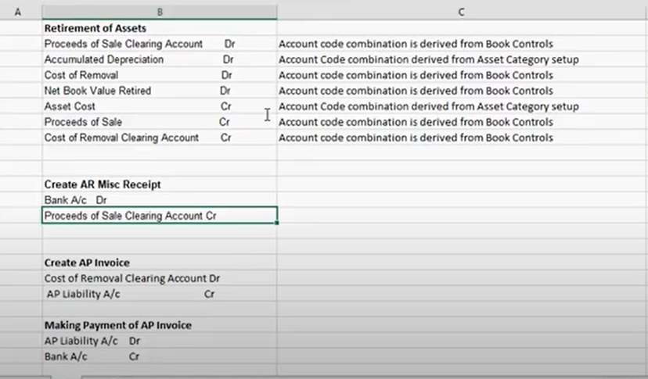
Entries to record the transactions are as follows:

