Group_by
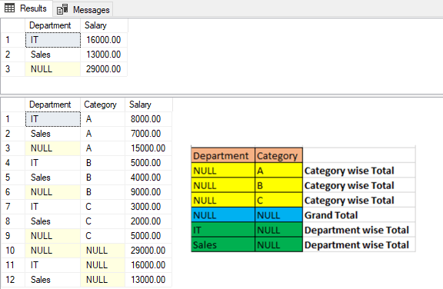
https://www.mssqltips.com/sqlservertip/6315/group-by-in-sql-sever-with-cube-rollup-and-grouping-sets-examples/

SELECT
Department,
SUM(Salary) as Salary
FROM EmpSalary
GROUP BY CUBE(Department)

SELECT
Department,
Category,
SUM(Salary) as Salary
FROM EmpSalary
GROUP BY CUBE(Department, Category)

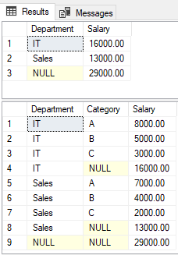
SELECT | .
Department,
SUM(Salary) as Salary
FROM EmpSalary
GROUP BY ROLLUP(Department)

SELECT
Department,
Category,
SUM(Salary) as Salary
FROM EmpSalary
GROUP BY ROLLUP(Department, Category)

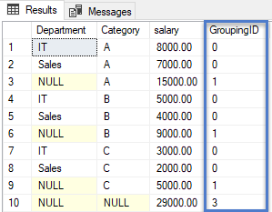
SELECT | .
Department,
Category,
SUM(Salary) as Salary,
GROUPING_ID(Category, Department) as GroupingID
FROM EmpSalary
GROUP BY ROLLUP(Category, Department)

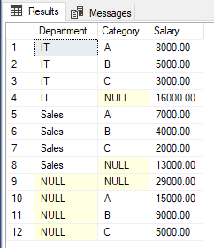
SELECT | .
Department,
Category,
SUM(Salary) as Salary
FROM EmpSalary
GROUP BY GROUPING SETS(Category, Department,(Category, Department),())

