event
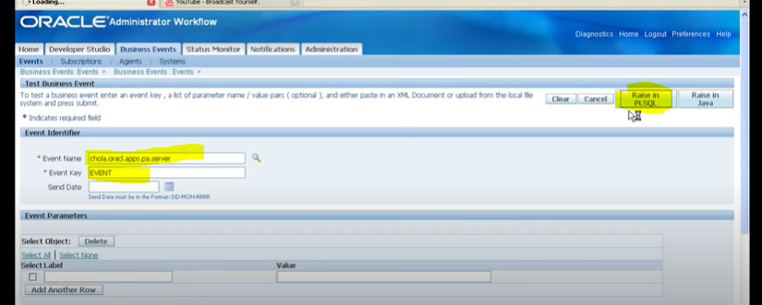
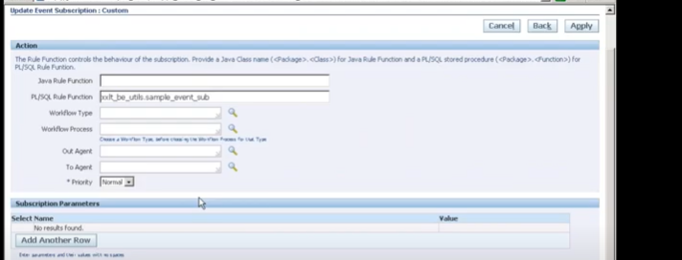
create or replace package body xxcustbevent is | CREATE OR REPLACE PROCEDURE send_mail (p_to IN VARCHAR2,
function xxcustbeventtest_func(p_subscription_guid in raw, | p_from IN VARCHAR2,
p_event in out wf_event_t) | p_subject IN VARCHAR2,
return varchar2 is | p_message IN VARCHAR2,
l_user_name varchar2(100); | p_smtp_host IN VARCHAR2,
l_date varchar2(100); | p_smtp_port IN NUMBER DEFAULT 25)
begin | AS
l_user_name:=p_event.getValueForParameter('XXUSERNAME'); | l_mail_conn UTL_SMTP.connection;
l_date:=p_event.getValueForParameter('DATE'); | BEGIN
insert into xxcustombevent values (p_event.getEventName(),p_event.getEventKey(),l_user_name,l_date);commit; | l_mail_conn := UTL_SMTP.open_connection(p_smtp_host, p_smtp_port);
return 'SUCCESS'; | UTL_SMTP.helo(l_mail_conn, p_smtp_host);
exception | UTL_SMTP.mail(l_mail_conn, p_from);
when others then | UTL_SMTP.rcpt(l_mail_conn, p_to);
wf_core.context('xxcustbevent','xxcustbeventtest_func',p_subscription_guid,p_event.getEventName(),p_event.getEventKey());
return 'ERROR'; | UTL_SMTP.open_data(l_mail_conn);
end ;
 | UTL_SMTP.write_data(l_mail_conn, 'Date: ' || TO_CHAR(SYSDATE, 'DD-MON-YYYY HH24:MI:SS') || UTL_TCP.crlf);
end; | UTL_SMTP.write_data(l_mail_conn, 'To: ' || p_to || UTL_TCP.crlf);
 | UTL_SMTP.write_data(l_mail_conn, 'From: ' || p_from || UTL_TCP.crlf);
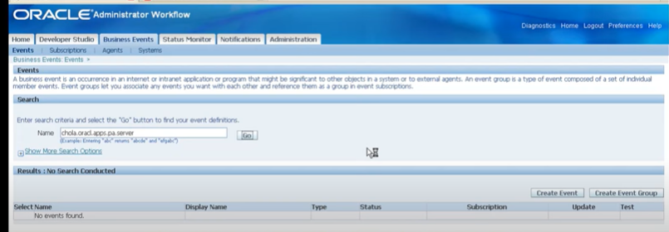
 | UTL_SMTP.write_data(l_mail_conn, 'Subject: ' || p_subject || UTL_TCP.crlf);
 | UTL_SMTP.write_data(l_mail_conn, 'Reply-To: ' || p_from || UTL_TCP.crlf || UTL_TCP.crlf);

 | UTL_SMTP.write_data(l_mail_conn, p_message || UTL_TCP.crlf || UTL_TCP.crlf);
 | UTL_SMTP.close_data(l_mail_conn);

 | UTL_SMTP.quit(l_mail_conn);
 | END;
 | /

example
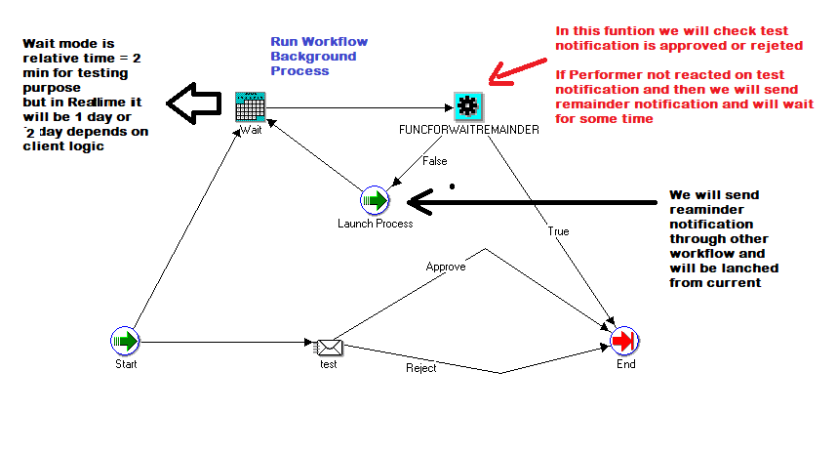

wf_subscribe
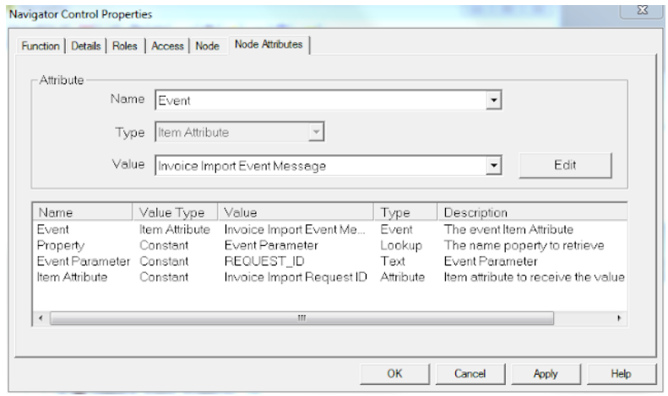
On workflow builder we first have to create a new event either via the Events branch on the object navigator or selecting "New event" on the right click menu on the process designer window. Select "Receive" for the Event Action and the event name as the Event Filter.

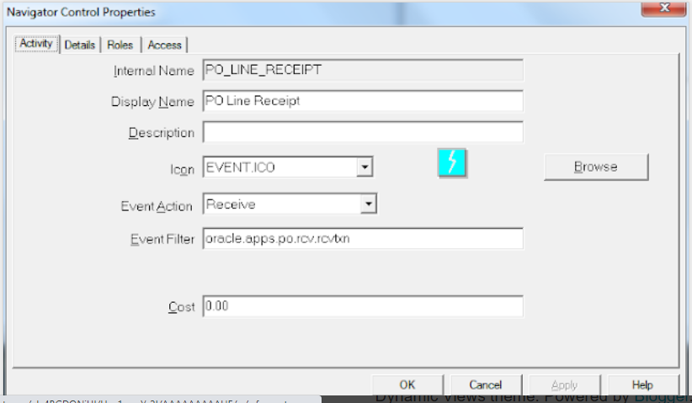

Now we need to capture the event message. We do this by defining an attribute of type event. Other than assigning a name to it i.e. "Invoice Import Event Message", no more particular properties are required. Remember to set subscription Rule Data definition to be message (Image 3). Then we create another normal attribute to capture the REQUEST_ID parameter value, we set its type to number to match the data type of the value to store. I named it as "Invoice Import Request ID".

In order to get the REQUEST_ID parameter we will leverage an standard function as the activity to follow the starting event node. Drag the "Get Event Property" function from the Standard Workflow and set the following values on the Node Attributes tab, based on the definitions we have done so far.

WFLOAD
WFLOAD apps/<apps_pwd> 0 Y UPLOAD <file_name>.wft | SetItemAttrText (itemtype IN VARCHAR2, itemkey IN VARCHAR2, aname IN VARCHAR2, avalue IN VARCHAR2);
WFLOAD apps/<apps_pwd> 0 Y DOWNLOAD <file_name>.wft <Item_Type> | SetItemAttrNumber (itemtype IN VARCHAR2, itemkey IN VARCHAR2, aname IN VARCHAR2, avalue IN VARCHAR2);
 | SetItemAttrDate (itemtype IN VARCHAR2, itemkey IN VARCHAR2, aname IN VARCHAR2, avalue IN VARCHAR2);

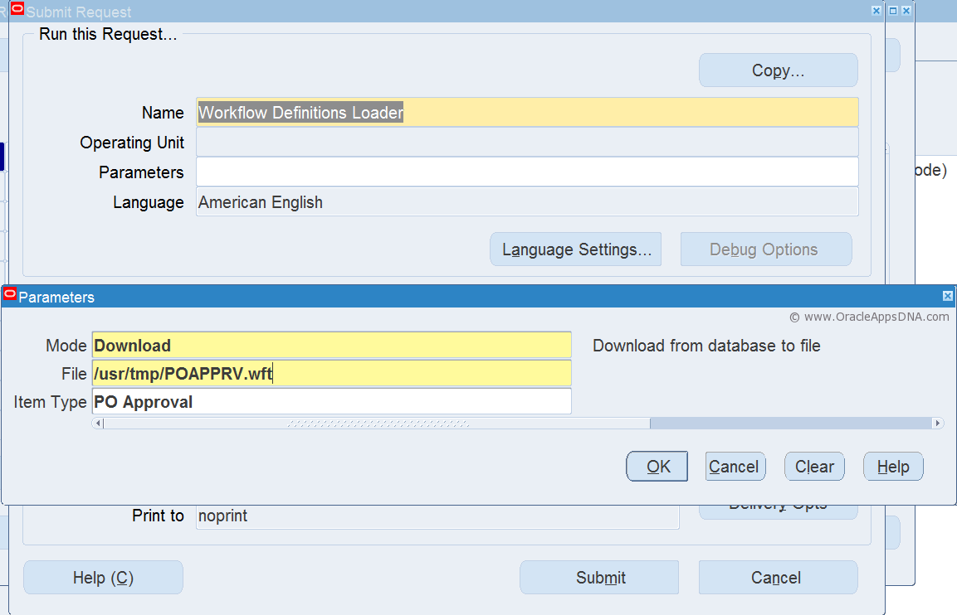
 | text := GetItemAttrText(itemtype in varchar2, itemkey in varchar2, aname in varchar2);
 | number := GetItemAttrNumber(itemtype in varchar2, itemkey in varchar2, aname in varchar2);
 | date := GetItemAttrDate(itemtype in varchar2, itemkey in varchar2, aname in varchar2);

