xml data templet
Developing XML Publisher Reports using Data Template
https://www.oracleappsdna.com/2014/10/developing-xml-publisher-reports-using-data-template/#comments

Data template is one of the method of generating reports in XMLP. Reports in XMLP has two components:
1. Data Definition
2. Template

Data Definition

Data definition is a component which pulls out data from a data source and generates the data file in an XML format with a user defined structure.

Template

Template is a layout which can be designed using Word of Excel.
XML Publisher engine requires input data in an XML format, XML file is processed by XML Publisher engine and the same data displayed in the layout. We can generate XML file using any kind of program, usually we do using:
1. Oracle Report Builder (RDF)
2. PL/SQL Program
3. Java Program
4. Data Template
In this article, we will focus on how to generate data in XML file using Data Template.

Data Template

The data template is the method by which you communicate your request for data to the data engine. It is an XML document whose elements collectively define how the data engine will process the template to generate the XML.
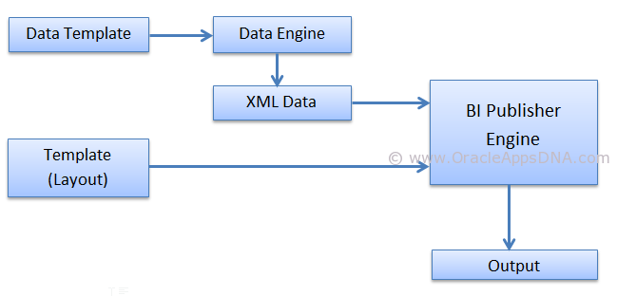

Data Template Definition

The data template is an XML document that consists of 5 basic sections:
1. Properties
2. Parameters
3. Triggers
4. Data Query
5. Data Structure
Below is the basic structure of Data Template:
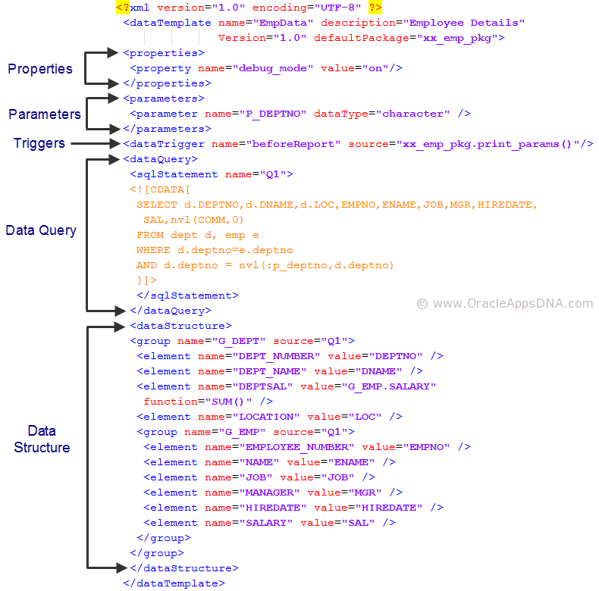

Data Template Declaration

The element is the root element. It has a set of related attributes expressed within the tag.
Example:-
<dataTemplate name="EmpData" description="Employee Details"
Version="1.0" defaultPackage="xx_emp_pkg">

Below are the different possible attributes:
Attribute Name | Description
name | (Required) Enter the data template name
description | (Optional) Enter a description of this data template
version | (Required) Enter a version number for this data template
defaultPackage | (Optional) This attribute is required if your data template contains lexical references or any other calls to PL/SQL
dataSourceRef | (Optional) The default data source reference for the entire data template

Properties Section

Use the section to set properties to affect the XML output and data engine execution.
Example:-
<properties>
<property name="debug_mode" value="on"/>
</properties>

The following table shows the supported properties:
Property Name | Description
include_parameters | Indicates whether to include parameters in the output.
 | Valid values are:
 | True (default)
 | FALSE
include_null_Element | Indicates whether to remove or keep the null elements in the output.
 | Valid values are:
 | True (default)
 | FALSE
xml_tag_case | Allows you to set the case for the output XML element names.
 | Valid values are:
 | upper (default)
 | lower
 | as_are (The case will follow the definition in the dataStructure section.)
db_fetch_size | Sets the number of rows fetched at a time through the jdbc connection. The default value is 500.
scalable_mode | Sets the data engine to execute in scalable mode. This is required when processing a large volume of data.
 | Valid values:
 | on
 | off (default)
include_rowsettag | Allows you to include or exclude the Rowset Tag from the output.
 | Valid values:
 | true (default)
 | FALSE
debug_mode | Turns debug mode on or off.
 | Valid values:
 | on
 | off (default)

Parameters Section

A parameter is a variable whose value can be set at runtime, usually we get parameter value from the concurrent program parameters. Parameters defined in the data template must be in the same order of the parameters defined in the concurrent program. The Parameters section of the data template is optional.
The element is placed between the open and close tags. The element has a set of related attributes namely
Attribute Name | Description
name (required) | The parameter name that will be referenced in the template.
dataType | Valid values are: “character”, “date”, “number”
defaultValue | Value to use for the parameter if none supplied from the data
include_in_output | Whether this parameter should appear in the XML output or not. The valid values are “true” and “false”.
Parameters can be accessed in the data query part of data template using bind variables. Eg:- :p_deptno
<parameters>
<parameter name="P_DEPTNO" dataType="character" />
</parameters>

Triggers Section

Triggers are optional elements of data template which are nothing but a PL/SQL Function or a Procedure which gets executed at specific times during the execution and generation of XML output. Triggers can be used to perform some pre and post execution activities like in financial reports where we update some table columns stating that a particular is row is printed.
Data triggers are optional, and you can have as many elements as necessary.
The element has a set of related attributes. These are expressed within the tag. For example, the name and source attributes are expressed as follows:
<dataTrigger name="beforeReport" SOURCE="xx_emp_pkg.print_params()"/>

Attribute Name | Description
name | The event name to fire this trigger
source | The PL/SQL < package name >.< function name > where the executable code resides.
The location of the trigger indicate at what point the trigger fires:
Place a beforeReport trigger anywhere in your data template before the < dataStructure > section.. A beforeRepot trigger fires before the dataQuery is executed.
Place an afterReport trigger after the < dataStructure > section. An afterReport trigger fires after you exit and after XML output has been generated.

Data Query

Data Query is a mandatory element where we place the SQL statement which gets executed to fetch the information to be printed on the report output. We can have multiple SQL statements in DataQuery differentiated with a ‘name’ for the SQL Statement.
Example:
<?xml version="1.0" encoding="UTF-8" ?>
<dataTemplate name="EmpData" description="Employee Details"
Version="1.0" defaultPackage="xx_emp_pkg">
<properties>
<property name="debug_mode" VALUE="on"/>
</properties>
<parameters>
<parameter name="P_DEPTNO" dataType="character" />
</parameters>
<dataTrigger name="beforeReport" SOURCE="xx_emp_pkg.print_params()"/>
<dataQuery>
<sqlStatement name="Q1">
<![CDATA[
SELECT d.DEPTNO,d.DNAME,d.LOC,EMPNO,ENAME,JOB,MGR,HIREDATE,
SAL,nvl(COMM,0)
FROM dept d, emp e
WHERE d.deptno=e.deptno
AND d.deptno = nvl(:p_deptno,d.deptno)
]]>
</sqlStatement>
</dataQuery>
<dataTrigger name="afterReport" SOURCE="xx_emp_pkg.AfterReport" />
<dataStructure>
<GROUP name="G_DEPT" SOURCE="Q1">
<element name="DEPT_NUMBER" VALUE="DEPTNO" />
<element name="DEPT_NAME" VALUE="DNAME" />
<element name="DEPTSAL" VALUE="G_EMP.SALARY"
FUNCTION="SUM()" />
<element name="LOCATION" VALUE="LOC" />
<GROUP name="G_EMP" SOURCE="Q1">
<element name="EMPLOYEE_NUMBER" VALUE="EMPNO" />
<element name="NAME" VALUE="ENAME" />
<element name="JOB" VALUE="JOB" />
<element name="MANAGER" VALUE="MGR" />
<element name="HIREDATE" VALUE="HIREDATE" />
<element name="SALARY" VALUE="SAL" />
</group>
</group>
</dataStructure>
</dataTemplate>

Example

Step 1 – Define Data Template
Create a data definition with below code:

<?xml version="1.0" encoding="UTF-8" ?>
<dataTemplate name="EmpData" description="Employee Details"
Version="1.0" defaultPackage="xx_emp_pkg">
<properties>
<property name="debug_mode" value="on"/>
</properties>
<parameters>
<parameter name="P_DEPTNO" dataType="character" />
</parameters>
<dataTrigger name="beforeReport" source="xx_emp_pkg.print_params()"/>
<dataQuery>
<sqlStatement name="Q1">
<![CDATA[
SELECT d.DEPTNO,d.DNAME,d.LOC,EMPNO,ENAME,JOB,MGR,HIREDATE,
SAL,nvl(COMM,0)
FROM dept d, emp e
WHERE d.deptno=e.deptno
AND d.deptno = nvl(:p_deptno,d.deptno)
]]>
</sqlStatement>
</dataQuery>
<dataStructure>
<group name="G_DEPT" source="Q1">
<element name="DEPT_NUMBER" value="DEPTNO" />
<element name="DEPT_NAME" value="DNAME" />
<element name="DEPTSAL" value="G_EMP.SALARY"
function="SUM()" />
<element name="LOCATION" value="LOC" />
<group name="G_EMP" source="Q1">
<element name="EMPLOYEE_NUMBER" value="EMPNO" />
<element name="NAME" value="ENAME" />
<element name="JOB" value="JOB" />
<element name="MANAGER" value="MGR" />
<element name="HIREDATE" value="HIREDATE" />
<element name="SALARY" value="SAL" />
</group>
</group>
</dataStructure>
</dataTemplate>

Step 2 – Define Package
Default Package used in data template

Package Specification:
CREATE OR REPLACE PACKAGE XX_EMP_PKG
AS
-- Package variables
p_deptno VARCHAR2 (50);

-- used to print end of log statements
FUNCTION AfterReport
RETURN BOOLEAN;

--used to print input parameters to the report
FUNCTION print_params
RETURN BOOLEAN;

END XX_EMP_PKG;
/
SHOW ERRORS;
EXIT;

Package Body:
CREATE OR REPLACE
PACKAGE BODY XX_EMP_PKG
AS
--
--
FUNCTION afterreport
RETURN BOOLEAN
IS
BEGIN
FND_FILE.put_line (fnd_file.LOG, '***** End of Log *****');
RETURN TRUE;
EXCEPTION
WHEN OTHERS THEN
FND_FILE.put_line (fnd_file.LOG, SQLERRM);
RETURN FALSE;
END afterreport;
--
--
FUNCTION print_params
RETURN BOOLEAN
IS
BEGIN
--print parameter information
FND_FILE.put_line ( fnd_file.LOG, 'Input Parameters : Date and Time : ' || TO_CHAR (SYSDATE, 'DD-MON-YYYY HH24:MI:SS'));
FND_FILE.put_line (fnd_file.LOG, 'Dept No. : ' || p_deptno);
RETURN TRUE;
EXCEPTION
WHEN OTHERS THEN
FND_FILE.put_line (fnd_file.LOG, SQLERRM);
RETURN FALSE;
END print_params;
END XX_EMP_PKG;
/
SHOW errors;
EXIT;

Note: In Data template when you define default Package, its mandatory to declare all the parameters of concurrent program as global variable in the default package.
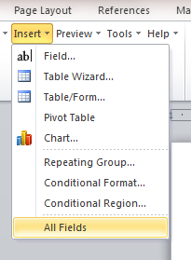

Step 3 – Define concurrent program
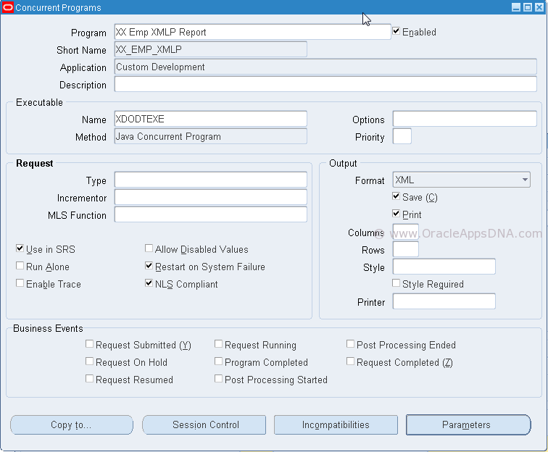

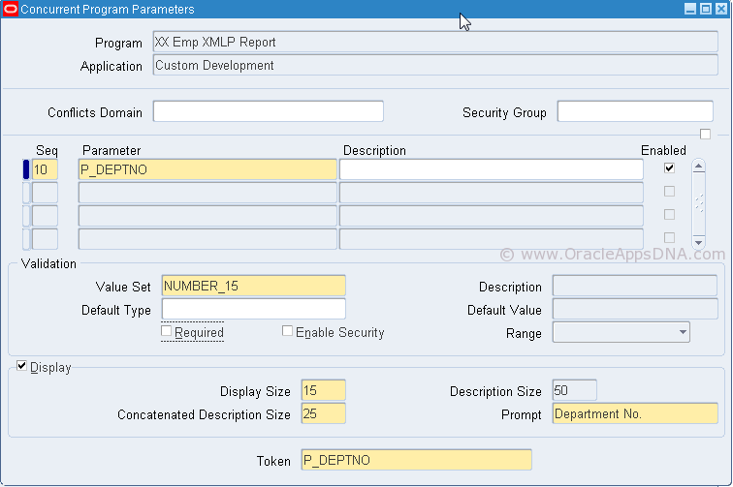

Step 4 – Define Data Definition and Template
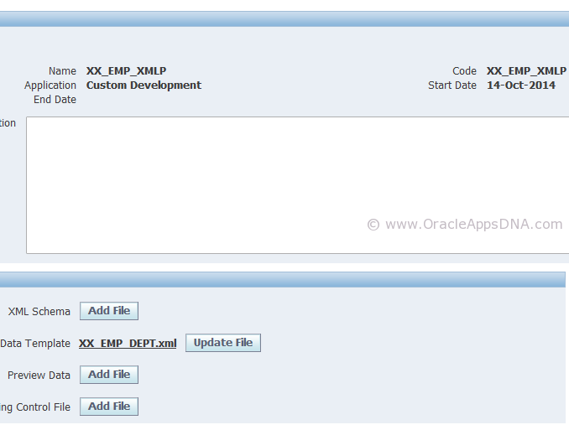

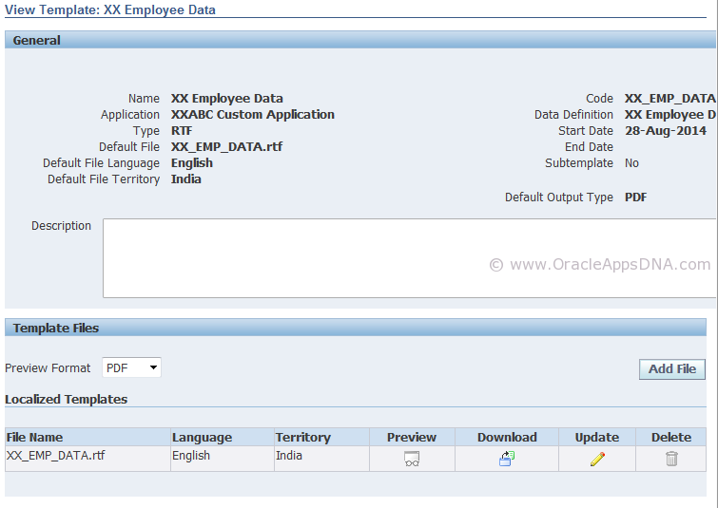

Step 6 – Add Concurrent Program to Request Group
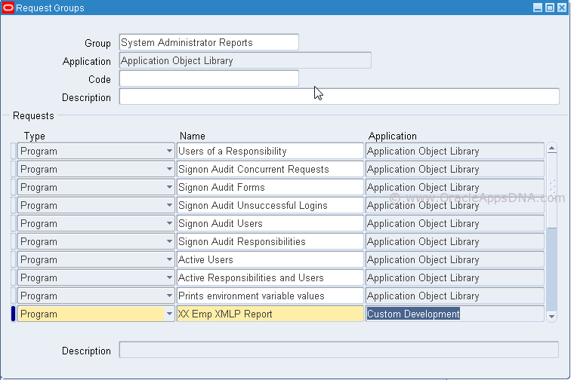

Step 7 – Creating RTF Template
Run Concurrent program to generate XML data file which can be used to build XML template.
Create a blank rtf file with name ‘XX_EMP_DEPT.rtf’ and Load generated XML Data file to RTF
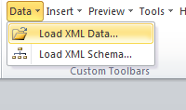

User insert all fields option in XMLP addon to insert all fields in rtf layout

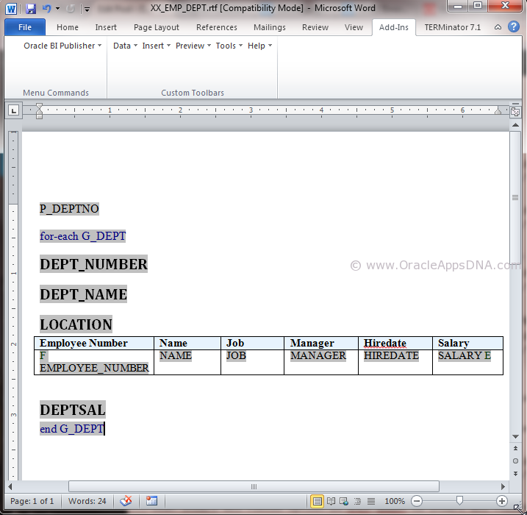

Preview to see the output:
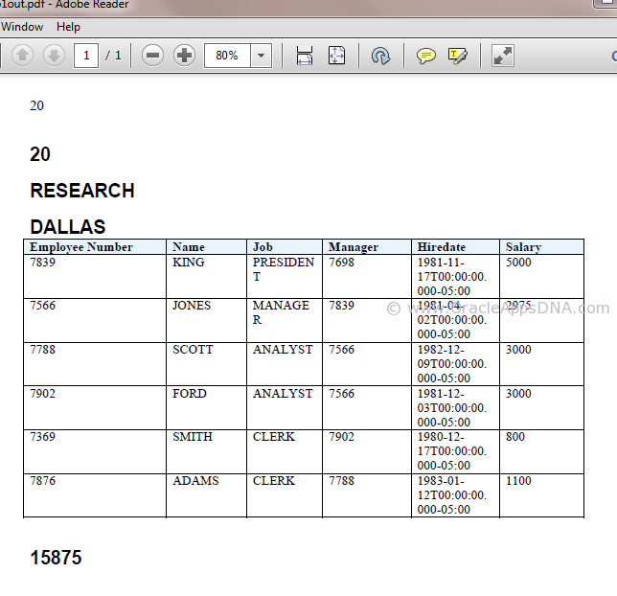

Click here to download RTF, Data template and package used in this article.

Bursting
Busrting

Bursting

1. Create PLSQL Procedure
2. Register Executable
3. Register Concurrent Program
4. Create XML bursting control file
5. Register data definition
6. Create RTF template File
7. Upload RTF file to data template

--=================================================

CREATE OR REPLACE PROCEDURE APPS.XXSD_BURST_PROC (
RETCODE OUT VARCHAR2,
ERRBUF OUT VARCHAR2,
P_DEPT_NO IN VARCHAR2 )
AS

CURSOR C2 IS

select 'oracle.shooter@gmail.com' EMAIL,A.* from SCOTT.EMP A
--where deptno = :V_DEPT_NO;
where deptno = NVL(P_DEPT_NO,deptno);

BEGIN
fnd_file.put_line (fnd_file.output, '<?xml version="1.0"?>');
fnd_file.put_line (fnd_file.output, '<REPORT>');

FOR J IN C2 LOOP
fnd_file.put_line (fnd_file.output, '<R_LINES>');
fnd_file.put_line (fnd_file.output,'<EMAIL>' || J.EMAIL || '</EMAIL>' );
fnd_file.put_line (fnd_file.output,'<EMPNO>' || J.EMPNO || '</EMPNO>' );
fnd_file.put_line (fnd_file.output,'<ENAME>' || J.ENAME || '</ENAME>' );
fnd_file.put_line (fnd_file.output,'<JOB>' || J.JOB || '</JOB>' );
fnd_file.put_line (fnd_file.output,'<MGR>' || J.MGR || '</MGR>' );
fnd_file.put_line (fnd_file.output,'<HIREDATE>' || J.HIREDATE || '</HIREDATE>' );
fnd_file.put_line (fnd_file.output,'<SAL>' || J.SAL || '</SAL>' );
fnd_file.put_line (fnd_file.output,'<DEPTNO>' || J.DEPTNO || '</DEPTNO>' );
fnd_file.put_line (fnd_file.output, '</R_LINES>');
END LOOP;
fnd_file.put_line (fnd_file.output, '</REPORT>');

XXSD_SUBMIT_BURSTING_RPT(fnd_profile.VALUE ('CONC_REQUEST_ID'));
P_CONC_REQUEST_ID := FND_GLOBAL.CONC_REQUEST_ID;

EXCEPTION WHEN OTHERS THEN fnd_file.put_line (fnd_file.LOG, 'Entered INTO exception' || SQLCODE || SQLERRM );

END;

--=============================================================

CREATE OR REPLACE PROCEDURE APPS.XXSD_SUBMIT_BURSTING_RPT(p_request_id IN INTEGER) AS
n_request_id NUMBER;
BEGIN
n_request_id := fnd_request.submit_request(
application => 'XDO'
,program => 'XDOBURSTREP'
,description => NULL
,start_time =>NULL
,sub_request =>FALSE
,argument1 =>'Y'
,argument2 =>p_request_id
);
END;

--==========================================================

select xtb.application_short_name||'.'||
xtb.template_code ||'.'||
xtb.default_language ||'.'||
xtb.default_territory
from apps.xdo_templates_b xtb
where xtb.template_code LIKE 'XXSD_BURST_PROC'

--===========================================================

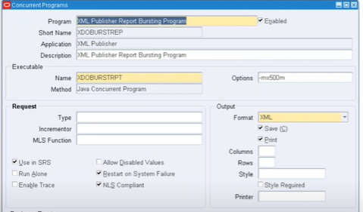
<?xml version="1.0" encoding="UTF-8"?>
<xapi:requestset xmlns:xapi="http://xmlns.oracle.com/oxp/xapi" type="bursting">
<xapi:request select="/REPORT/R_LINES">
<xapi:delivery>
<xapi:email id="123" server="localhost" port="25" from="Info@max.com" reply-to ="Info@max.com">
<xapi:message id="123" to="${EMAIL}" attachment="true" subject="Burst Test Report">
Hi,

Please find attached Sales Vs Refund Report for today.

Thanks and Regards
Max Life
</xapi:message>
</xapi:email>
</xapi:delivery>
<xapi:document output="/home/stgapp/${EMPNO}.pdf" output-type="pdf" delivery="123,456" >
<xapi:template type="rtf" location="xdo://XXSD.XXSD_BURST_PROC.en.IN/?getSource=true"> </xapi:template>
</xapi:document>
</xapi:request>
</xapi:requestset>

--===============================================================

MUL_LAY
create or replace PROCEDURE XXSD_REPORT_SUBMIT_PROC (
errbuf OUT NUMBER,
retcode OUT VARCHAR2,
P_DEPT_NO IN NUMBER) AS

l_request_id NUMBER;
v_phase VARCHAR2 (20);
v_dev_phase VARCHAR2 (20);
v_dev_status VARCHAR2 (20);
v_message VARCHAR2 (20);
v_wait_status VARCHAR2 (20);
l_return_status BOOLEAN;
e_submit_error EXCEPTION;
e_program_status EXCEPTION;
e_program_status1 EXCEPTION;
v_lay BOOLEAN;

l_user_id number := 15570; --fnd_global.user_id;
l_resp_id number := 20419; --fnd_global.resp_id;
l_resp_appl_id number := 0 ;-- fnd_global.resp_appl_id;

--select * from fnd_user where user_name = 'DEVELOPER'
--
--select * from fnd_responsibility_tl where RESPONSIBILITY_NAME = 'Application Developer'
--
--select * from fnd_application_tl where APPLICATION_NAME = 'Application Object Library'

BEGIN

BEGIN
fnd_global.APPS_INITIALIZE(l_user_id,l_resp_id, l_resp_appl_id);
mo_global.init (<APPLICATION SHORT NAME>);
END;

l_request_id := 0;
fnd_file.put_line (fnd_file.LOG, '************** Launching (XXSD_MULTI_TEMPLTE_REPORT) Program **************' );

IF P_DEPT_NO = 10 THEN
v_lay :=
fnd_request.add_layout ('XXSD',
'XXSD_Template_1',
'en',
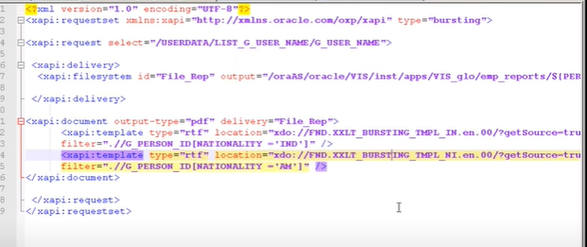
'US',
'EXCEL');

ELSE
v_lay :=
fnd_request.add_layout ('XXSD',
'XXSD_Template_2',
'en',
'US',
'EXCEL');

END IF;

l_request_id :=
fnd_request.submit_request
(application => 'XXSD',
program => 'XXSD_MULTI_TEMPLTE_REPORT',
description => 'XXSD_MULTI_TEMPLTE_REPORT',
start_time => SYSDATE,
sub_request => FALSE,
argument1 => P_DEPT_NO
);
COMMIT;

IF l_request_id = 0 THEN
fnd_file.put_line (fnd_file.LOG, 'Request Not Submitted');
RAISE e_submit_error;
ELSIF l_request_id != 0
THEN
fnd_file.put_line (fnd_file.LOG, 'Request Submitted : ' || l_request_id );

LOOP
l_return_status :=
apps.fnd_concurrent.wait_for_request
(request_id => l_request_id,
INTERVAL => 2,
max_wait => 60,
-- out arguments
phase => v_phase,
status => v_wait_status,
dev_phase => v_dev_phase,
dev_status => v_dev_status,
MESSAGE => v_message
);
EXIT WHEN UPPER (v_phase) = 'COMPLETED' OR UPPER (v_wait_status) IN ('CANCELLED', 'ERROR', 'TERMINATED');
END LOOP;

fnd_file.put_line (fnd_file.LOG,'(XXSD_MULTI_TEMPLTE_REPORT) Program|| '|| v_dev_phase||' With '||v_dev_status);
END IF;

EXCEPTION WHEN e_program_status THEN
RAISE e_program_status1;
WHEN OTHERS THEN
fnd_file.put_line (fnd_file.LOG, 'Errored In exception'||SQLERRM);
END;

--===========================================

declare
V_CODE VARCHAR2(100);
V_ERROR VARCHAR2(100);
V_DEPT_NO NUMBER:= 10;
begin
XXSD_REPORT_SUBMIT_PROC(V_CODE, V_ERROR, V_DEPT_NO);
end;
--==========================================

dynamic_col_matrix
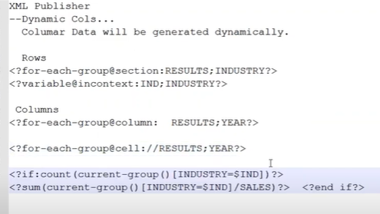

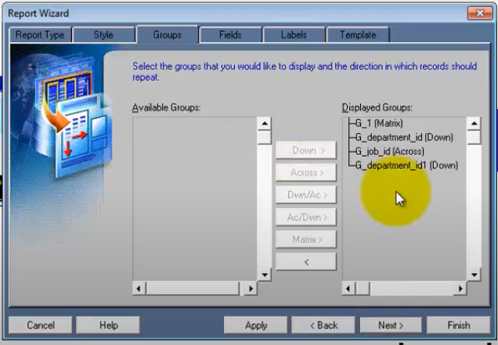
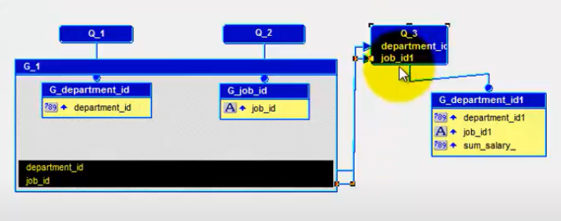

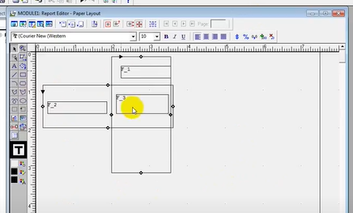

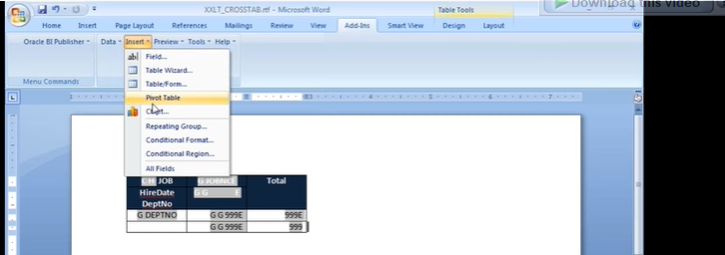

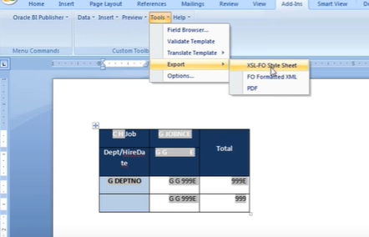

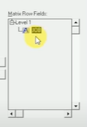
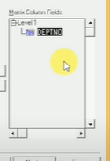
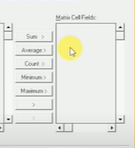

multisheet
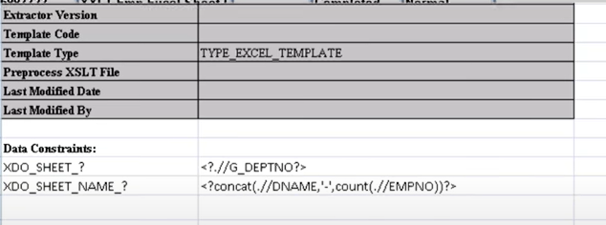
Dname | Ename
XD0_?DNAME? | XDO_?ENAME? | xdo_GROUP_?G_ENAME?

XDO_METADATA
XDO_SHEET_? | <?.//G_DEPTNO?>
XDO_SHEET_NAME_? | <?concat(.//DNAME,' ',count(.//EMPNO))?>

condinal_formate
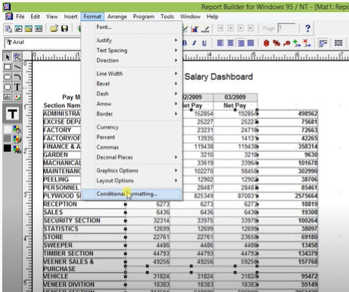
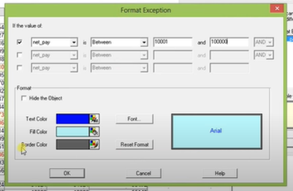

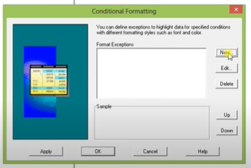

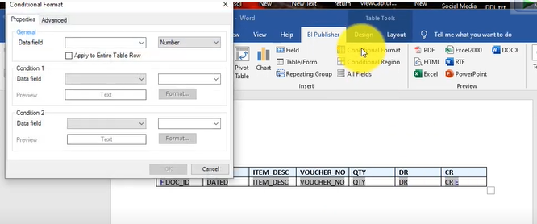
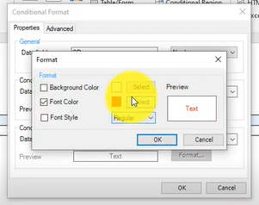

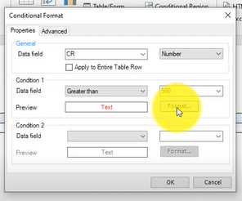

xml_rdf
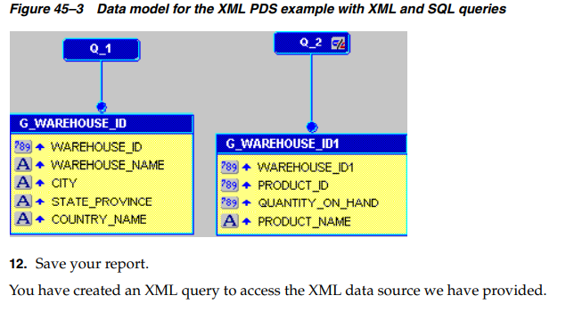
To create an XML query:
1. In the Data Model view, choose Insert > Query to display the Data Wizard.
2. If the Data Wizard Welcome page displays, click Next.
3. On the Query page, click Next.
4. On the Data Source page, click XML Query, then click Next.
5. On the Data page, click Query Definition to display the Define XML Query dialog
box.
6. In the Define XML Query dialog box, under Data Definition, click Browse to
locate the XSD file we have provided, warehouse_inventory.xsd and open it.
7. Under Data Source, click Browse to locate the XML file we have provided that
contains your data, warehouse_inventory.xml and open it.
If you want to compare your data definition to the one we provided, make sure
that you replace the data definition locations with the locations of your files.
8. Click OK.
9. In the Data Wizard, still on the Data page, click Next.
10. On the Groups page, click Next.
11. Click Finish to display your data model in the Data Model view. It should look
something like this:

A valid XML schema with suffix xsd for the above XML is as follows:
</xsd:schema>
<?xml version="1.0" encoding="UTF-8"?>
<xsd:schema xmlns:xsd="http://www.w3.org/2000/10/XMLSchema">
<xsd:element name="WAREHOUSE" >
<xsd:complexType>
<xsd:sequence>
<xsd:element name="INVENTORY" minOccurs="0" maxOccurs="unbounded"
<xsd:complexType>
<xsd:sequence>
<xsd:element name="WAREHOUSE_ID" type="xsd:integer"/>
<xsd:element name="PRODUCT_ID" type="xsd:integer"/>
<xsd:element name="QUANTITY_ON_HAND" type="xsd:integer"/>
<xsd:element name="PRODUCT_NAME" type="xsd:string"/>
</xsd:sequence>
</xsd:complexType>
</xsd:element>
</xsd:sequence>
</xsd:complexType>
</xsd:element>
</xsd:schema>

BARCODE
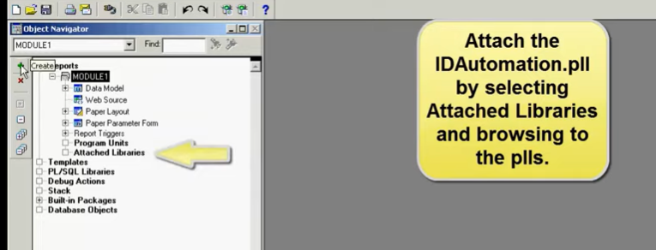

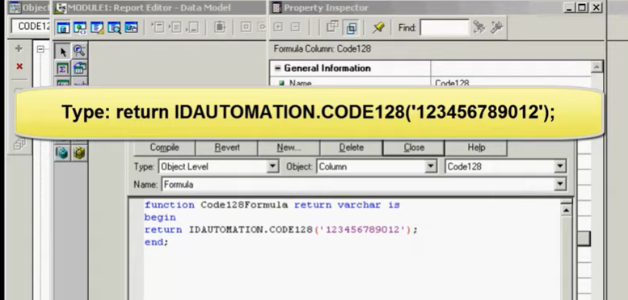

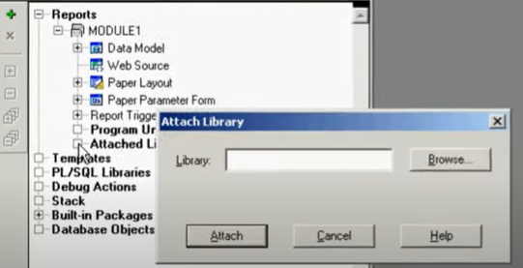

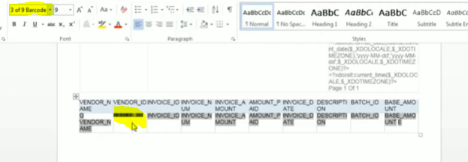

logo
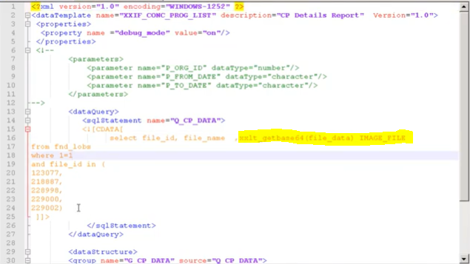

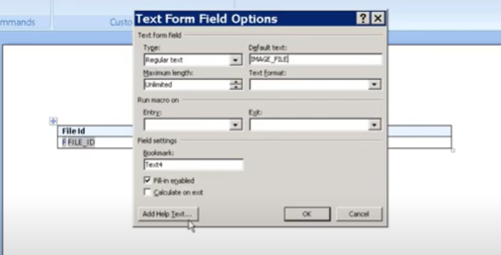
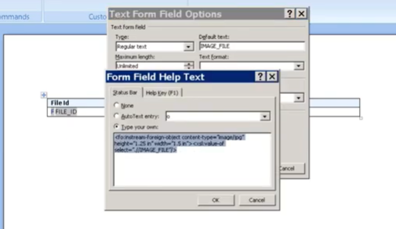

record_page
<?if:position() mod 5 =0?> <xsl:attribute name="break-before">page</xsl:attribute> <?end if?> | <?split-by-page-break:?>
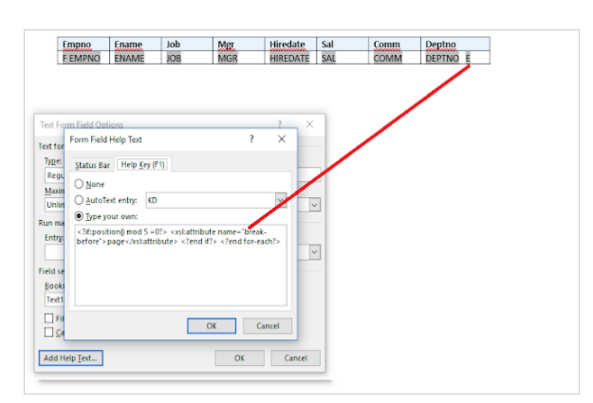
 | ?variable@incontext:DEPT_ID;count(current-group()?

