exo 2-routage
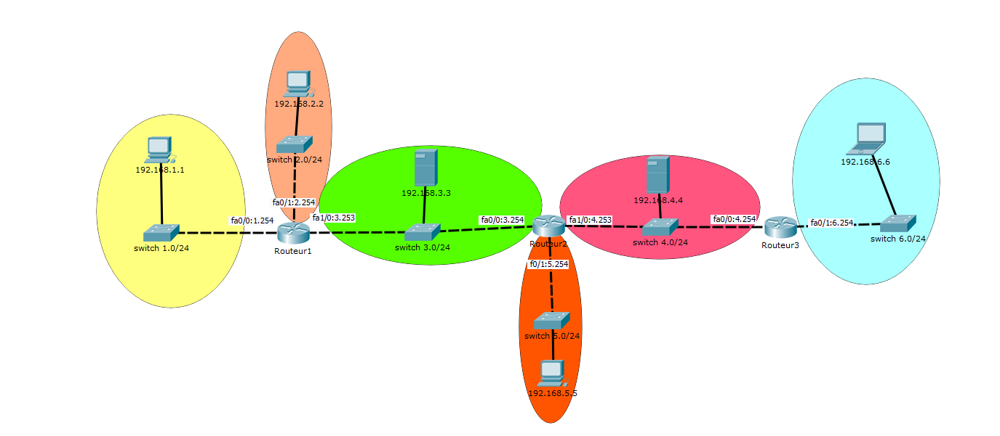

 | R1 |  |  |  |  |  | R2 |  |  |  |  |  | R3
 | Type | IDSR | MSR | INTERFACE | PASSERELLE |  | Type | IDSR | MSR | INTERFACE | PASSERELLE |  | Type | IDSR | MSR | INTERFACE | PASSERELLE
route | C = connectée | 192,168,1,0 | //24 | fa0/0 | 192.168.1.254 | route | S= static | 192,168,1,0 | //24 | fa0/0 | 192,168,4,253 | route | S= static | 192,168,1,0 | //24 | fa0/0 | 192,168,4,253
 | C = connectée | 192,168,2,0 | //24 | fa0/1 | 192.168.2.254 |  | S= static | 192,168,2,0 | //24 | fa0/0 | 192,168,4,253 |  | S= static | 192,168,2,0 | //24 | fa0/0 | 192,168,4,253
 | C = connectée | 192,168,3,0 | //24 | fa1/0 | 192.168.3.253 |  | C = connectée | 192,168,3,0 | //24 | fa0/0 | 192,168,3,254 |  | S= static | 192,168,3,0 | //24 | fa0/0 | 192,168,4,253
 | S= static | 192,168,4,0 | //24 | fa1/0 | 192,168,3,254 |  | C = connectée | 192,168,4,0 | //24 | fa1/0 | 192,168,4,253 |  | C = connectée | 192,168,4,0 | //24 | fa0/0 | 192,168,4,254
 | S= static | 192,168,5,0 | //24 | fa1/0 | 192,168,3,254 |  | C = connectée | 192,168,5,0 | //24 | fa0/1 | 192,168,5,254 |  | S= static | 192,168,5,0 | //24 | fa0/0 | 192,168,4,253
 | S= static | 192,168,6,0 | //24 | fa1/0 | 192,168,3,254 |  | S= static | 192,168,6,0 | //24 | fa1/0 | 192,168,4,254 |  | C = connectée | 192,168,6,0 | //24 | fa0/1 | 192,168,6,254

