exo 2-routage
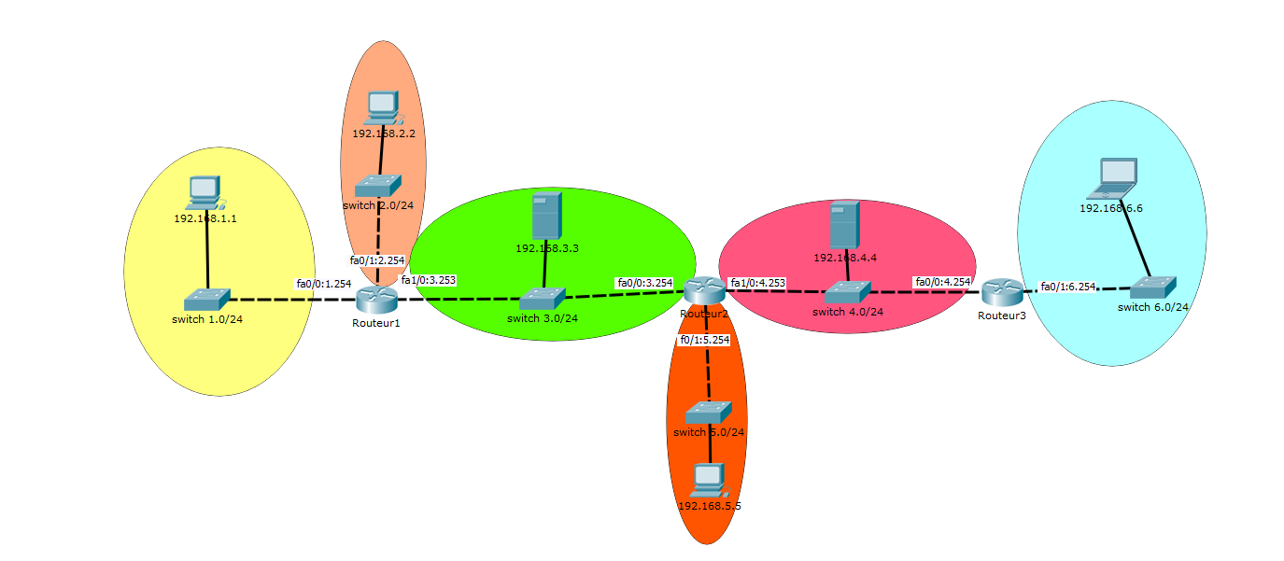

 | R1 |  |  |  |  |  | R2 |  |  |  |  |  | R3
 | Type | IDSR | MSR | INTERFACE | PASSERELLE |  | Type | IDSR | MSR | INTERFACE | PASSERELLE |  | Type | IDSR | MSR | INTERFACE | PASSERELLE
route |  | 192,168,1,0 | //24 |  |  | route |  | 192,168,1,0 | //24 |  |  | route |  | 192,168,1,0 | //24
 |  | 192,168,2,0 | //24 |  |  |  |  | 192,168,2,0 | //24 |  |  |  |  | 192,168,2,0 | //24
 |  | 192,168,3,0 | //24 |  |  |  |  | 192,168,3,0 | //24 |  |  |  |  | 192,168,3,0 | //24
 |  | 192,168,4,0 | //24 |  |  |  |  | 192,168,4,0 | //24 |  |  |  |  | 192,168,4,0 | //24
 |  | 192,168,5,0 | //24 |  |  |  |  | 192,168,5,0 | //24 |  |  |  |  | 192,168,5,0 | //24
 |  | 192,168,6,0 | //24 |  |  |  |  | 192,168,6,0 | //24 |  |  |  |  | 192,168,6,0 | //24

