KPI Graphs
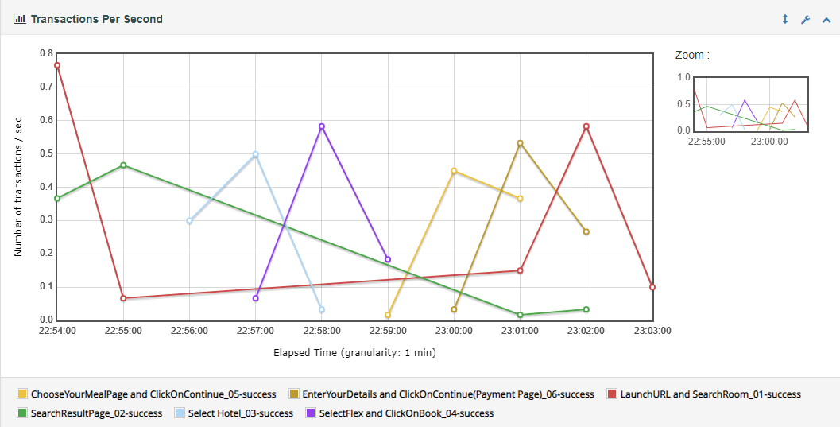
Response Time Percentiles Vs Time

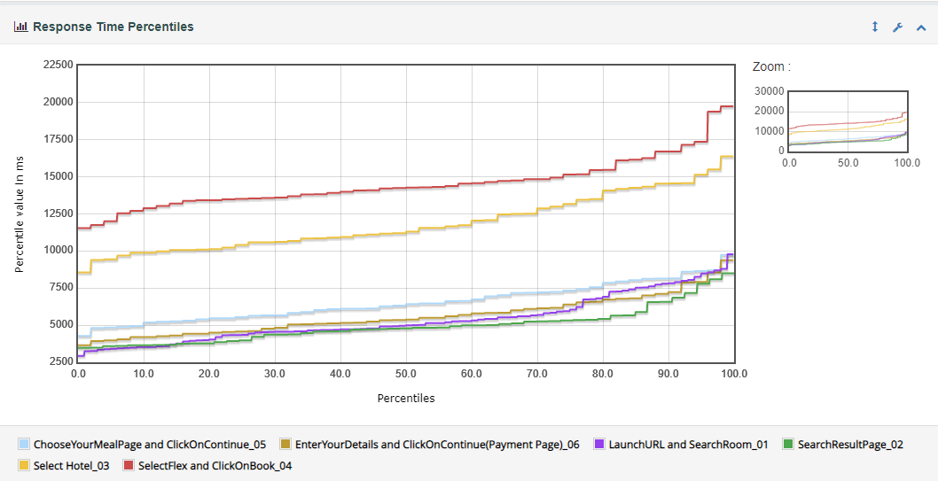

Active Users(Steady State) Vs Test Duration

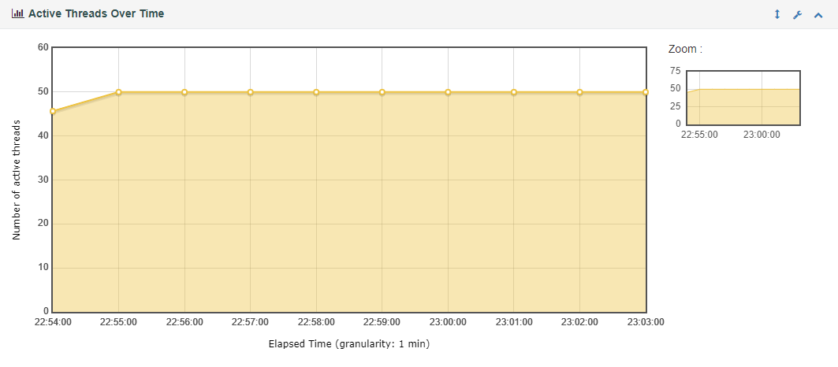

Response Time Vs Test Duration

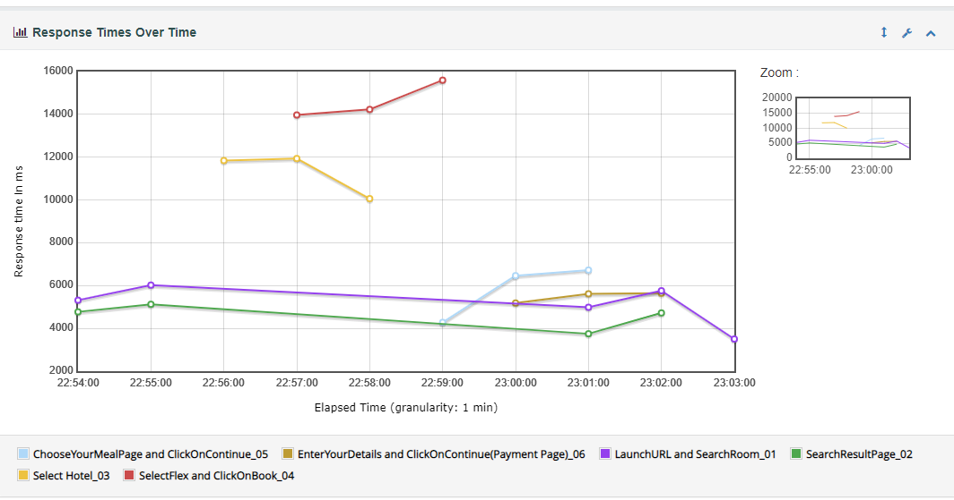

Latency Vs Test Duration

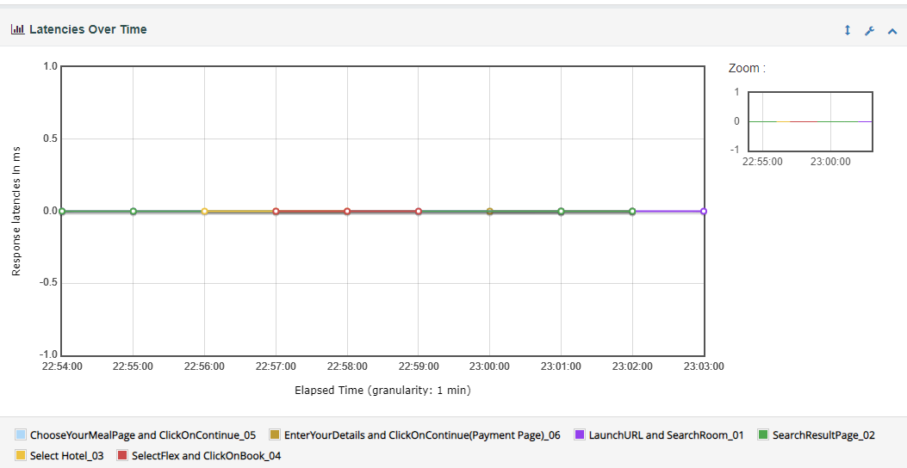

Transaction per Second

