Charts
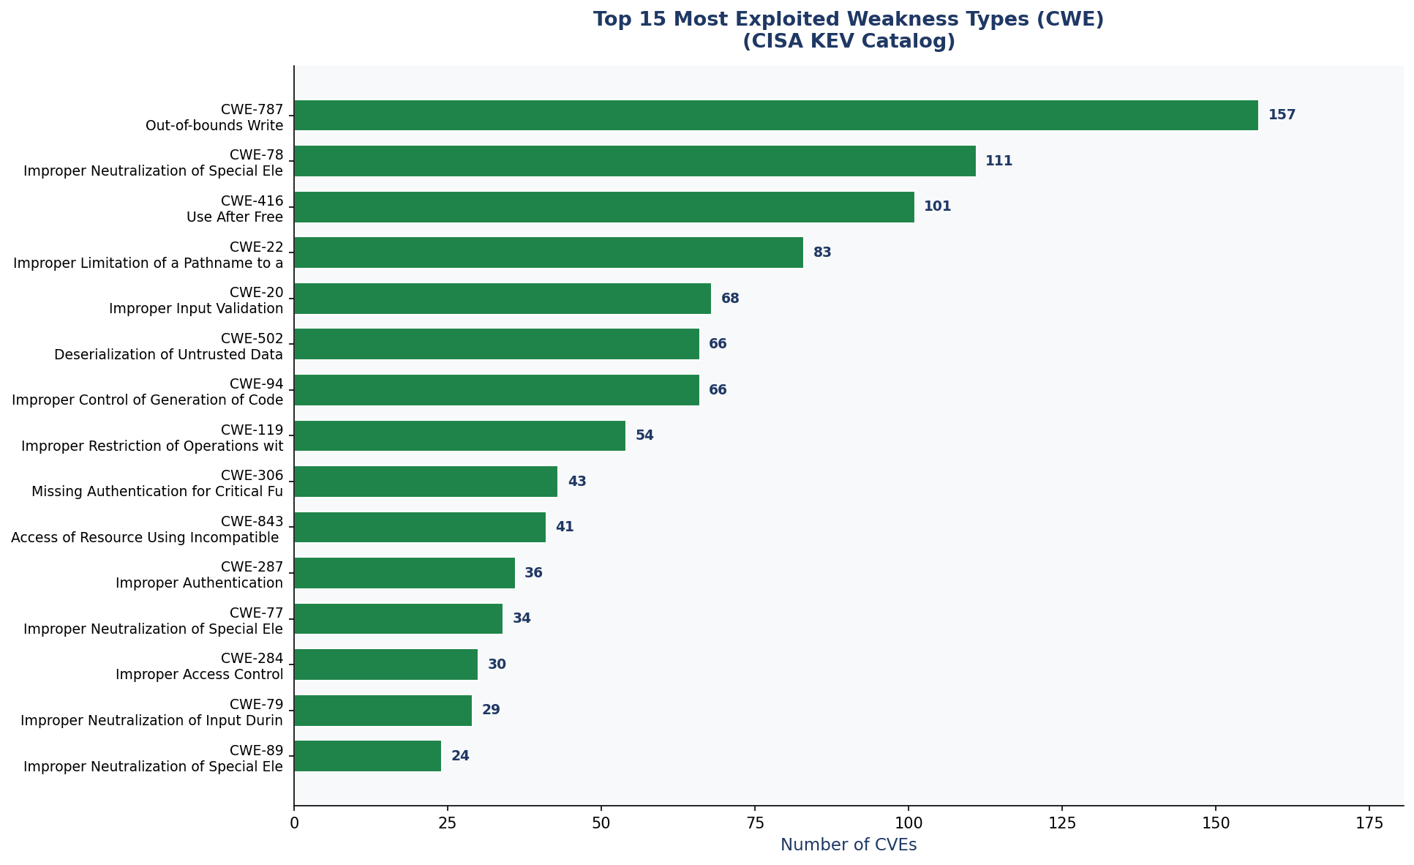
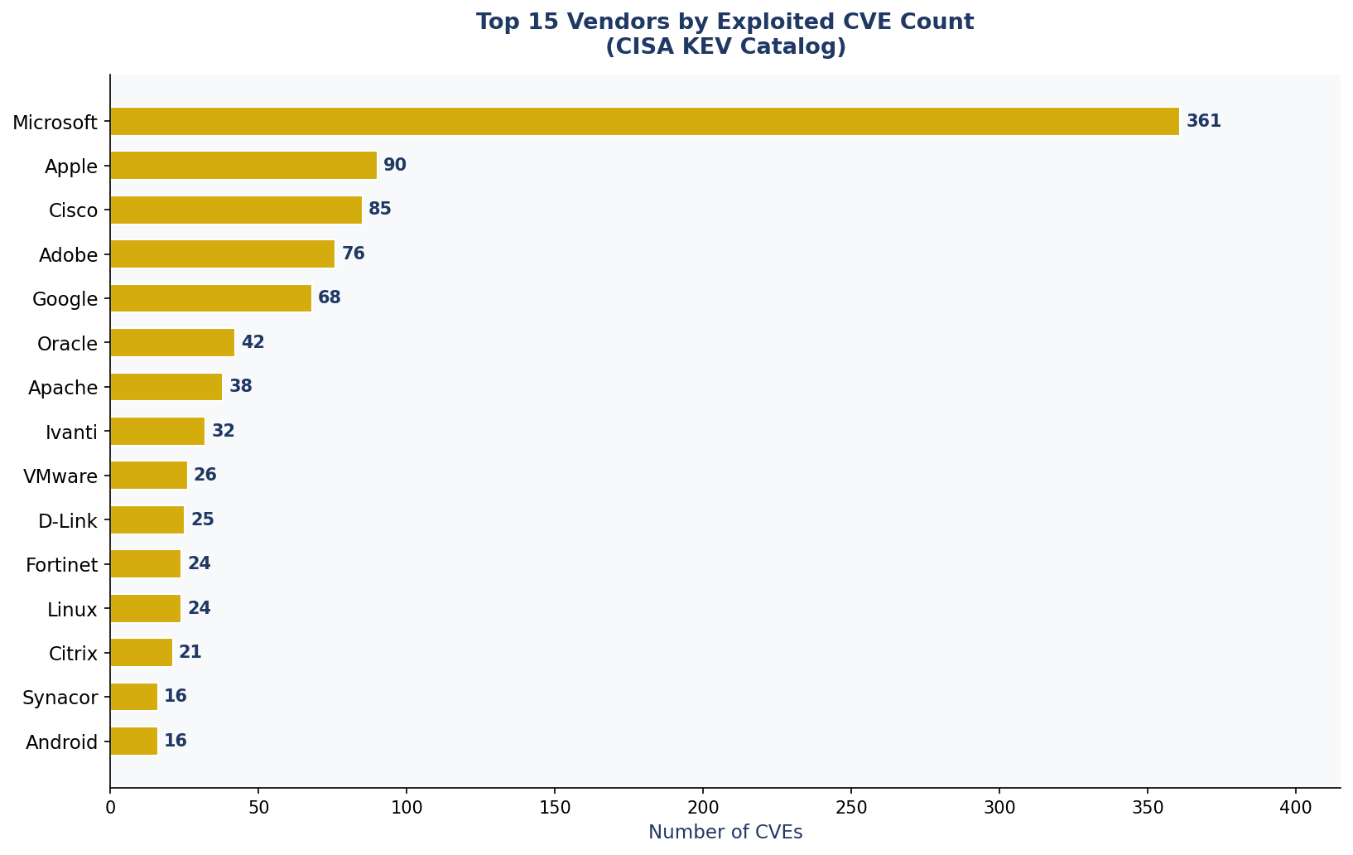
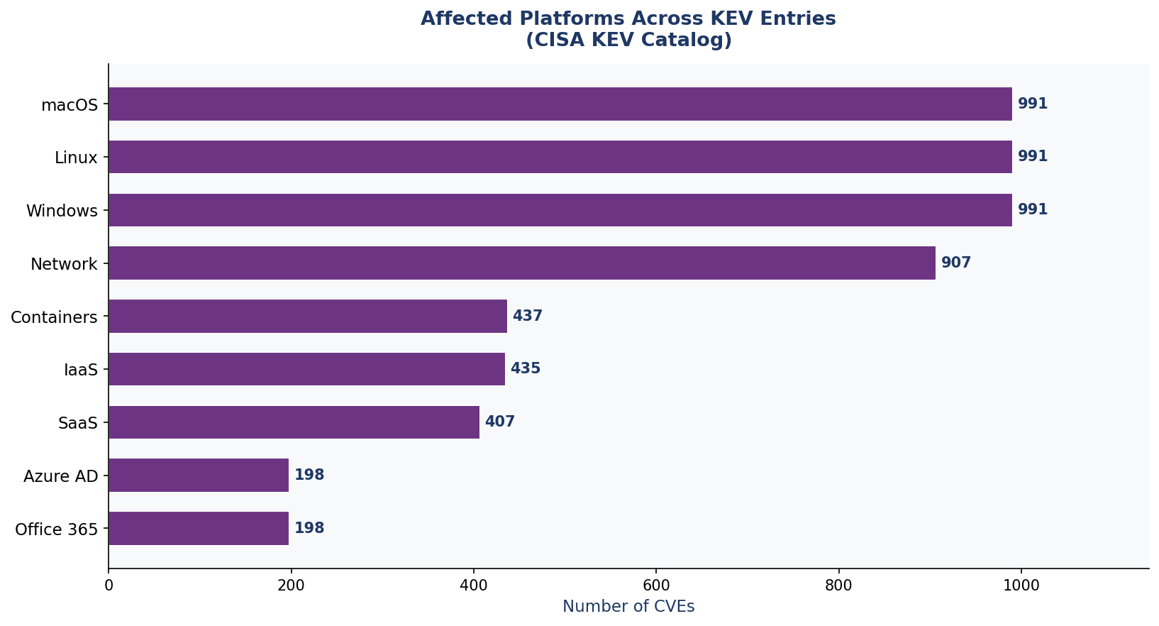
CISA KEV Enrichment — Visualizations
Source: CISA KEV + NVD + MITRE CWE + MITRE ATT&CK | 1,539 CVEs | Nov 2021 – Mar 2026
① CVEs per ATT&CK Tactic
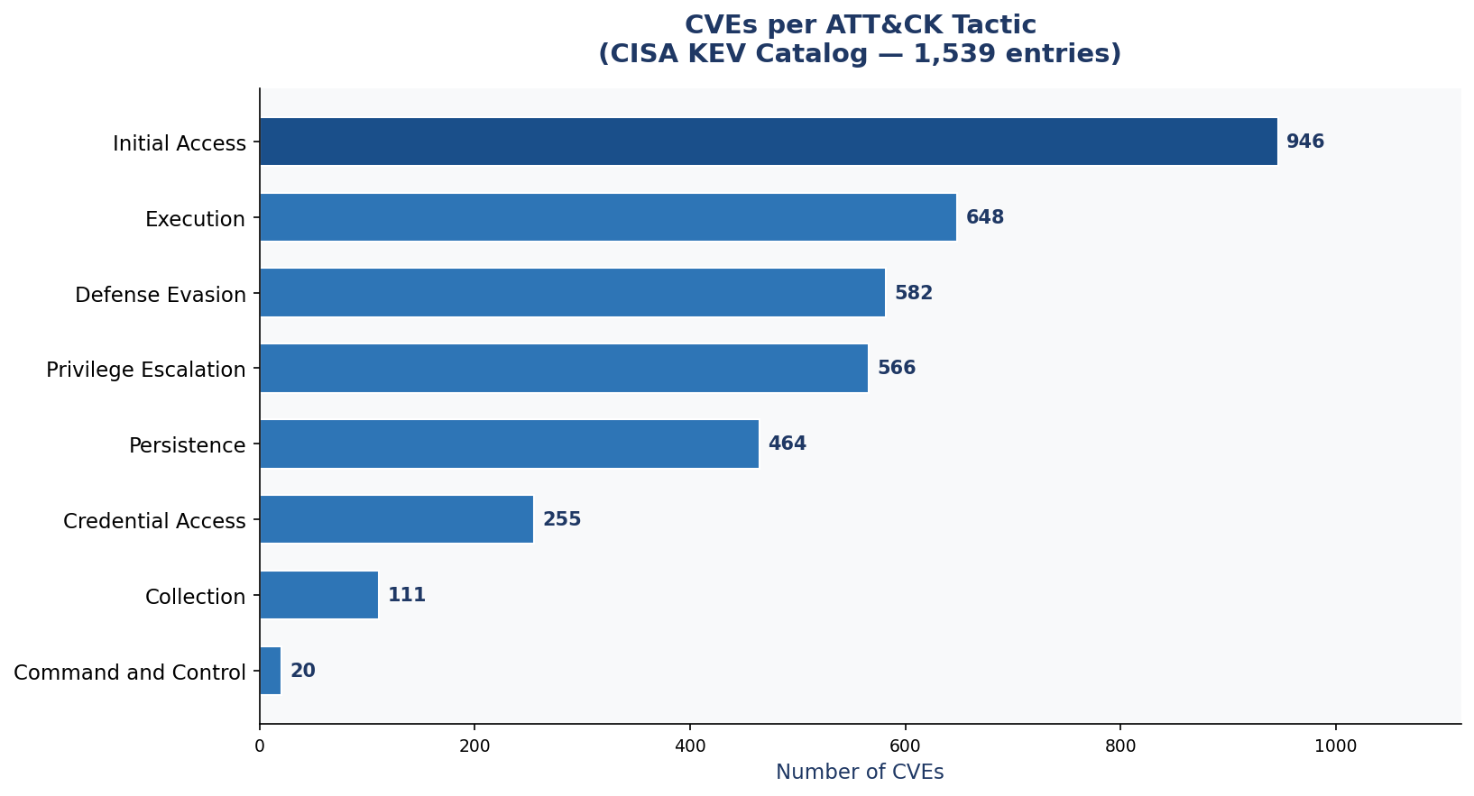

② KEV Entries Added Per Month

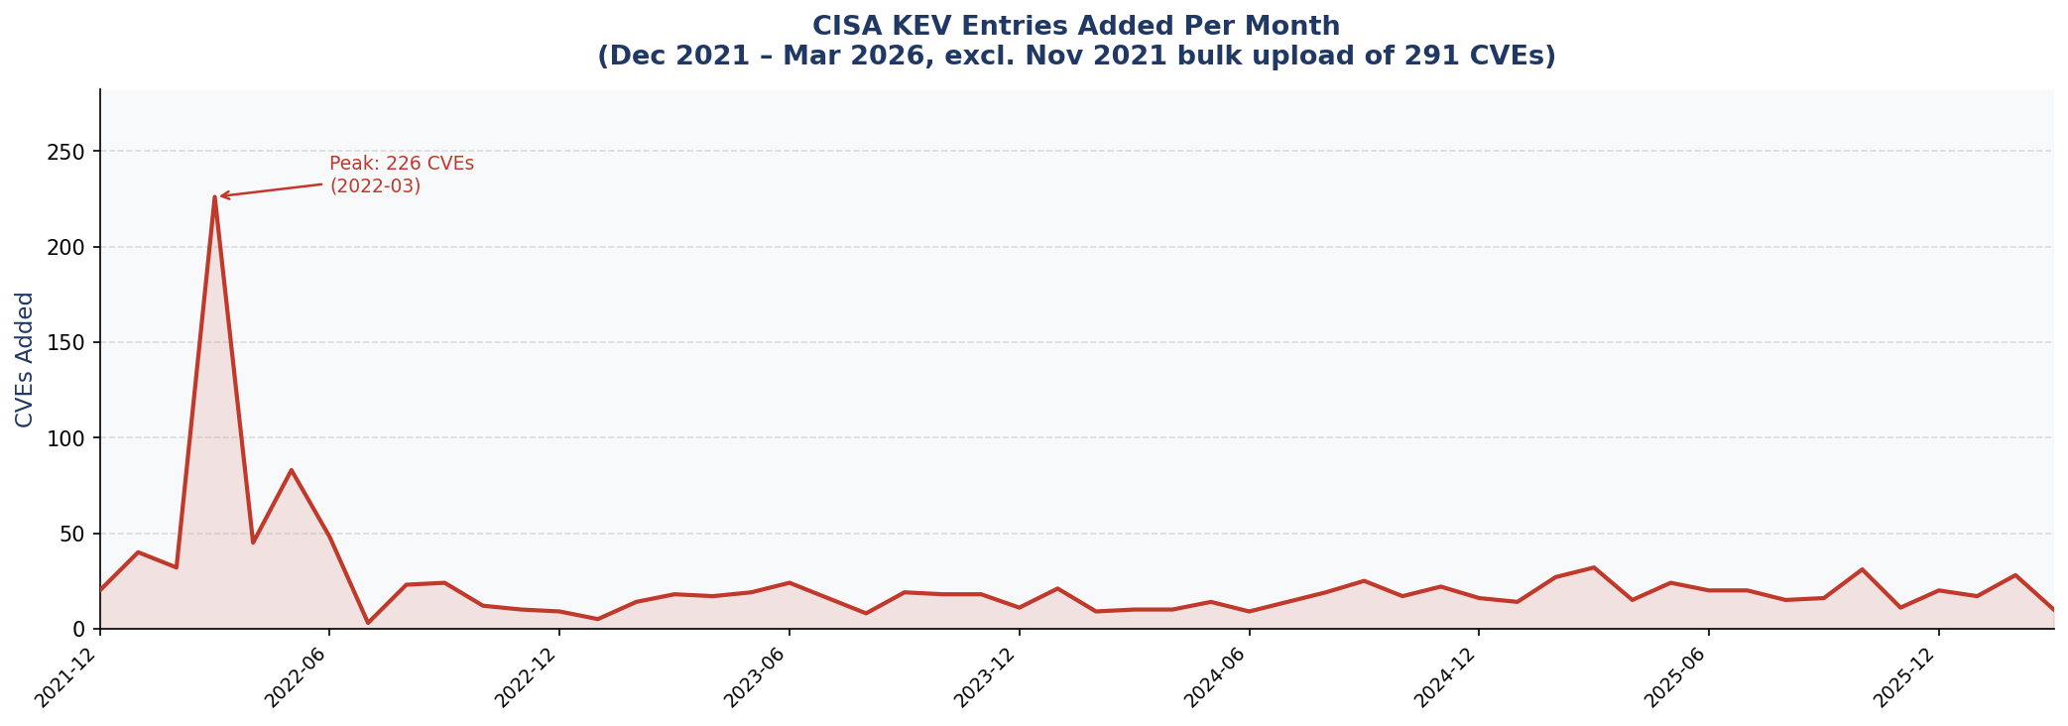

③ Top 15 Most Exploited Weakness Types

④ Top 15 Vendors by Exploited CVE Count

