HIgh level summary
Persona/ Product class | Awareness/Gamification | Term Insurance | Health insurance | Credit cards | Home loan | Personal/Education loan | Equity MF (weightage based on risk profile) | Debt MF (weightage based on risk profile)
 |  |  |  |  |  |  |  |  | PPF | FD | Post office saving scheme | Real estate
a. Gen Z – someone who has just started a job or small scale business (Age: 21-30) | X | X | X | X | need based | need based | X | X
low risk |  | Y | Y | Y | need based | X | X | Y | Y | Y | Y | X
medium risk |  | Y | Y | Y | need based | X | Y 30% | Y 20% | X | Y | X | X
high risk |  | Y | Y | Y | need based | X | Y 60% | Y10% | X | Y | X | X
c. Millennials – Age: 31-50 | X | X | X | X
low risk |  | Y | Y | Y | need based | need based | Y 20% | Y 30% | Y | Y | X | X
medium risk |  | Y | Y | Y | need based | need based | Y 30% | Y 20% | X | Y | X | Y
high risk |  | Y | Y | Y | need based | need based | Y 50% | Y 10% | X | Y | X | Y
d. Elderly – Age: 50-60 | X | X | X | X | need based | need based |  |  | X
low risk |  | X | X | X | X | X | Y 10%
medium risk |  | X | X | X | X | X | Y 20%
high risk |  | X | X | X | X | X | Y 30%
e. Retires – Post 60+ | X |  | X |  |  |  |  |  |  | X | X
low risk
medium risk
high risk
Recommended product

Coaching elements (Do'es and Donts) - ALL ARE WORKING
If the product is in use

If the product is not in use
recommend

Product line items
Do | MF - For equity mutual fund avg returns can be expected for long term (min 5-7 years) is approx 12%. MF returns are not guaranteed but despite volatility due to long period, markets tend to give averaged return
 | Term Insurance - The basic rule of thumb states that the sum assured of your term plan should preferably be 10 times your annualised income
 | Health Insurance - Do read policy document carefully (AI can be used to get a crux of the document). Only choose coverage feature that is needed
 | Credit Card - Set spending limits and create a budget & Take advantage of credit card rewards and benefits
 | Home Loan - Compare varying interest rates & loan terms. Save for higher down payment which will reduce inter

Don’t | MF - Don’t choose it on basis of past performance & don’t stop SIPs during maktet downturn
 | Term Insurance - Term Insurance is not an investment product, its for financial security. Don’t fall for Endowmnent Plans, Money back plans , ULIPs
 | Health Insurance - 1) Don’t buy health insurance just because its cheap 2) Don’t depend on Employer's health insurance plan 3) Don’t hide any relavant information from the insurer
 | Credit Card - Don't make only the minimum payment (Always Pay in full) & Don't overspend or use your credit card for unnecessary purchases
 | Home Loan -

Questionnaire |  | ANAND

Outcome
 |  | Goal identification
 |  | Risk profile
 |  | Risk capacity vs tolerance (based on this value suitable class of products are recommended to create diversified portfolio of financial products)
 |  | Sample recommendation report
 |  |  | Approx Net worth

Trust & compliance
 | a. | SEBI RIA license
 | b. | "Fee-only"
 | c | Ability to talk to financial advisor

Risk Profile Questionnaire

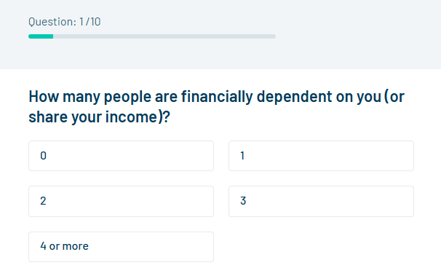
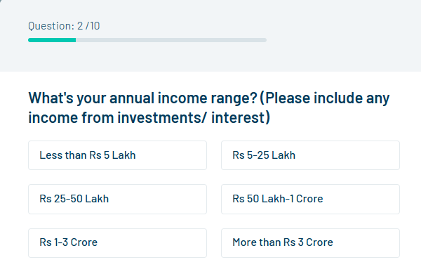
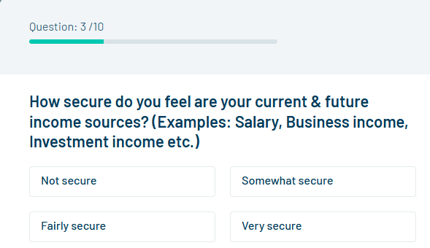

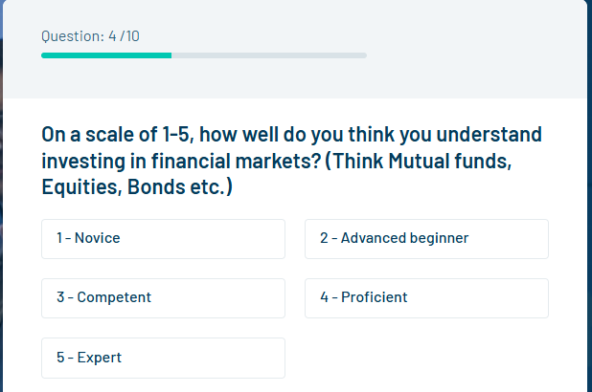
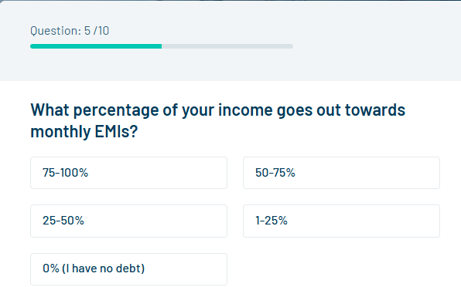
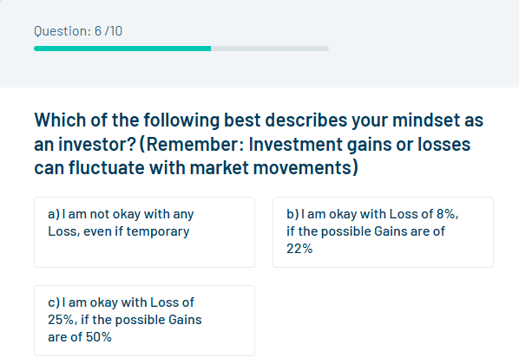

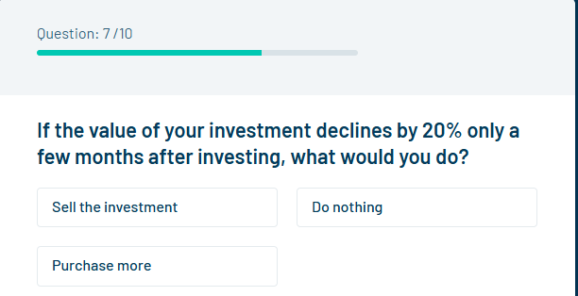
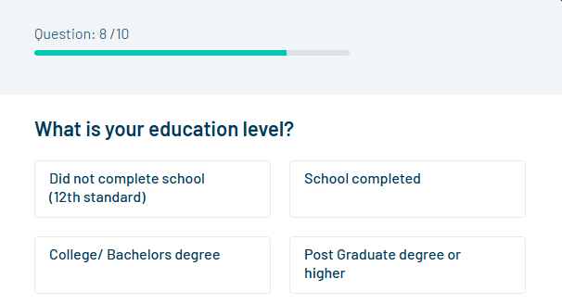
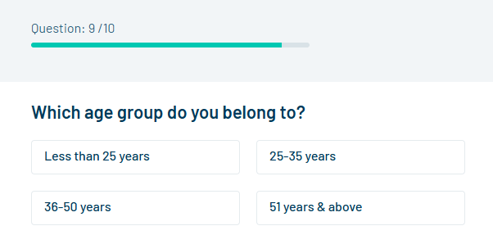

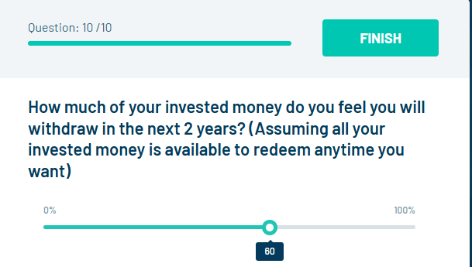
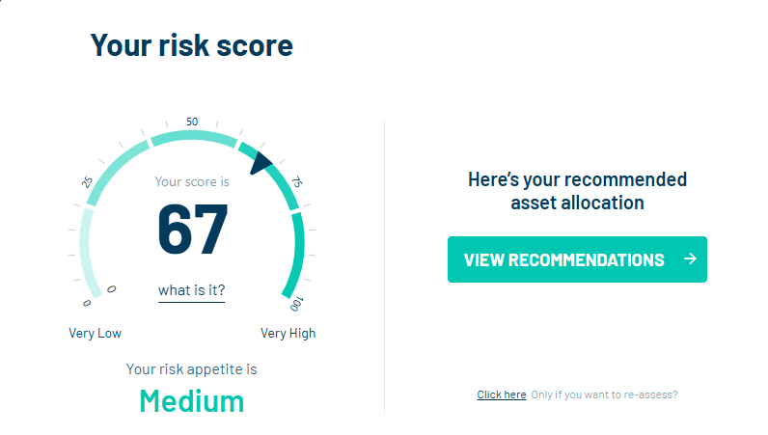

https://youtu.be/z2ETZS5cSDo

