TN final results
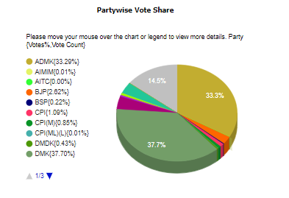
Tamil Nadu
Result Status
Status Known For 234 out of 234 Constituencies
Party | Won | Leading | Total
All India Anna Dravida Munnetra Kazhagam | 66 | 0 | 66
Bharatiya Janata Party | 4 | 0 | 4
Communist Party of India | 2 | 0 | 2
Communist Party of India (Marxist) | 2 | 0 | 2
Dravida Munnetra Kazhagam | 133 | 0 | 133
Indian National Congress | 18 | 0 | 18
Pattali Makkal Katchi | 5 | 0 | 5
Viduthalai Chiruthaigal Katchi | 4 | 0 | 4
Total | 234 | 0 | 234

