Query4
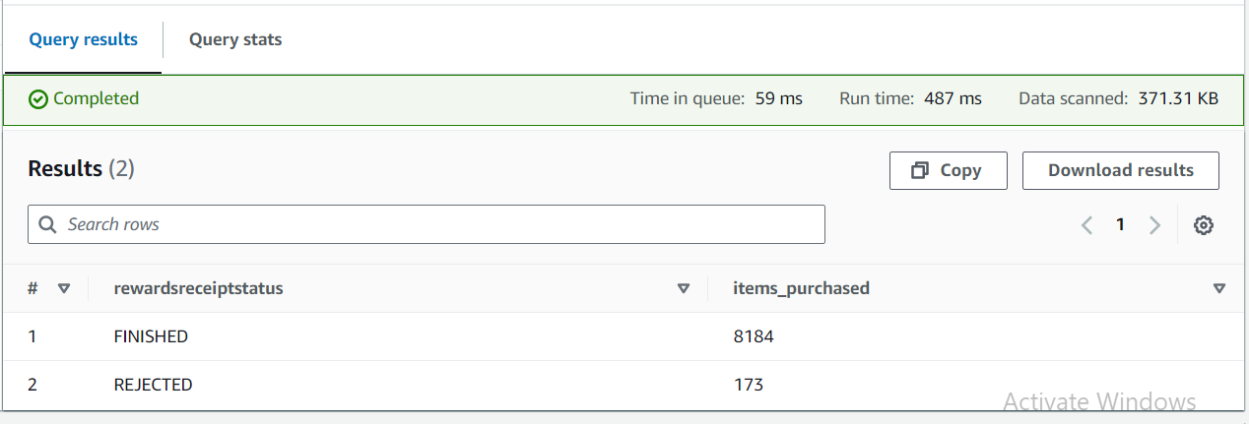
SELECT rewardsreceiptstatus, sum(purchasedItemCount) as items_purchased FROM "AwsDataCatalog"."fetch-assignment-db"."fetch-receipts" where rewardsreceiptstatus in ('FINISHED', 'REJECTED') group by 1

