Sheet1
Bid Receipt Acknowledgement
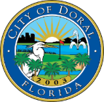

Solicitation Number: | ITB No. 2025-14
Solicitation Name: | Right of Way Maintenance Services
Solicitation Due Date: | 7/11/25
Bidder | Responded | Bid Amount
SFM Landscape Services, LLC. | 7/11/2025 2:06pm | $699,400.22
Superior Landscaping & Lawn Service, Inc. | 7/10/2025 10:50am | $495,326.74

Preparer's Name: | Christopher Cotton
Preparer's Signature: | Christopher Cotton
Date Prepared: | 2025-07-11

The above acknowledgement provides only the submissions and bid amount as reported. The City of Doral does not confirm the accuracy of the calculation at this time. All bids are still subject to review, including for responsiveness and responsibility.

