Synergy Results
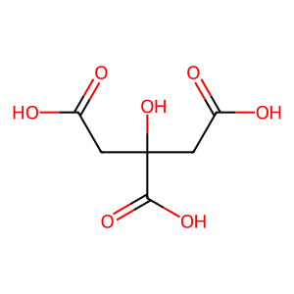
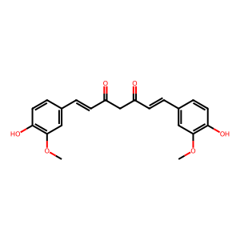
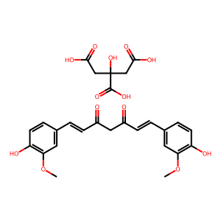
Ingredient 1 | Ingredient 2 | Binding Affinity | Interaction | Remarks | Individual Effects | Synergy Effects | PubMed Data (1) | PubMed Data (2) | Synergy PubMed Data | CADD Analytics Image (1) | CADD Analytics Image (2) | Synergy Image
Citric Acid | Curcumin | 10.0, 10.0 | Agonistic | Improved binding affinity. | Improves metabolism and reduces inflammation. | Enhances anti-inflammatory effects and reduces toxicity. | 39658172: 1. Food Res Int. 2025 Jan;199:115377. doi: 10.1016/j.foodres.2024.115377. Epub, 39655723: 1. J Proteome Res. 2024 Dec 10. doi: 10.1021/acs.jproteome.4c00747. Online ahead, 39654729: 1. Heliyon. 2024 Nov 23;10(23):e40544. doi: 10.1016/j.heliyon.2024.e40544. , 39654651: 1. Front Chem. 2024 Nov 25;12:1508396. doi: 10.3389/fchem.2024.1508396., 39653288: 1. Int J Pharm. 2024 Dec 7:125061. doi: 10.1016/j.ijpharm.2024.125061. Online | 39658175: 1. Food Res Int. 2025 Jan;199:115384. doi: 10.1016/j.foodres.2024.115384. Epub, 39654703: 1. Heliyon. 2024 Nov 20;10(23):e40569. doi: 10.1016/j.heliyon.2024.e40569. , 39654269: 1. Langmuir. 2024 Dec 9. doi: 10.1021/acs.langmuir.4c03211. Online ahead of, 39654006: 1. Photochem Photobiol Sci. 2024 Dec 10. doi: 10.1007/s43630-024-00669-5. Online , 39653966: 1. Mol Biol Rep. 2024 Dec 9;52(1):45. doi: 10.1007/s11033-024-10115-5. | 39358802: 1. BMC Complement Med Ther. 2024 Oct 2;24(1):350. doi:, 39337684: 1. Int J Mol Sci. 2024 Sep 23;25(18):10200. doi: 10.3390/ijms251810200., 39084983: 1. Int J Biol Macromol. 2024 Aug;275(Pt 2):133827. doi: , 38931996: 1. Polymers (Basel). 2024 Jun 11;16(12):1647. doi: 10.3390/polym16121647., 38912877: 1. J Mater Chem B. 2024 Jul 17;12(28):6874-6885. doi: 10.1039/d4tb00431k.

